metadata
SECTION 1: METADATA FOR THIS PROJECT

Description: | These Excel worksheets contain the settings for a BEASTmasteR run, starBeast2 on Australian Gehyra, 107 loci

Dataset: | Australian Gehyra

Source: | Data from: Moritz Lab

Citation: | In progress.

Data re-use: | Use with citation

Contact: | Nicholas J. Matzke
 | Research Fellow, ARC DECRA Fellowship, The Australian National University
 | nick.matzke@anu.edu.au

Local dataset location (edit for your computer; this is just for reference): | /drives/GDrive/__GDrive_projects/2016-07-31_divide_and_conquer_starBEAST/05_Gehyra_106_loci/v1/

Loci selection criteria: | 1. Longer loci 2. 100 desired 3. Diversity within locus 4. Completeness - across samples, across species 4a. Watch out for strings of Ns II. Use TWO specimens per species

 | This time (2016-10-28) exclude geneTree50

Diversity data: | Craig Moritz says: i'm hoping the attached (ND2 tree conjured by Paul) will help you understand what is what across oz gehyra. Presumably your question related to the total number of taxa (for our purpose designated lineages) rather than described species Australis group - 18-22 lineages (depending on how we treat poorly sampled pamela) and 8 described species Xenopus complex - 3 major lineages, 1 species Var-punc complex - ~40 lineages and 17 described species. The dataset you are working with for now has all but one of the 40 In total we have all known lineages sequenced in Gehyrabank but one - spheniscus (damn it…).

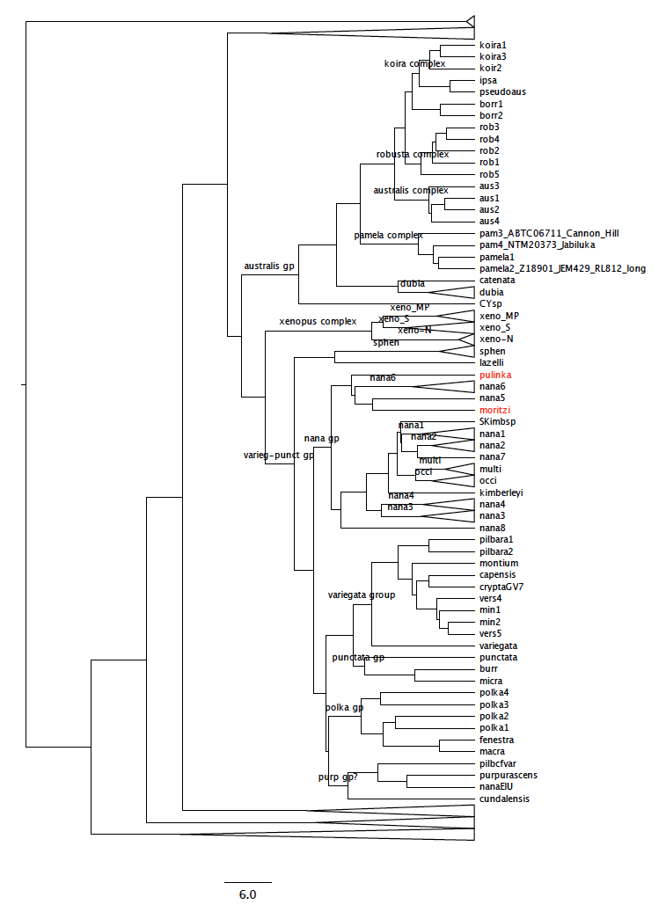
So I say:
ingroup 39/40
outgroup 2/25

total
41/65

