Sheet1
Frequencies

[DataSet1] C:\Users\pdewinst\OneDrive - Oberlin College\Documents\ALL docs and stuff\nick\Nick's bike.sav

Frequency of Road Conditions (% of Total Populationj)
Statistics
Road_conditions
N | Valid | 827742
 | Missing | 0

Road_conditions
 |  | Frequency | Percent | Valid Percent | Cumulative Percent |  | Road Condition | Frequency | Percent | Valid Percent | Cumulative Percent
Valid | Dry | 633834 | 0.77 | 76.6 | 76.6 |  | Dry | 633834 | 76.57% | 76.573859971 | 76.573859971
 | Flood | 268 | 0.00 | 0.0 | 76.6 |  | Wet | 184266 | 22.26% | 22.261284313 | 100
 | Frost | 6018 | 0.01 | 0.7 | 77.3 |  | Flood | 268 | 0.03% | 0.032377238318 | 76.606237209
 | Missing Data | 1646 | 0.00 | 0.2 | 77.5 |  | Frost | 6018 | 0.73% | 0.72703813507 | 77.333275344
 | Snow | 1710 | 0.00 | 0.2 | 77.7 |  | Snow | 1710 | 0.21% | 0.20658611016 | 77.738715687
 | Wet | 184266 | 0.22 | 22.3 | 100.0 |  | Missing Data | 1646 | 0.20% | 0.19885423236 | 77.532129577
 | Total | 827742 | 100.0 | 100.0

Frequencies

Notes
Output Created |  | 24-MAR-2023 10:07:13
Comments
Input | Data | C:\Users\pdewinst\OneDrive - Oberlin College\Documents\ALL docs and stuff\nick\Nick's bike.sav
 | Active Dataset | DataSet1
 | Filter | <none>
 | Weight | <none>
 | Split File | <none>
Frequency of LIght Conditions (% of Total Population)
 | N of Rows in Working Data File | 827742
Missing Value Handling | Definition of Missing | User-defined missing values are treated as missing.
 | Cases Used | Statistics are based on all cases with valid data.
Syntax |  | FREQUENCIES VARIABLES=Light_conditions /ORDER=ANALYSIS.
Resources | Processor Time | 00:00:01.19
 | Elapsed Time | 00:00:01.20

Statistics
Light_conditions
N | Valid | 827742
 | Missing | 0

Light_conditions
 |  | Frequency | Percent | Valid Percent | Cumulative Percent |  | Light Condition | Frequency | Percent | Valid Percent | Cumulative Percent
Valid |  | 1 | 0.0 | 0.0 | 0.0 |  | Daylight | 660554 | 79.8% | 79.8 | 100.0
 | Darkness lights lit | 142025 | 17.2 | 17.2 | 17.2 |  | Darkness lights lit | 142025 | 17.2% | 17.2 | 17.2
 | Darkness no lights | 25162 | 3.0 | 3.0 | 20.2 |  | Darkness no lights | 25162 | 3.0% | 3.0 | 20.2
 | Daylight | 660554 | 79.8 | 79.8 | 100.0 |  | Total | 827742 | 100% | 100.0
 | Total | 827742 | 100.0 | 100.0

Regression

Notes
Output Created |  | 24-MAR-2023 10:09:48
Comments
Input | Data | C:\Users\pdewinst\OneDrive - Oberlin College\Documents\ALL docs and stuff\nick\Nick's bike.sav
 | Active Dataset | DataSet1
 | Filter | <none>
 | Weight | <none>
 | Split File | <none>
 | N of Rows in Working Data File | 827742
Missing Value Handling | Definition of Missing | User-defined missing values are treated as missing.
 | Cases Used | Statistics are based on cases with no missing values for any variable used.
Syntax |  | REGRESSION /MISSING LISTWISE /STATISTICS COEFF OUTS R ANOVA /CRITERIA=PIN(.05) POUT(.10) /NOORIGIN /DEPENDENT Severity2 /METHOD=ENTER Speed_limit.
Resources | Processor Time | 00:00:01.25
 | Elapsed Time | 00:00:01.19
 | Memory Required | 4960 bytes
 | Additional Memory Required for Residual Plots | 0 bytes

Variables Entered/Removeda
Model | Variables Entered | Variables Removed | Method
1 | Speed_limitb |  | Enter
a. Dependent Variable: Severity2
b. All requested variables entered.

Model Summary
Model | R | R Square | Adjusted R Square | Std. Error of the Estimate
1 | .153a | 0.023 | 0.023 | 0.40377
a. Predictors: (Constant), Speed_limit

ANOVAa
Model |  | Sum of Squares | df | Mean Square | F | Sig.
1 | Regression | 3247.055 | 1 | 3247.055 | 19917.133 | .000b
 | Residual | 134944.999 | 827740 | 0.163
 | Total | 138192.055 | 827741
a. Dependent Variable: Severity2
b. Predictors: (Constant), Speed_limit

Coefficientsa
Model |  | Unstandardized Coefficients |  | Standardized Coefficients | t | Sig.
 |  | B | Std. Error | Beta
1 | (Constant) | 0.959 | 0.002 |  | 577.344 | 0.000
 | Speed_limit | 0.007 | 0.000 | 0.153 | 141.128 | 0.000
a. Dependent Variable: Severity2

Crosstabs

Notes
Output Created |  | 24-MAR-2023 10:10:23
Comments
Input | Data | C:\Users\pdewinst\OneDrive - Oberlin College\Documents\ALL docs and stuff\nick\Nick's bike.sav
 | Active Dataset | DataSet1
 | Filter | <none>
 | Weight | <none>
 | Split File | <none>
 | N of Rows in Working Data File | 827742
Missing Value Handling | Definition of Missing | User-defined missing values are treated as missing.
 | Cases Used | Statistics for each table are based on all the cases with valid data in the specified range(s) for all variables in each table.
Syntax |  | CROSSTABS /TABLES=TimeDeca BY Severity2 /FORMAT=AVALUE TABLES /CELLS=COUNT /COUNT ROUND CELL.
Resources | Processor Time | 00:00:01.26
 | Elapsed Time | 00:00:01.15
 | Dimensions Requested | 2
 | Cells Available | 524245

Case Processing Summary
 | Cases
 | Valid |  | Missing |  | Total
 | N | Percent | N | Percent | N | Percent
Time in 10 intervals * Severity2 | 827742 | 100.0% | 0 | 0.0% | 827742 | 100.0%

Chi-square of Severity by Time (Deciles) Oberved/Expected

Time in 10 intervals * Severity2 Crosstabulation
 |  |  | Severity2 |  |  | Total
 |  |  | Slight | Severe | Fatal |  |  | Time Decile | Slight | Severe | Fatal
Time in 10 intervals | 01 to 8:00am | Count | 72650 | 15548 | 963 | 89161 |  | 01 to 8:00am | 99% | 103% | 133%
 |  | Expected Count | 73403.2 | 15032.8 | 724.9 | 89161.0 |  | 8:01 to 9:00am | 104% | 81% | 59%
 | 8:01 to 9:00am | Count | 60189 | 9633 | 338 | 70160 |  | 9:01 to 11:30am | 100% | 98% | 109%
 |  | Expected Count | 57760.4 | 11829.2 | 570.4 | 70160.0 |  | 11:31am to 1:30pm | 100% | 98% | 98%
 | 9:01 to 11:30am | Count | 74796 | 14977 | 801 | 90574 |  | 1:31 to 3:20 pm | 100% | 101% | 103%
 |  | Expected Count | 74566.5 | 15271.1 | 736.4 | 90574.0 |  | 3:21 to 4:30 pm | 100% | 98% | 90%
 | 11:31am to 1:30pm | Count | 66289 | 13308 | 641 | 80238 |  | 4:31 to 4:20 pm | 100% | 99% | 83%
 |  | Expected Count | 66057.2 | 13528.4 | 652.4 | 80238.0 |  | 5:21 to 6:20 pm | 100% | 99% | 77%
 | 1:31 to 3:20 pm | Count | 67846 | 14065 | 693 | 82604 |  | 6:21 to 7:45 pm | 99% | 104% | 90%
 |  | Expected Count | 68005.1 | 13927.3 | 671.6 | 82604.0 |  | 7:46 to midnight | 97% | 115% | 149%
 | 3:21 to 4:30 pm | Count | 66222 | 13281 | 585 | 80088
 |  | Expected Count | 65933.7 | 13503.1 | 651.2 | 80088.0
 | 4:31 to 4:20 pm | Count | 73042 | 14769 | 599 | 88410
 |  | Expected Count | 72785.0 | 14906.2 | 718.8 | 88410.0
 | 5:21 to 6:20 pm | Count | 65289 | 13190 | 494 | 78973
 |  | Expected Count | 65015.8 | 13315.1 | 642.1 | 78973.0
 | 6:21 to 7:45 pm | Count | 69850 | 14908 | 623 | 85381
 |  | Expected Count | 70291.3 | 14395.5 | 694.2 | 85381.0
 | 7:46 to midnight | Count | 65279 | 15881 | 993 | 82153
 |  | Expected Count | 67633.8 | 13851.3 | 667.9 | 82153.0
Total |  | Count | 681452 | 139560 | 6730 | 827742
 |  | Expected Count | 681452.0 | 139560.0 | 6730.0 | 827742.0

Chi of Severity v. t
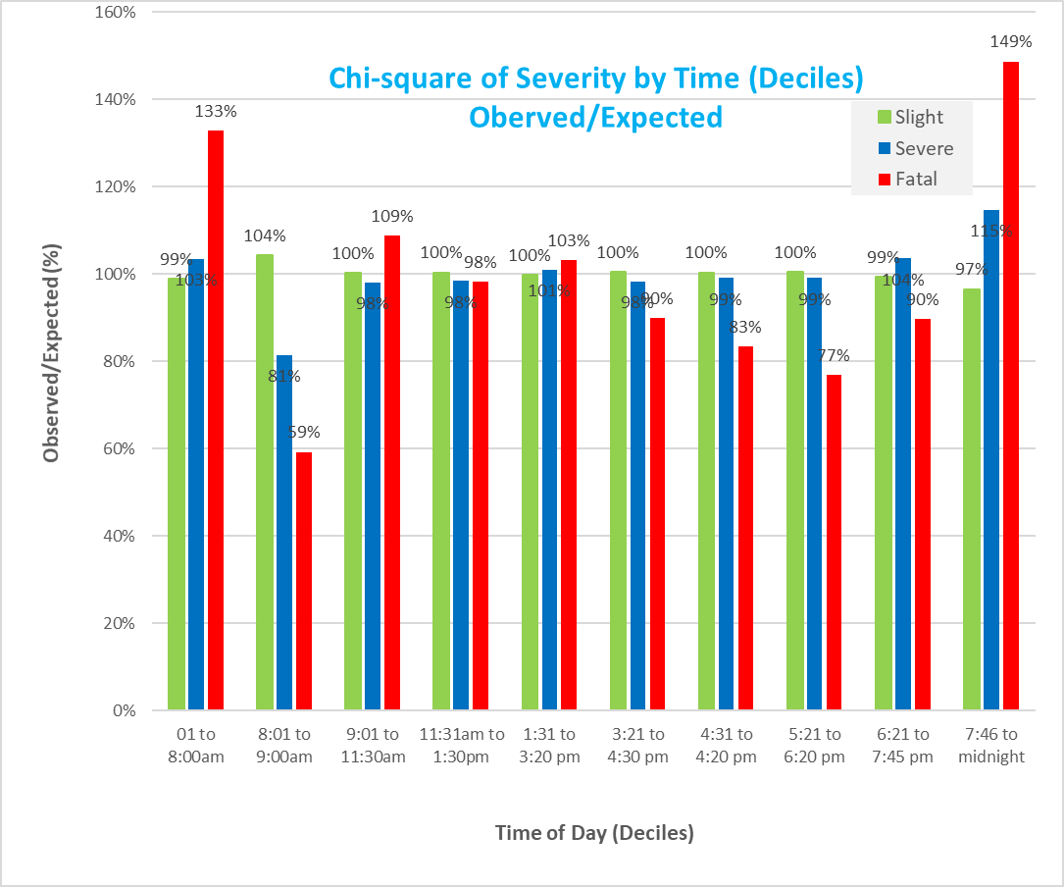

age mean
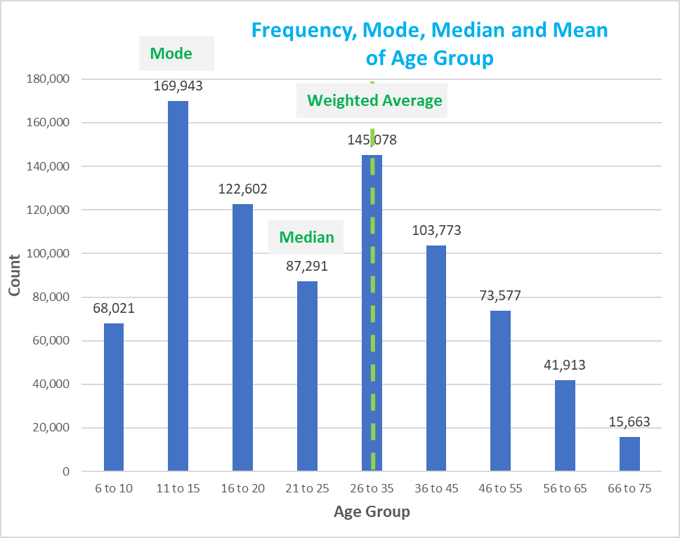

Freq of Road Conditoins
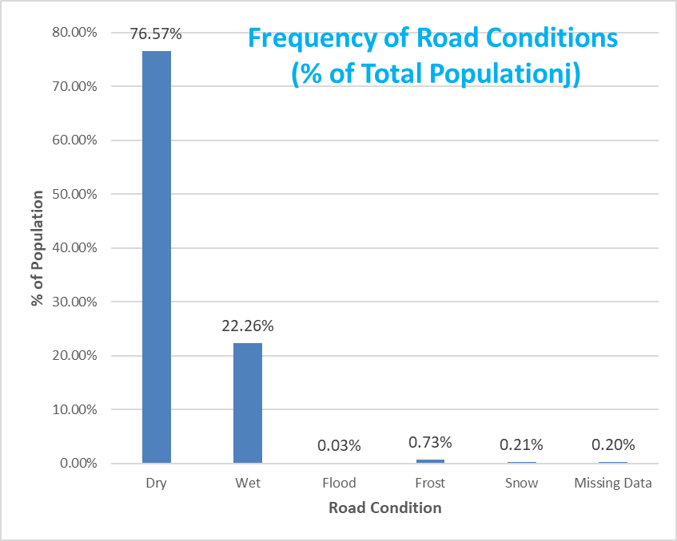

Freq of Light
