finance
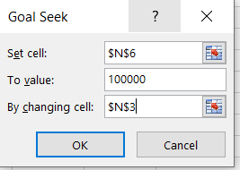
taux | 2% | taux | 0.03 | taux | 6% | taux | 6%
npmt | 12 | nmpt | 5 | npmt | 10 | npmt | 10
pmt | -100 | fv | 10000 | pmt | -6000 | pmt | $(7,586.80)
pv | 0 | pv | 0 | pv | 0 | pv | 0

FV | $1,341.21 | pmt | ($1,883.55) | FV | $79,084.77 | FV | $100,000.00

table_donnees
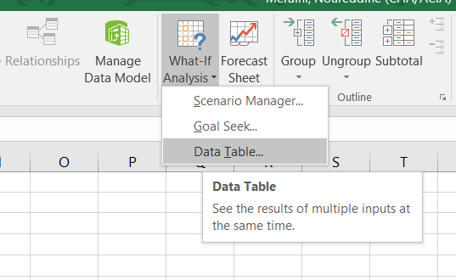
investissement | $(50,000)
taux | 6%
CF_1 | $20,000
CF_2 | $10,000 |  |  | 3% | 4.00% | 5.00% | 6.00% | 7.00% | 8.00%
CF_3 | $40,000 |  | $11,352.66 | $15,449.10 | $14,036.19 | $12,671.42 | $11,352.66 | $10,077.89 | $8,845.20

NPV | $11,352.66

 |  | $11,352.66 | $11,352.66 | 3% | 4.00% | 5.00% | 6.00% | 7.00% | 8.00%
 | $(50,000) | $11,352.66 | $(50,000) | $15,449.10 | $14,036.19 | $12,671.42 | $11,352.66 | $10,077.89 | $8,845.20
 | $(45,000) | $16,352.66 | $(45,000) | $20,449.10 | $19,036.19 | $17,671.42 | $16,352.66 | $15,077.89 | $13,845.20
 | $(40,000) | $21,352.66 | $(40,000) | $25,449.10 | $24,036.19 | $22,671.42 | $21,352.66 | $20,077.89 | $18,845.20
 | $(35,000) | $26,352.66 | $(35,000) | $30,449.10 | $29,036.19 | $27,671.42 | $26,352.66 | $25,077.89 | $23,845.20
 | $(30,000) | $31,352.66 | $(30,000) | $35,449.10 | $34,036.19 | $32,671.42 | $31,352.66 | $30,077.89 | $28,845.20
 | $(25,000) | $36,352.66 | $(25,000) | $40,449.10 | $39,036.19 | $37,671.42 | $36,352.66 | $35,077.89 | $33,845.20
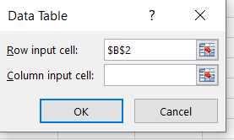
 | $(20,000) | $41,352.66 | $(20,000) | $45,449.10 | $44,036.19 | $42,671.42 | $41,352.66 | $40,077.89 | $38,845.20

