Project
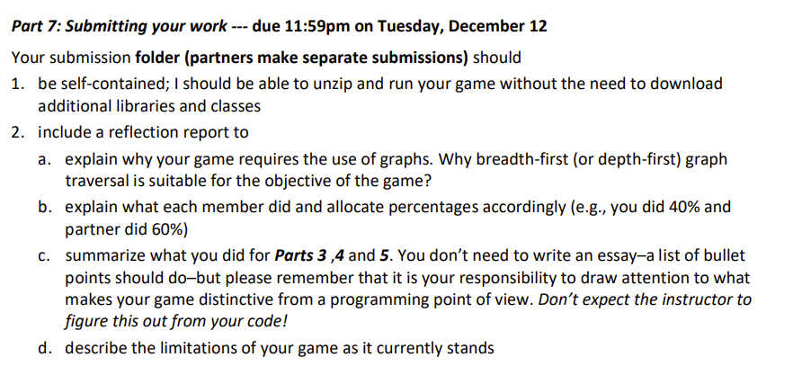
120 | 10 | 10 | 10 | 90
 | GraphsExercise 1 | GraphsExercise 2 | Proposal | Project demo and report
 |  |  |  | Itemized below:
 |  |  |  | List properties at current location
 |  |  |  | List connections from current location
 |  |  |  | Move to a new location
 |  |  |  | Search (using BFS or DFS)
 |  |  |  | Save game to start later
 |  |  |  | Additional features (see Part 5: Make the game more realistic in writeup)
 |  |  |  | (missing report may result in a 50% penalty)

