Setup
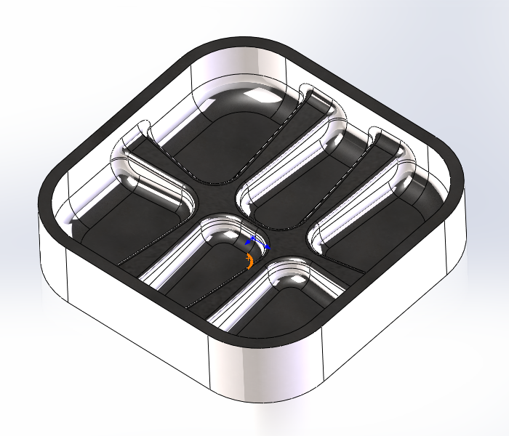

X0 Y0: | $program.xylocation |  |  | FOLDER: | $program.name | PART NUMBER: | $program.comment
X OFFSET: | $program.xLocationDim | Y OFFSET: | $program.yLocationDim | NOTES: | $program.notes
Z0: | $program.zlocation
COMP USED: | $program.comp

