説明書
メッセージ定義データ使用方法
 | ・使用方法 |  |  |  |  | ・注意
MESSAGEシート内のテーブルにそれぞれ対応するパラメータを入力
↓
全ファイル出力ボタンを押してdefファイルに出力
↓
ビルドしてエラーが出なければ成功
STR_IDを二つ利用したいケースが発生した場合は
管理者までご連絡ください。

 | ・ボタン説明

 | ファイル出力
テーブル内に入力した情報をもとに
・WindowID.def
・Windowinfo.def
・WindowNextInfo.def
を出力。

 | ・パラメータテーブル説明（MESSAGE）
 | Window Info |  |  |  | Title Info |  |  | Message
 | WindowID | Category | Design | Coler | Type | ID | String | ID | String
 | WindowsIDを入力する。 | メッセージの カテゴリーを入力する。 入力できるものは CATEGORYシートを参照。 | メッセージデザインを 指定する。 Telop(通常メッセージ) Dialog(ダイアログ用) | メッセージの背景色 を指定する。 Right（薄いグレー） Middle（中間のグレー） Dark(濃いグレー) デフォルトはRight, DesignがDialogの時のみ デフォルトはDark | タイトルの表示形式を 指定する。 Normal（通常表示） Battery（バッテリー付き表示） Menu（Menuのタイトル表示） デフォルトでNormal | タイトル文字列のID を入力する。 | タイトルに表示させる 文字列を入力する。 | メッセージ文字列の IDを入力する。 | 表示させる文字列を 入力する。

 | SET |  |  |  | RET
 | Valid | FuncID | WindowID | OpenType | Valid | FuncID | WindowID | OpenType
 | SETボタンの有無。 true/falseで選択、 デフォルトはfalse | ボタンを押下した時の FunkIDを指定。 デフォルトでFuncID_MAXが入る。 ※SETのValedがtrueの時のみ有効 | 押下時の遷移方法を選択。 遷移させないときはWindowID_MAXを入力。 デフォルトでWindowIDと同じものが入る。 ※SETのValedがtrueの 時のみ有効 | 押下時の遷移方法を 選択。 ※SETのValedがtrueの 時のみ有効 | RETボタンの有無。 true/falseで選択、 デフォルトはfalse | ボタンを押下した時の FunkID デフォルトでFuncID_MAXが入る。 ※RETのValidがtrueの時のみ有効 | 押下時の遷移先を選択。 遷移させないときはWindowID_MAXを入力。 デフォルトでWindowIDと同じものが入る。 ※RETのValidがtrueの時のみ有効 | 押下時の遷移方法を 選択。 ※RETのValidがtrueの 時のみ有効

 | Other
 | Indication Time | Touch Erasable | Current Operation
 | メッセージの表示時間 を設定。 自動で閉じない場合は0 デフォルトで0 （自動で閉じない） | 画面タッチで画面を closeさせるかどうか true/falseで選択、 デフォルトはfalse | カレント以外の操作で closeさせるかどうか true/falseで選択、 デフォルトはfalse

 | ・Designサンプル画像

使用不可

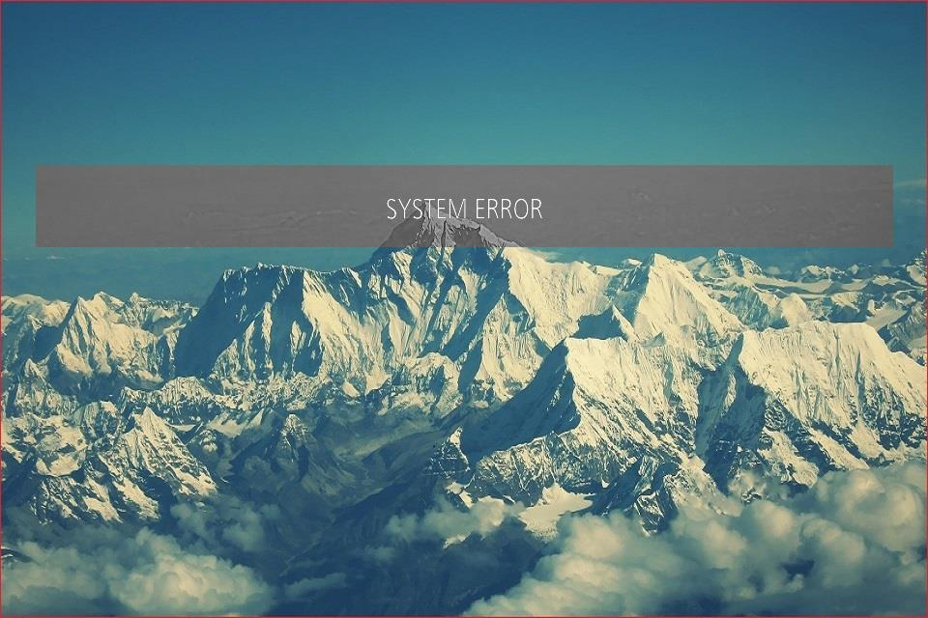
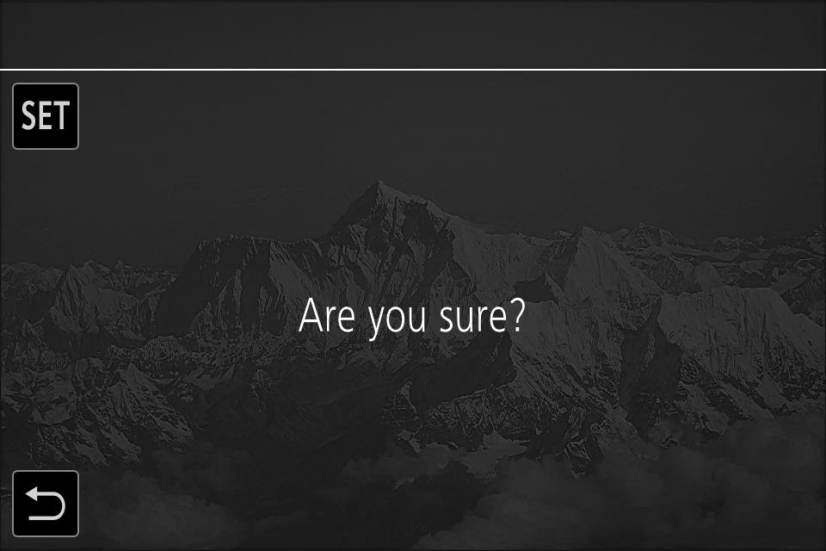

Telop
通常メッセージ
TelopAWB
AWB NG情報用
TelopABB
ABB NG情報用
Dialog
ダイアログメッセージ用
 |  |  |  |  |  |  | Coler

 | ・Colerサンプル画像

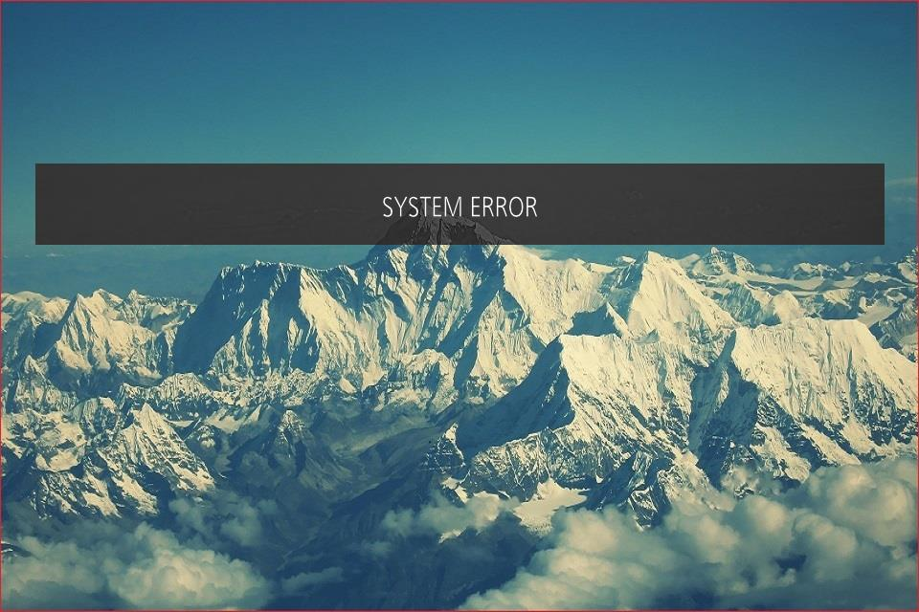
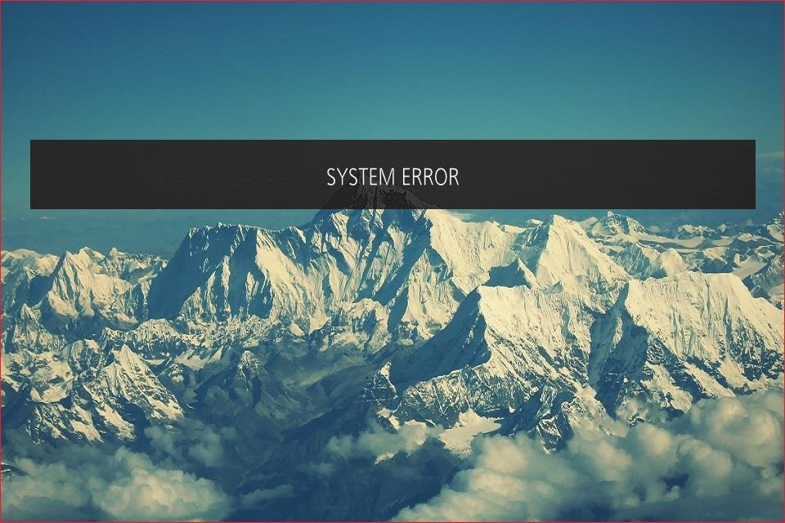

Right
薄いグレー
Middle
中間のグレー
Dark
濃いグレー

