Sheet1
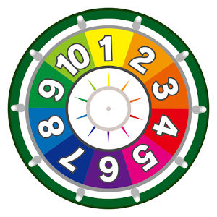
1 | 1 | 1 | 1 | 1 | 1 | 1 | 1 | 1 | 1 | 1

