Sheet1
ID | Primary Topic | Secondary Topics | Question | Answer | Source | Comments
1 | Inventory | - | My test counts have identified differences between the physical number of items in stock and the number recorded in the accounts. Does this mean that I can't place any reliance on the stock count as a control? | No. If operating effectively, the client's stock count will detect and correct any errors in the stock balance recorded in the financial statements. Therefore a deviation is only identified in the control where KPMG's count differs from the client's final count and therefore an error has gone unnoticed. | FAQs | This question and answer are word-for-word from the source material.
2 | Inventory | - | Do I need to attend an entity's inventory count? | If inventory is material to the financial statements, the auditor shall obtain sufficient appropriate audit evidence regarding the existence and condition of inventory by: (a) Attendance at physical inventory counting, unless impracticable… | ISA 501.4 | The answer to this question is directly found in the ISA.
3 | Inventory | - | How do I audit inventory if it is held by a third-party? | If inventory under the custody and control of a third party is material to the financial statements, the auditor shall obtain sufficient appropriate audit evidence regarding the existence and condition of that inventory by performing one or both of the following: (a) Request confirmation from the third party as to the quantities and condition of inventory held on behalf of the entity. (b) Perform inspection or other audit procedures appropriate in the circumstances. | ISA 501.8 | The answer to this question is directly found in the ISA.
4 | Materiality | - | What do you need to document for materiality? | The auditor shall include in the audit documentation the following amounts and the factors considered in their determination: (a) Materiality for the financial statements as a whole (see paragraph 10); (b) If applicable, the materiality level or levels for particular classes of transactions, account balances or disclosures (see paragraph 10); (c) Performance materiality (see paragraph 11); and (d) Any revision of (a)-(c) as the audit progressed (see paragraphs 12-13). | ISA 320.14 | The answer to this question is directly found in the ISA.
5 | Inventory | - | When is it impracticable to attend an inventory count? | Impracticable is not specifically defined but may be due to factors such as the nature and location of the inventory. For example, the inventory is located in a war zone and there is a threat to safety in visiting the inventory location. We expect these situations to be rare and the matter of general inconvenience is not sufficient to conclude that attendance is impracticable. When we do not attend management's inventory count, we document why it is impracticable to do so and perform procedures in accordance with 'Perform alternative procedures if attendance is impracticable'. | KAEG ISA | 7746.6862 | The answer to this question is found in KAEG, but under the heading "What does 'impracticable' mean?" | 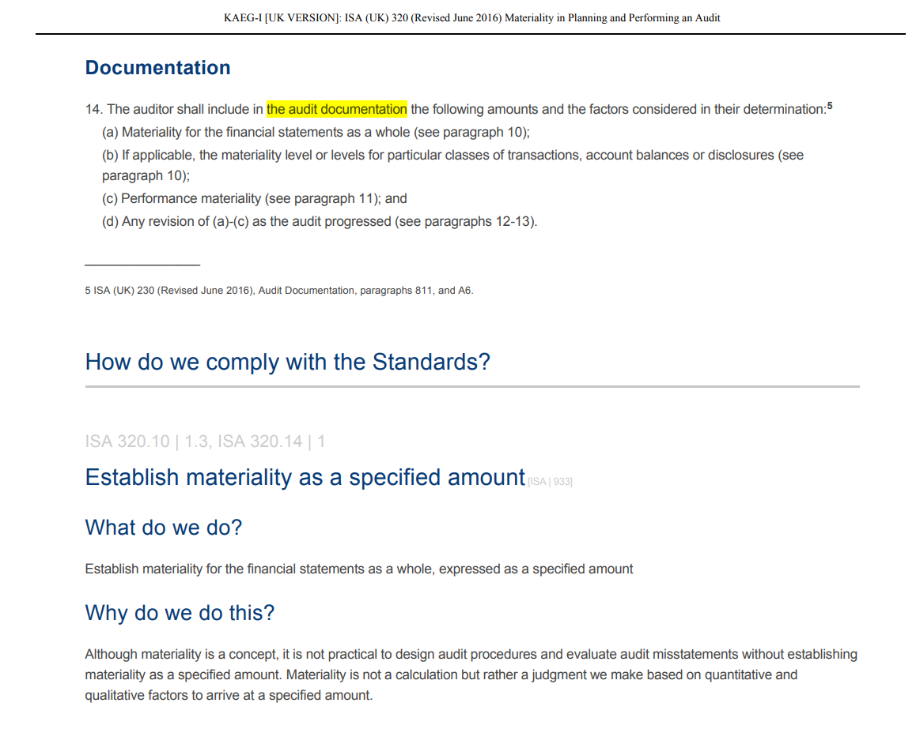
6 | Inventory | - | Do we need to perform procedures to determine whether the entity's final inventory records accurately reflect the actual inventory count results? If so, what procedures do we perform? | Yes, we are required to perform such procedures. ISA 501.4 notes: If inventory is material to the financial statements, the auditor shall obtain sufficient appropriate audit evidence regarding the existence and condition of inventory by: ... (b) Performing audit procedures over the entity’s final inventory records to determine whether they accurately reflect actual inventory count results. In terms of the procedures we perform, KAEG notes: We obtain copies of management's completed physical inventory count records to perform subsequent procedures and, when the post-count adjusted sub-ledger is available, we: •trace quantities between count records and the post-count adjusted sub-ledger to determine whether management has appropriately recorded the quantities on-hand; •for a perpetual system, obtain evidence regarding whether differences between the count records and the system were appropriately investigated; For example, supplier owned consignment inventory was not identified appropriately and has been inappropriately counted and recorded in the records, creating an error. •evaluate whether the level of adjustments is appropriate; •if there is a difference between the count results and management's post-count adjusted sub-ledger, investigate the reason for such difference. | ISA 501.4; KAEG ISA | 7754.6957 | This is a two-part question, which references two different sources of information. The answer also includes a conclusion (in this case Yes) and indicates where the conclusion was sourced. | 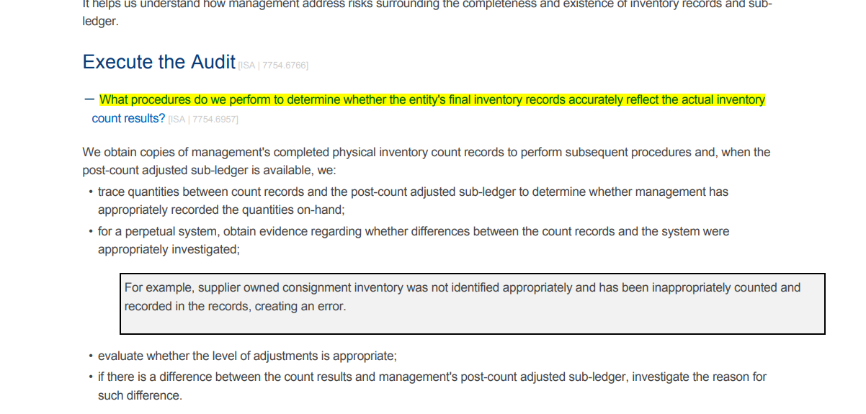
7 | Materiality | - | When in the audit do I determine materiality? | The concept of materiality is applied by the auditor both in planning and performing the audit, and in evaluating the effect of identified misstatements on the audit and of uncorrected misstatements, if any, on the financial statements and in forming the opinion in the auditor’s report. [ISA 320.5] When establishing the overall audit strategy, the auditor shall determine materiality for the financial statements as a whole. [ISA 320.10] The auditor shall revise materiality for the financial statements as a whole (and, if applicable, the materiality level or levels for particular classes of transactions, account balances or disclosures) in the event of becoming aware of information during the audit that would have caused the auditor to have determined a different amount (or amounts) initially. [ISA 320.12] | ISA 320.5 | Parts of the answer to this question could be sourced from multiple places in the ISA. The key to answering this question is not that it is done at planning only, but that it is considered and/or revised when evaluating misstatements too. The answer I've provided here merely quotes the various sections of the ISA, although as a human I'd be pushing the ideas in these three paragraphs into a single written paragraph conclusion. | 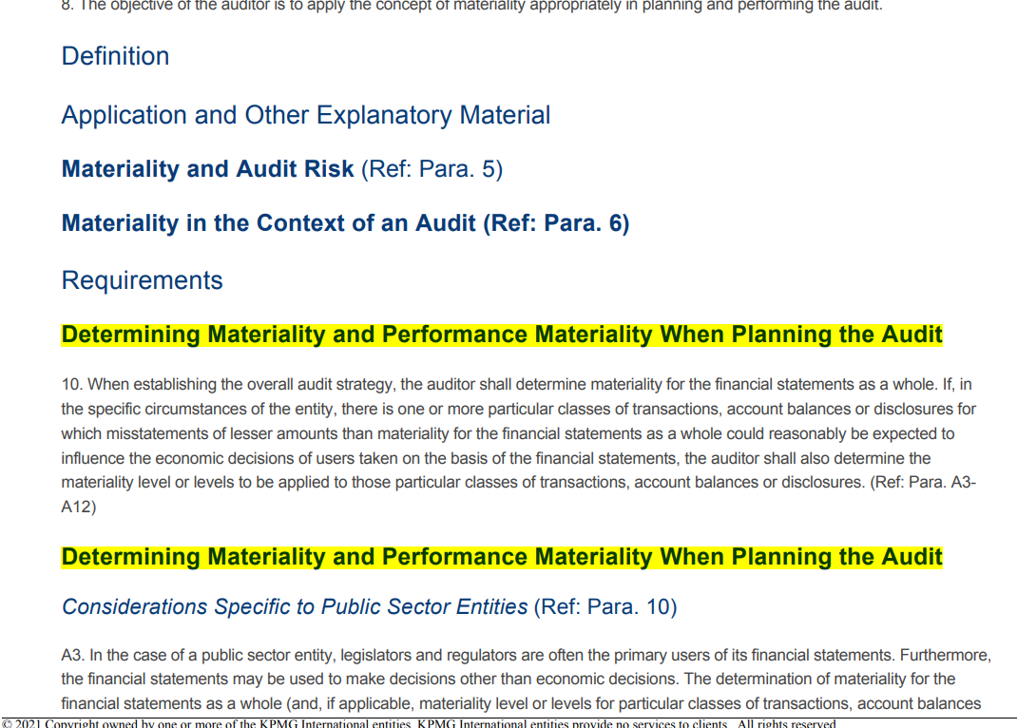
8 | Materiality | - | What factors affect the amount of aggregation risk used when setting performance materiality? | Performance materiality "...is affected by the auditor’s understanding of the entity, updated during the performance of the risk assessment procedures; and the nature and extent of misstatements identified in previous audits and thereby the auditor’s expectations in relation to misstatements in the current period." [from ISA 320.A13] The following factors are listing in the KAEG which may impact aggregation risk: - Deficiencies in CERAMIC controls - Number and severity of deficiencies in control activities, including pervasiveness of internal control deficiencies - History of misstatements (the nature, cause (if known) and amount) that were accumulated in audits of the financial statements of prior periods (both corrected and uncorrected) - Level of turnover of senior management or key financial reporting personnel - Management's preparedness/willingness to correct misstatements - Proportion of accounts not identified as significant accounts | ISA 320.A13; KAEG ISA | 941.1400 | The answer to this question can in part be found in the ISA, however there are expanded explanations noted in the KAEG which provide more guidance. In addition, the factors listed in the KAEG exist in a table, and I have pulled them out into bullet form.
9 | Documentation | - | What is the purpose of audit documentation? | Audit documentation that meets the requirements of this ISA (UK) and the specific documentation requirements of other relevant ISAs (UK) provides: (a) Evidence of the auditor’s basis for a conclusion about the achievement of the overall objectives of the auditor;1 and (b) Evidence that the audit was planned and performed in accordance with ISAs Audit documentation serves a number of additional purposes, including the following: • Assisting the engagement team to plan and perform the audit. • Assisting members of the engagement team responsible for supervision to direct and supervise the audit work, and to discharge their review responsibilities in accordance with ISA (UK) 220 (Revised June 2016).2 • Enabling the engagement team to be accountable for its work. • Retaining a record of matters of continuing significance to future audits. • Enabling the conduct of quality control reviews and inspections in accordance with ISQC (UK) 1 (Revised June 2016)3 or national requirements that are at least as demanding.4 • Enabling the conduct of external inspections in accordance with applicable legal, regulatory or other requirements. (UK) and applicable legal and regulatory requirements. | ISA 230.2-3 | The answer is found directly in the ISA, under a heading entitled "Nature and purposes of Audit Documentation". The complexity here is in recognising that the question on purpose sits under this heading. The answer includes content from two different paragraphs of the ISA.
10 | Documentation |  | Can I avoid doing a requirement of the ISA? | If, in exceptional circumstances, the auditor judges it necessary to depart from a relevant requirement in an ISA (UK), the auditor shall document how the alternative audit procedures performed achieve the aim of that requirement, and the reasons for the departure. | ISA 230.12 KAEG ISA | 1639.10705 | The answer is found in the ISA or in KAEG, with the same text used in both locations.
11 | Documentation |  | What is the file assembly date deadline? | In the UK, this is within two business days from the date of the auditor's report or review report for all entities. For group reporting purposes, this is within two business days from the date of the group auditor's report or review report for all entities. | KAEG ISA | 1662.6638 | The answer comes form the KAEG, however understanding of the context is quite important as there is a generic requirement given of 7/14, or 30 days depending on the entity, however there is a UK-specific note added to this section starting with "in the UK..." indicating that it is actually 2 days in the UK rather than the standard global timelines given.

