calibration
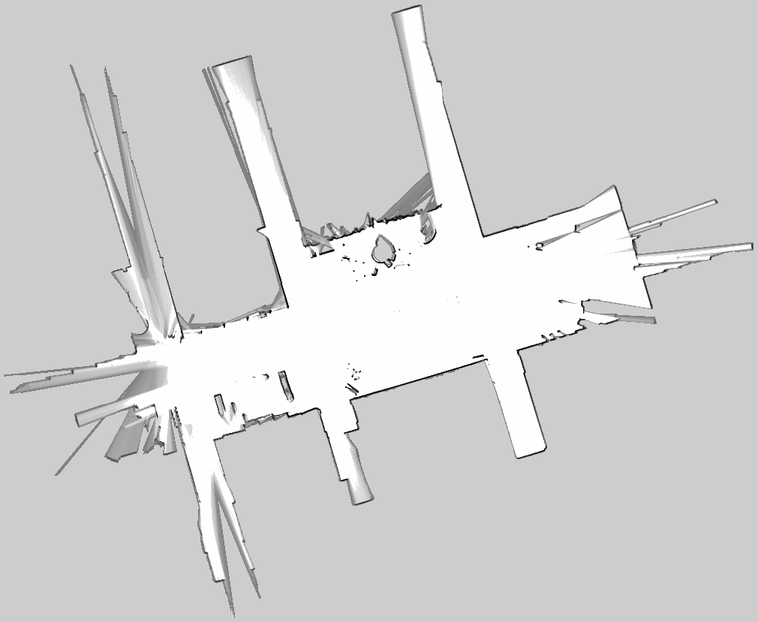
Roboの走行軌跡
 | Odometory |  | 2D-SLAM |  | 2.5D-SLAM(LRF-Rot)
0 | 0 | -0.0133691 | 0.00858055 | -0.00504778 | 0.00515641
0 | 0 | -0.0133691 | 0.00858055 | -0.00504778 | 0.00515641
0 | 0 | -0.0123048 | 0.0058976 | -0.00999752 | 0.00263512
0 | 0 | -0.00877593 | 0.00606521 | -0.0129833 | 0.00378492
0 | 0 | -0.0107784 | 0.00708696 | -0.00375609 | 0.018819
0 | 0 | -0.0144 | 0.0103934 | -0.000794063 | 0.0226148
0 | 0 | -0.0097719 | 0.00675235 | -0.016567 | 0.0212342
0.000706857 | -1.12805E-06 | -0.0218106 | 0.019768 | -0.0334491 | 0.0395857
0.0049478 | -4.14654E-05 | -0.00335347 | 0.0155148 | -0.0317569 | 0.0417004
0.00883488 | -0.000112404 | -0.0104357 | 0.0236615 | 0.00597934 | 0.0500162
0.0234933 | -0.000613123 | 0.0239413 | 0.0327164 | 0.0216974 | 0.0317723
0.0513342 | -0.00269777 | 0.0636989 | 0.0292802 | 0.0293568 | 0.0292125
0.0683749 | -0.00455285 | 0.0899664 | 0.0246651 | 0.0595904 | 0.0327026
0.110412 | -0.0101734 | 0.115681 | 0.0193958 | 0.138101 | 0.0229696
0.160781 | -0.0174615 | 0.195764 | -0.0166076 | 0.183009 | 0.00971198
0.185648 | -0.020826 | 0.210434 | -0.00958928 | 0.222674 | 0.00632482
0.237827 | -0.0264485 | 0.26692 | -0.0178387 | 0.278275 | 0.00376954
0.291112 | -0.029286 | 0.34401 | -0.0327116 | 0.306111 | 0.00390529
0.31868 | -0.0293615 | 0.344334 | -0.039529 | 0.352562 | 0.00941059
0.373538 | -0.0262568 | 0.356091 | -0.0556996 | 0.408458 | 0.0150911
0.42579 | -0.0185126 | 0.460093 | -0.0466773 | 0.435002 | 0.0214401
0.45253 | -0.0125773 | 0.474785 | -0.0515619 | 0.47367 | 0.0367065
0.504317 | 0.0029308 | 0.554996 | -0.036559 | 0.544268 | 0.0547256
0.555045 | 0.0235711 | 0.597099 | -0.0155798 | 0.576684 | 0.0848713
0.579275 | 0.0355668 | 0.628202 | -0.0153059 | 0.5792 | 0.0983966
0.626151 | 0.0631958 | 0.669805 | 0.00111923 | 0.675039 | 0.144007
0.649729 | 0.0794331 | 0.714693 | 0.0252091 | 0.680284 | 0.169721
0.694262 | 0.114269 | 0.778512 | 0.0776679 | 0.681263 | 0.19804
0.738529 | 0.15223 | 0.827503 | 0.119789 | 0.756329 | 0.236822
0.76061 | 0.171273 | 0.860092 | 0.160986 | 0.769503 | 0.266539
0.808501 | 0.210122 | 0.896881 | 0.223027 | 0.791525 | 0.29134
0.853093 | 0.241311 | 0.936892 | 0.245593 | 0.896686 | 0.323817
0.876637 | 0.255652 | 0.974536 | 0.280159 | 0.912401 | 0.35392
0.924623 | 0.280937 | 1.04085 | 0.308368 | 0.96892 | 0.371938
1.0266 | 0.318614 | 1.05743 | 0.309205 | 0.975972 | 0.356786
1.0266 | 0.318614 | 1.05743 | 0.309205 | 1.06079 | 0.416961
1.05315 | 0.32536 | 1.22142 | 0.375787 | 1.10754 | 0.410922
1.10669 | 0.336912 | 1.18788 | 0.360806 | 1.12305 | 0.387763
1.13344 | 0.341958 | 1.22936 | 0.348664 | 1.16956 | 0.411168
1.18692 | 0.351055 | 1.26259 | 0.358639 | 1.27365 | 0.429479
1.24055 | 0.359229 | 1.31453 | 0.367693 | 1.23032 | 0.420151
1.26748 | 0.363152 | 1.36828 | 0.381619 | 1.30257 | 0.419683
1.32384 | 0.370974 | 1.40646 | 0.383921 | 1.34107 | 0.420823
1.35117 | 0.374564 | 1.4252 | 0.380164 | 1.37038 | 0.410665
1.40641 | 0.381455 | 1.49247 | 0.392221 | 1.44925 | 0.4273
1.45961 | 0.387518 | 1.53301 | 0.398821 | 1.50505 | 0.451442
1.5146 | 0.393447 | 1.58638 | 0.406669 | 1.53375 | 0.445803
1.54202 | 0.396315 | 1.64323 | 0.418366 | 1.5362 | 0.433523
1.60287 | 0.402299 | 1.70319 | 0.412173 | 1.62952 | 0.439511
1.65849 | 0.407262 | 1.74483 | 0.417423 | 1.70303 | 0.459405
...

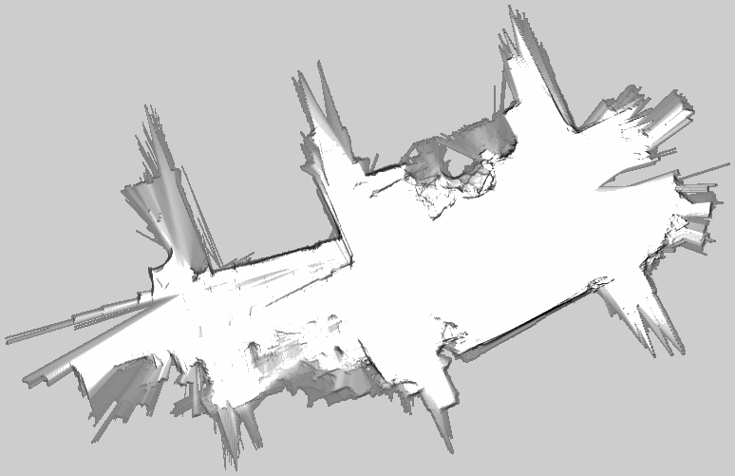

 | odom x | odom y |  |  |  |  | slam x | slam y
300 | 12.6889 | 2.24924 | -0.0268 | -0.00473 | 0.027214204012 |  | 13.1652 | 3.34724 | -0.037 | 0.01718 | 0.040794024072
301 | 12.7157 | 2.25397 | -0.0541 | -0.00908 | 0.054856689656 | 0.054856689656 | 13.2022 | 3.33006 | -0.0341 | -0.03934 | 0.052061940033 | 0.052061940033
302 | 12.7698 | 2.26305 | -0.0539 | -0.00847 | 0.054561441513 | 0.10941813117 | 13.2363 | 3.3694 | -0.0629 | -0.0086 | 0.063485195125 | 0.11554713516
303 | 12.8237 | 2.27152 | -0.0276 | -0.00414 | 0.027908772814 | 0.13732690398 | 13.2992 | 3.378 | -0.033 | -0.00714 | 0.033763583933 | 0.14931071909
304 | 12.8513 | 2.27566 | -0.0551 | -0.00793 | 0.055667718653 | 0.19299462264 | 13.3322 | 3.38514 | -0.0591 | -0.02547 | 0.064354727099 | 0.21366544619
305 | 12.9064 | 2.28359 | -0.0541 | -0.00753 | 0.054621524146 | 0.24761614678 | 13.3913 | 3.41061 | -0.0581 | 0.00402 | 0.058238907957 | 0.27190435415
306 | 12.9605 | 2.29112 | -0.0271 | -0.0037 | 0.027351416782 | 0.27496756356 | 13.4494 | 3.40659 | -0.0266 | -0.02178 | 0.034379185563 | 0.30628353971
307 | 12.9876 | 2.29482 | -0.0265 | -0.00352 | 0.02673275893 | 0.30170032249 | 13.476 | 3.42837 | -0.0067 | -0.00323 | 0.0074379365418 | 0.31372147625
308 | 13.0141 | 2.29834 | -0.1089 | -0.01318 | 0.10969467808 | 0.41139500058 | 13.4827 | 3.4316 | -0.0749 | -0.01323 | 0.076059469496 | 0.38978094575
309 | 13.123 | 2.31152 | 0 | 0 | 0 | 0.41139500058 | 13.5576 | 3.44483 | 0 | 0 | 0 | 0.38978094575
LoopCloserが入った為、不連続点が出て
誤差が極小化されている。
2.5D-SLAM
LRF+rot rable&3D→2D
cartographer
310 | 13.123 | 2.31152 | -0.0539 | -0.00604 | 0.054237363505 | 0.46563236408 | 13.5576 | 3.44483 | -0.139 | -0.03065 | 0.14233911093 | 0.53212005668
311 | 13.1769 | 2.31756 | -0.0529 | -0.0059 | 0.05322800015 | 0.51886036423 | 13.6966 | 3.47548 | -0.0124 | -0.012 | 0.017255723688 | 0.54937578036
312 | 13.2298 | 2.32346 | -0.0258 | -0.00294 | 0.025966971329 | 0.54482733556 | 13.709 | 3.48748 | -0.0345 | 0.00586 | 0.034994136652 | 0.58436991702
313 | 13.2556 | 2.3264 | -0.052 | -0.00596 | 0.052340439433 | 0.597167775 | 13.7435 | 3.48162 | -0.0522 | -0.01878 | 0.055475475663 | 0.63984539268
2D-SLAM
LRF
cartographer
314 | 13.3076 | 2.33236 | -0.0528 | -0.00588 | 0.053126400217 | 0.65029417521 | 13.7957 | 3.5004 | -0.0517 | -0.01713 | 0.054463996365 | 0.69430938904
315 | 13.3604 | 2.33824 | -0.026 | -0.0029 | 0.026161230858 | 0.67645540607 | 13.8474 | 3.51753 | -0.0247 | -0.00963 | 0.026510882671 | 0.72082027171
316 | 13.3864 | 2.34114 | -0.0532 | -0.00613 | 0.05355200183 | 0.7300074079 | 13.8721 | 3.52716 | -0.0523 | -0.01186 | 0.053627880808 | 0.77444815252
317 | 13.4396 | 2.34727 | -0.0265 | -0.0031 | 0.026680704638 | 0.75668811254 | 13.9244 | 3.53902 | -0.042 | -0.01812 | 0.045742041931 | 0.82019019445
318 | 13.4661 | 2.35037 | -0.0569 | -0.00661 | 0.057282650951 | 0.81397076349 | 13.9664 | 3.55714 | -0.0405 | 0.00341 | 0.040643303261 | 0.86083349772
並進成分
回転方向成分
 | yaw_slam
...
319 | 13.523 | 2.35698 | -0.0532 | -0.0061 | 0.053548576078 | 0.86751933957 | 14.0069 | 3.55373 | -0.0623 | -0.02558 | 0.067347059327 | 0.92818055704
320 | 13.5762 | 2.36308 | -0.0265 | -0.00304 | 0.026673799879 | 0.89419313945 | 14.0692 | 3.57931 | -0.0284 | -0.00811 | 0.029535268748 | 0.95771582579
321 | 13.6027 | 2.36612 | -0.0539 | -0.00616 | 0.054250858058 | 0.9484439975 | 14.0976 | 3.58742 | -0.078 | -0.01731 | 0.079897660166 | 1.037613486
322 | 13.6566 | 2.37228 | -0.0529 | -0.00609 | 0.053249395302 | 1.0016933928 | 14.1756 | 3.60473 | -0.0206 | 0.01062 | 0.023176375903 | 1.0607898619
323 | 13.7095 | 2.37837 | -0.0267 | -0.00295 | 0.026862473825 | 1.0285558666 | 14.1962 | 3.59411 | -0.0313 | -0.0246 | 0.039810174579 | 1.1006000364
324 | 13.7362 | 2.38132 | -0.0521 | -0.00549 | 0.052388453881 | 1.0809443205 | 14.2275 | 3.61871 | -0.063 | -0.01844 | 0.065643229659 | 1.1662432661
325 | 13.7883 | 2.38681 | -0.0531 | -0.00553 | 0.053387179173 | 1.1343314997 | 14.2905 | 3.63715 | -0.0629 | -0.02115 | 0.06636062462 | 1.2326038907
326 | 13.8414 | 2.39234 | -0.0267 | -0.0028 | 0.026846415031 | 1.1611779147 | 14.3534 | 3.6583 | -0.0217 | 0.00505 | 0.022279867594 | 1.2548837583
327 | 13.8681 | 2.39514 | -0.0538 | -0.00557 | 0.054087566963 | 1.2152654817 | 14.3751 | 3.65325 | -0.0556 | -0.02046 | 0.059245013292 | 1.3141287716
328 | 13.9219 | 2.40071 | -0.0524 | -0.00539 | 0.052676485266 | 1.2679419669 | 14.4307 | 3.67371 | -0.0461 | -0.01666 | 0.049018013016 | 1.3631467846
329 | 13.9743 | 2.4061 | -0.0264 | -0.00266 | 0.026533669177 | 1.2944756361 | 14.4768 | 3.69037 | -0.0387 | 0.00776 | 0.03947033823 | 1.4026171228
330 | 14.0007 | 2.40876 | -0.0519 | -0.00518 | 0.052157860386 | 1.3466334965 | 14.5155 | 3.68261 | -0.0597 | -0.02108 | 0.063312371619 | 1.4659294945
331 | 14.0526 | 2.41394 | -0.0525 | -0.00524 | 0.052760852912 | 1.3993943494 | 14.5752 | 3.70369 | -0.0388 | -0.01341 | 0.041052017003 | 1.5069815115
332 | 14.1051 | 2.41918 | -0.0262 | -0.00264 | 0.026332671722 | 1.4257270211 | 14.614 | 3.7171 | -0.0454 | -0.00001 | 0.045400001101 | 1.5523815126
333 | 14.1313 | 2.42182 | -0.0535 | -0.0053 | 0.053761882408 | 1.4794889035 | 14.6594 | 3.71711 | -0.0384 | -0.02142 | 0.043970176256 | 1.5963516888
334 | 14.1848 | 2.42712 | -0.0517 | -0.00508 | 0.051948978816 | 1.5314378824 | 14.6978 | 3.73853 | -0.0363 | -0.01043 | 0.037768702652 | 1.6341203915
335 | 14.2365 | 2.4322 | -0.0262 | -0.00256 | 0.026324771604 | 1.557762654 | 14.7341 | 3.74896 | -0.0434 | 0.00934 | 0.044393643689 | 1.6785140352
336 | 14.2627 | 2.43476 | -0.0524 | -0.00497 | 0.052635167901 | 1.6103978219 | 14.7775 | 3.73962 | -0.052 | -0.01688 | 0.054671147784 | 1.733185183
337 | 14.3151 | 2.43973 | -0.0532 | -0.00486 | 0.053421527496 | 1.6638193494 | 14.8295 | 3.7565 | -0.0405 | -0.01887 | 0.044680274171 | 1.7778654571
338 | 14.3683 | 2.44459 | -0.0274 | -0.00256 | 0.027519331387 | 1.6913386808 | 14.87 | 3.77537 | -0.057 | -0.01087 | 0.058027208273 | 1.8358926654
339 | 14.3957 | 2.44715 | -0.0535 | -0.00513 | 0.05374538957 | 1.7450840703 | 14.927 | 3.78624 | -0.0452 | -0.01112 | 0.046547764715 | 1.8824404301
340 | 14.4492 | 2.45228 | -0.0523 | -0.00493 | 0.052531846531 | 1.7976159169 | 14.9722 | 3.79736 | -0.0479 | -0.01093 | 0.049131200881 | 1.931571631
341 | 14.5015 | 2.45721 | -0.03 | -0.00286 | 0.030136018317 | 1.8277519352 | 15.0201 | 3.80829 | -0.0414 | -0.01506 | 0.044054098561 | 1.9756257296
342 | 14.5315 | 2.46007 | -0.0528 | -0.00526 | 0.053061356937 | 1.8808132921 | 15.0615 | 3.82335 | -0.0482 | -0.0114 | 0.049529789016 | 2.0251555186
343 | 14.5843 | 2.46533 | -0.0547 | -0.00549 | 0.054974813324 | 1.9357881054 | 15.1097 | 3.83475 | -0.0503 | -0.0077 | 0.05088595091 | 2.0760414695
344 | 14.639 | 2.47082 | -0.0265 | -0.00257 | 0.0266243291 | 1.9624124345 | 15.16 | 3.84245 | -0.048 | -0.01042 | 0.049117984486 | 2.125159454
345 | 14.6655 | 2.47339 | -0.0526 | -0.00508 | 0.052844738622 | 2.0152571732 | 15.208 | 3.85287 | -0.0433 | -0.01813 | 0.046942378508 | 2.1721018325
346 | 14.7181 | 2.47847 | -0.0523 | -0.0052 | 0.052557872864 | 2.067815046 | 15.2513 | 3.871 | -0.026 | -0.00635 | 0.026764201838 | 2.1988660343
347 | 14.7704 | 2.48367 | -0.026 | -0.00269 | 0.026138785358 | 2.0939538314 | 15.2773 | 3.87735 | -0.0508 | -0.00427 | 0.050979141813 | 2.2498451761
348 | 14.7964 | 2.48636 | -0.0525 | -0.00541 | 0.05277800773 | 2.1467318391 | 15.3281 | 3.88162 | -0.0399 | -0.01188 | 0.041631050912 | 2.291476227
349 | 14.8489 | 2.49177 | -0.0535 | -0.00518 | 0.053750185116 | 2.2004820242 | 15.368 | 3.8935 | -0.0688 | -0.01601 | 0.070638233981 | 2.362114461
350 | 14.9024 | 2.49695 | -0.026 | -0.00252 | 0.026121837608 | 2.2266038618 | 15.4368 | 3.90951 | -0.0287 | -0.01356 | 0.031742142335 | 2.3938566034
351 | 14.9284 | 2.49947 | -0.0516 | -0.00512 | 0.051853393332 | 2.2784572552 | 15.4655 | 3.92307 | -0.0405 | -0.00139 | 0.040523846066 | 2.4343804494
352 | 14.98 | 2.50459 | -0.0516 | -0.00525 | 0.051866390852 | 2.330323646 | 15.506 | 3.92446 | -0.0683 | -0.01524 | 0.069979622748 | 2.5043600722
353 | 15.0316 | 2.50984 | -0.0259 | -0.00262 | 0.026032180085 | 2.3563558261 | 15.5743 | 3.9397 | -0.0135 | -0.01491 | 0.020113629707 | 2.5244737019
354 | 15.0575 | 2.51246 | -0.0531 | -0.00543 | 0.053376913549 | 2.4097327396 | 15.5878 | 3.95461 | -0.055 | -0.01402 | 0.05675879139 | 2.5812324933
355 | 15.1106 | 2.51789 | -0.0267 | -0.0028 | 0.026846415031 | 2.4365791547 | 15.6428 | 3.96863 | -0.0365 | 0.0004 | 0.036502191715 | 2.617734685
356 | 15.1373 | 2.52069 | -0.0538 | -0.00576 | 0.054107463441 | 2.4906866181 | 15.6793 | 3.96823 | -0.048 | -0.02684 | 0.054994414262 | 2.6727290992
357 | 15.1911 | 2.52645 | -0.0525 | -0.00569 | 0.052807443604 | 2.5434940617 | 15.7273 | 3.99507 | -0.0522 | -0.00944 | 0.053046711491 | 2.7257758107
358 | 15.2436 | 2.53214 | -0.1054 | -0.01138 | 0.10601256718 | 2.6495066289 | 15.7795 | 4.00451 | -0.0408 | -0.00719 | 0.041428686921 | 2.7672044977
359 | 15.349 | 2.54352 | 0 | 0 | 0 | 2.6495066289 | 15.8203 | 4.0117 | 0 | 0 | 0 | 2.7672044977
360 | 15.349 | 2.54352 | -0.0272 | -0.00284 | 0.027347862805 | 2.6768544917 | 15.8203 | 4.0117 | -0.1465 | -0.03852 | 0.15147950488 | 2.9186840025
361 | 15.3762 | 2.54636 | -0.0538 | -0.00556 | 0.054086538066 | 2.7309410298 | 15.9668 | 4.05022 | -0.0195 | -0.00499 | 0.020128340717 | 2.9388123433
362 | 15.43 | 2.55192 | -0.0264 | -0.00272 | 0.026539751318 | 2.7574807811 | 15.9863 | 4.05521 | -0.0208 | -0.00438 | 0.02125616146 | 2.9600685047
363 | 15.4564 | 2.55464 | -0.0542 | -0.0054 | 0.054468339428 | 2.8119491205 | 16.0071 | 4.05959 | -0.038 | -0.01561 | 0.041081286494 | 3.0011497912
364 | 15.5106 | 2.56004 | -0.0249 | -0.00239 | 0.025014437831 | 2.8369635583 | 16.0451 | 4.0752 | -0.0478 | -0.00743 | 0.048374010584 | 3.0495238018
365 | 15.5355 | 2.56243 | -0.057 | -0.00545 | 0.057259955466 | 2.8942235138 | 16.0929 | 4.08263 | -0.0698 | -0.02487 | 0.074098292153 | 3.1236220939
366 | 15.5925 | 2.56788 | -0.051 | -0.00497 | 0.051241593457 | 2.9454651073 | 16.1627 | 4.1075 | -0.0241 | 0.00373 | 0.024386941178 | 3.1480090351
367 | 15.6435 | 2.57285 | -0.027 | -0.00265 | 0.02712973461 | 2.9725948419 | 16.1868 | 4.10377 | -0.0386 | -0.0079 | 0.039400126903 | 3.187409162
368 | 15.6705 | 2.5755 | -0.0518 | -0.00512 | 0.052052419732 | 3.0246472616 | 16.2254 | 4.11167 | -0.0512 | -0.01433 | 0.053167554956 | 3.240576717
369 | 15.7223 | 2.58062 | -0.0535 | -0.00511 | 0.053743484256 | 3.0783907459 | 16.2766 | 4.126 | -0.0473 | -0.01445 | 0.049457987221 | 3.2900347042
370 | 15.7758 | 2.58573 | -0.0262 | -0.00247 | 0.026316171834 | 3.1047069177 | 16.3239 | 4.14045 | -0.035 | -0.02416 | 0.0425288796 | 3.3325635838
371 | 15.802 | 2.5882 | -0.053 | -0.00511 | 0.053245770724 | 3.1579526884 | 16.3589 | 4.16461 | -0.0585 | -0.00058 | 0.058502875143 | 3.3910664589
372 | 15.855 | 2.59331 | -0.0515 | -0.00507 | 0.051748960376 | 3.2097016488 | 16.4174 | 4.16519 | -0.0255 | -0.00882 | 0.026982260839 | 3.4180487198
373 | 15.9065 | 2.59838 | -0.0266 | -0.00261 | 0.026727740271 | 3.2364293891 | 16.4429 | 4.17401 | -0.046 | -0.01902 | 0.049777107188 | 3.467825827
374 | 15.9331 | 2.60099 | -0.0525 | -0.00515 | 0.052751990484 | 3.2891813796 | 16.4889 | 4.19303 | -0.0533 | -0.00328 | 0.053400827709 | 3.5212266547
375 | 15.9856 | 2.60614 | -0.053 | -0.00539 | 0.053273371397 | 3.342454751 | 16.5422 | 4.19631 | -0.0654 | -0.02527 | 0.070112287796 | 3.5913389425
376 | 16.0386 | 2.61153 | -0.0258 | -0.0027 | 0.025940894356 | 3.3683956453 | 16.6076 | 4.22158 | -0.0263 | -0.00473 | 0.026721955393 | 3.6180608979
377 | 16.0644 | 2.61423 | -0.0527 | -0.00558 | 0.052994588403 | 3.4213902337 | 16.6339 | 4.22631 | -0.0414 | -0.00671 | 0.041940244396 | 3.6600011423
378 | 16.1171 | 2.61981 | -0.0519 | -0.00538 | 0.052178102687 | 3.4735683364 | 16.6753 | 4.23302 | -0.0412 | -0.0187 | 0.045245220742 | 3.705246363
379 | 16.169 | 2.62519 | -0.0265 | -0.00276 | 0.026643340631 | 3.500211677 | 16.7165 | 4.25172 | -0.0443 | -0.01522 | 0.046841631056 | 3.7520879941
380 | 16.1955 | 2.62795 | -0.0533 | -0.00563 | 0.053596519477 | 3.5538081965 | 16.7608 | 4.26694 | -0.0366 | 0.00214 | 0.036662509461 | 3.7887505035
381 | 16.2488 | 2.63358 | -0.0566 | -0.00579 | 0.056895378547 | 3.6107035751 | 16.7974 | 4.2648 | -0.0583 | -0.02935 | 0.065271069395 | 3.8540215729
382 | 16.3054 | 2.63937 | -0.0258 | -0.00265 | 0.025935737892 | 3.636639313 | 16.8557 | 4.29415 | -0.0262 | -0.00551 | 0.026773122717 | 3.8807946956
383 | 16.3312 | 2.64202 | -0.0527 | -0.00558 | 0.052994588403 | 3.6896339014 | 16.8819 | 4.29966 | -0.0658 | -0.01207 | 0.066897869174 | 3.9476925648
384 | 16.3839 | 2.6476 | -0.0517 | -0.0056 | 0.052002403791 | 3.7416363051 | 16.9477 | 4.31173 | -0.0544 | -0.0082 | 0.055014543532 | 4.0027071083
385 | 16.4356 | 2.6532 | -0.0269 | -0.00286 | 0.027051609934 | 3.7686879151 | 17.0021 | 4.31993 | -0.0217 | -0.01837 | 0.028431442102 | 4.0311385504
386 | 16.4625 | 2.65606 | -0.0536 | -0.00542 | 0.053873336633 | 3.8225612517 | 17.0238 | 4.3383 | -0.0479 | -0.01781 | 0.051103875587 | 4.082242426
387 | 16.5161 | 2.66148 | -0.0534 | -0.00529 | 0.053661383694 | 3.8762226354 | 17.0717 | 4.35611 | -0.066 | -0.0166 | 0.068055565533 | 4.1502979916
388 | 16.5695 | 2.66677 | -0.0268 | -0.00283 | 0.026949005548 | 3.903171641 | 17.1377 | 4.37271 | -0.0381 | -0.01358 | 0.04044782318 | 4.1907458147
389 | 16.5963 | 2.6696 | -0.0527 | -0.00572 | 0.053009512354 | 3.9561811533 | 17.1758 | 4.38629 | -0.0263 | 0.00338 | 0.026516304418 | 4.2172621192
390 | 16.649 | 2.67532 | 16.649 | 2.67532 |  |  | 17.2021 | 4.38291 | 17.2021 | 4.38291

