S250_2021-124
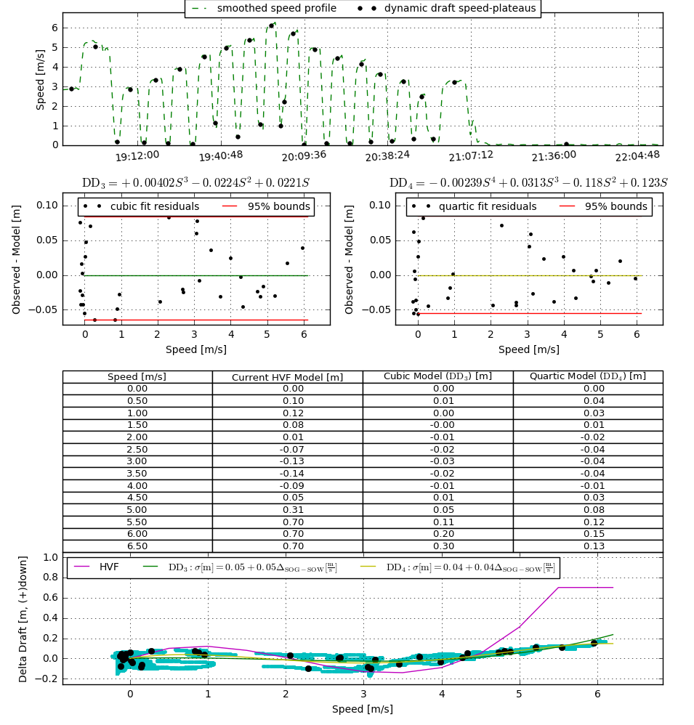
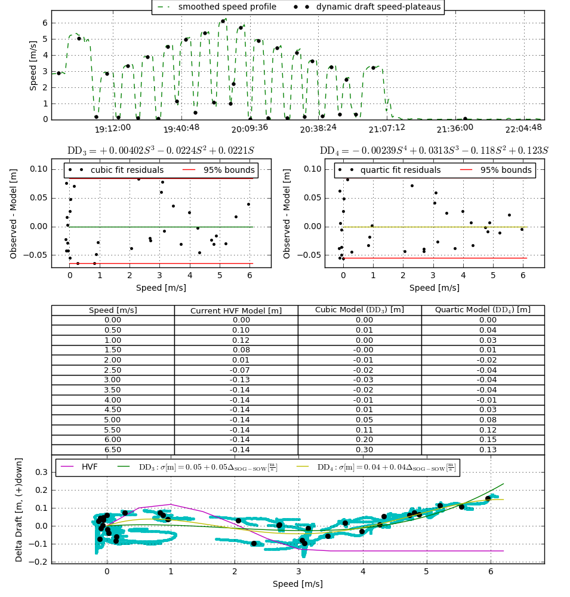
Speed M/S | Current HVF | Cubic Model | Cubic Model Diff | Cubic Model Diff Absolute Value | Quartic Model | Quartic Model Diff | Quartic Model Diff Absolute Value | Cubic Model, HVF Averages | HVF, Cubic Model Diff | Absolute Value | Vessel Difference
0 | 0 | 0 | 0 | 0 | 0 | 0 | 0 | 0 | 0 | 0 | #REF! | Dynamic draft uncertainty
0.5 | 0.1 | 0.01 | -0.09 | 0.09 | 0.04 | -0.06 | 0.06 | 0.055 | 0.09 | 0.09 | #REF! | 0.05
1 | 0.12 | 0 | -0.12 | 0.12 | 0.03 | -0.09 | 0.09 | 0.06 | 0.12 | 0.12 | #REF! | ***Uncertainty value is entered in the HVF
1.5 | 0.08 | 0 | -0.08 | 0.08 | 0.01 | -0.07 | 0.07 | 0.04 | 0.08 | 0.08 | #REF!
2 | 0.01 | -0.01 | -0.02 | 0.02 | -0.02 | -0.03 | 0.03 | 0 | 0.02 | 0.02 | #REF! | ***Values in the blue cells are entered in the HVF
2.5 | -0.07 | -0.02 | 0.05 | 0.05 | -0.04 | 0.03 | 0.03 | -0.045 | -0.05 | 0.05 | #REF!
3 | -0.13 | -0.03 | 0.1 | 0.1 | -0.04 | 0.09 | 0.09 | -0.08 | -0.1 | 0.1 | #REF!
3.5 | -0.14 | -0.02 | 0.12 | 0.12 | -0.04 | 0.1 | 0.1 | -0.08 | -0.12 | 0.12 | #REF!
4 | -0.09 | -0.01 | 0.08 | 0.08 | -0.01 | 0.08 | 0.08 | -0.05 | -0.08 | 0.08 | #REF!
4.5 | 0.05 | 0.01 | -0.04 | 0.04 | 0.03 | -0.02 | 0.02 | 0.03 | 0.04 | 0.04 | #REF!
5 | 0.31 | 0.05 | -0.26 | 0.26 | 0.08 | -0.23 | 0.23 | 0.18 | 0.26 | 0.26 | #REF!
5.5 | 0.7 | 0.11 | -0.59 | 0.59 | 0.12 | -0.58 | 0.58 | 0.405 | 0.59 | 0.59 | #REF!
6 | 0.7 | 0.2 | -0.5 | 0.5 | 0.15 | -0.55 | 0.55 | 0.45 | 0.5 | 0.5 | #REF!
6.5 | 0.7 | 0.3 | -0.4 | 0.4 | 0.13 | -0.57 | 0.57 | 0.5 | 0.4 | 0.4 | #REF!

