Acquisition_Log
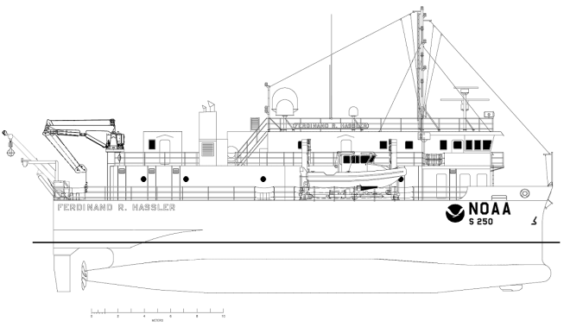
Acquisition Log
Date | Dn |  | Local Area

Weather |  |  | Survey | SSS calibration

Personnel

Vessel | Sonar(s)

TPU SN |  |  | Towfish SN

Cable Type

Cable Measurement System

Target Description and Approximate Size

Sound Velocity Files/Type |  |  |  |  |  | Remarks

SWMB File name |  | SSS File name |  |  | VBES File name | Remarks

