Overview
Speed: Indicates the operating speed of the signal pin. "Low" denotes low-speed signals requiring only standard PCB routing. "High" denotes high-speed signals which mandate impedance matching in the PCB design.
IO Level: For multiplexed pins, the IO voltage level may vary depending on the configured function. This document specifies the maximum voltage level supported by the pin.

Note:
This document is applicable only to LattePanda Mu compute modules equipped with Intel N100 and N305 processors.
Due to the large number of pins that serve multiple functions, please consult the BIOS functionality documentation before beginning your design.
https://github.com/LattePandaTeam/LattePanda-Mu/tree/main/Softwares/BIOS
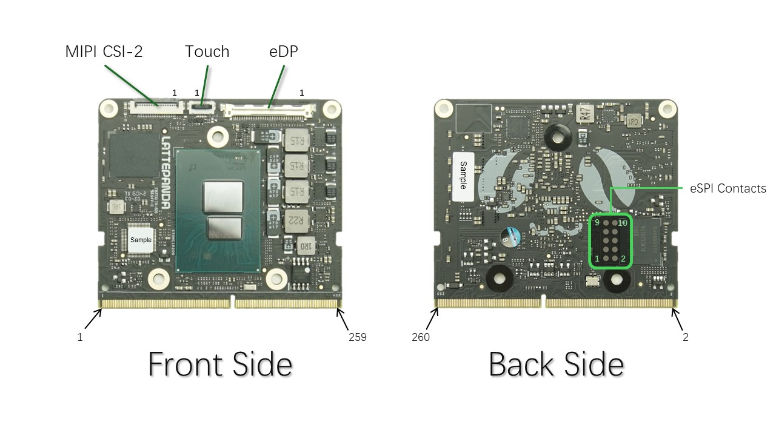

Pinout Description Page
https://github.com/LattePandaTeam/LattePanda-Mu/tree/main/Electricals/Pinouts

