Armonk0
Pi Amplitude = 0.4235238255511584 | ['5eeaa21fd9e647001a477d2f', | ['5eeaf4bee3d491001a60dd66',
Duration = 1616 | '5eeaa2245d75090019a8b2c3', | '5eeaf4c214db0a0019306836',
Sigma = 208 | '5eeaa2294eea73001bfd54b5', | '5eeaf4c654878b00193e9a88',
Period = 954.3099687332186 | '5eeaa22ed9e647001a477d31', | '5eeaf4ca9d9e8800191adb6e',
 | '5eeaa234f9a970001a0ed63e', | '5eeaf4cecfad09001a79731f',
Pi Amplitude = 0.35785919192009924 | '5eeaa23b9d9e8800191ad8a6', | '5eeaf4d34eea73001bfd578d',
Duration = 1984 | '5eeaa242e3d491001a60da85', | '5eeaf4d8e8447b0019a7afbf',
Sigma = 240 | '5eeaa24bf9a970001a0ed640', | '5eeaf4dee3d491001a60dd6a',
Period = 1158.854674275092 | '5eeaa253e3d491001a60da88', | '5eeaf4e3e8447b0019a7afc0',
 | '5eeaa25c14db0a001930655e'] | '5eeaf4e9e3d491001a60dd6c']
Pi Amplitude = 0.29869942089171625
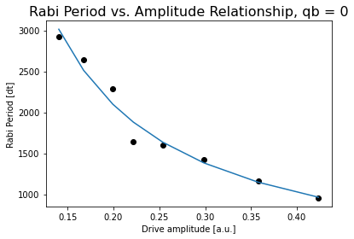
Duration = 2336 | [[208, 1616, 0.4235238255511584],
Sigma = 288 | [240, 1984, 0.35785919192009924],
Period = 1421.3630827299987 | [288, 2336, 0.29869942089171625],
 | [336, 2704, 0.2538870311410756],
Pi Amplitude = 0.2538870311410756 | [384, 3056, 0.22165413706048734],
Duration = 2704 | [432, 3424, 0.19926012331224413],
Sigma = 336 | [480, 3776, 0.17796453073600368],
Period = 1603.291984341002 | [512, 4144, 0.16745387953645477],
 | [560, 4496, 0.15179216078521446],
Pi Amplitude = 0.22165413706048734 | [608, 4864, 0.1403380794470017]]
Duration = 3056
Sigma = 384
Period = 1635.8549850352426

Pi Amplitude = 0.19926012331224413
Duration = 3424
Sigma = 432 |  | Conversion constant: 396.82938853064877. Exponent: -1.0324290902994375
Period = 2282.192678423273

Pi Amplitude = 0.17796453073600368
Duration = 3776
Sigma = 480
Period = 2914.115653792177

Pi Amplitude = 0.16745387953645477
Duration = 4144
Sigma = 512
Period = 2644.975456267281

Pi Amplitude = 0.15179216078521446
Duration = 4496
Sigma = 560
Period = 138846.8702463282

Pi Amplitude = 0.1403380794470017
Duration = 4864
Sigma = 608
Period = 2923.1163996554224

Jojo0
Pi Amplitude = 0.746812671196298 | ['5ef217d20935ad0012f6281a', | Pi Amplitude = 0.746812671196298 | ['5ef21cbe0935ad0012f6283e',
Duration = 80 | '5ef217d5e957cd001433dcb0', | Period = 80.84544926798424 | '5ef21cc3e957cd001433dcd6',
Sigma = 16 | '5ef217d774e2c3001237c73f', |  | '5ef21cc574e2c3001237c760',
 | '5ef217da74e2c3001237c740', | Pi Amplitude = 0.7728705049061994 | '5ef21cc8dc3044001186b1a9',
Pi Amplitude = 0.7728705049061994 | '5ef217dceedb510013249ccc', | Period = 78.71649894222362 | '5ef21ccbfbc24b001275a222',
Duration = 112 | '5ef217dee957cd001433dcb3', |  | '5ef21cce74e2c3001237c761',
Sigma = 16 | '5ef217e174e2c3001237c741', | Pi Amplitude = 0.6585249221137706 | '5ef21cd1dc3044001186b1ab',
 | '5ef217e56c16190012682bd3'] | Period = 89.80160390902282 | '5ef21cd53ab4960013c77194']
Pi Amplitude = 0.6585249221137706
Duration = 176 |  | Pi Amplitude = 0.3697423251225845
Sigma = 16 | [[16, 80, 0.746812671196298], | Period = 148.25931195983276
 | [16, 112, 0.7728705049061994],
Pi Amplitude = 0.3697423251225845 | [16, 176, 0.6585249221137706], | Pi Amplitude = 0.22222851740909544
Duration = 256 | [32, 256, 0.3697423251225845], | Period = 238.22619394595787
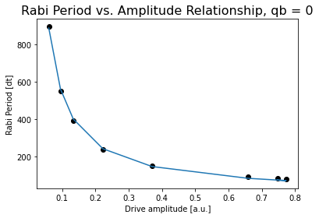
Sigma = 32 | [48, 400, 0.22222851740909544],
 | [80, 608, 0.13313518634587407], | Pi Amplitude = 0.13313518634587407
Pi Amplitude = 0.22222851740909544 | [112, 944, 0.09471767851172616], | Period = 392.83123465750583
Duration = 400 | [176, 1440, 0.05962263431168813]]
Sigma = 48 |  | Pi Amplitude = 0.09471767851172616
 |  | Period = 551.2120914848516
Pi Amplitude = 0.13313518634587407
Duration = 608 |  | Pi Amplitude = 0.05962263431168813
Sigma = 80 |  | Period = 895.1106496959361

Pi Amplitude = 0.09471767851172616
Duration = 944
Sigma = 112

Pi Amplitude = 0.05962263431168813
Duration = 1440
Sigma = 176 |  |  |  | Conversion constant: 54.07447683508908. Exponent: -0.9924372112785861

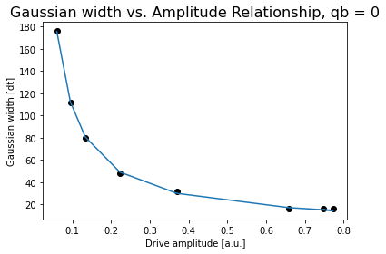

 |  |  |  | Conversion constant: 11.48089749887833. Exponent: -0.9672752940591574

Jojo1
Pi Amplitude = 0.3530500137690539 | ['5ef39df3eedb51001324aa7a', | Pi Amplitude = 0.3530500137690539 | ['5ef3bbd30935ad0012f63680',
Duration = 80 | '5ef39df574e2c3001237d4e0', | Period = 70.18453963827605 | '5ef3bbd66c16190012683a96',
Sigma = 16 | '5ef39df8dc3044001186beef', |  | '5ef3bbd9eedb51001324ab80',
 | '5ef39dfa6c16190012683975', | Pi Amplitude = 0.32235243432845956 | '5ef3bbdb74e2c3001237d5fb',
Pi Amplitude = 0.32235243432845956 | '5ef39dfcfbc24b001275af96', | Period = 76.10424563894914 | '5ef3bbde6c16190012683a99',
Duration = 112 | '5ef39dff0935ad0012f6356b', |  | '5ef3bbe174e2c3001237d5fc',
Sigma = 16 | '5ef39e02041ca700148e96cb', | Pi Amplitude = 0.3187914520833258 | '5ef3bbe4eedb51001324ab82',
 | '5ef39e0674e2c3001237d4e2'] | Period = 76.881417859797 | '5ef3bbe874e2c3001237d5fd']
Pi Amplitude = 0.3187914520833258
Duration = 176 | [[16, 80, 0.3530500137690539], | Pi Amplitude = 0.15421520791740806
Sigma = 16 | [16, 112, 0.32235243432845956], | Period = 151.66160913455937
 | [16, 176, 0.3187914520833258],
Pi Amplitude = 0.15421520791740806 | [32, 256, 0.15421520791740806], | Pi Amplitude = 0.1028823095632427
Duration = 256 | [48, 400, 0.1028823095632427], | Period = 225.2530813937307
Sigma = 32 | [80, 608, 0.09761239624950298],
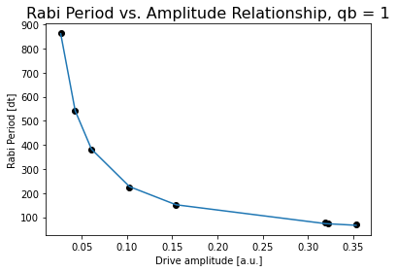
 | [112, 944, 0.06370666786771047], | Pi Amplitude = 0.060841434934049914
Pi Amplitude = 0.1028823095632427 | [176, 1440, 0.026888747770390797]] | Period = 379.60417279044793
Duration = 400
Sigma = 48 |  | Pi Amplitude = 0.04288369610097112
 |  | Period = 539.941450467514
Pi Amplitude = 0.060841434934049914
Duration = 608 |  | Pi Amplitude = 0.026888747770390797
Sigma = 80 |  | Period = 862.92141357997

Pi Amplitude = 0.04288369610097112
Duration = 944
Sigma = 112

Pi Amplitude = 0.026888747770390797
Duration = 1440
Sigma = 176
 |  |  | Conversion constant: 23.66156363955276. Exponent: -0.9940037912357684

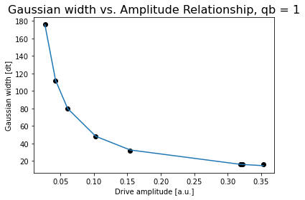

 |  |  | Conversion constant: 5.35893609525708. Exponent: -0.9654741107610489

