Armonk0
Pi Amplitude = 0.4235238255511584 | ['5eeaa21fd9e647001a477d2f', | ['5eeaf4bee3d491001a60dd66',
Duration = 1616 | '5eeaa2245d75090019a8b2c3', | '5eeaf4c214db0a0019306836',
Sigma = 208 | '5eeaa2294eea73001bfd54b5', | '5eeaf4c654878b00193e9a88',
Period = 954.3099687332186 | '5eeaa22ed9e647001a477d31', | '5eeaf4ca9d9e8800191adb6e',
 | '5eeaa234f9a970001a0ed63e', | '5eeaf4cecfad09001a79731f',
Pi Amplitude = 0.35785919192009924 | '5eeaa23b9d9e8800191ad8a6', | '5eeaf4d34eea73001bfd578d',
Duration = 1984 | '5eeaa242e3d491001a60da85', | '5eeaf4d8e8447b0019a7afbf',
Sigma = 240 | '5eeaa24bf9a970001a0ed640', | '5eeaf4dee3d491001a60dd6a',
Period = 1158.854674275092 | '5eeaa253e3d491001a60da88', | '5eeaf4e3e8447b0019a7afc0',
 | '5eeaa25c14db0a001930655e'] | '5eeaf4e9e3d491001a60dd6c']
Pi Amplitude = 0.29869942089171625
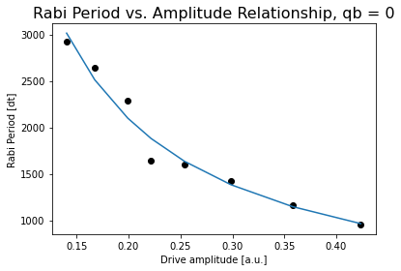
Duration = 2336 | [[208, 1616, 0.4235238255511584],
Sigma = 288 | [240, 1984, 0.35785919192009924],
Period = 1421.3630827299987 | [288, 2336, 0.29869942089171625],
 | [336, 2704, 0.2538870311410756],
Pi Amplitude = 0.2538870311410756 | [384, 3056, 0.22165413706048734],
Duration = 2704 | [432, 3424, 0.19926012331224413],
Sigma = 336 | [480, 3776, 0.17796453073600368],
Period = 1603.291984341002 | [512, 4144, 0.16745387953645477],
 | [560, 4496, 0.15179216078521446],
Pi Amplitude = 0.22165413706048734 | [608, 4864, 0.1403380794470017]]
Duration = 3056
Sigma = 384
Period = 1635.8549850352426

Pi Amplitude = 0.19926012331224413
Duration = 3424
Sigma = 432 |  | Conversion constant: 396.82938853064877. Exponent: -1.0324290902994375
Period = 2282.192678423273
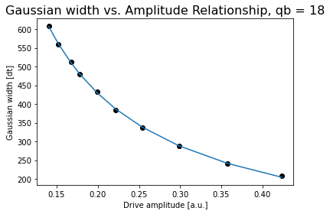
Pi Amplitude = 0.17796453073600368
Duration = 3776
Sigma = 480
Period = 2914.115653792177

Pi Amplitude = 0.16745387953645477
Duration = 4144
Sigma = 512
Period = 2644.975456267281

Pi Amplitude = 0.15179216078521446
Duration = 4496
Sigma = 560
Period = 138846.8702463282
 |  | Conversion constant: 87.54344062139323. Exponent: -0.986135023870862
Pi Amplitude = 0.1403380794470017
Duration = 4864
Sigma = 608
Period = 2923.1163996554224

Jojo0
Pi Amplitude = 0.746812671196298 | ['5ef217d20935ad0012f6281a', | Pi Amplitude = 0.746812671196298 | ['5ef21cbe0935ad0012f6283e',
Duration = 80 | '5ef217d5e957cd001433dcb0', | Period = 80.84544926798424 | '5ef21cc3e957cd001433dcd6',
Sigma = 16 | '5ef217d774e2c3001237c73f', |  | '5ef21cc574e2c3001237c760',
 | '5ef217da74e2c3001237c740', | Pi Amplitude = 0.7728705049061994 | '5ef21cc8dc3044001186b1a9',
Pi Amplitude = 0.7728705049061994 | '5ef217dceedb510013249ccc', | Period = 78.71649894222362 | '5ef21ccbfbc24b001275a222',
Duration = 112 | '5ef217dee957cd001433dcb3', |  | '5ef21cce74e2c3001237c761',
Sigma = 16 | '5ef217e174e2c3001237c741', | Pi Amplitude = 0.6585249221137706 | '5ef21cd1dc3044001186b1ab',
 | '5ef217e56c16190012682bd3'] | Period = 89.80160390902282 | '5ef21cd53ab4960013c77194']
Pi Amplitude = 0.6585249221137706
Duration = 176 |  | Pi Amplitude = 0.3697423251225845
Sigma = 16 | [[16, 80, 0.746812671196298], | Period = 148.25931195983276
 | [16, 112, 0.7728705049061994],
Pi Amplitude = 0.3697423251225845 | [16, 176, 0.6585249221137706], | Pi Amplitude = 0.22222851740909544
Duration = 256 | [32, 256, 0.3697423251225845], | Period = 238.22619394595787
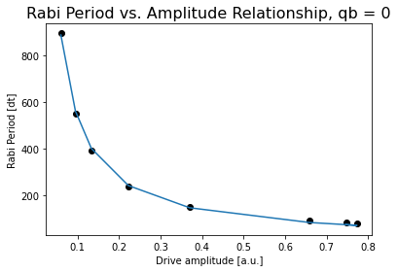
Sigma = 32 | [48, 400, 0.22222851740909544],
 | [80, 608, 0.13313518634587407], | Pi Amplitude = 0.13313518634587407
Pi Amplitude = 0.22222851740909544 | [112, 944, 0.09471767851172616], | Period = 392.83123465750583
Duration = 400 | [176, 1440, 0.05962263431168813]]
Sigma = 48 |  | Pi Amplitude = 0.09471767851172616
 |  | Period = 551.2120914848516
Pi Amplitude = 0.13313518634587407
Duration = 608 |  | Pi Amplitude = 0.05962263431168813
Sigma = 80 |  | Period = 895.1106496959361

Pi Amplitude = 0.09471767851172616
Duration = 944
Sigma = 112

Pi Amplitude = 0.05962263431168813
Duration = 1440
Sigma = 176 |  |  |  | Conversion constant: 54.07447683508908. Exponent: -0.9924372112785861

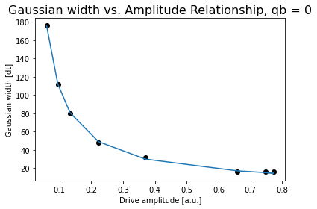

 |  |  |  | Conversion constant: 11.48089749887833. Exponent: -0.9672752940591574

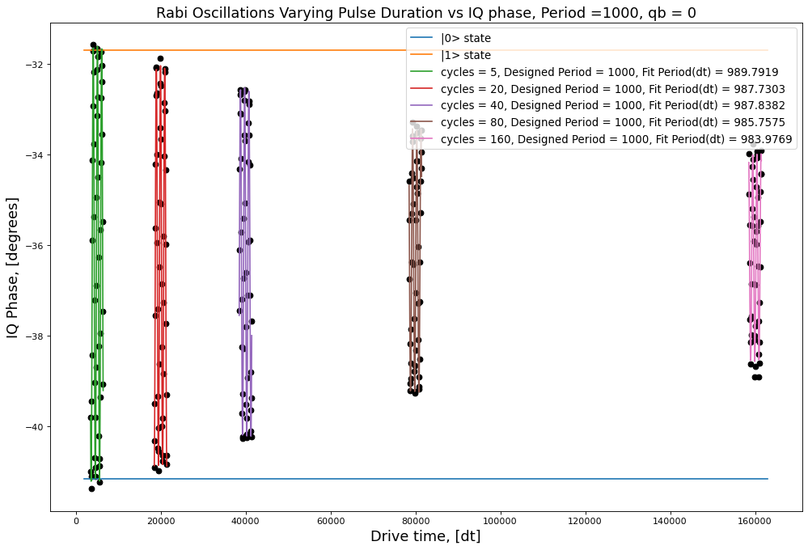
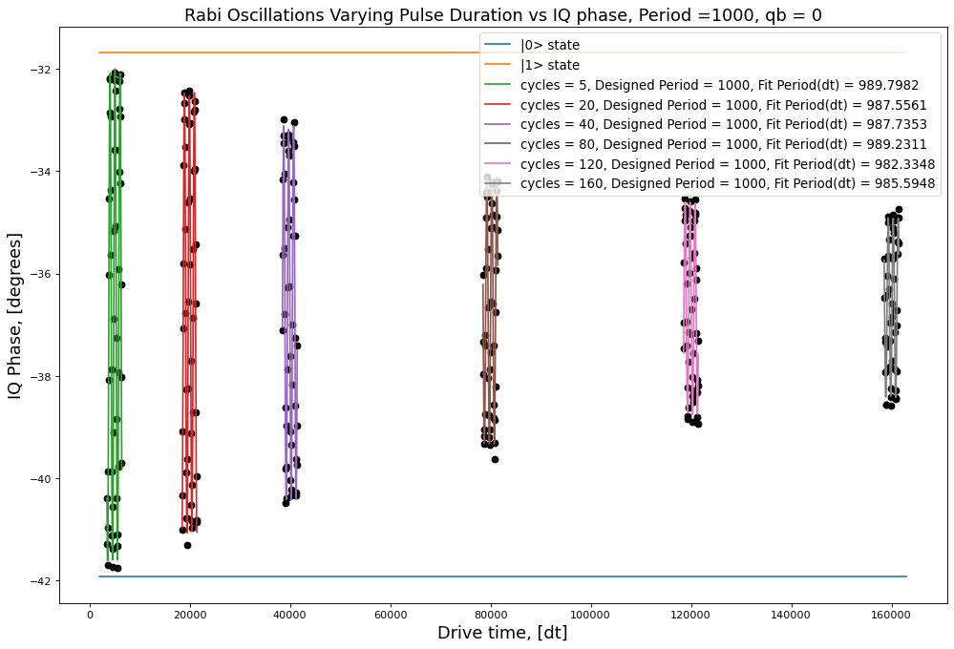
 |  |  |  |  | 4.8027177913
 |  |  |  |  | 4.4204186522
 |  |  |  |  | 3.8513376585
 |  |  |  |  | 2.9068289409
 |  |  |  |  | 2.2928919922

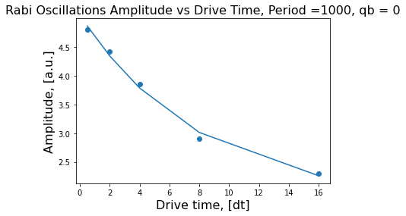

 |  |  |  |  | [3.24584011 0.12497565 1.81886715]
 |  |  |  |  | Decay rate = 0.1249756500452846
 |  |  |  |  | Amplitude = 0.052885570704157364

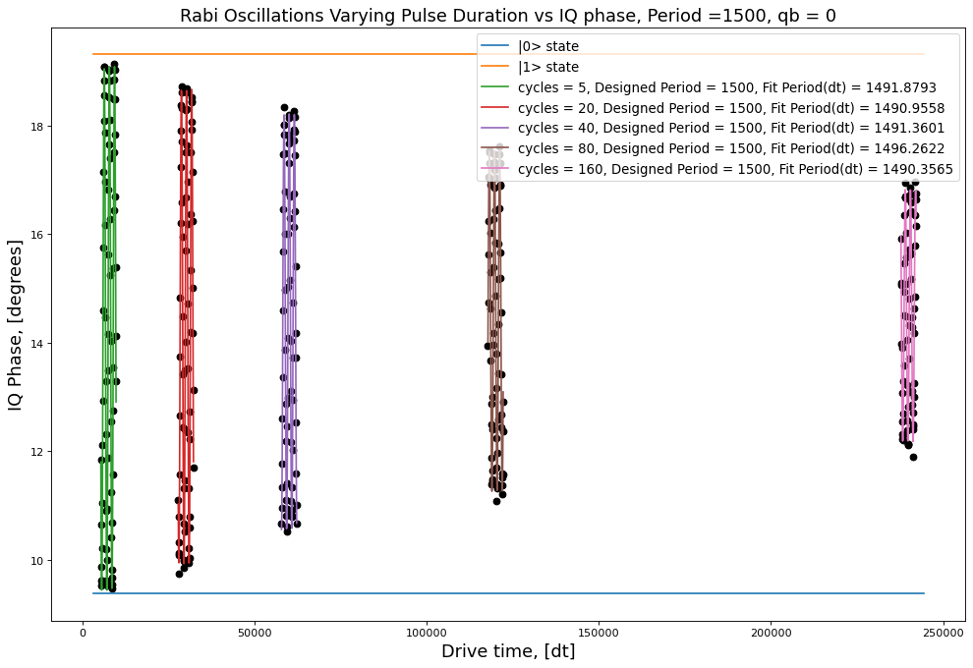
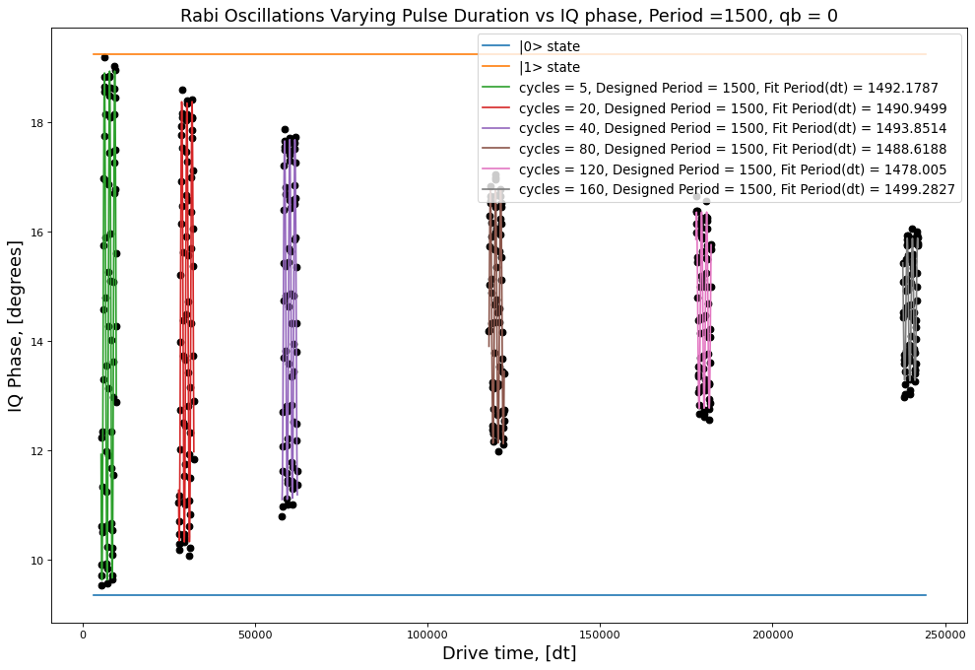

 |  |  |  |  | 4.8252649203
 |  |  |  |  | 4.3680497818
 |  |  |  |  | 3.826533958
 |  |  |  |  | 3.1367522663
 |  |  |  |  | 2.3206053312

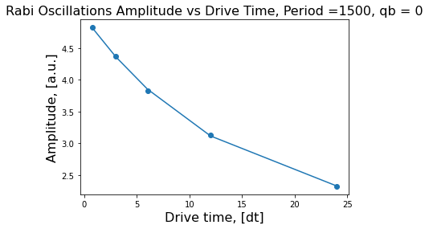

 |  |  |  |  | [3.23799535 0.07221198 1.75392067]
 |  |  |  |  | Decay rate = 0.07221198023984676
 |  |  |  |  | Amplitude = 0.03514827752397791

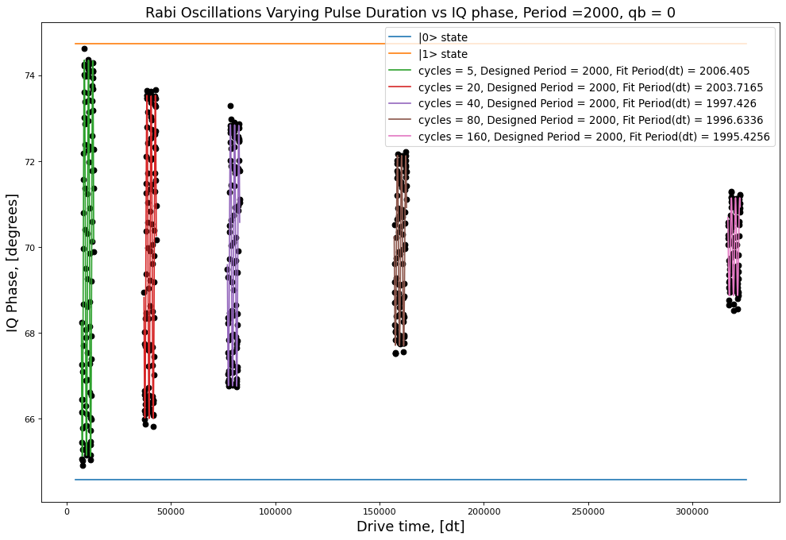

 |  |  |  |  | 4.6175979477
 |  |  |  |  | 3.7694061889
 |  |  |  |  | 3.0465969882
 |  |  |  |  | 2.2194676251
 |  |  |  |  | 1.1397838801

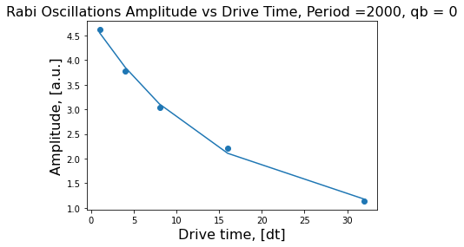

 |  |  |  |  | [4.12512747 0.06681002 0.69131707]
 |  |  |  |  | Decay rate = 0.0668100179968314
 |  |  |  |  | Amplitude = 0.026303480864795663

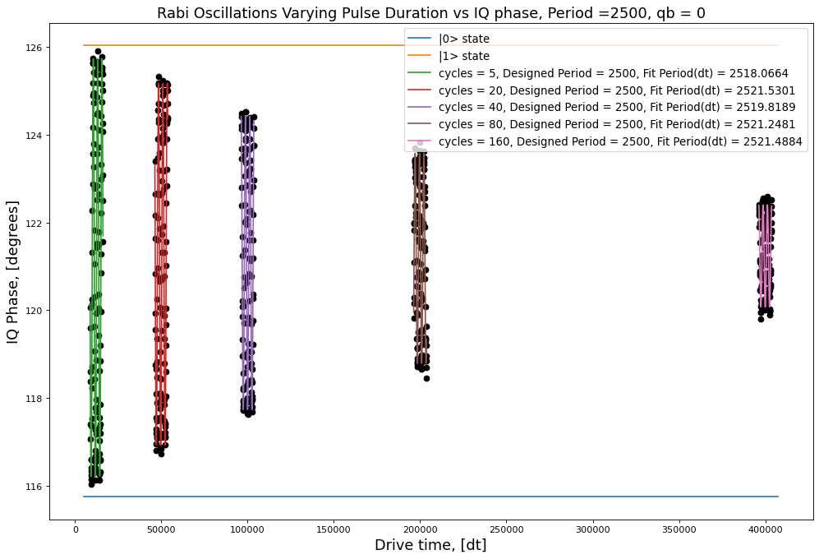
 |  |  |  |  | 4.7683947939
 |  |  |  |  | 4.1285798062
 |  |  |  |  | 3.3496868744
 |  |  |  |  | 2.3971974865
 |  |  |  |  | 1.1647473731

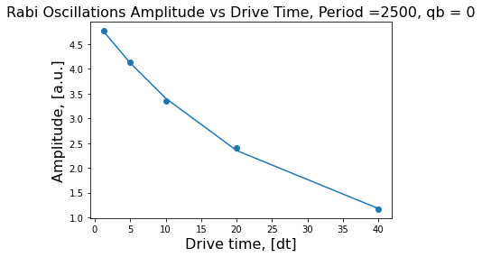

 |  |  |  |  | [4.75190097 0.04058719 0.23972955]
 |  |  |  |  | Decay rate = 0.040587187881374255
 |  |  |  |  | Amplitude = 0.02100703294346077

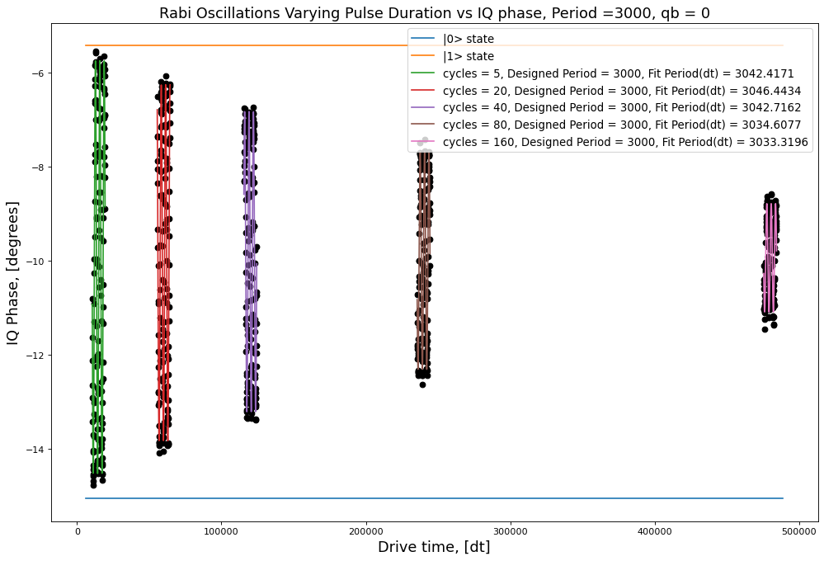
 |  |  |  |  | 4.3879959219
 |  |  |  |  | 3.7847903277
 |  |  |  |  | 3.1916116465
 |  |  |  |  | 2.313384499
 |  |  |  |  | 1.1523304163

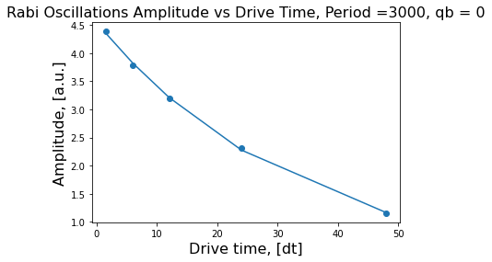

 |  |  |  |  | [4.45371595 0.02979901 0.09760188]
 |  |  |  |  | Decay rate = 0.02979900677660965
 |  |  |  |  | Amplitude = 0.017481555610967498

Jojo1
Pi Amplitude = 0.3530500137690539 | ['5ef39df3eedb51001324aa7a', | Pi Amplitude = 0.3530500137690539 | ['5ef3bbd30935ad0012f63680',
Duration = 80 | '5ef39df574e2c3001237d4e0', | Period = 70.18453963827605 | '5ef3bbd66c16190012683a96',
Sigma = 16 | '5ef39df8dc3044001186beef', |  | '5ef3bbd9eedb51001324ab80',
 | '5ef39dfa6c16190012683975', | Pi Amplitude = 0.32235243432845956 | '5ef3bbdb74e2c3001237d5fb',
Pi Amplitude = 0.32235243432845956 | '5ef39dfcfbc24b001275af96', | Period = 76.10424563894914 | '5ef3bbde6c16190012683a99',
Duration = 112 | '5ef39dff0935ad0012f6356b', |  | '5ef3bbe174e2c3001237d5fc',
Sigma = 16 | '5ef39e02041ca700148e96cb', | Pi Amplitude = 0.3187914520833258 | '5ef3bbe4eedb51001324ab82',
 | '5ef39e0674e2c3001237d4e2'] | Period = 76.881417859797 | '5ef3bbe874e2c3001237d5fd']
Pi Amplitude = 0.3187914520833258
Duration = 176 | [[16, 80, 0.3530500137690539], | Pi Amplitude = 0.15421520791740806
Sigma = 16 | [16, 112, 0.32235243432845956], | Period = 151.66160913455937
 | [16, 176, 0.3187914520833258],
Pi Amplitude = 0.15421520791740806 | [32, 256, 0.15421520791740806], | Pi Amplitude = 0.1028823095632427
Duration = 256 | [48, 400, 0.1028823095632427], | Period = 225.2530813937307
Sigma = 32 | [80, 608, 0.09761239624950298],
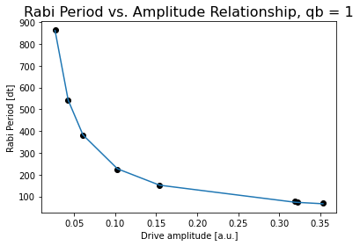
 | [112, 944, 0.06370666786771047], | Pi Amplitude = 0.060841434934049914
Pi Amplitude = 0.1028823095632427 | [176, 1440, 0.026888747770390797]] | Period = 379.60417279044793
Duration = 400
Sigma = 48 |  | Pi Amplitude = 0.04288369610097112
 |  | Period = 539.941450467514
Pi Amplitude = 0.060841434934049914
Duration = 608 |  | Pi Amplitude = 0.026888747770390797
Sigma = 80 |  | Period = 862.92141357997

Pi Amplitude = 0.04288369610097112
Duration = 944
Sigma = 112

Pi Amplitude = 0.026888747770390797
Duration = 1440
Sigma = 176
 |  |  | Conversion constant: 23.66156363955276. Exponent: -0.9940037912357684

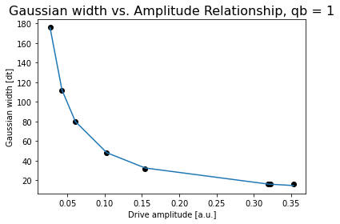

 |  |  | Conversion constant: 5.35893609525708. Exponent: -0.9654741107610489

Jojo2
Pi Amplitude = 0.7893069619621381 | ['5ef4cdf351390900147cd3b3', | Pi Amplitude = 0.7893069619621381 | ['5ef4e6505faf0900143b1e17',
Duration = 80 | '5ef4cdf651390900147cd3b4', | Period = 78.31587002319661 | '5ef4e653ddb65000120789e6',
Sigma = 16 | '5ef4cdf8a2591200133f2bd9', |  | '5ef4e655be0e7e00121bc533',
 | '5ef4cdfa8a74d20012b5c70c', | Pi Amplitude = 0.6570036809873281 | '5ef4e6587855410012c57a50',
Pi Amplitude = 0.6570036809873281 | '5ef4cdfd5faf0900143b1ca8', | Period = 91.75802375268054 | '5ef4e65b5faf0900143b1e19',
Duration = 112 | '5ef4cdff8a74d20012b5c70e', |  | '5ef4e65ea2591200133f2d4a',
Sigma = 16 | '5ef4ce02ddb6500012078868', | Pi Amplitude = 0.7120162841750395 | '5ef4e6618a74d20012b5c880',
 | '5ef4ce068a74d20012b5c70f'] | Period = 85.4580216332555 | '5ef4e665fb7fab0014a7e43e']
Pi Amplitude = 0.7120162841750395
Duration = 176 | [[16, 80, 0.7893069619621381], | Pi Amplitude = 0.3702545482835854
Sigma = 16 | [16, 112, 0.6570036809873281], | Period = 153.35407353949765
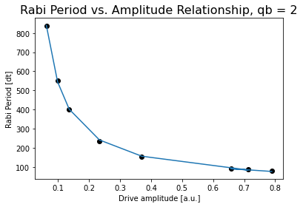
 | [16, 176, 0.7120162841750395],
Pi Amplitude = 0.3702545482835854 | [32, 256, 0.3702545482835854], | Pi Amplitude = 0.23370520659547628
Duration = 256 | [48, 400, 0.23370520659547628], | Period = 234.86494157130733
Sigma = 32 | [80, 608, 0.13628884083007134],
 | [112, 944, 0.09879210004039353], | Pi Amplitude = 0.13628884083007134
Pi Amplitude = 0.23370520659547628 | [176, 1440, 0.06249515428361315]] | Period = 400.7595877674032
Duration = 400
Sigma = 48 |  | Pi Amplitude = 0.09879210004039353
 |  | Period = 551.5117581945144
Pi Amplitude = 0.13628884083007134
Duration = 608 |  | Pi Amplitude = 0.06249515428361315
Sigma = 80 |  | Period = 838.3015123306712

Pi Amplitude = 0.09879210004039353
Duration = 944
Sigma = 112 |  |  | Conversion constant: 60.71437458094607. Exponent: -0.9478600149564859

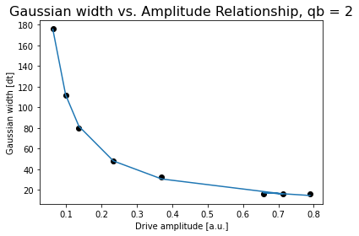
Pi Amplitude = 0.06249515428361315
Duration = 1440
Sigma = 176

 |  |  | Conversion constant: 11.45245806804462. Exponent: -0.9847146457687506

Jojo3
Pi Amplitude = 0.5771037738375678 | ['5ef4ff4d84b1b70012374f3c', | Pi Amplitude = 0.5771037738375678 | ['5ef50378fb7fab0014a7e5bc',
Duration = 80 | '5ef4ff4fbe0e7e00121bc674', | Period = 73.6761556337822 | '5ef5037b84b1b70012374f75',
Sigma = 16 | '5ef4ff515faf0900143b1f2a', |  | '5ef5037eddb6500012078b52',
 | '5ef4ff538cbf9a0012e3c621', | Pi Amplitude = 0.5242986917468712 | '5ef5038184b1b70012374f76',
Pi Amplitude = 0.5242986917468712 | '5ef4ff56be0e7e00121bc675', | Period = 80.05559327942844 | '5ef503848cbf9a0012e3c651',
Duration = 112 | '5ef4ff587855410012c57b76', |  | '5ef5038751390900147cd67c',
Sigma = 16 | '5ef4ff5b5faf0900143b1f2c', | Pi Amplitude = 0.5237720962365137 | '5ef5038a8cbf9a0012e3c652',
 | '5ef4ff5e5faf0900143b1f2d'] | Period = 80.17257836437713 | '5ef5038e51390900147cd67e']
Pi Amplitude = 0.5237720962365137
Duration = 176 |  | Pi Amplitude = 0.2527729558022653
Sigma = 16 | [[16, 80, 0.5771037738375678], | Period = 155.70587357944538
 | [16, 112, 0.5242986917468712],
Pi Amplitude = 0.2527729558022653 | [16, 176, 0.5237720962365137], | Pi Amplitude = 0.1668537227025951
Duration = 256 | [32, 256, 0.2527729558022653], | Period = 233.54654485196278
Sigma = 32 | [48, 400, 0.1668537227025951],
 | [80, 608, 0.0989622621331052], | Pi Amplitude = 0.0989622621331052
Pi Amplitude = 0.1668537227025951 | [112, 944, 0.06998253855138245], | Period = 392.03308366691675
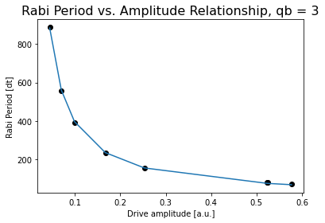
Duration = 400 | [176, 1440, 0.04435148230393041]]
Sigma = 48 |  | Pi Amplitude = 0.06998253855138245
 |  | Period = 556.0528392677902
Pi Amplitude = 0.0989622621331052
Duration = 608 |  | Pi Amplitude = 0.04435148230393041
Sigma = 80 |  | Period = 887.41312804115

Pi Amplitude = 0.06998253855138245
Duration = 944
Sigma = 112

Pi Amplitude = 0.04435148230393041
Duration = 1440
Sigma = 176

 |  |  | Conversion constant: 39.3158030358485. Exponent: -0.9990003473358622



 |  |  | Conversion constant: 8.422591490016428. Exponent: -0.9748121973084468

Jojo4
Pi Amplitude = 0.04778836437337883 | ['5ef5083e8cbf9a0012e3c6c5', | Pi Amplitude = 1 | ['5ef50cc4ddb6500012078c24',
Duration = 80 | '5ef50841a2591200133f2f0a', | Period = 106.28045347370454 | '5ef50cc6a2591200133f2f69',
Sigma = 16 | '5ef5084351390900147cd6e2', |  | '5ef50cc98a74d20012b5cabb',
 | '5ef508457855410012c57c2c', | Pi Amplitude = 0.6223425765826383 | '5ef50ccc51390900147cd748',
Pi Amplitude = 1.1040600893437036 | '5ef5084784b1b70012374fe1', | Period = 160.26976509258023 | '5ef50ccfa2591200133f2f6c',
Duration = 112 | '5ef5084afb7fab0014a7e63e', |  | '5ef50cd4ddb6500012078c28']
Sigma = 16 | '5ef5084dddb6500012078bc8', | Pi Amplitude = 0.4016980825787865
 | '5ef50850be0e7e00121bc718'] | Period = 237.67014647346596
Pi Amplitude = 1.0878494141629553
Duration = 176 |  | Pi Amplitude = 0.23597502416612096
Sigma = 16 |  | Period = 389.10066291890274
 | [[16, 176, 1],
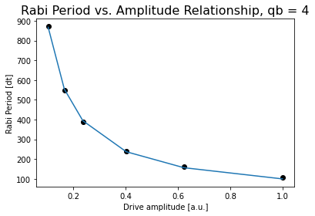
Pi Amplitude = 0.6223425765826383 | [32, 256, 0.6223425765826383], | Pi Amplitude = 0.16502956011603426
Duration = 256 | [48, 400, 0.4016980825787865], | Period = 548.046329908234
Sigma = 32 | [80, 608, 0.23597502416612096],
 | [112, 944, 0.16502956011603426], | Pi Amplitude = 0.10314781640864445
Pi Amplitude = 0.4016980825787865 | [176, 1440, 0.10314781640864445]] | Period = 871.5091055311542
Duration = 400
Sigma = 48

Pi Amplitude = 0.23597502416612096
Duration = 608
Sigma = 80

Pi Amplitude = 0.16502956011603426
Duration = 944
Sigma = 112
 |  |  | Conversion constant: 99.20715774307718. Exponent: -0.9545547178832068
Pi Amplitude = 0.10314781640864445
Duration = 1440
Sigma = 176

 |  |  | Conversion constant: 8.422591490016428. Exponent: -0.9748121973084468

Jojo5
Pi Amplitude = 0.7050361821220616 | ['5ef510c45faf0900143b208c', | Pi Amplitude = 0.7050361821220616 | ['5ef514e451390900147cd7e0',
Duration = 80 | '5ef510c7a2591200133f2fc7', | Period = 76.61409803733643 | '5ef514ea51390900147cd7e2',
Sigma = 16 | '5ef510c951390900147cd796', |  | '5ef514ed51390900147cd7e3',
 | '5ef510cbbe0e7e00121bc7cc', | Pi Amplitude = 0.6425047528052333 | '5ef514ef8cbf9a0012e3c7c7',
Pi Amplitude = 0.635882024564977 | '5ef510ce7855410012c57ce5', | Period = 83.10160107576446 | '5ef514f251390900147cd7e4',
Duration = 112 | '5ef510d05faf0900143b208f', |  | '5ef514f65faf0900143b20e7',
Sigma = 16 | '5ef510d38a74d20012b5cb17', | Pi Amplitude = 0.3199447654895629 | '5ef514faddb6500012078ce2']
 | '5ef510d684b1b70012375085'] | Period = 154.261092077571
Pi Amplitude = 0.6425047528052333
Duration = 176 | [[16, 80, 0.7050361821220616], | Pi Amplitude = 0.20967296119298706
Sigma = 16 | [16, 112, 0.11670782495816358], | Period = 227.06550689992548
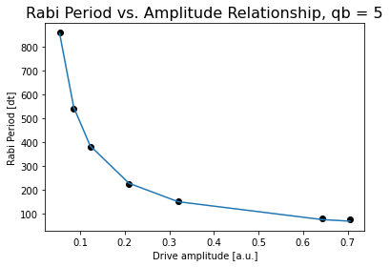
 | [16, 176, 0.6425047528052333],
Pi Amplitude = 0.3199447654895629 | [32, 256, 0.3199447654895629], | Pi Amplitude = 0.12269260186848593
Duration = 256 | [48, 400, 0.20967296119298706], | Period = 380.8720822090192
Sigma = 32 | [80, 608, 0.12269260186848593],
 | [112, 944, 0.08576847502566266], | Pi Amplitude = 0.08576847502566266
Pi Amplitude = 0.20967296119298706 | [176, 1440, 0.05414414749457976]] | Period = 542.7253824180262
Duration = 400
Sigma = 48 |  | Pi Amplitude = 0.05414414749457976
 |  | Period = 859.3217788567408
Pi Amplitude = 0.12269260186848593
Duration = 608
Sigma = 80

Pi Amplitude = 0.08576847502566266
Duration = 944
Sigma = 112 |  |  | Conversion constant: 49.95313684255335. Exponent: -0.9741980721203277

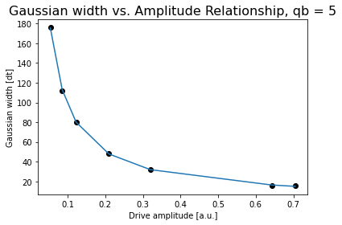
Pi Amplitude = 0.05414414749457976
Duration = 1440
Sigma = 176

 |  |  | Conversion constant: 10.668276009484188. Exponent: -0.9604334841997333

Jojo6
Pi Amplitude = 0.7706955187289692 | ['5ef51ca98cbf9a0012e3c845', |  | ['5ef52021be0e7e00121bc8bc',
Duration = 80 | '5ef51cac51390900147cd85d', |  | '5ef5202351390900147cd880',
Sigma = 16 | '5ef51caebe0e7e00121bc89f', |  | '5ef52026a2591200133f30b9',
 | '5ef51cb1ddb6500012078d59', | Pi Amplitude = 0.7408873422666455 | '5ef52028ddb6500012078d7b',
Pi Amplitude = 0.7408873422666455 | '5ef51cb38cbf9a0012e3c846', | Period = 82.4100746670214 | '5ef5202b51390900147cd881',
Duration = 112 | '5ef51cb65faf0900143b216d', |  | '5ef5202e7855410012c57dd5',
Sigma = 16 | '5ef51cb88cbf9a0012e3c847', | Pi Amplitude = 0.6698540716191039 | '5ef520318cbf9a0012e3c86e',
 | '5ef51cbcddb6500012078d5b'] | Period = 123.9306276388799 | '5ef520358cbf9a0012e3c870']
Pi Amplitude = 0.6698540716191039
Duration = 176 |  | Pi Amplitude = 0.36467952828208655
Sigma = 16 | [[16, 80, 0.7706955187289692], | Period = 153.89835028673772
 | [16, 112, 0.7408873422666455],
Pi Amplitude = 0.36467952828208655 | [16, 176,0.6698540716191039], | Pi Amplitude = 0.23297631344626402
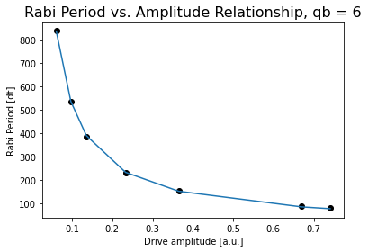
Duration = 256 | [32, 256, 0.36467952828208655], | Period = 231.6380880457946
Sigma = 32 | [48, 400, 0.23297631344626402],
 | [80, 608, 0.13558113239334343], | Pi Amplitude = 0.13558113239334343
Pi Amplitude = 0.23297631344626402 | [112, 944, 0.09704187375791865], | Period = 384.8881239843421
Duration = 400 | [176, 1440, 0.06073170067419344]]
Sigma = 48 |  | Pi Amplitude = 0.09704187375791865
 |  | Period = 537.0204158474398
Pi Amplitude = 0.13558113239334343
Duration = 608 |  | Pi Amplitude = 0.06073170067419344
Sigma = 80 |  | Period = 839.6990872605054

Pi Amplitude = 0.09704187375791865
Duration = 944
Sigma = 112

Pi Amplitude = 0.06073170067419344
Duration = 1440 |  |  | Conversion constant: 58.41743781494493. Exponent: -0.9507668252877607
Sigma = 176
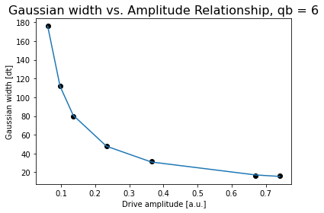

 |  |  | Conversion constant: 11.650031111752481. Exponent: -0.9691865136543687

Jojo7
Pi Amplitude = 0.36488430058962623 | ['5ef52a0b7855410012c57e47', | Pi Amplitude = 0.36488430058962623 | ['5ef52da7ddb6500012078e22',
Duration = 80 | '5ef52a0ebe0e7e00121bc925', | Period = 72.28001422854103 | '5ef52da98a74d20012b5ccb7',
Sigma = 16 | '5ef52a105faf0900143b21fd', |  | '5ef52dacddb6500012078e23',
 | '5ef52a12be0e7e00121bc927', | Pi Amplitude = 0.33816527833404253 | '5ef52daf8cbf9a0012e3c8fb',
Pi Amplitude = 0.33816527833404253 | '5ef52a1484b1b700123751f9', | Period = 77.36267962672619 | '5ef52db25faf0900143b2238',
Duration = 112 | '5ef52a177855410012c57e48', |  | '5ef52db55faf0900143b2239',
Sigma = 16 | '5ef52a1aa2591200133f3130', | Pi Amplitude = 0.3405578033230602 | '5ef52db88cbf9a0012e3c8ff',
 | '5ef52a1dbe0e7e00121bc929'] | Period = 76.81563132063492 | '5ef52dbb84b1b70012375238']
Pi Amplitude = 0.3405578033230602
Duration = 176 |  | Pi Amplitude = 0.16584273096588345
Sigma = 16 | [[16, 80, 0.36488430058962623], | Period = 150.48366539953125
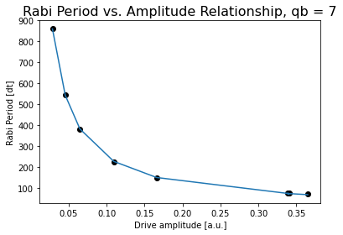
 | [16, 112, 0.33816527833404253],
Pi Amplitude = 0.16584273096588345 | [16, 176, 0.3405578033230602], | Pi Amplitude = 0.10931320337859506
Duration = 256 | [32, 256, 0.16584273096588345], | Period = 225.96838925966475
Sigma = 32 | [48, 400, 0.10931320337859506],
 | [80, 608, 25.307955527852492], | Pi Amplitude = 0.0647471887272037
Pi Amplitude = 0.10931320337859506 | [112, 944, 0.04540814192989371], | Period = 380.4883155731955
Duration = 400 | [176, 1440, 0.02854792815676111]]
Sigma = 48 |  | Pi Amplitude = 0.04540814192989371
 |  | Period = 543.7359617626356
Pi Amplitude = 0.0647471887272037
Duration = 608 |  | Pi Amplitude = 0.02854792815676111
Sigma = 80 |  | Period = 860.913787375557

Pi Amplitude = 0.04540814192989371
Duration = 944
Sigma = 112 |  |  | Conversion constant: 25.581627006241156. Exponent: -0.988440471817147

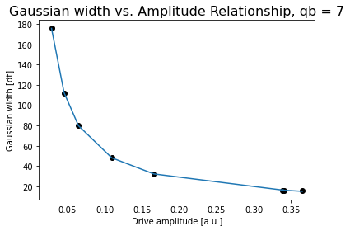
Pi Amplitude = 0.02854792815676111
Duration = 1440
Sigma = 176

 |  |  | Conversion constant: 5.687450116117995. Exponent: -0.9648929117844334

Jojo8
Pi Amplitude = 0.7720584213651753 | ['5ef57f195faf0900143b2570', | Pi Amplitude = 0.7720584213651753 | ['5ef582f0fb7fab0014a7ec14',
Duration = 80 | '5ef57f1bfb7fab0014a7ebc9', | Period = 81.26204602058213 | '5ef582f3be0e7e00121bccf0',
Sigma = 16 | '5ef57f1d8cbf9a0012e3cc65', |  | '5ef582f551390900147cdcdb',
 | '5ef57f1f7855410012c581ca', | Pi Amplitude = 0.6906971142104891 | '5ef582f87855410012c58218',
Pi Amplitude = 0.6906971142104891 | '5ef57f21be0e7e00121bccac', | Period = 88.97315879684939 | '5ef582fb5faf0900143b25c2',
Duration = 112 | '5ef57f23be0e7e00121bccad', |  | '5ef582fe84b1b700123755e1',
Sigma = 16 | '5ef57f2684b1b7001237558c', | Pi Amplitude = 0.7142066361893853 | '5ef58301be0e7e00121bccf2',
 | '5ef57f29fb7fab0014a7ebcb'] | Period = 86.4286107732024 | '5ef58305a2591200133f34d8']
Pi Amplitude = 0.7142066361893853
Duration = 176 |  | Pi Amplitude = 0.3503194496512126
Sigma = 16 | [[16, 80, 0.7720584213651753], | Period = 161.38071202527922
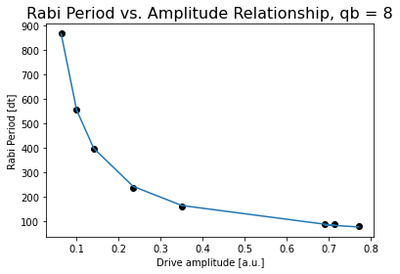
 | [16, 112, 0.6906971142104891],
Pi Amplitude = 0.3503194496512126 | [16, 176, 0.7142066361893853], | Pi Amplitude = 0.23458527534597462
Duration = 256 | [32, 256, 0.3503194496512126], | Period = 237.923296858723
Sigma = 32 | [48, 400, 0.23458527534597462],
 | [80, 608, 0.14041499557488393], | Pi Amplitude = 0.14041499557488393
Pi Amplitude = 0.23458527534597462 | [112, 944, 0.09977279926205697], | Period = 396.2950429983237
Duration = 400 | [176, 1440, 0.062995415200085]]
Sigma = 48 |  | Pi Amplitude = 0.09977279926205697
 |  | Period = 556.2544213722755
Pi Amplitude = 0.14041499557488393
Duration = 608 |  | Pi Amplitude = 0.062995415200085
Sigma = 80 |  | Period = 868.6141967655781

Pi Amplitude = 0.09977279926205697
Duration = 944
Sigma = 112 |  |  | Conversion constant: 59.29925139248408. Exponent: -0.9705356561002346

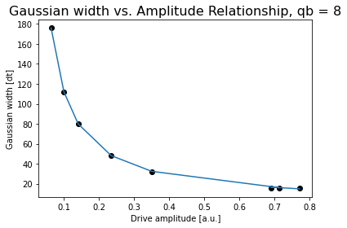
Pi Amplitude = 0.062995415200085
Duration = 1440
Sigma = 176

 |  |  | Conversion constant: 11.519876740103824. Exponent: -0.9862872564599189

Jojo9
Pi Amplitude = 0.8469347352000653 | ['5ef5878584b1b7001237560b', | Pi Amplitude = 0.8469347352000653 | ['5ef58aa684b1b70012375627',
Duration = 80 | '5ef58787fb7fab0014a7ec42', | Period = 83.6636786147123 | '5ef58aa8a2591200133f3512',
Sigma = 16 | '5ef587895faf0900143b25ed', |  | '5ef58aabfb7fab0014a7ec61',
 | '5ef5878bbe0e7e00121bcd15', | Pi Amplitude = 0.7090437680439413 | '5ef58aae8a74d20012b5d095',
Pi Amplitude = 0.7090437680439413 | '5ef5878d8cbf9a0012e3cce4', | Period = 97.3059025311189 | '5ef58ab08a74d20012b5d096',
Duration = 112 | '5ef5879084b1b7001237560f', |  | '5ef58ab4ddb65000120791ea',
Sigma = 16 | '5ef5879351390900147cdd04', | Pi Amplitude = 0.7410670869385751 | '5ef58ab78cbf9a0012e3ccfd',
 | '5ef587968a74d20012b5d07f'] | Period = 93.78771972994056 | '5ef58abba2591200133f3514']
Pi Amplitude = 0.7410670869385751
Duration = 176 | [[16, 80, 0.8469347352000653], | Pi Amplitude = 0.4078566769551802
Sigma = 16 | [16, 112, 0.7090437680439413], | Period = 159.3769633653861

 | [16, 176, 0.7410670869385751],
Pi Amplitude = 0.4078566769551802 | [32, 256, 0.4078566769551802], | Pi Amplitude = 0.26650127780205013
Duration = 256 | [48, 400, 0.26650127780205013], | Period = 238.19397140344236
Sigma = 32 | [80, 608, 0.16024982790251638],
 | [112, 944, 0.11337164440867784], | Pi Amplitude = 0.16024982790251638
Pi Amplitude = 0.26650127780205013 | [176, 1440, 0.07065236124914025]] | Period = 392.9082709646965
Duration = 400
Sigma = 48 |  | Pi Amplitude = 0.11337164440867784
 |  | Period = 554.616791830447
Pi Amplitude = 0.16024982790251638
Duration = 608 |  | Pi Amplitude = 0.07065236124914025
Sigma = 80 |  | Period = 885.4905798818505

Pi Amplitude = 0.11337164440867784
Duration = 944
Sigma = 112 |  |  | Conversion constant: 66.48049584501037. Exponent: -0.9759707562681753

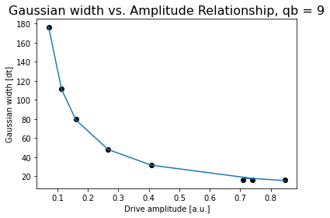
Pi Amplitude = 0.07065236124914025
Duration = 1440
Sigma = 176

 |  |  | Conversion constant: 13.072317572938855. Exponent: -0.9827775368102274

Jojo10
Pi Amplitude = 0.7580443366197566 | ['5ef58e94be0e7e00121bcd59',
Duration = 80 | '5ef58e9684b1b70012375647',
Sigma = 16 | '5ef58e98be0e7e00121bcd5a',
 | '5ef58e9b51390900147cdd38',
Pi Amplitude = 0.6997925580762662 | '5ef58e9da2591200133f3536',
Duration = 112 | '5ef58ea08cbf9a0012e3cd1b',
Sigma = 16 | '5ef58ea27855410012c58278',
 | '5ef58ea651390900147cdd3b']
Pi Amplitude = 0.3981413370594325
Duration = 176 | [[16, 80, 0.7580443366197566], | Pi Amplitude = 0.7580443366197566 | ['5ef5ff1984b1b700123759c7',
Sigma = 16 | [16, 112, 0.6997925580762662], | Period = 79.3613537756605 | '5ef5ff1c8a74d20012b5d438',
 | [16, 176, 0.3981413370594325], |  | '5ef5ff1ebe0e7e00121bd0cd',
Pi Amplitude = 0.34834157465831983 | [32, 256, 0.34834157465831983], | Pi Amplitude = 0.6997925580762662 | '5ef5ff217855410012c585db',
Duration = 256 | [48, 400, 0.22758948255048747], | Period = 84.79626244661245 | '5ef5ff24be0e7e00121bd0cf',
Sigma = 32 | [80, 608, 0.13678714939787087], |  | '5ef5ff27fb7fab0014a7f01f',
 | [112, 944, 0.097382710932777], | Pi Amplitude = 0.3981413370594325 | '5ef5ff2bfb7fab0014a7f020',
Pi Amplitude = 0.22758948255048747 | [176, 1440, 0.06178245423286615]] | Period = 138.83580591469132 | '5ef5ff308cbf9a0012e3d0a3']
Duration = 400
Sigma = 48 |  | Pi Amplitude = 0.34834157465831983
 |  | Period = 157.63905405941856
Pi Amplitude = 0.13678714939787087
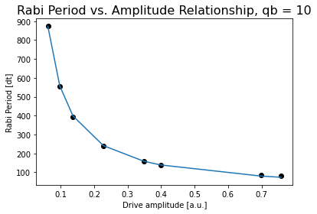
Duration = 608 |  | Pi Amplitude = 0.22758948255048747
Sigma = 80 |  | Period = 238.3875591775931

Pi Amplitude = 0.097382710932777 |  | Pi Amplitude = 0.13678714939787087
Duration = 944 |  | Period = 394.7955048375134
Sigma = 112
 |  | Pi Amplitude = 0.097382710932777
Pi Amplitude = 0.06178245423286615 |  | Period = 556.4960906360539
Duration = 1440
Sigma = 176 |  | Pi Amplitude = 0.06178245423286615
 |  | Period = 873.4096090832659

 |  |  | Conversion constant: 55.96049466992817. Exponent: -0.9863270037625501

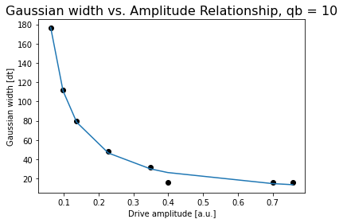

 |  |  | Conversion constant: 10.156982416076294. Exponent: -1.026503852980569

Jojo11
Pi Amplitude = 0.7954296313696497 | ['5ef611fc8cbf9a0012e3d14e', | Pi Amplitude = 0.7954296313696497 | ['5ef6156851390900147ce156',
Duration = 80 | '5ef611fffb7fab0014a7f0c3', | Period = 83.30770008425314 | '5ef6156b7855410012c586a8',
Sigma = 16 | '5ef61201be0e7e00121bd164', |  | '5ef6156e5faf0900143b2a72',
 | '5ef6120384b1b70012375a77', | Pi Amplitude = 0.7510289027921535 | '5ef615715faf0900143b2a73',
Pi Amplitude = 0.7510289027921535 | '5ef6120584b1b70012375a78', | Period = 87.16695947744621 | '5ef61573ddb6500012079639',
Duration = 112 | '5ef612088a74d20012b5d4ec', |  | '5ef6157651390900147ce159',
Sigma = 16 | '5ef6120b5faf0900143b2a4d', | Pi Amplitude = 0.7533025903801482 | '5ef615797855410012c586aa',
 | '5ef6120e51390900147ce13f'] | Period = 86.9233543062518 | '5ef6157d51390900147ce15a']
Pi Amplitude = 0.7533025903801482
Duration = 176 | [[16, 80, 0.7954296313696497], | Pi Amplitude = 0.3828842334412079
Sigma = 16 | [16, 112, 0.7510289027921535], | Period = 157.94942750542037
 | [16, 176, 0.7533025903801482],

Pi Amplitude = 0.3828842334412079 | [32, 256, 0.3828842334412079], | Pi Amplitude = 0.24274065626224897
Duration = 256 | [48, 400, 0.24274065626224897], | Period = 246.7174679725694
Sigma = 32 | [80, 608, 0.07360565026138803],
 | [112, 944, 0.10630839849836803], | Pi Amplitude = 0.14797150226133862
Pi Amplitude = 0.24274065626224897 | [176, 1440, 0.0676895181074665]] | Period = 401.432221018875
Duration = 400
Sigma = 48 |  | Pi Amplitude = 0.10630839849836803
 |  | Period = 558.3096786076211
Pi Amplitude = 0.14797150226133862
Duration = 608 |  | Pi Amplitude = 0.0676895181074665
Sigma = 80 |  | Period = 887.1282321257381

Pi Amplitude = 0.10630839849836803
Duration = 944
Sigma = 112
 |  |  | Conversion constant: 61.0468753438098. Exponent: -0.9919133368276755
Pi Amplitude = 0.0676895181074665
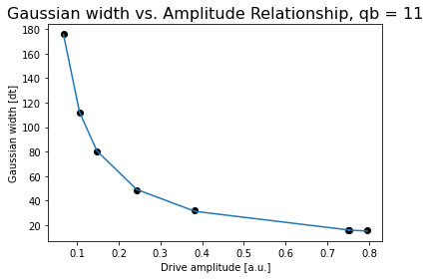
Duration = 1440
Sigma = 176

 |  |  | Conversion constant: 11.929204320355337. Exponent: -0.9990248777026389

Jojo12
Pi Amplitude = 0.7125673595866576 | ['5ef61bccbe0e7e00121bd1bf', | Pi Amplitude = 0.7125673595866576 | ['5ef624e2a2591200133f39ec',
Duration = 80 | '5ef61bcf8cbf9a0012e3d1a9', | Period = 102.46903350626683 | '5ef624e584b1b70012375b17',
Sigma = 16 | '5ef61bd1be0e7e00121bd1c2', |  | '5ef624e8be0e7e00121bd208',
 | '5ef61bd38a74d20012b5d548', | Pi Amplitude = 0.8573628340981987 | '5ef624eb8a74d20012b5d593',
Pi Amplitude = 0.8573628340981987 | '5ef61bd68cbf9a0012e3d1ab', | Period = 87.60563011842729 | '5ef624eeddb65000120796ab',
Duration = 112 | '5ef61bd85faf0900143b2aa4', |  | '5ef624f1fb7fab0014a7f159',
Sigma = 16 | '5ef61bdb7855410012c586db', | Pi Amplitude = 0.7051806819978372 | '5ef624f5be0e7e00121bd209',
 | '5ef61bde8a74d20012b5d54b'] | Period = 103.30358271171241 | '5ef624f9be0e7e00121bd20a']
Pi Amplitude = 0.7051806819978372
Duration = 176 | [[16, 80, 0.7125673595866576], | Pi Amplitude = 0.4480707013281065
Sigma = 16 | [16, 112, 0.8573628340981987], | Period = 152.89598823474347
 | [16, 176, 0.7051806819978372],
Pi Amplitude = 0.4480707013281065 | [32, 256, 0.4480707013281065], | Pi Amplitude = 0.2833993871295863
Duration = 256 | [48, 400, 0.2833993871295863], | Period = 232.57345361657855

Sigma = 32 | [80, 608, 0.16706935608459217],
 | [112, 944, 0.1169316832401407], | Pi Amplitude = 0.16706935608459217
Pi Amplitude = 0.2833993871295863 | [176, 1440, 0.07439068823315236]] | Period = 387.80453573732666
Duration = 400
Sigma = 48 |  | Pi Amplitude = 0.1169316832401407
 |  | Period = 550.6162794344533
Pi Amplitude = 0.16706935608459217
Duration = 608 |  | Pi Amplitude = 0.07439068823315236
Sigma = 80 |  | Period = 867.0317998006063

Pi Amplitude = 0.1169316832401407
Duration = 944
Sigma = 112

Pi Amplitude = 0.07439068823315236
Duration = 1440 |  |  | Conversion constant: 69.53956380480695. Exponent: -0.9688283405688723
Sigma = 176
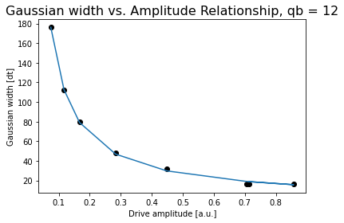

 |  |  | Conversion constant: 13.41656375569742. Exponent: -0.9910375292741338

Jojo13
Pi Amplitude = 0.7462473378414686 | ['5ef62ca5ddb65000120796e8', | Pi Amplitude = 0.7462473378414686 | ['5ef63b9151390900147ce2a2',
Duration = 80 | '5ef62ca851390900147ce22c', | Period = 77.4963623094325 | '5ef63b945faf0900143b2b8f',
Sigma = 16 | '5ef62caa8a74d20012b5d5cd', |  | '5ef63b968cbf9a0012e3d29a',
 | '5ef62cad8a74d20012b5d5ce', | Pi Amplitude = 0.6737991747500327 | '5ef63b9984b1b70012375bc3',
Pi Amplitude = 0.6737991747500327 | '5ef62caf51390900147ce22d', | Period = 84.34577603427384 | '5ef63b9c84b1b70012375bc5',
Duration = 112 | '5ef62cb1be0e7e00121bd242', |  | '5ef63ba08cbf9a0012e3d29e',
Sigma = 16 | '5ef62cb45faf0900143b2b27', | Pi Amplitude = 0.6483315356998453 | '5ef63ba3fb7fab0014a7f213',
 | '5ef62cb884b1b70012375b5c'] | Period = 87.10002571641554 | '5ef63ba7a2591200133f3aa5']
Pi Amplitude = 0.6483315356998453
Duration = 176 | [[16, 80, 0.7462473378414686], | Pi Amplitude = 0.33902140170158257
Sigma = 16 | [16, 112, 0.6737991747500327], | Period = 152.80963145151418
 | [16, 176, 0.6483315356998453],

Pi Amplitude = 0.33902140170158257 | [32, 256, 0.33902140170158257], | Pi Amplitude = 0.21856708183109472
Duration = 256 | [48, 400, 0.21856708183109472], | Period = 231.2476384820515
Sigma = 32 | [80, 608, 0.12857221359741536],
 | [112, 944, 0.09143531278175902], | Pi Amplitude = 0.12857221359741536
Pi Amplitude = 0.21856708183109472 | [176, 1440, 0.05717709171538155]] | Period = 388.6797401245147
Duration = 400
Sigma = 48 |  | Pi Amplitude = 0.09143531278175902
 |  | Period = 540.0684751735856
Pi Amplitude = 0.12857221359741536
Duration = 608 |  | Pi Amplitude = 0.05717709171538155
Sigma = 80 |  | Period = 870.0433822068977

Pi Amplitude = 0.09143531278175902
Duration = 944
Sigma = 112
 |  |  | Conversion constant: 53.04738616311787. Exponent: -0.9755092917894524
Pi Amplitude = 0.05717709171538155
Duration = 1440
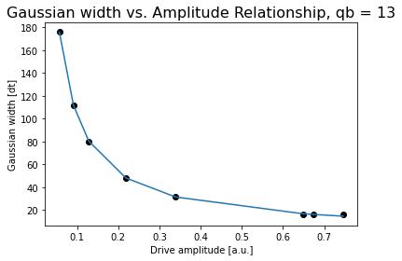
Sigma = 176

 |  |  | Conversion constant: 11.09074144750751. Exponent: -0.9659428057129544

Jojo14
Pi Amplitude = 0.510594990208445 | ['5ef64351ddb6500012079809', | Pi Amplitude = 0.510594990208445 | ['5ef6565984b1b70012375d64',
Duration = 80 | '5ef6435351390900147ce33b', | Period = 71.74912418689289 | '5ef6565b84b1b70012375d65',
Sigma = 16 | '5ef64355be0e7e00121bd35c', |  | '5ef6565e51390900147ce441',
 | '5ef643578cbf9a0012e3d34e', | Pi Amplitude = 0.4740162006318728 | '5ef656608cbf9a0012e3d44b',
Pi Amplitude = 0.4740162006318728 | '5ef64359a2591200133f3b46', | Period = 76.71230081537733 | '5ef65663be0e7e00121bd441',
Duration = 112 | '5ef6435c8cbf9a0012e3d350', |  | '5ef65666ddb65000120798e7',
Sigma = 16 | '5ef6435f7855410012c5886a', | Pi Amplitude = 0.4655173176256431 | '5ef6566a51390900147ce443',
 | '5ef6436351390900147ce33f'] | Period = 77.9087422203134 | '5ef6566eddb65000120798e8']
Pi Amplitude = 0.4655173176256431
Duration = 176 | [[16, 80, 0.510594990208445], | Pi Amplitude = 0.22409967598785624
Sigma = 16 | [16, 112, 0.4740162006318728], | Period = 153.70471507107283
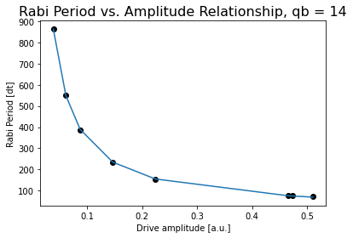
 | [16, 176, 0.4655173176256431],
Pi Amplitude = 0.22409967598785624 | [32, 256, 0.22409967598785624], | Pi Amplitude = 0.1467484200684614
Duration = 256 | [48, 400, 0.1467484200684614], | Period = 232.2316161243709
Sigma = 32 | [80, 608, 0.08751722112116253],
 | [112, 944, 0.06170294050167689], | Pi Amplitude = 0.08751722112116253
Pi Amplitude = 0.1467484200684614 | [176, 1440, 0.038808459648393356]] | Period = 387.6069260229165
Duration = 400
Sigma = 48 |  | Pi Amplitude = 0.06170294050167689
 |  | Period = 550.5909920236437
Pi Amplitude = 0.08751722112116253
Duration = 608 |  | Pi Amplitude = 0.038808459648393356
Sigma = 80 |  | Period = 862.7073348053972

Pi Amplitude = 0.06170294050167689
Duration = 944
Sigma = 112 |  |  | Conversion constant: 35.92255650292224. Exponent: -0.9784188437551748

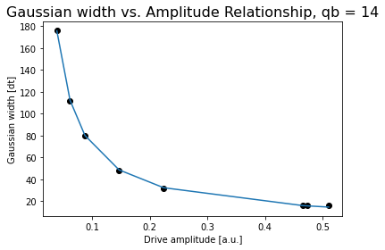
Pi Amplitude = 0.038808459648393356
Duration = 1440
Sigma = 176

 |  |  | Conversion constant: 7.601093075606327. Exponent: -0.9666488482050365

Jojo15
Pi Amplitude = 1.016485184864977 | ['5ef65bdd7855410012c58992', | Pi Amplitude = 1 | ['5ef6610afb7fab0014a7f3f9',
Duration = 80 | '5ef65bdf5faf0900143b2d4f', | Period = 76.65667016798142 | '5ef6610c5faf0900143b2d81',
Sigma = 16 | '5ef65be184b1b70012375d91', |  | '5ef6610fbe0e7e00121bd494',
 | '5ef65be484b1b70012375d92', | Pi Amplitude = 0.8694664683772594 | '5ef661128a74d20012b5d801',
Pi Amplitude = 0.8694664683772594 | '5ef65be6be0e7e00121bd468', | Period = 86.04501936311694 | '5ef6611584b1b70012375dba',
Duration = 112 | '5ef65be984b1b70012375d93', |  | '5ef661188cbf9a0012e3d4a1',
Sigma = 16 | '5ef65becddb650001207990e', | Pi Amplitude = 0.8787790869659213 | '5ef6611b8cbf9a0012e3d4a2',
 | '5ef65befbe0e7e00121bd469'] | Period = 85.30765459618864 | '5ef661207855410012c589bb']
Pi Amplitude = 0.8787790869659213
Duration = 176 |  | Pi Amplitude = 0.4306437273528574
Sigma = 16 | [[16, 80, 1], | Period = 160.08810552841186
 | [16, 112, 0.8694664683772594],
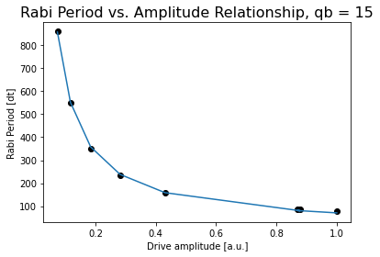
Pi Amplitude = 0.4306437273528574 | [16, 176, 0.8787790869659213], | Pi Amplitude = 0.28164164823258225
Duration = 256 | [32, 256, 0.4306437273528574], | Period = 235.05430003610692
Sigma = 32 | [48, 400, 0.28164164823258225],
 | [80, 608, 0.18404972375477802], | Pi Amplitude = 0.18404972375477802
Pi Amplitude = 0.28164164823258225 | [112, 944, 0.11706154012714548], | Period = 351.2567061246331
Duration = 400 | [176, 1440, 0.07379884746225539]]
Sigma = 48 |  | Pi Amplitude = 0.11706154012714548
 |  | Period = 550.2498750138275
Pi Amplitude = 0.18404972375477802
Duration = 608 |  | Pi Amplitude = 0.07379884746225539
Sigma = 80 |  | Period = 859.889170821063

Pi Amplitude = 0.11706154012714548
Duration = 944
Sigma = 112
 |  |  | Conversion constant: 70.92519866266184. Exponent: -0.9561175027847064
Pi Amplitude = 0.07379884746225539
Duration = 1440
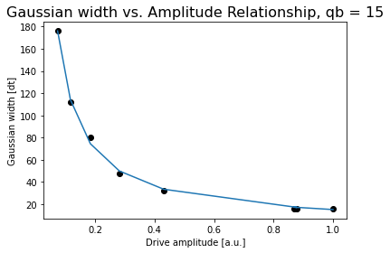
Sigma = 176

 |  |  | Conversion constant: 15.113382279092622. Exponent: -0.9420720154939807

Jojo16
Pi Amplitude = 0.9255702985634208 | ['5efa3367f3a1b300132cd0f7', | Pi Amplitude = 0.9255702985634208 | ['5efa40fb1c6a20001272eb0a',
Duration = 80 | '5efa33691f31490012fddb76', | Period = 85.60944330663746 | '5efa40fe2aeb6200123d2be1',
Sigma = 16 | '5efa336c20eee10013be430c', |  | '5efa4101f3a1b300132cd1fd',
 | '5efa336e04f6d40013665bca', | Pi Amplitude = 0.9002837456502224 | '5efa41031f31490012fddc55',
Pi Amplitude = 0.9002837456502224 | '5efa337004f6d40013665bcb', | Period = 87.74328452860695 | '5efa4106f3a1b300132cd1fe',
Duration = 112 | '5efa337311d14f0013abecf3', |  | '5efa41091f31490012fddc56',
Sigma = 16 | '5efa337620eee10013be430d', | Pi Amplitude = 0.8125224123005497 | '5efa410d2aeb6200123d2be3',
 | '5efa337920eee10013be430f'] | Period = 95.94887545086506 | '5efa411120eee10013be43ee']
Pi Amplitude = 0.8125224123005497
Duration = 176 | [[16, 80, 0.9255702985634208], | Pi Amplitude = 0.54164904240245
Sigma = 16 | [16, 112, 0.9002837456502224], | Period = 138.82800013054782
 | [16, 176, 0.8125224123005497],
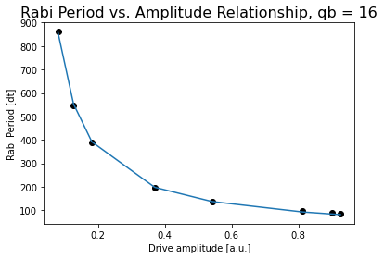
Pi Amplitude = 0.54164904240245 | [32, 256, 0.54164904240245], | Pi Amplitude = 0.3702369874891184
Duration = 256 | [48, 400, 0.3702369874891184], | Period = 197.85084515365193
Sigma = 32 | [80, 608, 0.18186309701223674],
 | [112, 944, 0.12702749286796988], | Pi Amplitude = 0.18186309701223674
Pi Amplitude = 0.3702369874891184 | [176, 1440, 0.08046901719369828]] | Period = 388.3027063078206
Duration = 400
Sigma = 48 |  | Pi Amplitude = 0.12702749286796988
 |  | Period = 547.3716399870816
Pi Amplitude = 0.18186309701223674
Duration = 608 |  | Pi Amplitude = 0.08046901719369828
Sigma = 80 |  | Period = 861.1932667605826

Pi Amplitude = 0.12702749286796988
Duration = 944
Sigma = 112
 |  |  | Conversion constant: 76.16056132506117. Exponent: -0.9607519043146192
Pi Amplitude = 0.08046901719369828
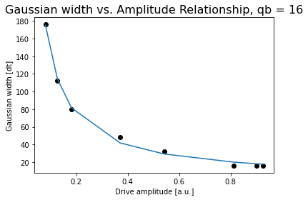
Duration = 1440
Sigma = 176

 |  |  | Conversion constant: 16.434457262102157. Exponent: -0.9389201013042705

Jojo17
Pi Amplitude = 0.8694900512886118 | ['5efa4c291c6a20001272ebb8', | Pi Amplitude = 0.8694900512886118 | ['5efa57ed2aeb6200123d2d9c',
Duration = 80 | '5efa4c2b2aeb6200123d2c69', | Period = 79.94524312025808 | '5efa57f01f31490012fdde08',
Sigma = 16 | '5efa4c2d04f6d40013665d48', |  | '5efa57f32aeb6200123d2d9d',
 | '5efa4c2f6920cd00125239e9', | Pi Amplitude = 0.8674870203693015 | '5efa57f61c6a20001272ece3',
Pi Amplitude = 0.8674870203693015 | '5efa4c317c0d6800137ffda4', | Period = 80.05953915145214 | '5efa57f96920cd0012523b0e',
Duration = 112 | '5efa4c341c6a20001272ebb9', |  | '5efa57fc03510e00123c9b2e',
Sigma = 16 | '5efa4c372aeb6200123d2c6b', | Pi Amplitude = 0.8039648763939761 | '5efa580004f6d40013665e81',
 | '5efa4c3a6920cd00125239ea'] | Period = 85.57704236605974 | '5efa580403510e00123c9b31']
Pi Amplitude = 0.8039648763939761
Duration = 176 | [[16, 80, 0.8694900512886118], | Pi Amplitude = 0.4256695203330245
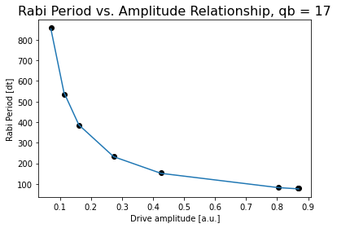
Sigma = 16 | [16, 112, 0.8674870203693015], | Period = 154.18822787816336
 | [16, 176, 0.8039648763939761],
Pi Amplitude = 0.4256695203330245 | [32, 256, 0.4256695203330245], | Pi Amplitude = 0.2728874688691777
Duration = 256 | [48, 400, 0.2728874688691777], | Period = 233.3159998399876
Sigma = 32 | [80, 608, 0.160775094300207],
 | [112, 944, 0.11266391095916693], | Pi Amplitude = 0.160775094300207
Pi Amplitude = 0.2728874688691777 | [176, 1440, 0.0706996391426449]] | Period = 383.9691696084671
Duration = 400
Sigma = 48 |  | Pi Amplitude = 0.11266391095916693
 |  | Period = 535.0791573074756
Pi Amplitude = 0.160775094300207
Duration = 608 |  | Pi Amplitude = 0.0706996391426449
Sigma = 80 |  | Period = 857.2840535651976

Pi Amplitude = 0.11266391095916693
Duration = 944 |  |  | Conversion constant: 66.61375917115514. Exponent: -0.9620204924453801
Sigma = 112
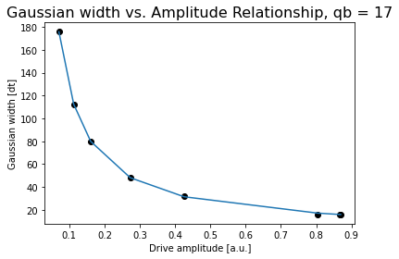
Pi Amplitude = 0.0706996391426449
Duration = 1440
Sigma = 176

 |  |  | Conversion constant: 13.78818074531042. Exponent: -0.9609761215025634

