Armonk0
Pi Amplitude = 0.4235238255511584 | ['5eeaa21fd9e647001a477d2f', | ['5eeaf4bee3d491001a60dd66',
Duration = 1616 | '5eeaa2245d75090019a8b2c3', | '5eeaf4c214db0a0019306836',
Sigma = 208 | '5eeaa2294eea73001bfd54b5', | '5eeaf4c654878b00193e9a88',
Period = 954.3099687332186 | '5eeaa22ed9e647001a477d31', | '5eeaf4ca9d9e8800191adb6e',
 | '5eeaa234f9a970001a0ed63e', | '5eeaf4cecfad09001a79731f',
Pi Amplitude = 0.35785919192009924 | '5eeaa23b9d9e8800191ad8a6', | '5eeaf4d34eea73001bfd578d',
Duration = 1984 | '5eeaa242e3d491001a60da85', | '5eeaf4d8e8447b0019a7afbf',
Sigma = 240 | '5eeaa24bf9a970001a0ed640', | '5eeaf4dee3d491001a60dd6a',
Period = 1158.854674275092 | '5eeaa253e3d491001a60da88', | '5eeaf4e3e8447b0019a7afc0',
 | '5eeaa25c14db0a001930655e'] | '5eeaf4e9e3d491001a60dd6c']
Pi Amplitude = 0.29869942089171625
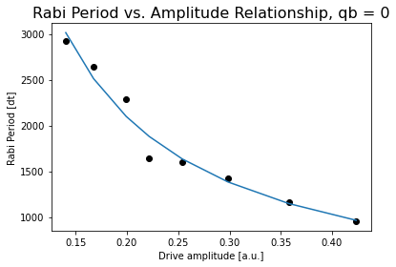
Duration = 2336 | [[208, 1616, 0.4235238255511584],
Sigma = 288 | [240, 1984, 0.35785919192009924],
Period = 1421.3630827299987 | [288, 2336, 0.29869942089171625],
 | [336, 2704, 0.2538870311410756],
Pi Amplitude = 0.2538870311410756 | [384, 3056, 0.22165413706048734],
Duration = 2704 | [432, 3424, 0.19926012331224413],
Sigma = 336 | [480, 3776, 0.17796453073600368],
Period = 1603.291984341002 | [512, 4144, 0.16745387953645477],
 | [560, 4496, 0.15179216078521446],
Pi Amplitude = 0.22165413706048734 | [608, 4864, 0.1403380794470017]]
Duration = 3056
Sigma = 384
Period = 1635.8549850352426

Pi Amplitude = 0.19926012331224413
Duration = 3424
Sigma = 432 |  | Conversion constant: 396.82938853064877. Exponent: -1.0324290902994375
Period = 2282.192678423273
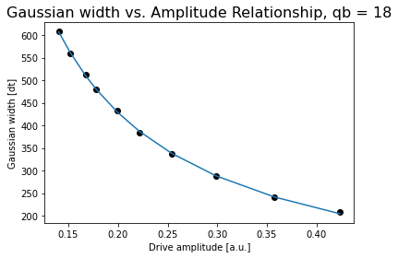
Pi Amplitude = 0.17796453073600368
Duration = 3776
Sigma = 480
Period = 2914.115653792177

Pi Amplitude = 0.16745387953645477
Duration = 4144
Sigma = 512
Period = 2644.975456267281

Pi Amplitude = 0.15179216078521446
Duration = 4496
Sigma = 560
Period = 138846.8702463282
 |  | Conversion constant: 87.54344062139323. Exponent: -0.986135023870862
Pi Amplitude = 0.1403380794470017
Duration = 4864
Sigma = 608
Period = 2923.1163996554224

Jojo0
Pi Amplitude = 0.746812671196298 | ['5ef217d20935ad0012f6281a', |  |  | Pi Amplitude = 0.746812671196298 | ['5ef21cbe0935ad0012f6283e',
Duration = 80 | '5ef217d5e957cd001433dcb0', |  |  | Period = 80.84544926798424 | '5ef21cc3e957cd001433dcd6',
Sigma = 16 | '5ef217d774e2c3001237c73f', |  |  |  | '5ef21cc574e2c3001237c760',
 | '5ef217da74e2c3001237c740', |  |  | Pi Amplitude = 0.7728705049061994 | '5ef21cc8dc3044001186b1a9',
Pi Amplitude = 0.7728705049061994 | '5ef217dceedb510013249ccc', |  |  | Period = 78.71649894222362 | '5ef21ccbfbc24b001275a222', |  |  |  |  |  | 699.79700203 | 9.5693037992
Duration = 112 | '5ef217dee957cd001433dcb3', |  |  |  | '5ef21cce74e2c3001237c761', |  |  |  |  |  | 2799.1880081 | 8.9536251303
Sigma = 16 | '5ef217e174e2c3001237c741', |  |  | Pi Amplitude = 0.6585249221137706 | '5ef21cd1dc3044001186b1ab', |  |  |  |  |  | 5598.3760162 | 8.4996297288
 | '5ef217e56c16190012682bd3'] |  |  | Period = 89.80160390902282 | '5ef21cd53ab4960013c77194'] |  |  |  |  |  | 11196.752032 | 6.8378376106
Pi Amplitude = 0.6585249221137706 |  |  |  |  |  |  |  |  |  |  | 22393.504065 | 6.138038923
Duration = 176 |  |  |  | Pi Amplitude = 0.3697423251225845 |  |  |  |  |  |  | 745.54233784 | 10.1442361
Sigma = 16 | [[16, 80, 0.746812671196298], |  |  | Period = 148.25931195983276 |  |  |  |  |  |  | 2982.1693514 | 9.2868617428
 | [16, 112, 0.7728705049061994], |  |  |  |  |  |  |  |  |  | 5964.3387028 | 8.3823286193
Pi Amplitude = 0.3697423251225845 | [16, 176, 0.6585249221137706], |  |  | Pi Amplitude = 0.22222851740909544 |  |  |  |  |  |  | 11928.677406 | 7.0514500297
Duration = 256 | [32, 256, 0.3697423251225845], |  |  | Period = 238.22619394595787 |  |  |  |  |  |  | 23857.354811 | 5.4345981875
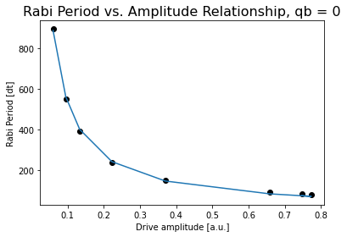
Sigma = 32 | [48, 400, 0.22222851740909544], |  |  |  |  |  |  |  |  |  | 791.83296784 | 9.8640924697
 | [80, 608, 0.13313518634587407], |  |  | Pi Amplitude = 0.13313518634587407 |  |  |  |  |  |  | 3167.3318713 | 9.0554599454
Pi Amplitude = 0.22222851740909544 | [112, 944, 0.09471767851172616], |  |  | Period = 392.83123465750583 |  |  |  |  |  |  | 6334.6637427 | 8.1041072998
Duration = 400 | [176, 1440, 0.05962263431168813]] |  |  |  |  |  |  |  |  |  | 12669.327485 | 6.5644182423
Sigma = 48 |  |  |  | Pi Amplitude = 0.09471767851172616 |  |  |  |  |  |  | 25338.654971 | 4.7284060536
 |  |  |  | Period = 551.2120914848516 |  |  |  |  |  |  | 838.42168353 | 9.1210233489
Pi Amplitude = 0.13313518634587407 |  |  |  |  |  |  |  |  |  |  | 3353.6867341 | 8.4995807411
Duration = 608 |  |  |  | Pi Amplitude = 0.05962263431168813 |  |  |  |  |  |  | 6707.3734682 | 7.4811316447
Sigma = 80 |  |  |  | Period = 895.1106496959361 |  |  |  |  |  |  | 13414.746936 | 6.2527912441
 |  |  |  |  |  |  |  |  |  |  | 26829.493873 | 4.2172305465
Pi Amplitude = 0.09471767851172616 |  |  |  |  |  |  |  |  |  |  | 885.19861022 | 9.4306296295
Duration = 944 |  |  |  |  |  |  |  |  |  |  | 3540.7944409 | 8.504098612
Sigma = 112 |  |  |  |  |  |  |  |  |  |  | 7081.5888818 | 7.1506922331
 |  |  |  |  |  |  |  |  |  |  | 14163.177764 | 5.7144083231
Pi Amplitude = 0.05962263431168813 |  |  |  |  |  |  |  |  |  |  | 28326.355527 | 3.8773580609
Duration = 1440 |  |  |  |  |  |  |  |  |  |  | 932.10523401 | 9.1514486801
Sigma = 176 |  |  |  |  |  | Conversion constant: 54.07447683508908. Exponent: -0.9924372112785861 |  |  |  |  | 3728.4209361 | 8.2881212668
 |  |  |  |  |  |  |  |  |  |  | 7456.8418721 | 6.9056210609
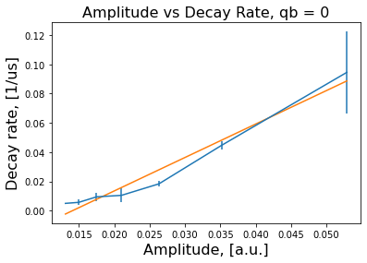
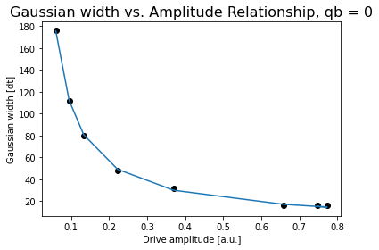
 |  |  |  |  |  |  |  |  |  |  | 14913.683744 | 5.416047239
 |  |  |  |  |  |  |  |  |  |  | 29827.367488 | 3.0568263859
 |  |  |  |  |  |  |  |  |  |  | 979.10667409 | 8.9535549821
 |  |  |  |  |  |  |  |  |  |  | 3916.4266964 | 7.7672000796
 |  |  |  |  |  |  |  |  |  |  | 7832.8533927 | 6.7165641569
 |  |  |  |  |  |  |  |  |  |  | 15665.706785 | 5.0376736818
 |  |  |  |  |  |  |  |  |  |  | 31331.413571 | 3.077483383

 |  |  |  |  |  | Conversion constant: 11.48089749887833. Exponent: -0.9672752940591574
 |  | 2.2863553614 | 0.19947105445
 |  | -0.032227997297 | 0.0057744362358 |  |  | 0.019044192284

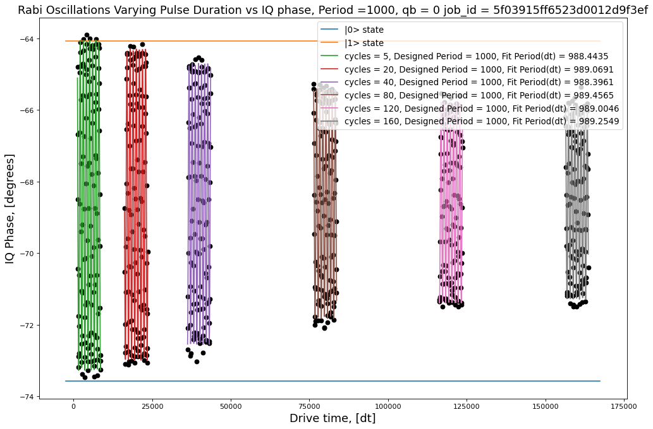
 |  |  |  |  |  |  |  |  |  |  |  | [[ 6.28507691e-04 -1.34851413e-05 -1.86868282e-04 6.28603874e-06]
 |  |  |  |  |  |  | 5 | 4.6177107394 | 9.5693037992 | 699.79700203 |  | [-1.34851413e-05 3.15236787e-04 1.98487056e-05 -5.67705194e-06]
 |  |  |  |  |  |  | 20 | 4.3517821877 | 8.9536251303 | 2799.1880081 |  | [-1.86868282e-04 1.98487056e-05 1.55869722e-01 -4.91828608e-03]
 |  |  |  |  |  |  | 40 | 3.9296650832 | 8.4996297288 | 5598.3760162 |  | [ 6.28603874e-06 -5.67705194e-06 -4.91828608e-03 1.84752982e-04]]
 |  |  |  |  |  |  | 80 | 3.2090854471 | 6.8378376106 | 11196.752032 |  | [0.02507006 0.01775491 0.3948034 0.01359239]
 |  |  |  |  |  |  | 160 | 2.7099380986 | 6.138038923 | 22393.504065
 |  |  |  |  |  |  |  |  |  |  |  | [[ 4.83232797e-04 2.03546462e-05 -2.87874606e-04 3.67977654e-05]
 |  |  |  |  |  |  |  |  |  |  |  | [ 2.03546462e-05 2.41134942e-04 2.29353700e-05 -3.59977746e-06]
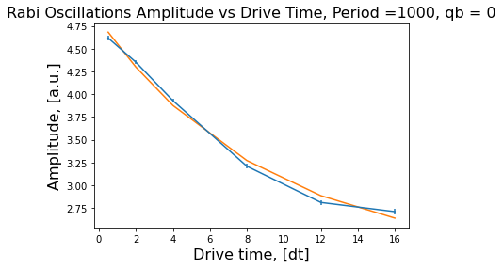
 |  |  |  |  |  |  |  |  |  |  |  | [-2.87874606e-04 2.29353700e-05 1.33458018e-01 -1.70970403e-02]
 |  |  |  |  |  |  |  |  |  |  |  | [ 3.67977654e-05 -3.59977746e-06 -1.70970403e-02 2.21562174e-03]]
 |  |  |  |  |  |  |  |  |  |  |  | [0.02198256 0.01552852 0.36531906 0.04707039]

 |  |  |  |  |  |  |  |  |  |  |  | [[ 6.53481743e-04 2.64526201e-06 4.49085132e-04 -1.15379469e-04]
 |  |  |  |  |  |  |  |  |  |  |  | [ 2.64526201e-06 3.27965417e-04 4.68041094e-06 5.89399569e-06]
 |  |  |  |  |  |  |  |  |  |  |  | [ 4.49085132e-04 4.68041094e-06 2.24675324e-01 -5.77761732e-02]
 |  |  |  |  |  |  |  |  |  |  |  | [-1.15379469e-04 5.89399569e-06 -5.77761732e-02 1.48999166e-02]]
 |  |  |  |  |  |  |  |  |  |  |  | [0.02556329 0.01810982 0.47399929 0.12206521]

 |  |  |  |  |  |  |  |  |  |  |  | [[ 7.40845074e-04 1.15409387e-05 -4.70676691e-04 2.41372778e-04]
 |  |  |  |  |  |  |  |  |  |  |  | [ 1.15409387e-05 3.71425994e-04 -1.35332136e-05 -2.26694412e-06]
 |  |  |  |  |  |  |  |  |  |  |  | [-4.70676691e-04 -1.35332136e-05 3.81579650e-01 -1.95967727e-01]
 |  |  |  |  |  |  |  |  |  |  |  | [ 2.41372778e-04 -2.26694412e-06 -1.95967727e-01 1.00715198e-01]]
 |  |  |  |  |  |  |  |  |  |  |  | [0.02721847 0.01927242 0.61772134 0.31735658]
 |  |  |  |  |  |  |  |  | [2.6212045 0.11222986 2.20360033]
 |  |  |  |  |  |  |  | Decay rate | 0.11222986289 |  |  | [[ 7.67442624e-04 1.78113770e-05 3.17647132e-04 -2.44262357e-04]
 |  |  |  |  |  |  |  | Amplitude | 0.052885570704 |  |  | [ 1.78113770e-05 3.84759297e-04 3.24028537e-05 -1.51494428e-05]
 |  |  |  |  |  |  |  |  | [[ 0.06460399 -0.0060934 -0.07180843] |  |  | [ 3.17647132e-04 3.24028537e-05 5.13905945e-01 -3.96275613e-01]
 |  |  |  |  |  |  |  |  | [-0.0060934 0.00077735 0.00792731] |  |  | [-2.44262357e-04 -1.51494428e-05 -3.96275613e-01 3.05667562e-01]]
 |  |  |  |  |  |  |  |  | [-0.07180843 0.00792731 0.0877013 ]] |  |  | [0.02770275 0.01961528 0.71687234 0.5528721 ]

 |  |  |  |  |  |  |  |  |  |  |  | [[ 7.85381491e-04 2.45385981e-05 3.87061459e-05 -4.04858752e-05]
 |  |  |  |  |  |  |  | 7.5 cycles |  |  |  | [ 2.45385981e-05 3.93345528e-04 -3.94727543e-05 3.20840251e-05]
 |  |  |  |  |  |  |  |  |  |  |  | [ 3.87061459e-05 -3.94727543e-05 5.64413203e-01 -5.79978522e-01]
 |  |  |  |  |  |  |  |  |  |  |  | [-4.04858752e-05 3.20840251e-05 -5.79978522e-01 5.96080009e-01]]
 |  |  |  |  |  |  |  |  |  |  |  | [0.02802466 0.01983294 0.75127439 0.77206218]

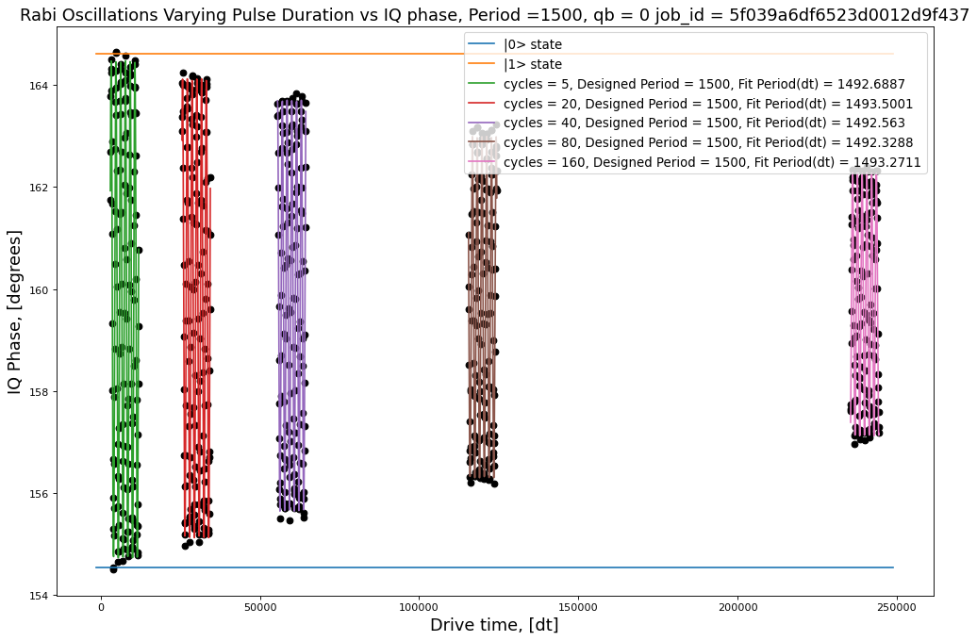
 |  |  |  |  |  |  |  |  |  |  |  | [[ 3.89572690e-04 5.06449898e-07 3.75364161e-04 -8.01874157e-06]
 |  |  |  |  |  |  | 5 | 4.8679719585 | 10.1442361 | 745.54233784 |  | [ 5.06449898e-07 1.94930059e-04 3.66227008e-04 -7.76829231e-06]
 |  |  |  |  |  |  | 20 | 4.4983349173 | 9.2868617428 | 2982.1693514 |  | [ 3.75364161e-04 3.66227008e-04 3.08677249e-01 -6.57472551e-03]
 |  |  |  |  |  |  | 40 | 4.0262025281 | 8.3823286193 | 5964.3387028 |  | [-8.01874157e-06 -7.76829231e-06 -6.57472551e-03 1.56449346e-04]]
 |  |  |  |  |  |  | 80 | 3.3462373664 | 7.0514500297 | 11928.677406 |  | [0.0197376 0.01396174 0.5555873 0.01250797]
 |  |  |  |  |  |  | 160 | 2.5765097532 | 5.4345981875 | 23857.354811
 |  |  |  |  |  |  |  |  |  |  |  | [[ 4.69696054e-04 2.20469519e-07 1.32632308e-04 -1.12288532e-05]
 |  |  |  |  |  |  |  |  |  |  |  | [ 2.20469519e-07 2.36447709e-04 8.43650673e-04 -7.15073676e-05]
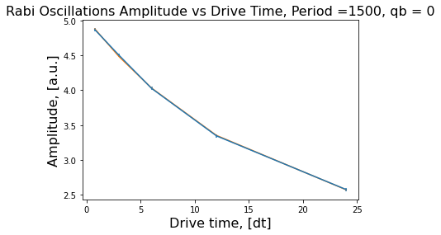
 |  |  |  |  |  |  |  |  |  |  |  | [ 1.32632308e-04 8.43650673e-04 4.40879801e-01 -3.73639991e-02]
 |  |  |  |  |  |  |  |  |  |  |  | [-1.12288532e-05 -7.15073676e-05 -3.73639991e-02 3.18976223e-03]]
 |  |  |  |  |  |  |  |  |  |  |  | [0.02167247 0.01537686 0.6639878 0.05647798]

 |  |  |  |  |  |  |  |  |  |  |  | [[ 4.17454531e-04 1.41998801e-06 6.16555959e-04 -1.04343829e-04]
 |  |  |  |  |  |  |  |  |  |  |  | [ 1.41998801e-06 2.11905799e-04 1.30922352e-03 -2.21603858e-04]
 |  |  |  |  |  |  |  |  |  |  |  | [ 6.16555959e-04 1.30922352e-03 4.94950157e-01 -8.37812150e-02]
 |  |  |  |  |  |  |  |  |  |  |  | [-1.04343829e-04 -2.21603858e-04 -8.37812150e-02 1.42075455e-02]]
 |  |  |  |  |  |  |  |  |  |  |  | [0.0204317 0.01455698 0.70352694 0.11919541]

 |  |  |  |  |  |  |  |  |  |  |  | [[ 4.79825005e-04 -6.32367601e-07 -3.75112376e-04 1.26758635e-04]
 |  |  |  |  |  |  |  |  |  |  |  | [-6.32367601e-07 2.40957607e-04 9.84379230e-04 -3.32957485e-04]
 |  |  |  |  |  |  |  |  |  |  |  | [-3.75112376e-04 9.84379230e-04 8.07935027e-01 -2.73210186e-01]
 |  |  |  |  |  |  |  |  |  |  |  | [ 1.26758635e-04 -3.32957485e-04 -2.73210186e-01 9.24311889e-02]]
 |  |  |  |  |  |  |  |  |  |  |  | [0.02190491 0.01552281 0.89885206 0.30402498]
 |  |  |  |  |  |  |  |  | [3.12851878 0.06362834 1.89438424]
 |  |  |  |  |  |  |  | Decay rate | 0.063628338951 |  |  | [[ 5.66570197e-04 1.89199568e-06 -1.16599760e-03 7.88180380e-04]
 |  |  |  |  |  |  |  | Amplitude | 0.035148277524 |  |  | [ 1.89199568e-06 2.87297133e-04 -2.69054781e-03 1.81872204e-03]
 |  |  |  |  |  |  |  |  | [[ 4.14399294e-03 -1.63978965e-04 -4.49718067e-03] |  |  | [-1.16599760e-03 -2.69054781e-03 1.63877318e+00 -1.10775514e+00]
 |  |  |  |  |  |  |  |  | [-1.63978965e-04 8.01854075e-06 1.94481572e-04] |  |  | [ 7.88180380e-04 1.81872204e-03 -1.10775514e+00 7.48890169e-01]]
 |  |  |  |  |  |  |  |  | [-4.49718067e-03 1.94481572e-04 5.10999376e-03]] |  |  | [0.02380274 0.01694984 1.28014576 0.86538441]

 |  |  |  |  |  |  |  | 6 cycles

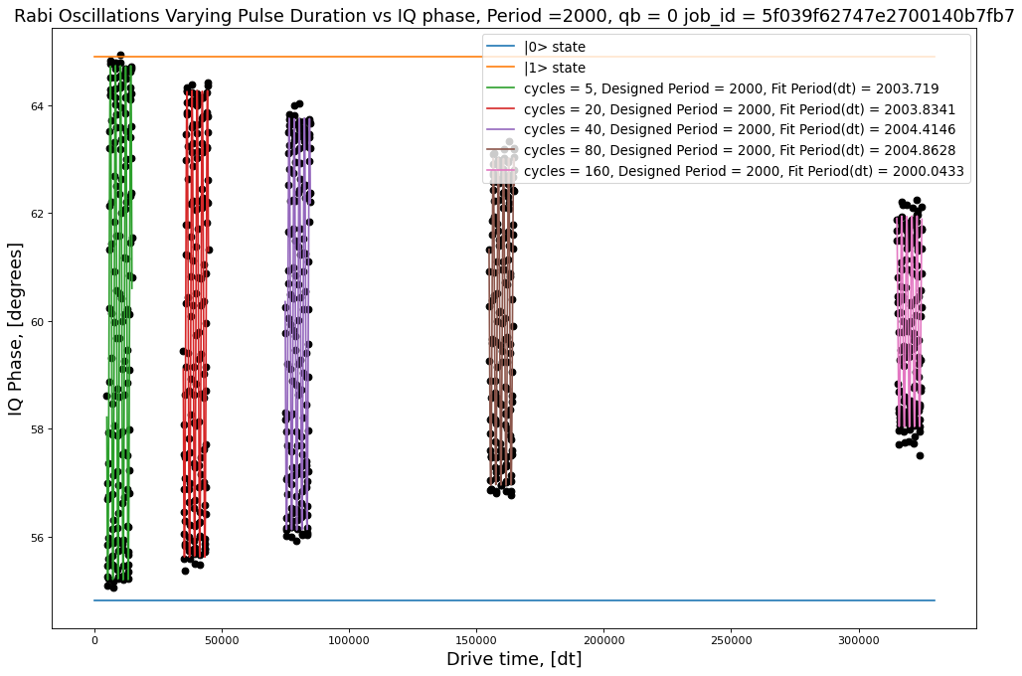

 |  |  |  |  |  |  | 5 | 4.7668590527 | 9.8640924697 | 791.83296784 |  | [[ 2.91041173e-04 1.43953399e-07 7.29651185e-04 -1.12787584e-05]
 |  |  |  |  |  |  | 20 | 4.32508765 | 9.0554599454 | 3167.3318713 |  | [ 1.43953399e-07 1.46586984e-04 -1.90465568e-04 3.59365468e-06]
 |  |  |  |  |  |  | 40 | 3.8167485378 | 8.1041072998 | 6334.6637427 |  | [ 7.29651185e-04 -1.90465568e-04 6.59315582e-01 -1.03241213e-02]
 |  |  |  |  |  |  | 80 | 3.0335534905 | 6.5644182423 | 12669.327485 |  | [-1.12787584e-05 3.59365468e-06 -1.03241213e-02 1.74685615e-04]]
 |  |  |  |  |  |  | 160 | 1.9539261467 | 4.7284060536 | 25338.654971 |  | [0.01705993 0.01210731 0.8119825 0.01321687]

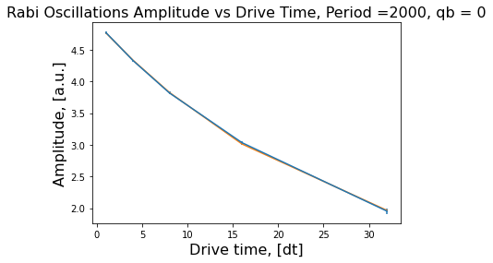
 |  |  |  |  |  |  |  |  |  |  |  | [[ 2.90591901e-04 -7.02308892e-08 8.21640610e-04 -5.14436980e-05]
 |  |  |  |  |  |  |  |  |  |  |  | [-7.02308892e-08 1.46341187e-04 1.04492903e-04 -5.85168421e-06]
 |  |  |  |  |  |  |  |  |  |  |  | [ 8.21640610e-04 1.04492903e-04 8.00280306e-01 -5.00270539e-02]
 |  |  |  |  |  |  |  |  |  |  |  | [-5.14436980e-05 -5.85168421e-06 -5.00270539e-02 3.14308691e-03]]
 |  |  |  |  |  |  |  |  |  |  |  | [0.01704676 0.01209716 0.89458387 0.05606324]

 |  |  |  |  |  |  |  |  |  |  |  | [[ 4.16018423e-04 -8.94863666e-07 9.74584641e-04 -1.22481111e-04]
 |  |  |  |  |  |  |  |  |  |  |  | [-8.94863666e-07 2.09978214e-04 1.01471113e-03 -1.25672018e-04]
 |  |  |  |  |  |  |  |  |  |  |  | [ 9.74584641e-04 1.01471113e-03 1.46804127e+00 -1.83350802e-01]
 |  |  |  |  |  |  |  |  |  |  |  | [-1.22481111e-04 -1.25672018e-04 -1.83350802e-01 2.29285221e-02]]
 |  |  |  |  |  |  |  |  |  |  |  | [0.02039653 0.01449063 1.21162753 0.15142167]

 |  |  |  |  |  |  |  |  |  |  |  | [[ 9.17341153e-04 -6.08179005e-06 3.46175415e-04 -8.96365125e-05]
 |  |  |  |  |  |  |  |  |  |  |  | [-6.08179005e-06 4.64377325e-04 5.08504632e-03 -1.26791936e-03]
 |  |  |  |  |  |  |  |  |  |  |  | [ 3.46175415e-04 5.08504632e-03 5.06653213e+00 -1.26570281e+00]
 |  |  |  |  |  |  |  |  |  |  |  | [-8.96365125e-05 -1.26791936e-03 -1.26570281e+00 3.16293269e-01]]
 |  |  |  |  |  |  |  |  | [4.23233018 0.03735494 0.68486185] |  |  | [0.03028764 0.02154942 2.25089585 0.56239956]
 |  |  |  |  |  |  |  | Decay rate | 0.037354940556
 |  |  |  |  |  |  |  | Amplitude | 0.026303480865 |  |  | [[ 2.01982831e-03 -2.92611227e-05 -1.32317203e-02 6.65048662e-03]
 |  |  |  |  |  |  |  |  | [[ 1.70651698e-02 -2.33798736e-04 -1.78195296e-02] |  |  | [-2.92611227e-05 1.02366266e-03 2.56512247e-02 -1.28922739e-02]
 |  |  |  |  |  |  |  |  | [-2.33798736e-04 3.47467488e-06 2.48768010e-04] |  |  | [-1.32317203e-02 2.56512247e-02 2.61068162e+01 -1.31210881e+01]
 |  |  |  |  |  |  |  |  | [-1.78195296e-02 2.48768010e-04 1.87234069e-02]] |  |  | [ 6.65048662e-03 -1.28922739e-02 -1.31210881e+01 6.59507826e+00]]
 |  |  |  |  |  |  |  |  |  |  |  | [0.0449425 0.03199473 5.10948297 2.56808844]

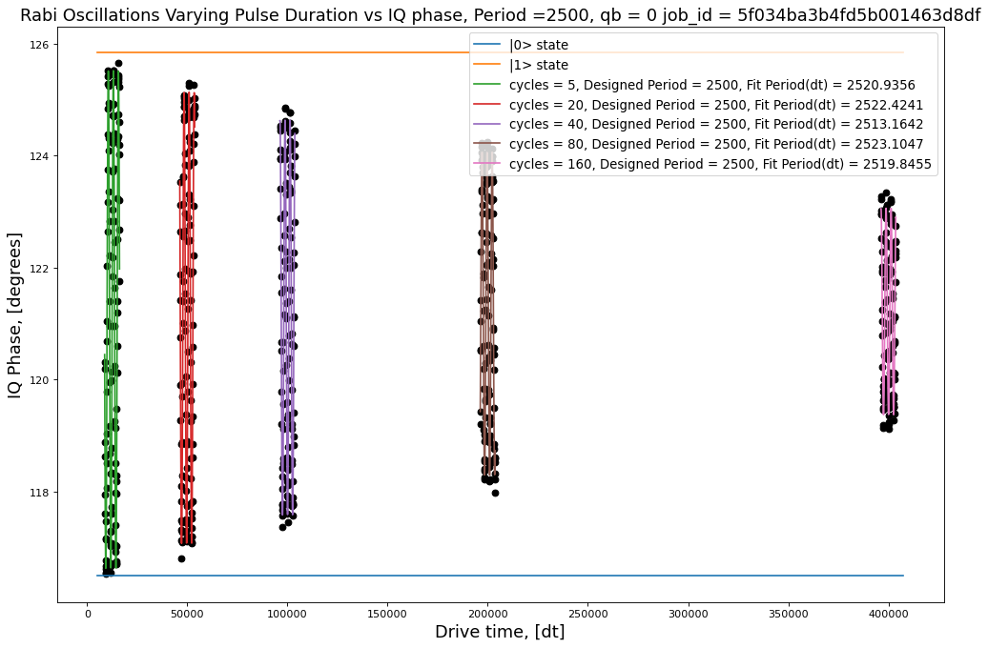
 |  |  |  |  |  |  | 5 | 4.4430162161 | 9.1210233489 | 838.42168353 |  | [[ 4.81901339e-04 1.12644263e-07 4.74699026e-03 -5.85053644e-05]
 |  |  |  |  |  |  | 20 | 4.0297639132 | 8.4995807411 | 3353.6867341 |  | [ 1.12644263e-07 2.41334419e-04 3.05414079e-04 -2.66455246e-06]
 |  |  |  |  |  |  | 40 | 3.5263238384 | 7.4811316447 | 6707.3734682 |  | [ 4.74699026e-03 3.05414079e-04 5.46947581e+00 -6.73308717e-02]
 |  |  |  |  |  |  | 80 | 2.8843571984 | 6.2527912441 | 13414.746936 |  | [-5.85053644e-05 -2.66455246e-06 -6.73308717e-02 8.53557969e-04]]
 |  |  |  |  |  |  | 160 | 1.8429766304 | 4.2172305465 | 26829.493873 |  | [0.02195225 0.01553494 2.33869105 0.02921571]

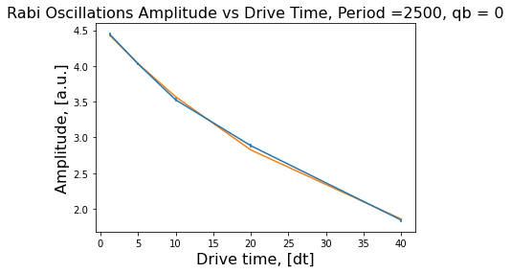
 |  |  |  |  |  |  |  |  |  |  |  | [[ 5.15762019e-04 -4.89851628e-06 -7.02464909e-04 3.31616823e-05]
 |  |  |  |  |  |  |  |  |  |  |  | [-4.89851628e-06 2.67975702e-04 8.69641113e-03 -4.26446677e-04]
 |  |  |  |  |  |  |  |  |  |  |  | [-7.02464909e-04 8.69641113e-03 7.29515356e+00 -3.58508117e-01]
 |  |  |  |  |  |  |  |  |  |  |  | [ 3.31616823e-05 -4.26446677e-04 -3.58508117e-01 1.76499795e-02]]
 |  |  |  |  |  |  |  |  |  |  |  | [0.02271039 0.01636996 2.7009542 0.13285323]

 |  |  |  |  |  |  |  |  |  |  |  | [[ 5.67258182e-04 1.32585770e-05 6.87349482e-03 -6.84654713e-04]
 |  |  |  |  |  |  |  |  |  |  |  | [ 1.32585770e-05 2.99579530e-04 1.44560707e-02 -1.43917089e-03]
 |  |  |  |  |  |  |  |  |  |  |  | [ 6.87349482e-03 1.44560707e-02 1.04765715e+01 -1.04281319e+00]
 |  |  |  |  |  |  |  |  |  |  |  | [-6.84654713e-04 -1.43917089e-03 -1.04281319e+00 1.03843857e-01]]
 |  |  |  |  |  |  |  |  |  |  |  | [0.02381718 0.01730837 3.23675323 0.32224813]

 |  |  |  |  |  |  |  |  |  |  |  | [[ 8.71891411e-04 -8.61257782e-06 1.81007370e-03 -3.53590074e-04]
 |  |  |  |  |  |  |  |  |  |  |  | [-8.61257782e-06 4.53078033e-04 -2.06196941e-02 4.06323637e-03]
 |  |  |  |  |  |  |  |  |  |  |  | [ 1.81007370e-03 -2.06196941e-02 2.40967749e+01 -4.75102296e+00]
 |  |  |  |  |  |  |  |  | [3.9170857 0.0294899 0.65297238] |  |  | [-3.53590074e-04 4.06323637e-03 -4.75102296e+00 9.36836530e-01]]
 |  |  |  |  |  |  |  | Decay rate | 0.029489898895 |  |  | [0.02952781 0.02128563 4.9088466 0.96790316]
 |  |  |  |  |  |  |  | Amplitude | 0.021007032943
 |  |  |  |  |  |  |  |  | [[ 1.23124968e-01 -1.63219385e-03 -1.31400770e-01] |  |  | [[ 8.74881377e-04 2.25314925e-05 2.02303368e-02 -8.01097675e-03]
 |  |  |  |  |  |  |  |  | [-1.63219385e-03 2.36442894e-05 1.79138099e-03] |  |  | [ 2.25314925e-05 4.60743924e-04 4.24158403e-02 -1.67927399e-02]
 |  |  |  |  |  |  |  |  | [-1.31400770e-01 1.79138099e-03 1.41953539e-01]] |  |  | [ 2.02303368e-02 4.24158403e-02 5.92011365e+01 -2.34365919e+01]
 |  |  |  |  |  |  |  |  |  |  |  | [-8.01097675e-03 -1.67927399e-02 -2.34365919e+01 9.27834749e+00]]
 |  |  |  |  |  |  |  |  |  |  |  | [0.02957839 0.02146495 7.69422748 3.046038 ]

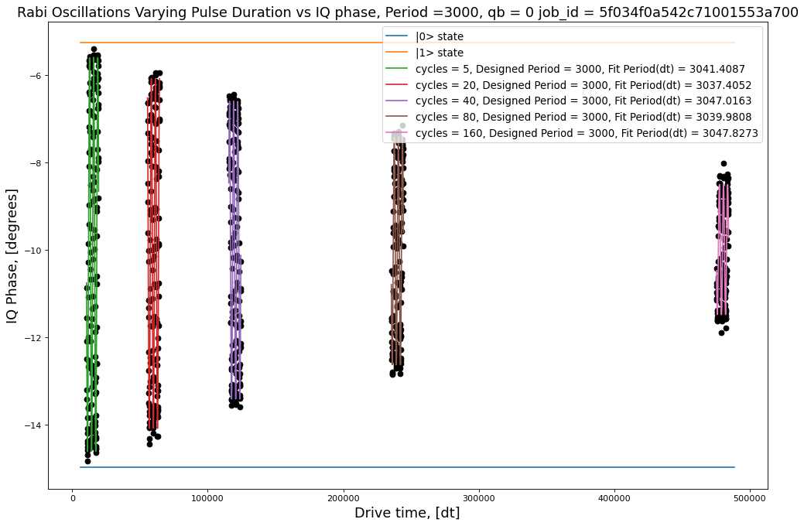
 |  |  |  |  |  |  | 5 | 4.5095854796 | 9.4306296295 | 885.19861022 |  | [[ 4.10271926e-04 -4.81165730e-08 4.76757905e-03 -4.86596746e-05]
 |  |  |  |  |  |  | 20 | 3.9998316762 | 8.504098612 | 3540.7944409 |  | [-4.81165730e-08 2.07365360e-04 9.33993730e-04 -7.77176614e-06]
 |  |  |  |  |  |  | 40 | 3.4085075827 | 7.1506922331 | 7081.5888818 |  | [ 4.76757905e-03 9.33993730e-04 6.91177158e+00 -7.01059448e-02]
 |  |  |  |  |  |  | 80 | 2.607163711 | 5.7144083231 | 14163.177764 |  | [-4.86596746e-05 -7.77176614e-06 -7.01059448e-02 7.31832422e-04]]
 |  |  |  |  |  |  | 160 | 1.4906079713 | 3.8773580609 | 28326.355527 |  | [0.02025517 0.01440019 2.62902483 0.0270524 ]

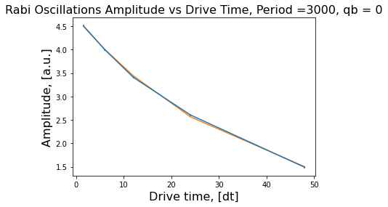
 |  |  |  |  |  |  |  |  |  |  |  | [[ 5.45307732e-04 -1.78651631e-05 -6.92866984e-03 2.81340565e-04]
 |  |  |  |  |  |  |  |  |  |  |  | [-1.78651631e-05 2.85387700e-04 1.45685452e-02 -5.93274921e-04]
 |  |  |  |  |  |  |  |  |  |  |  | [-6.92866984e-03 1.45685452e-02 1.12545831e+01 -4.58756891e-01]
 |  |  |  |  |  |  |  |  |  |  |  | [ 2.81340565e-04 -5.93274921e-04 -4.58756891e-01 1.87325691e-02]]
 |  |  |  |  |  |  |  |  |  |  |  | [0.02335183 0.01689342 3.35478511 0.13686698]

 |  |  |  |  |  |  |  |  |  |  |  | [[ 4.71905256e-04 4.82457940e-07 -6.65005814e-03 5.39180121e-04]
 |  |  |  |  |  |  |  |  |  |  |  | [ 4.82457940e-07 2.39604392e-04 3.42975918e-03 -2.81499561e-04]
 |  |  |  |  |  |  |  |  |  |  |  | [-6.65005814e-03 3.42975918e-03 1.41097242e+01 -1.14651751e+00]
 |  |  |  |  |  |  |  |  |  |  |  | [ 5.39180121e-04 -2.81499561e-04 -1.14651751e+00 9.32047279e-02]]
 |  |  |  |  |  |  |  |  |  |  |  | [0.02172338 0.01547916 3.75629129 0.30529449]

 |  |  |  |  |  |  |  |  |  |  |  | [[ 5.80664409e-04 2.95683795e-08 1.17075999e-02 -1.90983137e-03]
 |  |  |  |  |  |  |  |  |  |  |  | [ 2.95683795e-08 2.93286455e-04 -1.74136752e-03 2.88208165e-04]
 |  |  |  |  |  |  |  |  |  |  |  | [ 1.17075999e-02 -1.74136752e-03 2.91597484e+01 -4.75813020e+00]
 |  |  |  |  |  |  |  |  |  |  |  | [-1.90983137e-03 2.88208165e-04 -4.75813020e+00 7.76493771e-01]]
 |  |  |  |  |  |  |  |  | [4.25790279 0.02846745 0.41671613] |  |  | [0.02409698 0.01712561 5.3999767 0.88118884]
 |  |  |  |  |  |  |  | Decay rate | 0.028467447042
 |  |  |  |  |  |  |  | Amplitude | 0.017481555611 |  |  | [[ 6.83749977e-04 1.92234873e-07 2.38080265e-02 -7.72835786e-03]
 |  |  |  |  |  |  |  |  | [[ 3.97893457e-02 -4.93969348e-04 -4.28446798e-02] |  |  | [ 1.92234873e-07 3.46393268e-04 -3.94377004e-03 1.29005721e-03]
 |  |  |  |  |  |  |  |  | [-4.93969348e-04 7.08335339e-06 5.61341330e-04] |  |  | [ 2.38080265e-02 -3.94377004e-03 1.07241029e+02 -3.48180036e+01]
 |  |  |  |  |  |  |  |  | [-4.28446798e-02 5.61341330e-04 4.73556369e-02]] |  |  | [-7.72835786e-03 1.29005721e-03 -3.48180036e+01 1.13046983e+01]]
 |  |  |  |  |  |  |  |  |  |  |  | [ 0.02614861 0.01861164 10.35572445 3.36224602]

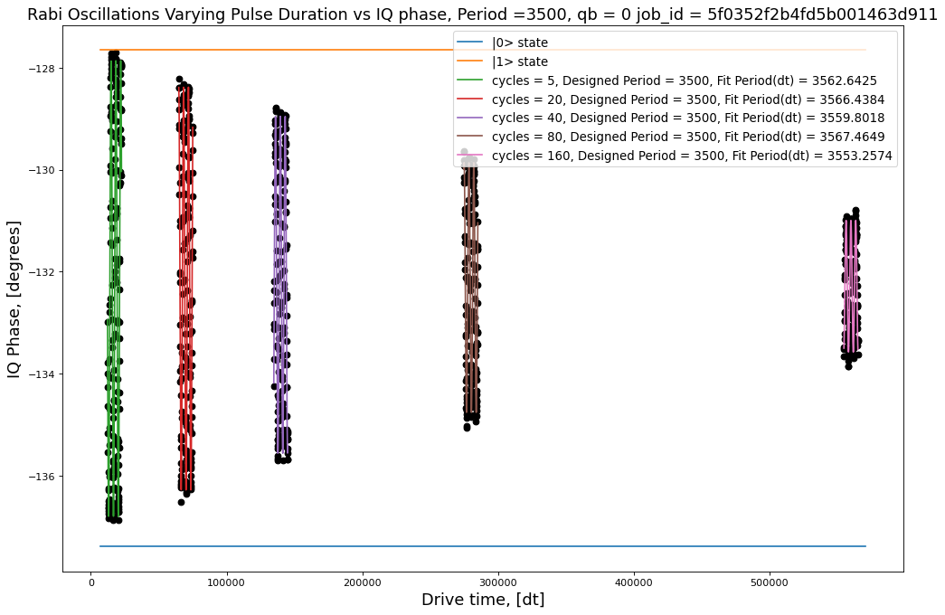

 |  |  |  |  |  |  | 5 | 4.4633628934 | 9.1514486801 | 932.10523401 |  | [[ 4.43777130e-04 -1.47616236e-06 5.44655216e-03 -4.80339908e-05]
 |  |  |  |  |  |  | 20 | 3.9445159786 | 8.2881212668 | 3728.4209361 |  | [-1.47616236e-06 2.27612542e-04 2.83263692e-03 -2.12271337e-05]
 |  |  |  |  |  |  | 40 | 3.3000742969 | 6.9056210609 | 7456.8418721 |  | [ 5.44655216e-03 2.83263692e-03 1.12101749e+01 -9.63791195e-02]
 |  |  |  |  |  |  | 80 | 2.4467719913 | 5.416047239 | 14913.683744 |  | [-4.80339908e-05 -2.12271337e-05 -9.63791195e-02 8.52027834e-04]]
 |  |  |  |  |  |  | 160 | 1.2890070611 | 3.0568263859 | 29827.367488 |  | [0.02106602 0.01508683 3.34815993 0.02918952]

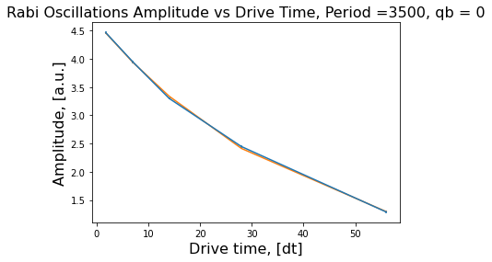
 |  |  |  |  |  |  |  |  |  |  |  | [[ 4.33880507e-04 1.94380401e-05 5.98093469e-03 -2.08997986e-04]
 |  |  |  |  |  |  |  |  |  |  |  | [ 1.94380401e-05 2.24188071e-04 1.32705557e-02 -4.60633308e-04]
 |  |  |  |  |  |  |  |  |  |  |  | [ 5.98093469e-03 1.32705557e-02 1.24632821e+01 -4.31670214e-01]
 |  |  |  |  |  |  |  |  |  |  |  | [-2.08997986e-04 -4.60633308e-04 -4.31670214e-01 1.49773482e-02]]
 |  |  |  |  |  |  |  |  |  |  |  | [0.0208298 0.01497291 3.53033739 0.12238198]

 |  |  |  |  |  |  |  |  |  |  |  | [[ 5.39919810e-04 -1.65127347e-05 4.23183116e-03 -2.88644511e-04]
 |  |  |  |  |  |  |  |  |  |  |  | [-1.65127347e-05 2.80317565e-04 -1.74864341e-02 1.20849114e-03]
 |  |  |  |  |  |  |  |  |  |  |  | [ 4.23183116e-03 -1.74864341e-02 2.29691749e+01 -1.59116936e+00]
 |  |  |  |  |  |  |  |  |  |  |  | [-2.88644511e-04 1.20849114e-03 -1.59116936e+00 1.10275413e-01]]
 |  |  |  |  |  |  |  |  |  |  |  | [0.02323617 0.01674269 4.79261671 0.33207742]

 |  |  |  |  |  |  |  |  |  |  |  | [[ 6.04802721e-04 1.79993057e-05 4.87809204e-03 -6.82412436e-04]
 |  |  |  |  |  |  |  |  |  |  |  | [ 1.79993057e-05 3.13859289e-04 2.55507998e-02 -3.53989232e-03]
 |  |  |  |  |  |  |  |  |  |  |  | [ 4.87809204e-03 2.55507998e-02 4.74554810e+01 -6.56529999e+00]
 |  |  |  |  |  |  |  |  |  |  |  | [-6.82412436e-04 -3.53989232e-03 -6.56529999e+00 9.08385870e-01]]
 |  |  |  |  |  |  |  |  | [4.47337671 0.0247087 0.1738625 ] |  |  | [0.02459274 0.01771607 6.88879387 0.95309279]
 |  |  |  |  |  |  |  | Decay rate | 0.024708699089
 |  |  |  |  |  |  |  | Amplitude | 0.014966599035 |  |  | [[ 4.70946273e-04 -2.16994928e-05 2.38120523e-02 -6.63489477e-03]
 |  |  |  |  |  |  |  |  | [[ 2.64291136e-02 -2.91777081e-04 -2.89186878e-02] |  |  | [-2.16994928e-05 2.43657055e-04 -4.57020598e-02 1.27350886e-02]
 |  |  |  |  |  |  |  |  | [-2.91777081e-04 3.73667169e-06 3.39333993e-04] |  |  | [ 2.38120523e-02 -4.57020598e-02 1.24831009e+02 -3.47855861e+01]
 |  |  |  |  |  |  |  |  | [-2.89186878e-02 3.39333993e-04 3.26667167e-02]] |  |  | [-6.63489477e-03 1.27350886e-02 -3.47855861e+01 9.69366639e+00]]
 |  |  |  |  |  |  |  |  |  |  |  | [ 0.0217013 0.01560952 11.17277981 3.11346533]

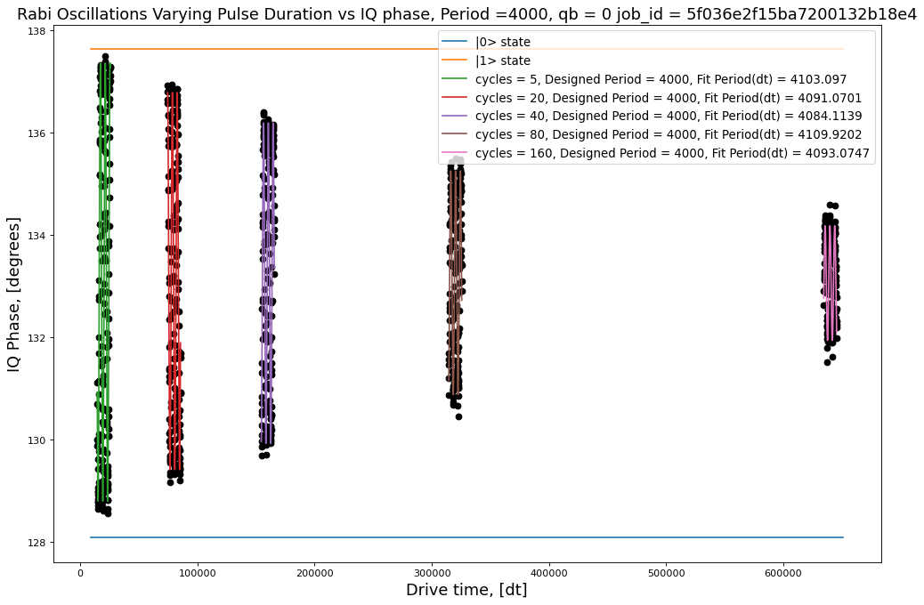
 |  |  |  |  |  |  | 5 | 4.2853843598 | 8.9535549821 | 979.10667409 |  | [[ 4.15065437e-04 -1.77745120e-05 -1.44065432e-03 5.75065501e-06]
 |  |  |  |  |  |  | 20 | 3.6922781933 | 7.7672000796 | 3916.4266964 |  | [-1.77745120e-05 2.19934277e-04 5.67561432e-03 -3.32925874e-05]
 |  |  |  |  |  |  | 40 | 3.135415908 | 6.7165641569 | 7832.8533927 |  | [-1.44065432e-03 5.67561432e-03 1.85117653e+01 -1.38112116e-01]
 |  |  |  |  |  |  | 80 | 2.1885050786 | 5.0376736818 | 15665.706785 |  | [ 5.75065501e-06 -3.32925874e-05 -1.38112116e-01 1.05510775e-03]]
 |  |  |  |  |  |  | 160 | 1.1213231402 | 3.077483383 | 31331.413571 |  | [0.02037315 0.01483018 4.3025301 0.03248242]

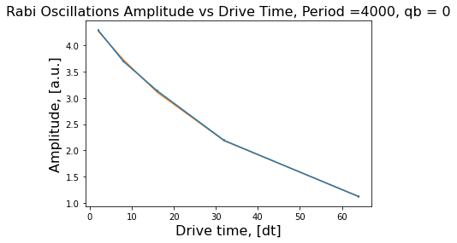
 |  |  |  |  |  |  |  |  |  |  |  | [[ 3.45300565e-04 1.92062486e-05 1.08511695e-03 -3.84542036e-05]
 |  |  |  |  |  |  |  |  |  |  |  | [ 1.92062486e-05 1.80589360e-04 7.10209779e-03 -2.20899171e-04]
 |  |  |  |  |  |  |  |  |  |  |  | [ 1.08511695e-03 7.10209779e-03 1.91726737e+01 -5.75742186e-01]
 |  |  |  |  |  |  |  |  |  |  |  | [-3.84542036e-05 -2.20899171e-04 -5.75742186e-01 1.73157849e-02]]
 |  |  |  |  |  |  |  |  |  |  |  | [0.01858226 0.01343835 4.37866118 0.13158946]

 |  |  |  |  |  |  |  |  |  |  |  | [[ 6.91532039e-04 4.83090274e-05 -2.56329842e-03 1.69001195e-04]
 |  |  |  |  |  |  |  |  |  |  |  | [ 4.83090274e-05 3.54313571e-04 -2.00558328e-02 1.22298181e-03]
 |  |  |  |  |  |  |  |  |  |  |  | [-2.56329842e-03 -2.00558328e-02 4.78527641e+01 -2.88411943e+00]
 |  |  |  |  |  |  |  |  |  |  |  | [ 1.69001195e-04 1.22298181e-03 -2.88411943e+00 1.73897670e-01]]
 |  |  |  |  |  |  |  |  |  |  |  | [0.026297 0.01882322 6.91756923 0.4170104 ]

 |  |  |  |  |  |  |  |  |  |  |  | [[ 5.70680050e-04 -4.95333867e-05 1.90171496e-03 -2.39354554e-04]
 |  |  |  |  |  |  |  |  |  |  |  | [-4.95333867e-05 2.84045127e-04 -2.49438572e-02 2.97966209e-03]
 |  |  |  |  |  |  |  |  |  |  |  | [ 1.90171496e-03 -2.49438572e-02 7.35045123e+01 -8.74854088e+00]
 |  |  |  |  |  |  |  |  |  |  |  | [-2.39354554e-04 2.97966209e-03 -8.74854088e+00 1.04136512e+00]]
 |  |  |  |  |  |  |  |  | [4.25862318 0.02401409 0.20815811] |  |  | [0.02388891 0.01685364 8.57347726 1.02047299]
 |  |  |  |  |  |  |  | Decay rate | 0.024014087727
 |  |  |  |  |  |  |  | Amplitude | 0.013082455127 |  |  | [[ 4.57224324e-04 -3.97270892e-05 4.67720915e-03 -1.10478498e-03]
 |  |  |  |  |  |  |  |  | [[ 1.60961413e-02 -1.90900538e-04 -1.77373469e-02] |  |  | [-3.97270892e-05 2.26762161e-04 -4.05023809e-02 9.70745530e-03]
 |  |  |  |  |  |  |  |  | [-1.90900538e-04 2.76440041e-06 2.29412480e-04] |  |  | [ 4.67720915e-03 -4.05023809e-02 2.16513257e+02 -5.19675305e+01]
 |  |  |  |  |  |  |  |  | [-1.77373469e-02 2.29412480e-04 2.04852650e-02]] |  |  | [-1.10478498e-03 9.70745530e-03 -5.19675305e+01 1.24735815e+01]]
 |  |  |  |  |  |  |  |  |  |  |  | [ 0.0213828 0.01505862 14.71438946 3.53179579]

Jojo1
Pi Amplitude = 0.3530500137690539 |  | ['5ef39df3eedb51001324aa7a', | Pi Amplitude = 0.3530500137690539 | ['5ef3bbd30935ad0012f63680',
Duration = 80 |  | '5ef39df574e2c3001237d4e0', | Period = 70.18453963827605 | '5ef3bbd66c16190012683a96',
Sigma = 16 |  | '5ef39df8dc3044001186beef', |  | '5ef3bbd9eedb51001324ab80',
 |  | '5ef39dfa6c16190012683975', | Pi Amplitude = 0.32235243432845956 | '5ef3bbdb74e2c3001237d5fb',
Pi Amplitude = 0.32235243432845956 |  | '5ef39dfcfbc24b001275af96', | Period = 76.10424563894914 | '5ef3bbde6c16190012683a99',
Duration = 112 |  | '5ef39dff0935ad0012f6356b', |  | '5ef3bbe174e2c3001237d5fc',
Sigma = 16 |  | '5ef39e02041ca700148e96cb', | Pi Amplitude = 0.3187914520833258 | '5ef3bbe4eedb51001324ab82',
 |  | '5ef39e0674e2c3001237d4e2'] | Period = 76.881417859797 | '5ef3bbe874e2c3001237d5fd']
Pi Amplitude = 0.3187914520833258
Duration = 176 |  | [[16, 80, 0.3530500137690539], | Pi Amplitude = 0.15421520791740806
Sigma = 16 |  | [16, 112, 0.32235243432845956], | Period = 151.66160913455937
 |  | [16, 176, 0.3187914520833258],
Pi Amplitude = 0.15421520791740806 |  | [32, 256, 0.15421520791740806], | Pi Amplitude = 0.1028823095632427
Duration = 256 |  | [48, 400, 0.1028823095632427], | Period = 225.2530813937307
Sigma = 32 |  | [80, 608, 0.09761239624950298],
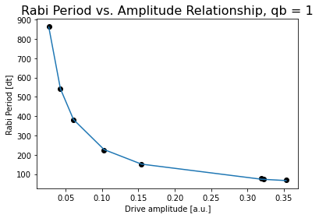
 |  | [112, 944, 0.06370666786771047], | Pi Amplitude = 0.060841434934049914
Pi Amplitude = 0.1028823095632427 |  | [176, 1440, 0.026888747770390797]] | Period = 379.60417279044793
Duration = 400
Sigma = 48 |  |  | Pi Amplitude = 0.04288369610097112
 |  |  | Period = 539.941450467514
Pi Amplitude = 0.060841434934049914
Duration = 608 |  |  | Pi Amplitude = 0.026888747770390797
Sigma = 80 |  |  | Period = 862.92141357997

Pi Amplitude = 0.04288369610097112
Duration = 944
Sigma = 112

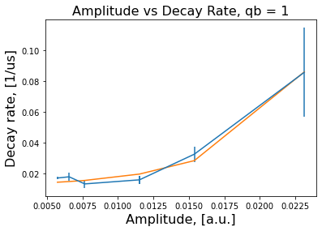
Pi Amplitude = 0.026888747770390797
Duration = 1440
Sigma = 176
 |  |  |  | Conversion constant: 23.66156363955276. Exponent: -0.9940037912357684

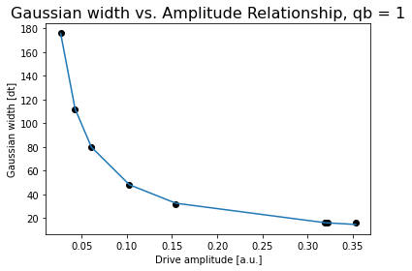

 | R^2 | 0.9834770335
 | Params | [ 8.47281364e-04 -1.93259367e+02 1.19193248e-02]
 | Cov | [[ 9.92796938e-07 4.86011954e-02 -3.99628045e-06]
 |  | [ 4.86011954e-02 2.38646262e+03 -1.93342428e-01]
 |  | [-3.99628045e-06 -1.93342428e-01 1.92119668e-05]] |  | Conversion constant: 5.35893609525708. Exponent: -0.9654741107610489

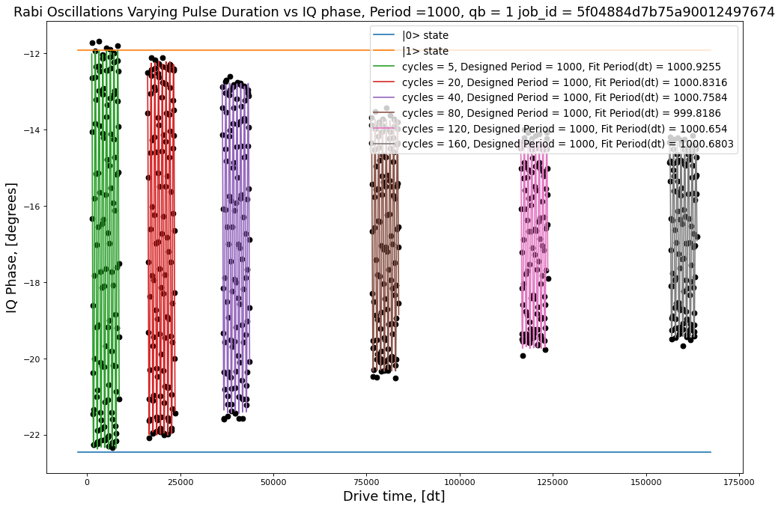
 |  |  |  |  |  |  |  |  | [[ 5.91851891e-04 6.66787177e-06 -2.33050171e-04 7.88516591e-06]
 |  |  |  |  |  |  |  |  | [ 6.66787177e-06 2.93891126e-04 3.99892272e-05 -5.72625989e-06]
 |  |  |  |  | Period | Amplitude | Max-min | R^2 | [-2.33050171e-04 3.99892272e-05 1.16235238e-01 -3.65596571e-03]
 |  |  |  |  | 5 | 5.2177780433 | 10.64340055 | 0.99757310495 | [ 7.88516591e-06 -5.72625989e-06 -3.65596571e-03 1.36376899e-04]]
 |  |  |  |  | 20 | 4.9002982249 | 9.9617271906 | 0.99762812286 | [0.02432801 0.01714325 0.34093289 0.01167805]
 |  |  |  |  | 40 | 4.326107335 | 8.9851289897 | 0.9967358545
 |  |  |  |  | 80 | 3.3056758777 | 7.093382799 | 0.99287578568 | [[ 5.10300649e-04 1.17393116e-06 -2.51025989e-04 3.15625122e-05]
 |  |  |  |  | 160 | 2.5549387267 | 5.5170931736 | 0.98680946474 | [ 1.17393116e-06 2.52986414e-04 7.40749217e-06 -5.18775407e-06]
 |  |  |  |  |  |  |  |  | [-2.51025989e-04 7.40749217e-06 1.12929740e-01 -1.41508542e-02]
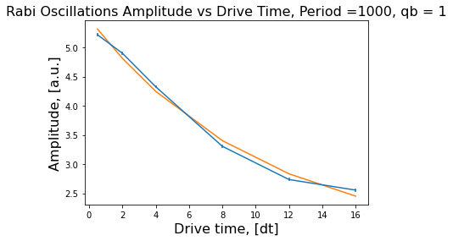
 |  |  |  |  |  |  |  |  | [ 3.15625122e-05 -5.18775407e-06 -1.41508542e-02 1.79404224e-03]]
 |  |  |  |  |  |  |  |  | [0.02258984 0.01590555 0.3360502 0.04235614]

 |  |  |  |  |  |  |  |  | [[ 5.47622655e-04 7.23616469e-06 -2.44220697e-04 6.20085807e-05]
 |  |  |  |  |  |  |  |  | [ 7.23616469e-06 2.72135102e-04 5.15005571e-05 -1.78460190e-05]
 |  |  |  |  |  |  |  |  | [-2.44220697e-04 5.15005571e-05 1.56788970e-01 -3.93587312e-02]
 |  |  |  |  |  |  |  |  | [ 6.20085807e-05 -1.78460190e-05 -3.93587312e-02 9.90904582e-03]]
 |  |  |  |  |  |  |  |  | [0.02340134 0.01649652 0.39596587 0.09954419]

 |  |  |  |  |  |  |  |  | [[ 7.00281112e-04 1.51170984e-05 -2.41982212e-04 1.23276166e-04]
 |  |  |  |  |  |  |  |  | [ 1.51170984e-05 3.49391508e-04 1.27795901e-04 -7.17728221e-05]
 |  |  |  |  |  |  |  |  | [-2.41982212e-04 1.27795901e-04 3.47315923e-01 -1.74719857e-01]
 |  |  |  |  |  |  |  |  | [ 1.23276166e-04 -7.17728221e-05 -1.74719857e-01 8.79577189e-02]]
 |  |  |  |  |  |  |  |  | [0.02646283 0.01869202 0.58933515 0.29657667]

 |  |  |  |  |  | [3.83763565 0.09896109 1.66409626] |  |  | [[ 6.88854046e-04 2.17190481e-05 9.80543253e-05 -7.16195422e-05]
 |  |  |  |  | Decay rate | 0.098961094864 |  |  | [ 2.17190481e-05 3.45564959e-04 2.45375961e-04 -1.91638729e-04]
 |  |  |  |  | Amplitude | 0.023133164858 |  |  | [ 9.80543253e-05 2.45375961e-04 5.11546414e-01 -3.85324516e-01]
 |  |  |  |  |  | [[ 0.23720507 -0.01276633 -0.26286516] |  |  | [-7.16195422e-05 -1.91638729e-04 -3.85324516e-01 2.90339583e-01]]
 |  |  |  |  |  | [-0.01276633 0.00083369 0.0155273 ] |  |  | [0.02624603 0.01858938 0.71522473 0.53883168]
 |  |  |  |  |  | [-0.26286516 0.0155273 0.30719439]]
 |  |  |  |  |  |  |  |  | [[ 7.79434339e-04 2.92590584e-05 4.73332102e-04 -4.73064911e-04]
 |  |  |  |  |  |  |  |  | [ 2.92590584e-05 3.92493089e-04 3.57598380e-04 -3.64761459e-04]
 |  |  |  |  | 7.5 cycles |  |  |  | [ 4.73332102e-04 3.57598380e-04 6.75595486e-01 -6.78374621e-01]
 |  |  |  |  |  |  |  |  | [-4.73064911e-04 -3.64761459e-04 -6.78374621e-01 6.81285837e-01]]
 |  |  |  |  |  |  |  |  | [0.02791835 0.01981144 0.82194616 0.82540041]

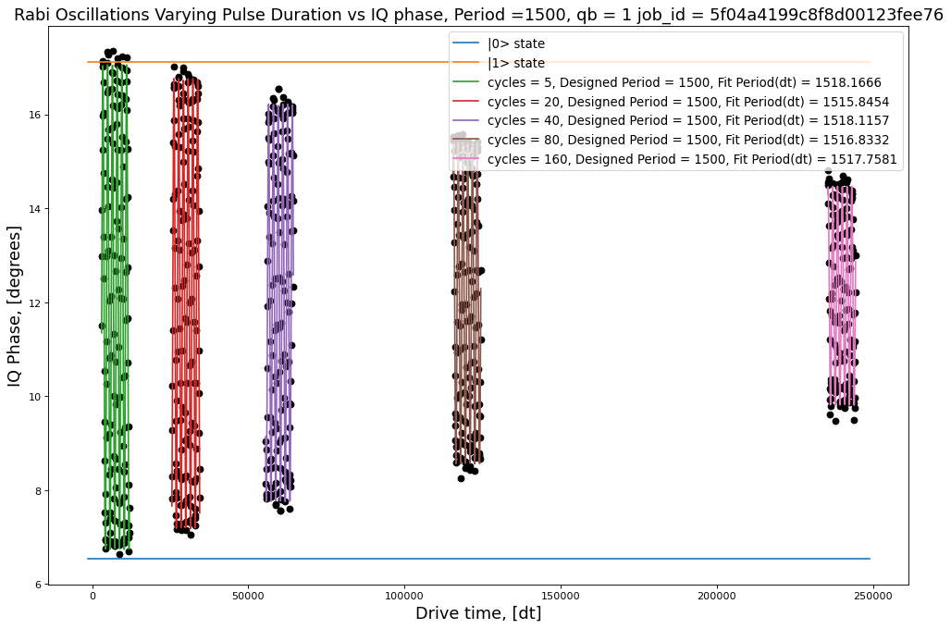
 |  |  |  |  |  |  |  |  | [[ 5.87684206e-04 4.65613638e-06 2.76708130e-04 -7.20152025e-06]
 |  |  |  |  | 5 | 5.1608901164 | 10.716831241 | 0.99700965443 | [ 4.65613638e-06 2.97320623e-04 -7.94585951e-04 1.43483895e-05]
 |  |  |  |  | 20 | 4.7919315346 | 9.9806217354 | 0.99703917448 | [ 2.76708130e-04 -7.94585951e-04 4.58733720e-01 -9.22682253e-03]
 |  |  |  |  | 40 | 4.2325940264 | 8.9874226155 | 0.99522042385 | [-7.20152025e-06 1.43483895e-05 -9.22682253e-03 2.07970947e-04]]
 |  |  |  |  | 80 | 3.422909473 | 7.3256847131 | 0.99356137165 | [0.0242422 0.01724299 0.67729884 0.0144212 ]
 |  |  |  |  | 160 | 2.3308344171 | 5.3263011508 | 0.97999044597
 |  |  |  |  |  |  |  |  | [[ 5.02331769e-04 9.42873626e-06 -6.26776515e-04 5.12306748e-05]
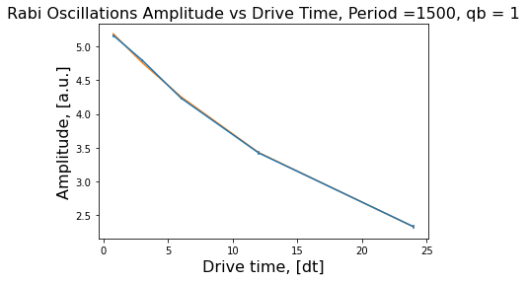
 |  |  |  |  |  |  |  |  | [ 9.42873626e-06 2.51166772e-04 -1.31151221e-03 1.07382905e-04]
 |  |  |  |  |  |  |  |  | [-6.26776515e-04 -1.31151221e-03 4.21175101e-01 -3.45039613e-02]
 |  |  |  |  |  |  |  |  | [ 5.12306748e-05 1.07382905e-04 -3.45039613e-02 2.84787562e-03]]
 |  |  |  |  |  |  |  |  | [0.02241276 0.01584824 0.64898005 0.05336549]

 |  |  |  |  |  |  |  |  | [[ 6.33338198e-04 -2.57626906e-06 -7.05318199e-04 1.14059772e-04]
 |  |  |  |  |  |  |  |  | [-2.57626906e-06 3.21073384e-04 -6.02323803e-04 1.00980729e-04]
 |  |  |  |  |  |  |  |  | [-7.05318199e-04 -6.02323803e-04 7.48638461e-01 -1.22515778e-01]
 |  |  |  |  |  |  |  |  | [ 1.14059772e-04 1.00980729e-04 -1.22515778e-01 2.00861497e-02]]
 |  |  |  |  |  |  |  |  | [0.02516621 0.01791852 0.86523896 0.14172561]

 |  |  |  |  |  |  |  |  | [[ 5.58584668e-04 -3.88777287e-06 4.56183598e-04 -1.47413443e-04]
 |  |  |  |  |  |  |  |  | [-3.88777287e-06 2.82582451e-04 1.08293206e-03 -3.57321957e-04]
 |  |  |  |  |  |  |  |  | [ 4.56183598e-04 1.08293206e-03 9.88989633e-01 -3.24261953e-01]
 |  |  |  |  |  |  |  |  | [-1.47413443e-04 -3.57321957e-04 -3.24261953e-01 1.06364807e-01]]
 |  |  |  |  |  |  |  |  | [0.0236344 0.01681019 0.99447958 0.32613618]
 |  |  |  |  |  | [4.50630304 0.0458812 0.82922286]
 |  |  |  |  | Decay rate | 0.045881202654 |  |  | [[ 8.15845171e-04 -9.17721196e-06 -9.04439228e-06 1.14530745e-05]
 |  |  |  |  | Amplitude | 0.015384434757 |  |  | [-9.17721196e-06 4.11587203e-04 3.14860642e-03 -2.06595040e-03]
 |  |  |  |  |  | [[ 7.48194372e-02 -1.29877271e-03 -7.96111015e-02] |  |  | [-9.04439228e-06 3.14860642e-03 3.05600686e+00 -2.00112146e+00]
 |  |  |  |  |  | [-1.29877271e-03 2.42897360e-05 1.41591247e-03] |  |  | [ 1.14530745e-05 -2.06595040e-03 -2.00112146e+00 1.31051635e+00]]
 |  |  |  |  |  | [-7.96111015e-02 1.41591247e-03 8.56118430e-02]] |  |  | [0.028563 0.02028761 1.74814383 1.14477786]

 |  |  |  |  | 5 cycles

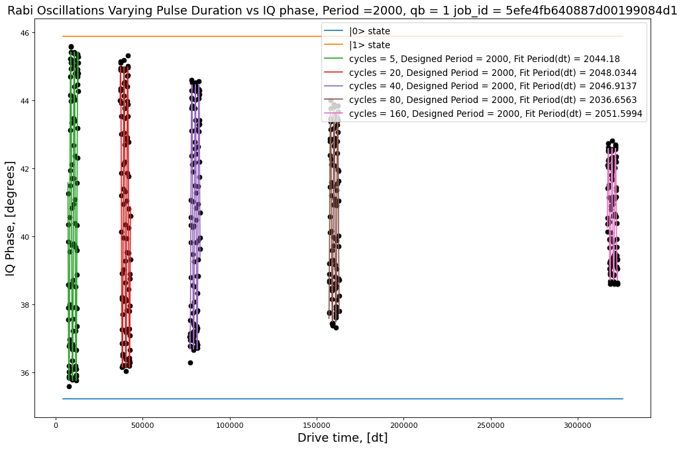
 |  |  |  |  |  |  |  |  | [[ 7.87132866e-04 -1.11260331e-05 1.82884001e-03 -3.15503650e-05]
 |  |  |  |  | 5 | 4.830029438 | 10.006156454 | 0.99701070318 | [-1.11260331e-05 4.07283758e-04 7.09519445e-03 -1.00583054e-04]
 |  |  |  |  | 20 | 4.423696332 | 9.2712276705 | 0.99520988334 | [ 1.82884001e-03 7.09519445e-03 5.41201660e+00 -7.99645471e-02]
 |  |  |  |  | 40 | 3.9041446069 | 8.307474028 | 0.99413651057 | [-3.15503650e-05 -1.00583054e-04 -7.99645471e-02 1.21602553e-03]]
 |  |  |  |  | 80 | 3.1307808928 | 6.6700272422 | 0.98928468929 | [0.02805589 0.02018127 2.32637413 0.03487156]
 |  |  |  |  | 160 | 1.9371759458 | 4.2151076427 | 0.9681652589
 |  |  |  |  |  |  |  |  | [[ 1.06129267e-03 1.13979985e-05 -4.53706103e-03 2.66302469e-04]
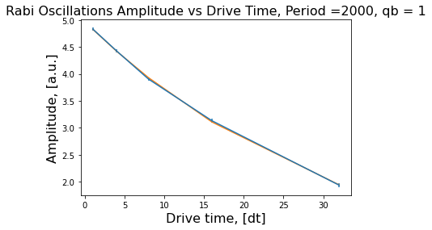
 |  |  |  |  |  |  |  |  | [ 1.13979985e-05 5.48202807e-04 8.61830122e-03 -5.24738691e-04]
 |  |  |  |  |  |  |  |  | [-4.53706103e-03 8.61830122e-03 8.91207209e+00 -5.35195227e-01]
 |  |  |  |  |  |  |  |  | [ 2.66302469e-04 -5.24738691e-04 -5.35195227e-01 3.21962204e-02]]
 |  |  |  |  |  |  |  |  | [0.03257749 0.02341373 2.98530938 0.17943305]

 |  |  |  |  |  |  |  |  | [[ 1.01112916e-03 1.99739557e-05 8.13288246e-04 -8.97339964e-05]
 |  |  |  |  |  |  |  |  | [ 1.99739557e-05 5.24388097e-04 -1.29570100e-02 1.56321468e-03]
 |  |  |  |  |  |  |  |  | [ 8.13288246e-04 -1.29570100e-02 1.05621691e+01 -1.26900900e+00]
 |  |  |  |  |  |  |  |  | [-8.97339964e-05 1.56321468e-03 -1.26900900e+00 1.52534252e-01]]
 |  |  |  |  |  |  |  |  | [0.03179826 0.02289952 3.24994909 0.39055634]

 |  |  |  |  |  |  |  |  | [[ 1.20428638e-03 -5.34008804e-05 1.42486053e-02 -3.45475697e-03]
 |  |  |  |  |  |  |  |  | [-5.34008804e-05 6.24241702e-04 -2.76671679e-02 6.70599824e-03]
 |  |  |  |  |  |  |  |  | [ 1.42486053e-02 -2.76671679e-02 1.78424528e+01 -4.32414848e+00]
 |  |  |  |  |  |  |  |  | [-3.45475697e-03 6.70599824e-03 -4.32414848e+00 1.04808019e+00]]
 |  |  |  |  |  | [ 4.97801041 0.02925554 -0.00927647] |  |  | [0.03470283 0.02498483 4.22403276 1.02375788]
 |  |  |  |  | Decay rate | 0.029255537922
 |  |  |  |  | Amplitude | 0.011518319733 |  |  | [[ 1.38831106e-03 -2.51330920e-05 -5.51222746e-03 2.65445656e-03]
 |  |  |  |  |  | [[ 7.20085591e-02 -6.72038371e-04 -7.52674547e-02] |  |  | [-2.51330920e-05 7.19806716e-04 -3.30057299e-02 1.57374050e-02]
 |  |  |  |  |  | [-6.72038371e-04 6.55805652e-06 7.10905198e-04] |  |  | [-5.51222746e-03 -3.30057299e-02 6.01935009e+01 -2.87381584e+01]
 |  |  |  |  |  | [-7.52674547e-02 7.10905198e-04 7.90460810e-02]] |  |  | [ 2.65445656e-03 1.57374050e-02 -2.87381584e+01 1.37208253e+01]]
 |  |  |  |  |  |  |  |  | [0.03726005 0.02682921 7.75844707 3.70416323]

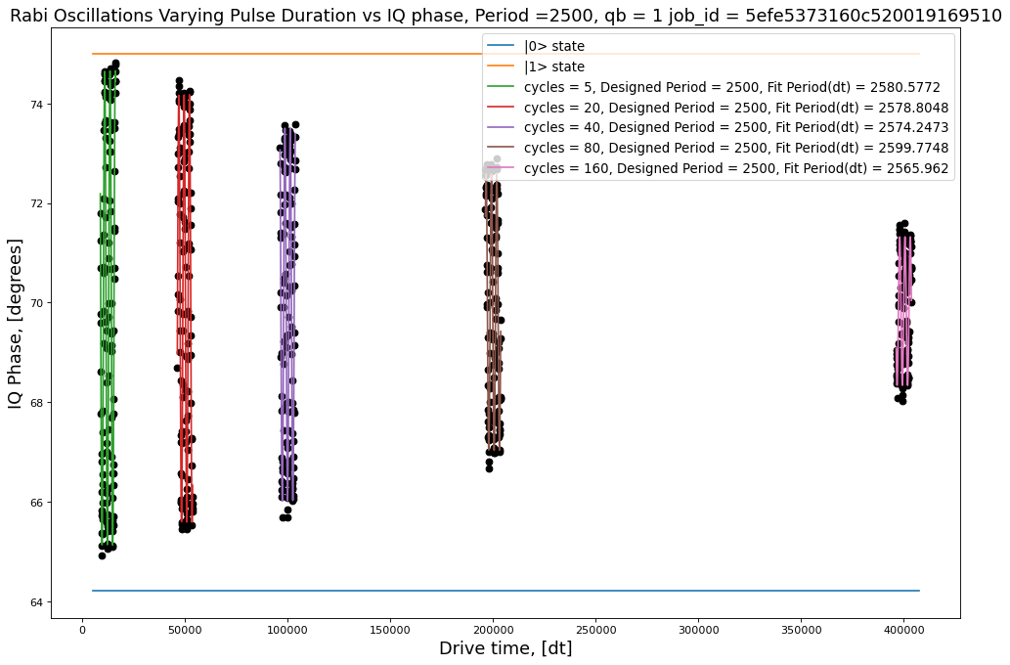
 |  |  |  |  |  |  |  |  | [[ 7.87132866e-04 -1.11260331e-05 1.82884001e-03 -3.15503650e-05]
 |  |  |  |  | 5 | 4.7647553527 | 9.9015217308 | 0.99390121736 | [-1.11260331e-05 4.07283758e-04 7.09519445e-03 -1.00583054e-04]
 |  |  |  |  | 20 | 4.2936685766 | 9.0080139473 | 0.9941142569 | [ 1.82884001e-03 7.09519445e-03 5.41201660e+00 -7.99645471e-02]
 |  |  |  |  | 40 | 3.7438707306 | 7.8897489921 | 0.99188795356 | [-3.15503650e-05 -1.00583054e-04 -7.99645471e-02 1.21602553e-03]]
 |  |  |  |  | 80 | 2.7765132024 | 6.2260573271 | 0.97665537318 | [0.02805589 0.02018127 2.32637413 0.03487156]
 |  |  |  |  | 160 | 1.4921345337 | 3.565565871 | 0.9545311489
 |  |  |  |  |  |  |  |  | [[ 1.06129267e-03 1.13979985e-05 -4.53706103e-03 2.66302469e-04]
 |  |  |  |  |  |  |  |  | [ 1.13979985e-05 5.48202807e-04 8.61830122e-03 -5.24738691e-04]
 |  |  |  |  |  |  |  |  | [-4.53706103e-03 8.61830122e-03 8.91207209e+00 -5.35195227e-01]
 |  |  |  |  |  |  |  |  | [ 2.66302469e-04 -5.24738691e-04 -5.35195227e-01 3.21962204e-02]]
 |  |  |  |  |  |  |  |  | [0.03257749 0.02341373 2.98530938 0.17943305]

 |  |  |  |  |  |  |  |  | [[ 1.01112916e-03 1.99739557e-05 8.13288246e-04 -8.97339964e-05]
 |  |  |  |  |  |  |  |  | [ 1.99739557e-05 5.24388097e-04 -1.29570100e-02 1.56321468e-03]
 |  |  |  |  |  |  |  |  | [ 8.13288246e-04 -1.29570100e-02 1.05621691e+01 -1.26900900e+00]
 |  |  |  |  |  |  |  |  | [-8.97339964e-05 1.56321468e-03 -1.26900900e+00 1.52534252e-01]]
 |  |  |  |  |  |  |  |  | [0.03179826 0.02289952 3.24994909 0.39055634]

 |  |  |  |  |  |  |  |  | [[ 1.20428638e-03 -5.34008804e-05 1.42486053e-02 -3.45475697e-03]
 |  |  |  |  |  |  |  |  | [-5.34008804e-05 6.24241702e-04 -2.76671679e-02 6.70599824e-03]
 |  |  |  |  |  |  |  |  | [ 1.42486053e-02 -2.76671679e-02 1.78424528e+01 -4.32414848e+00]
 |  |  |  |  |  |  |  |  | [-3.45475697e-03 6.70599824e-03 -4.32414848e+00 1.04808019e+00]]
 |  |  |  |  |  | [ 4.97801041 0.02925554 -0.00927647] |  |  | [0.03470283 0.02498483 4.22403276 1.02375788]
 |  |  |  |  | Decay rate | 0.029255537922
 |  |  |  |  | Amplitude | 0.011518319733 |  |  | [[ 1.38831106e-03 -2.51330920e-05 -5.51222746e-03 2.65445656e-03]
 |  |  |  |  |  | [[ 7.20085591e-02 -6.72038371e-04 -7.52674547e-02] |  |  | [-2.51330920e-05 7.19806716e-04 -3.30057299e-02 1.57374050e-02]
 |  |  |  |  |  | [-6.72038371e-04 6.55805652e-06 7.10905198e-04] |  |  | [-5.51222746e-03 -3.30057299e-02 6.01935009e+01 -2.87381584e+01]
 |  |  |  |  |  | [-7.52674547e-02 7.10905198e-04 7.90460810e-02]] |  |  | [ 2.65445656e-03 1.57374050e-02 -2.87381584e+01 1.37208253e+01]]
 |  |  |  |  |  |  |  |  | [0.03726005 0.02682921 7.75844707 3.70416323]

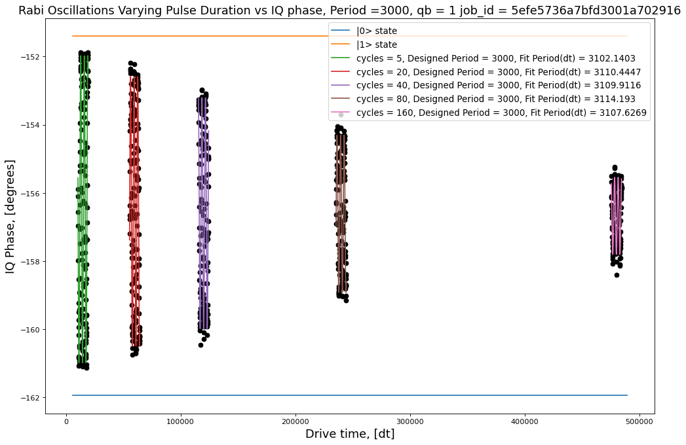
 |  |  |  |  |  |  |  |  | [[ 9.10851135e-04 -1.92801089e-05 2.16009716e-03 -2.80268475e-05]
 |  |  |  |  | 5 | 4.5063604861 | 9.2585708242 | 0.99394620857 | [-1.92801089e-05 4.72863963e-04 1.42308363e-02 -1.30702484e-04]
 |  |  |  |  | 20 | 3.9524149522 | 8.5633906155 | 0.98992522246 | [ 2.16009716e-03 1.42308363e-02 1.68810376e+01 -1.62794703e-01]
 |  |  |  |  | 40 | 3.389685403 | 7.4691822937 | 0.98730193376 | [-2.80268475e-05 -1.30702484e-04 -1.62794703e-01 1.61585799e-03]]
 |  |  |  |  | 80 | 2.3081649521 | 5.4466674816 | 0.95056699761 | [0.03018031 0.02174544 4.10865399 0.04019774]
 |  |  |  |  | 160 | 1.1305036946 | 3.1655327468 | 0.92130195008
 |  |  |  |  |  |  |  |  | [[ 1.17085396e-03 -2.87207827e-05 -2.00885388e-03 8.93710169e-05]
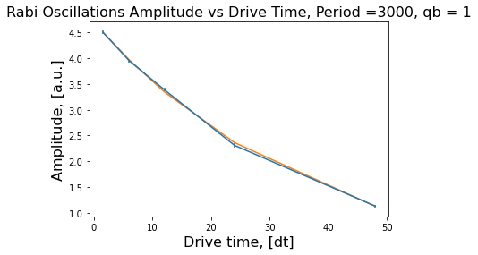
 |  |  |  |  |  |  |  |  | [-2.87207827e-05 6.08222596e-04 -2.17261460e-02 8.33233865e-04]
 |  |  |  |  |  |  |  |  | [-2.00885388e-03 -2.17261460e-02 2.83962145e+01 -1.10212617e+00]
 |  |  |  |  |  |  |  |  | [ 8.93710169e-05 8.33233865e-04 -1.10212617e+00 4.28527067e-02]]
 |  |  |  |  |  |  |  |  | [0.03421774 0.02466217 5.32880986 0.20700895]

 |  |  |  |  |  |  |  |  | [[ 1.09308709e-03 5.56771626e-05 1.36962999e-02 -1.07631828e-03]
 |  |  |  |  |  |  |  |  | [ 5.56771626e-05 5.61005643e-04 3.27945168e-02 -2.56310742e-03]
 |  |  |  |  |  |  |  |  | [ 1.36962999e-02 3.27945168e-02 3.21728126e+01 -2.51026270e+00]
 |  |  |  |  |  |  |  |  | [-1.07631828e-03 -2.56310742e-03 -2.51026270e+00 1.95950608e-01]]
 |  |  |  |  |  |  |  |  | [0.03306187 0.02368556 5.6721083 0.44266309]

 |  |  |  |  |  |  |  |  | [[ 2.04075109e-03 -4.70824185e-05 -9.69429166e-03 1.53993067e-03]
 |  |  |  |  |  |  |  |  | [-4.70824185e-05 1.06068826e-03 -6.15186686e-02 9.52446118e-03]
 |  |  |  |  |  |  |  |  | [-9.69429166e-03 -6.15186686e-02 1.47342947e+02 -2.28884985e+01]
 |  |  |  |  |  |  |  |  | [ 1.53993067e-03 9.52446118e-03 -2.28884985e+01 3.55593139e+00]]
 |  |  |  |  |  |  |  |  | [ 0.04517467 0.03256821 12.1384903 1.88571774]
 |  |  |  |  |  | [ 4.95935576 0.02661604 -0.25641761]
 |  |  |  |  | Decay rate | 0.026616036391 |  |  | [[ 8.09124979e-04 -4.45242584e-05 -3.63518948e-02 1.13427109e-02]
 |  |  |  |  | Amplitude | 0.0076601208497 |  |  | [-4.45242584e-05 4.13930620e-04 7.49699009e-02 -2.34040237e-02]
 |  |  |  |  |  | [[ 5.37815807e-02 -5.81925585e-04 -5.87683365e-02] |  |  | [-3.63518948e-02 7.49699009e-02 2.09723652e+02 -6.54826606e+01]
 |  |  |  |  |  | [-5.81925585e-04 6.97983566e-06 6.62940314e-04] |  |  | [ 1.13427109e-02 -2.34040237e-02 -6.54826606e+01 2.04464357e+01]]
 |  |  |  |  |  | [-5.87683365e-02 6.62940314e-04 6.56593762e-02]] |  |  | [ 0.02844512 0.02034528 14.48183869 4.52177351]

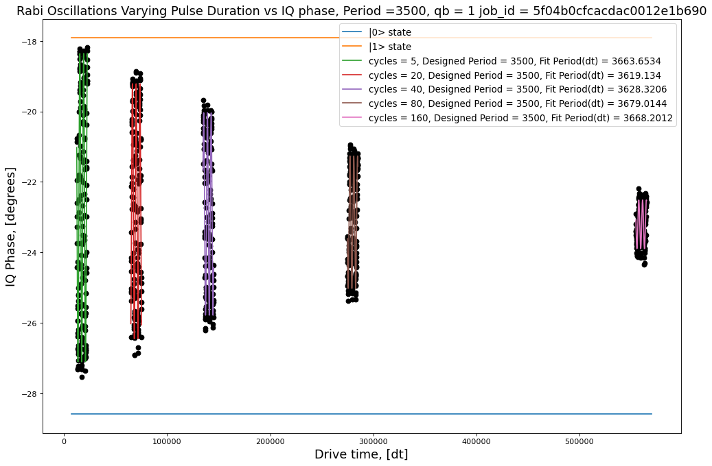
 |  |  |  |  |  |  |  |  | [[ 1.50623476e-03 -8.29139384e-05 -9.17570784e-03 5.79924381e-05]
 |  |  |  |  | 5 | 4.3786339765 | 9.3642208368 | 0.98778525146 | [-8.29139384e-05 7.71363684e-04 3.63718733e-02 -2.83400080e-04]
 |  |  |  |  | 20 | 3.6210833658 | 8.0610270076 | 0.97789910601 | [-9.17570784e-03 3.63718733e-02 3.86912869e+01 -3.13319508e-01]
 |  |  |  |  | 40 | 2.8752968682 | 6.5513558511 | 0.9605316296 | [ 5.79924381e-05 -2.83400080e-04 -3.13319508e-01 2.61246010e-03]]
 |  |  |  |  | 80 | 1.8807043513 | 4.4329674951 | 0.95711414885 | [0.03881024 0.02777343 6.22023206 0.05111223]
 |  |  |  |  | 160 | 0.69086367588 | 2.1770321359 | 0.81287700741
 |  |  |  |  |  |  |  |  | [[ 1.88914067e-03 -1.14735736e-04 2.94176587e-02 -9.86896868e-04]
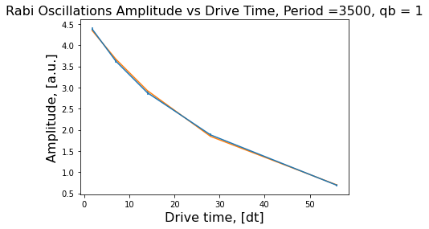
 |  |  |  |  |  |  |  |  | [-1.14735736e-04 9.59762880e-04 -6.24921204e-02 2.09711260e-03]
 |  |  |  |  |  |  |  |  | [ 2.94176587e-02 -6.24921204e-02 6.38372584e+01 -2.14247804e+00]
 |  |  |  |  |  |  |  |  | [-9.86896868e-04 2.09711260e-03 -2.14247804e+00 7.20358938e-02]]
 |  |  |  |  |  |  |  |  | [0.04346425 0.03098004 7.98982218 0.26839503]

 |  |  |  |  |  |  |  |  | [[ 2.15972830e-03 -4.55646407e-06 -3.81957821e-02 2.55506432e-03]
 |  |  |  |  |  |  |  |  | [-4.55646407e-06 1.12729509e-03 -6.30522372e-03 3.81660590e-04]
 |  |  |  |  |  |  |  |  | [-3.81957821e-02 -6.30522372e-03 1.51402056e+02 -1.01124471e+01]
 |  |  |  |  |  |  |  |  | [ 2.55506432e-03 3.81660590e-04 -1.01124471e+01 6.75715620e-01]]
 |  |  |  |  |  |  |  |  | [ 0.04647288 0.03357522 12.30455429 0.82201923]

 |  |  |  |  |  |  |  |  | [[ 1.00542017e-03 -2.26859600e-05 1.24261701e-02 -1.63539787e-03]
 |  |  |  |  |  |  |  |  | [-2.26859600e-05 5.29203469e-04 3.00122081e-02 -3.86551001e-03]
 |  |  |  |  |  |  |  |  | [ 1.24261701e-02 3.00122081e-02 1.72442341e+02 -2.24019935e+01]
 |  |  |  |  |  |  |  |  | [-1.63539787e-03 -3.86551001e-03 -2.24019935e+01 2.91055207e+00]]
 |  |  |  |  | 0.99914765179 |  |  |  | [ 0.03170836 0.02300442 13.13173031 1.70603402]
 |  |  |  |  |  | [ 4.71726392 0.0312221 -0.12270205]
 |  |  |  |  | Decay rate | 0.031222099269 |  |  | [[ 6.97544868e-04 -3.15233576e-05 -1.06671986e-02 2.73416281e-03]
 |  |  |  |  | Amplitude | 0.0065597151845 |  |  | [-3.15233576e-05 3.61105895e-04 9.57429542e-02 -2.49823377e-02]
 |  |  |  |  |  | [[ 1.82736505e-02 -2.68358241e-04 -1.95193759e-02] |  |  | [-1.06671986e-02 9.57429542e-02 7.72348685e+02 -2.01886787e+02]
 |  |  |  |  |  | [-2.68358241e-04 6.02793454e-06 3.68254061e-04] |  |  | [ 2.73416281e-03 -2.49823377e-02 -2.01886787e+02 5.27733206e+01]]
 |  |  |  |  |  | [-1.95193759e-02 3.68254061e-04 2.45831759e-02]] |  |  | [2.64110747e-02 1.90027865e-02 2.77911620e+01 7.26452480e+00]

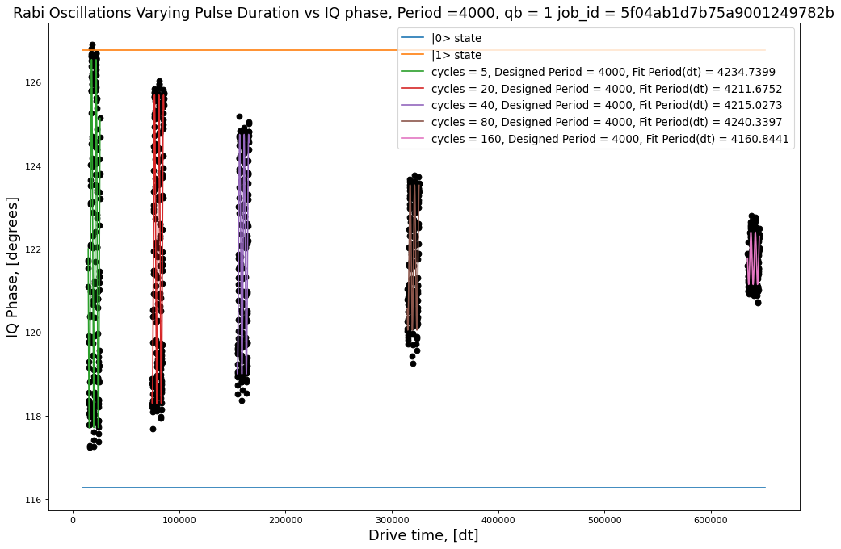
 |  |  |  |  |  |  |  |  | [[ 3.08930217e-03 -3.14816542e-04 1.68256141e-02 -1.45477633e-04]
 |  |  |  |  | 5 | 4.4119647111 | 9.64722236 | 0.97379116339 | [-3.14816542e-04 1.52215768e-03 5.08162412e-02 -3.28135940e-04]
 |  |  |  |  | 20 | 3.6944876702 | 8.3417559122 | 0.97866355719 | [ 1.68256141e-02 5.08162412e-02 1.09203226e+02 -7.69425316e-01]
 |  |  |  |  | 40 | 2.8696472081 | 6.8115173945 | 0.94055344552 | [-1.45477633e-04 -3.28135940e-04 -7.69425316e-01 5.56737063e-03]]
 |  |  |  |  | 80 | 1.7389785459 | 4.5083843598 | 0.92339033136 | [ 0.05558149 0.03901484 10.45003474 0.07461482]
 |  |  |  |  | 160 | 0.62681858608 | 2.0912905566 | 0.71314499782
 |  |  |  |  |  |  |  |  | [[ 1.75748532e-03 7.16523181e-06 -2.93763119e-02 8.34083728e-04]
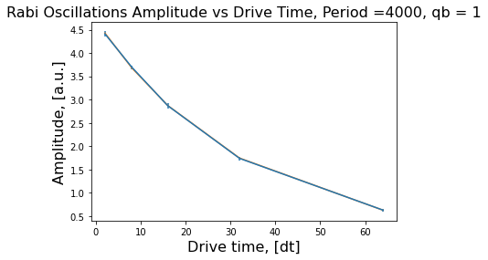
 |  |  |  |  |  |  |  |  | [ 7.16523181e-06 9.39791272e-04 -1.78991974e-03 1.08517984e-04]
 |  |  |  |  |  |  |  |  | [-2.93763119e-02 -1.78991974e-03 1.22987739e+02 -3.48404143e+00]
 |  |  |  |  |  |  |  |  | [ 8.34083728e-04 1.08517984e-04 -3.48404143e+00 9.88417343e-02]]
 |  |  |  |  |  |  |  |  | [ 0.04192237 0.03065602 11.08998374 0.31439105]

 |  |  |  |  |  |  |  |  | [[ 3.07444383e-03 -1.21611512e-05 -6.75659330e-02 3.81893102e-03]
 |  |  |  |  |  |  |  |  | [-1.21611512e-05 1.64334628e-03 3.85414958e-03 -8.74660658e-05]
 |  |  |  |  |  |  |  |  | [-6.75659330e-02 3.85414958e-03 3.57119875e+02 -2.02067030e+01]
 |  |  |  |  |  |  |  |  | [ 3.81893102e-03 -8.74660658e-05 -2.02067030e+01 1.14376268e+00]]
 |  |  |  |  |  |  |  |  | [ 0.05544767 0.04053821 18.89761558 1.06946841]

 |  |  |  |  |  |  |  |  | [[ 1.48214460e-03 -8.05591535e-05 -3.92102063e-02 4.34786982e-03]
 |  |  |  |  |  |  |  |  | [-8.05591535e-05 7.78111923e-04 3.62873397e-02 -3.96507539e-03]
 |  |  |  |  |  |  |  |  | [-3.92102063e-02 3.62873397e-02 4.39516739e+02 -4.91670624e+01]
 |  |  |  |  |  |  |  |  | [ 4.34786982e-03 -3.96507539e-03 -4.91670624e+01 5.50065725e+00]]
 |  |  |  |  |  |  |  |  | [ 0.03849863 0.02789466 20.96465452 2.345348 ]
 |  |  |  |  |  | [ 4.76251762 0.03043094 -0.05381663]
 |  |  |  |  | Decay rate | 0.030430938265 |  |  | [[ 9.32362869e-04 -8.50467424e-05 2.08716392e-03 -5.62279862e-04]
 |  |  |  |  | Amplitude | 0.0057351292092 |  |  | [-8.50467424e-05 4.64320636e-04 1.27889303e-01 -2.96337255e-02]
 |  |  |  |  |  | [[ 8.56963032e-04 -1.20548690e-05 -8.82773596e-04] |  |  | [ 2.08716392e-03 1.27889303e-01 1.55902264e+03 -3.62148479e+02]
 |  |  |  |  |  | [-1.20548690e-05 3.61181748e-07 2.02097766e-05] |  |  | [-5.62279862e-04 -2.96337255e-02 -3.62148479e+02 8.41264053e+01]]
 |  |  |  |  |  | [-8.82773596e-04 2.02097766e-05 1.26531099e-03]] |  |  | [3.05346176e-02 2.15481005e-02 3.94844608e+01 9.17204477e+00]

Jojo2
Pi Amplitude = 0.7893069619621381 | ['5ef4cdf351390900147cd3b3', | Pi Amplitude = 0.7893069619621381 | ['5ef4e6505faf0900143b1e17',
Duration = 80 | '5ef4cdf651390900147cd3b4', | Period = 78.31587002319661 | '5ef4e653ddb65000120789e6',
Sigma = 16 | '5ef4cdf8a2591200133f2bd9', |  | '5ef4e655be0e7e00121bc533',
 | '5ef4cdfa8a74d20012b5c70c', | Pi Amplitude = 0.6570036809873281 | '5ef4e6587855410012c57a50',
Pi Amplitude = 0.6570036809873281 | '5ef4cdfd5faf0900143b1ca8', | Period = 91.75802375268054 | '5ef4e65b5faf0900143b1e19',
Duration = 112 | '5ef4cdff8a74d20012b5c70e', |  | '5ef4e65ea2591200133f2d4a',
Sigma = 16 | '5ef4ce02ddb6500012078868', | Pi Amplitude = 0.7120162841750395 | '5ef4e6618a74d20012b5c880',
 | '5ef4ce068a74d20012b5c70f'] | Period = 85.4580216332555 | '5ef4e665fb7fab0014a7e43e']
Pi Amplitude = 0.7120162841750395
Duration = 176 | [[16, 80, 0.7893069619621381], | Pi Amplitude = 0.3702545482835854
Sigma = 16 | [16, 112, 0.6570036809873281], | Period = 153.35407353949765
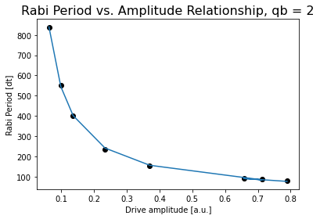
 | [16, 176, 0.7120162841750395],
Pi Amplitude = 0.3702545482835854 | [32, 256, 0.3702545482835854], | Pi Amplitude = 0.23370520659547628
Duration = 256 | [48, 400, 0.23370520659547628], | Period = 234.86494157130733
Sigma = 32 | [80, 608, 0.13628884083007134],
 | [112, 944, 0.09879210004039353], | Pi Amplitude = 0.13628884083007134
Pi Amplitude = 0.23370520659547628 | [176, 1440, 0.06249515428361315]] | Period = 400.7595877674032
Duration = 400
Sigma = 48 |  | Pi Amplitude = 0.09879210004039353
 |  | Period = 551.5117581945144
Pi Amplitude = 0.13628884083007134
Duration = 608 |  | Pi Amplitude = 0.06249515428361315
Sigma = 80 |  | Period = 838.3015123306712

Pi Amplitude = 0.09879210004039353
Duration = 944
Sigma = 112 |  |  | Conversion constant: 60.71437458094607. Exponent: -0.9478600149564859

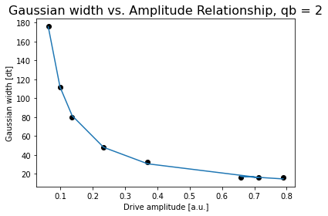
Pi Amplitude = 0.06249515428361315
Duration = 1440
Sigma = 176

 |  |  | Conversion constant: 11.45245806804462. Exponent: -0.9847146457687506

Jojo3
Pi Amplitude = 0.5771037738375678 | ['5ef4ff4d84b1b70012374f3c', | Pi Amplitude = 0.5771037738375678 | ['5ef50378fb7fab0014a7e5bc',
Duration = 80 | '5ef4ff4fbe0e7e00121bc674', | Period = 73.6761556337822 | '5ef5037b84b1b70012374f75',
Sigma = 16 | '5ef4ff515faf0900143b1f2a', |  | '5ef5037eddb6500012078b52',
 | '5ef4ff538cbf9a0012e3c621', | Pi Amplitude = 0.5242986917468712 | '5ef5038184b1b70012374f76',
Pi Amplitude = 0.5242986917468712 | '5ef4ff56be0e7e00121bc675', | Period = 80.05559327942844 | '5ef503848cbf9a0012e3c651',
Duration = 112 | '5ef4ff587855410012c57b76', |  | '5ef5038751390900147cd67c',
Sigma = 16 | '5ef4ff5b5faf0900143b1f2c', | Pi Amplitude = 0.5237720962365137 | '5ef5038a8cbf9a0012e3c652',
 | '5ef4ff5e5faf0900143b1f2d'] | Period = 80.17257836437713 | '5ef5038e51390900147cd67e']
Pi Amplitude = 0.5237720962365137
Duration = 176 |  | Pi Amplitude = 0.2527729558022653
Sigma = 16 | [[16, 80, 0.5771037738375678], | Period = 155.70587357944538
 | [16, 112, 0.5242986917468712],
Pi Amplitude = 0.2527729558022653 | [16, 176, 0.5237720962365137], | Pi Amplitude = 0.1668537227025951
Duration = 256 | [32, 256, 0.2527729558022653], | Period = 233.54654485196278
Sigma = 32 | [48, 400, 0.1668537227025951],
 | [80, 608, 0.0989622621331052], | Pi Amplitude = 0.0989622621331052
Pi Amplitude = 0.1668537227025951 | [112, 944, 0.06998253855138245], | Period = 392.03308366691675
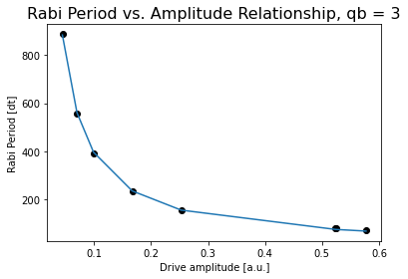
Duration = 400 | [176, 1440, 0.04435148230393041]]
Sigma = 48 |  | Pi Amplitude = 0.06998253855138245
 |  | Period = 556.0528392677902
Pi Amplitude = 0.0989622621331052
Duration = 608 |  | Pi Amplitude = 0.04435148230393041
Sigma = 80 |  | Period = 887.41312804115

Pi Amplitude = 0.06998253855138245
Duration = 944
Sigma = 112

Pi Amplitude = 0.04435148230393041
Duration = 1440
Sigma = 176

 |  |  | Conversion constant: 39.3158030358485. Exponent: -0.9990003473358622



 |  |  | Conversion constant: 8.422591490016428. Exponent: -0.9748121973084468

Jojo4
Pi Amplitude = 0.04778836437337883 | ['5ef5083e8cbf9a0012e3c6c5', | Pi Amplitude = 1 | ['5ef50cc4ddb6500012078c24',
Duration = 80 | '5ef50841a2591200133f2f0a', | Period = 106.28045347370454 | '5ef50cc6a2591200133f2f69',
Sigma = 16 | '5ef5084351390900147cd6e2', |  | '5ef50cc98a74d20012b5cabb',
 | '5ef508457855410012c57c2c', | Pi Amplitude = 0.6223425765826383 | '5ef50ccc51390900147cd748',
Pi Amplitude = 1.1040600893437036 | '5ef5084784b1b70012374fe1', | Period = 160.26976509258023 | '5ef50ccfa2591200133f2f6c',
Duration = 112 | '5ef5084afb7fab0014a7e63e', |  | '5ef50cd4ddb6500012078c28']
Sigma = 16 | '5ef5084dddb6500012078bc8', | Pi Amplitude = 0.4016980825787865
 | '5ef50850be0e7e00121bc718'] | Period = 237.67014647346596
Pi Amplitude = 1.0878494141629553
Duration = 176 |  | Pi Amplitude = 0.23597502416612096
Sigma = 16 |  | Period = 389.10066291890274
 | [[16, 176, 1],
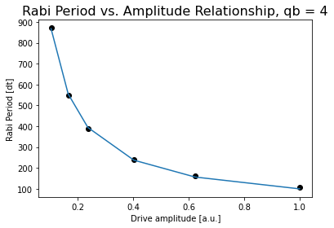
Pi Amplitude = 0.6223425765826383 | [32, 256, 0.6223425765826383], | Pi Amplitude = 0.16502956011603426
Duration = 256 | [48, 400, 0.4016980825787865], | Period = 548.046329908234
Sigma = 32 | [80, 608, 0.23597502416612096],
 | [112, 944, 0.16502956011603426], | Pi Amplitude = 0.10314781640864445
Pi Amplitude = 0.4016980825787865 | [176, 1440, 0.10314781640864445]] | Period = 871.5091055311542
Duration = 400
Sigma = 48

Pi Amplitude = 0.23597502416612096
Duration = 608
Sigma = 80

Pi Amplitude = 0.16502956011603426
Duration = 944
Sigma = 112
 |  |  | Conversion constant: 99.20715774307718. Exponent: -0.9545547178832068
Pi Amplitude = 0.10314781640864445
Duration = 1440
Sigma = 176

 |  |  | Conversion constant: 8.422591490016428. Exponent: -0.9748121973084468

Jojo5
Pi Amplitude = 0.7050361821220616 | ['5ef510c45faf0900143b208c', | Pi Amplitude = 0.7050361821220616 | ['5ef514e451390900147cd7e0',
Duration = 80 | '5ef510c7a2591200133f2fc7', | Period = 76.61409803733643 | '5ef514ea51390900147cd7e2',
Sigma = 16 | '5ef510c951390900147cd796', |  | '5ef514ed51390900147cd7e3',
 | '5ef510cbbe0e7e00121bc7cc', | Pi Amplitude = 0.6425047528052333 | '5ef514ef8cbf9a0012e3c7c7',
Pi Amplitude = 0.635882024564977 | '5ef510ce7855410012c57ce5', | Period = 83.10160107576446 | '5ef514f251390900147cd7e4',
Duration = 112 | '5ef510d05faf0900143b208f', |  | '5ef514f65faf0900143b20e7',
Sigma = 16 | '5ef510d38a74d20012b5cb17', | Pi Amplitude = 0.3199447654895629 | '5ef514faddb6500012078ce2']
 | '5ef510d684b1b70012375085'] | Period = 154.261092077571
Pi Amplitude = 0.6425047528052333
Duration = 176 | [[16, 80, 0.7050361821220616], | Pi Amplitude = 0.20967296119298706
Sigma = 16 | [16, 112, 0.11670782495816358], | Period = 227.06550689992548
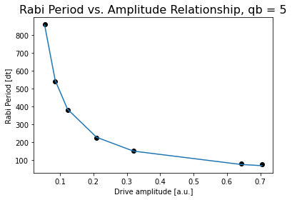
 | [16, 176, 0.6425047528052333],
Pi Amplitude = 0.3199447654895629 | [32, 256, 0.3199447654895629], | Pi Amplitude = 0.12269260186848593
Duration = 256 | [48, 400, 0.20967296119298706], | Period = 380.8720822090192
Sigma = 32 | [80, 608, 0.12269260186848593],
 | [112, 944, 0.08576847502566266], | Pi Amplitude = 0.08576847502566266
Pi Amplitude = 0.20967296119298706 | [176, 1440, 0.05414414749457976]] | Period = 542.7253824180262
Duration = 400
Sigma = 48 |  | Pi Amplitude = 0.05414414749457976
 |  | Period = 859.3217788567408
Pi Amplitude = 0.12269260186848593
Duration = 608
Sigma = 80

Pi Amplitude = 0.08576847502566266
Duration = 944
Sigma = 112 |  |  | Conversion constant: 49.95313684255335. Exponent: -0.9741980721203277

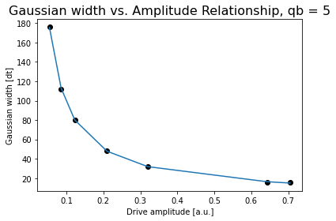
Pi Amplitude = 0.05414414749457976
Duration = 1440
Sigma = 176

 |  |  | Conversion constant: 10.668276009484188. Exponent: -0.9604334841997333

Jojo6
Pi Amplitude = 0.7706955187289692 | ['5ef51ca98cbf9a0012e3c845', |  | ['5ef52021be0e7e00121bc8bc',
Duration = 80 | '5ef51cac51390900147cd85d', |  | '5ef5202351390900147cd880',
Sigma = 16 | '5ef51caebe0e7e00121bc89f', |  | '5ef52026a2591200133f30b9',
 | '5ef51cb1ddb6500012078d59', | Pi Amplitude = 0.7408873422666455 | '5ef52028ddb6500012078d7b',
Pi Amplitude = 0.7408873422666455 | '5ef51cb38cbf9a0012e3c846', | Period = 82.4100746670214 | '5ef5202b51390900147cd881',
Duration = 112 | '5ef51cb65faf0900143b216d', |  | '5ef5202e7855410012c57dd5',
Sigma = 16 | '5ef51cb88cbf9a0012e3c847', | Pi Amplitude = 0.6698540716191039 | '5ef520318cbf9a0012e3c86e',
 | '5ef51cbcddb6500012078d5b'] | Period = 123.9306276388799 | '5ef520358cbf9a0012e3c870']
Pi Amplitude = 0.6698540716191039
Duration = 176 |  | Pi Amplitude = 0.36467952828208655
Sigma = 16 | [[16, 80, 0.7706955187289692], | Period = 153.89835028673772
 | [16, 112, 0.7408873422666455],
Pi Amplitude = 0.36467952828208655 | [16, 176,0.6698540716191039], | Pi Amplitude = 0.23297631344626402
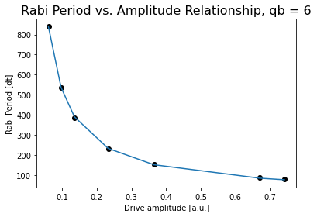
Duration = 256 | [32, 256, 0.36467952828208655], | Period = 231.6380880457946
Sigma = 32 | [48, 400, 0.23297631344626402],
 | [80, 608, 0.13558113239334343], | Pi Amplitude = 0.13558113239334343
Pi Amplitude = 0.23297631344626402 | [112, 944, 0.09704187375791865], | Period = 384.8881239843421
Duration = 400 | [176, 1440, 0.06073170067419344]]
Sigma = 48 |  | Pi Amplitude = 0.09704187375791865
 |  | Period = 537.0204158474398
Pi Amplitude = 0.13558113239334343
Duration = 608 |  | Pi Amplitude = 0.06073170067419344
Sigma = 80 |  | Period = 839.6990872605054

Pi Amplitude = 0.09704187375791865
Duration = 944
Sigma = 112

Pi Amplitude = 0.06073170067419344
Duration = 1440 |  |  | Conversion constant: 58.41743781494493. Exponent: -0.9507668252877607
Sigma = 176
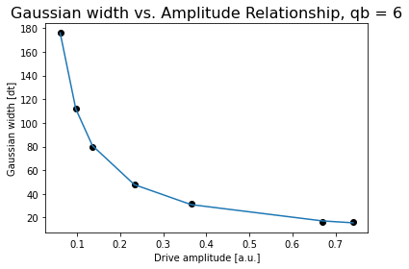

 |  |  | Conversion constant: 11.650031111752481. Exponent: -0.9691865136543687

Jojo7
Pi Amplitude = 0.36488430058962623 | ['5ef52a0b7855410012c57e47', | Pi Amplitude = 0.36488430058962623 | ['5ef52da7ddb6500012078e22',
Duration = 80 | '5ef52a0ebe0e7e00121bc925', | Period = 72.28001422854103 | '5ef52da98a74d20012b5ccb7',
Sigma = 16 | '5ef52a105faf0900143b21fd', |  | '5ef52dacddb6500012078e23',
 | '5ef52a12be0e7e00121bc927', | Pi Amplitude = 0.33816527833404253 | '5ef52daf8cbf9a0012e3c8fb',
Pi Amplitude = 0.33816527833404253 | '5ef52a1484b1b700123751f9', | Period = 77.36267962672619 | '5ef52db25faf0900143b2238',
Duration = 112 | '5ef52a177855410012c57e48', |  | '5ef52db55faf0900143b2239',
Sigma = 16 | '5ef52a1aa2591200133f3130', | Pi Amplitude = 0.3405578033230602 | '5ef52db88cbf9a0012e3c8ff',
 | '5ef52a1dbe0e7e00121bc929'] | Period = 76.81563132063492 | '5ef52dbb84b1b70012375238']
Pi Amplitude = 0.3405578033230602
Duration = 176 |  | Pi Amplitude = 0.16584273096588345
Sigma = 16 | [[16, 80, 0.36488430058962623], | Period = 150.48366539953125
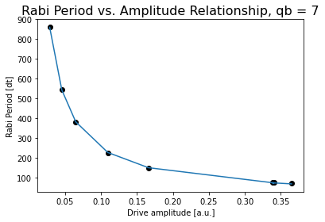
 | [16, 112, 0.33816527833404253],
Pi Amplitude = 0.16584273096588345 | [16, 176, 0.3405578033230602], | Pi Amplitude = 0.10931320337859506
Duration = 256 | [32, 256, 0.16584273096588345], | Period = 225.96838925966475
Sigma = 32 | [48, 400, 0.10931320337859506],
 | [80, 608, 25.307955527852492], | Pi Amplitude = 0.0647471887272037
Pi Amplitude = 0.10931320337859506 | [112, 944, 0.04540814192989371], | Period = 380.4883155731955
Duration = 400 | [176, 1440, 0.02854792815676111]]
Sigma = 48 |  | Pi Amplitude = 0.04540814192989371
 |  | Period = 543.7359617626356
Pi Amplitude = 0.0647471887272037
Duration = 608 |  | Pi Amplitude = 0.02854792815676111
Sigma = 80 |  | Period = 860.913787375557

Pi Amplitude = 0.04540814192989371
Duration = 944
Sigma = 112 |  |  | Conversion constant: 25.581627006241156. Exponent: -0.988440471817147

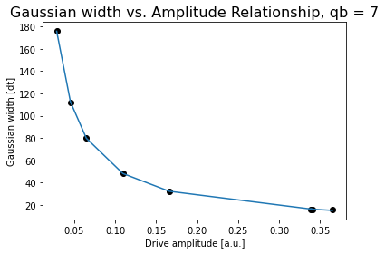
Pi Amplitude = 0.02854792815676111
Duration = 1440
Sigma = 176

 |  |  | Conversion constant: 5.687450116117995. Exponent: -0.9648929117844334

Jojo8
Pi Amplitude = 0.7720584213651753 | ['5ef57f195faf0900143b2570', | Pi Amplitude = 0.7720584213651753 | ['5ef582f0fb7fab0014a7ec14',
Duration = 80 | '5ef57f1bfb7fab0014a7ebc9', | Period = 81.26204602058213 | '5ef582f3be0e7e00121bccf0',
Sigma = 16 | '5ef57f1d8cbf9a0012e3cc65', |  | '5ef582f551390900147cdcdb',
 | '5ef57f1f7855410012c581ca', | Pi Amplitude = 0.6906971142104891 | '5ef582f87855410012c58218',
Pi Amplitude = 0.6906971142104891 | '5ef57f21be0e7e00121bccac', | Period = 88.97315879684939 | '5ef582fb5faf0900143b25c2',
Duration = 112 | '5ef57f23be0e7e00121bccad', |  | '5ef582fe84b1b700123755e1',
Sigma = 16 | '5ef57f2684b1b7001237558c', | Pi Amplitude = 0.7142066361893853 | '5ef58301be0e7e00121bccf2',
 | '5ef57f29fb7fab0014a7ebcb'] | Period = 86.4286107732024 | '5ef58305a2591200133f34d8']
Pi Amplitude = 0.7142066361893853
Duration = 176 |  | Pi Amplitude = 0.3503194496512126
Sigma = 16 | [[16, 80, 0.7720584213651753], | Period = 161.38071202527922
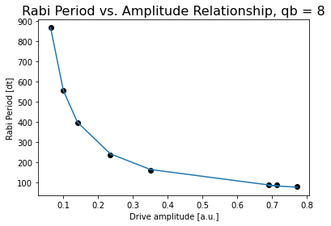
 | [16, 112, 0.6906971142104891],
Pi Amplitude = 0.3503194496512126 | [16, 176, 0.7142066361893853], | Pi Amplitude = 0.23458527534597462
Duration = 256 | [32, 256, 0.3503194496512126], | Period = 237.923296858723
Sigma = 32 | [48, 400, 0.23458527534597462],
 | [80, 608, 0.14041499557488393], | Pi Amplitude = 0.14041499557488393
Pi Amplitude = 0.23458527534597462 | [112, 944, 0.09977279926205697], | Period = 396.2950429983237
Duration = 400 | [176, 1440, 0.062995415200085]]
Sigma = 48 |  | Pi Amplitude = 0.09977279926205697
 |  | Period = 556.2544213722755
Pi Amplitude = 0.14041499557488393
Duration = 608 |  | Pi Amplitude = 0.062995415200085
Sigma = 80 |  | Period = 868.6141967655781

Pi Amplitude = 0.09977279926205697
Duration = 944
Sigma = 112 |  |  | Conversion constant: 59.29925139248408. Exponent: -0.9705356561002346

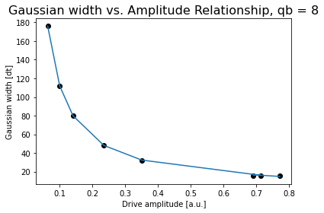
Pi Amplitude = 0.062995415200085
Duration = 1440
Sigma = 176

 |  |  | Conversion constant: 11.519876740103824. Exponent: -0.9862872564599189

Jojo9
Pi Amplitude = 0.8469347352000653 | ['5ef5878584b1b7001237560b', | Pi Amplitude = 0.8469347352000653 | ['5ef58aa684b1b70012375627',
Duration = 80 | '5ef58787fb7fab0014a7ec42', | Period = 83.6636786147123 | '5ef58aa8a2591200133f3512',
Sigma = 16 | '5ef587895faf0900143b25ed', |  | '5ef58aabfb7fab0014a7ec61',
 | '5ef5878bbe0e7e00121bcd15', | Pi Amplitude = 0.7090437680439413 | '5ef58aae8a74d20012b5d095',
Pi Amplitude = 0.7090437680439413 | '5ef5878d8cbf9a0012e3cce4', | Period = 97.3059025311189 | '5ef58ab08a74d20012b5d096',
Duration = 112 | '5ef5879084b1b7001237560f', |  | '5ef58ab4ddb65000120791ea',
Sigma = 16 | '5ef5879351390900147cdd04', | Pi Amplitude = 0.7410670869385751 | '5ef58ab78cbf9a0012e3ccfd',
 | '5ef587968a74d20012b5d07f'] | Period = 93.78771972994056 | '5ef58abba2591200133f3514']
Pi Amplitude = 0.7410670869385751
Duration = 176 | [[16, 80, 0.8469347352000653], | Pi Amplitude = 0.4078566769551802
Sigma = 16 | [16, 112, 0.7090437680439413], | Period = 159.3769633653861

 | [16, 176, 0.7410670869385751],
Pi Amplitude = 0.4078566769551802 | [32, 256, 0.4078566769551802], | Pi Amplitude = 0.26650127780205013
Duration = 256 | [48, 400, 0.26650127780205013], | Period = 238.19397140344236
Sigma = 32 | [80, 608, 0.16024982790251638],
 | [112, 944, 0.11337164440867784], | Pi Amplitude = 0.16024982790251638
Pi Amplitude = 0.26650127780205013 | [176, 1440, 0.07065236124914025]] | Period = 392.9082709646965
Duration = 400
Sigma = 48 |  | Pi Amplitude = 0.11337164440867784
 |  | Period = 554.616791830447
Pi Amplitude = 0.16024982790251638
Duration = 608 |  | Pi Amplitude = 0.07065236124914025
Sigma = 80 |  | Period = 885.4905798818505

Pi Amplitude = 0.11337164440867784
Duration = 944
Sigma = 112 |  |  | Conversion constant: 66.48049584501037. Exponent: -0.9759707562681753

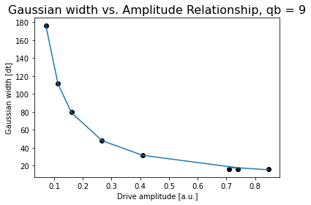
Pi Amplitude = 0.07065236124914025
Duration = 1440
Sigma = 176

 |  |  | Conversion constant: 13.072317572938855. Exponent: -0.9827775368102274

Jojo10
Pi Amplitude = 0.7580443366197566 | ['5ef58e94be0e7e00121bcd59',
Duration = 80 | '5ef58e9684b1b70012375647',
Sigma = 16 | '5ef58e98be0e7e00121bcd5a',
 | '5ef58e9b51390900147cdd38',
Pi Amplitude = 0.6997925580762662 | '5ef58e9da2591200133f3536',
Duration = 112 | '5ef58ea08cbf9a0012e3cd1b',
Sigma = 16 | '5ef58ea27855410012c58278',
 | '5ef58ea651390900147cdd3b']
Pi Amplitude = 0.3981413370594325
Duration = 176 | [[16, 80, 0.7580443366197566], | Pi Amplitude = 0.7580443366197566 | ['5ef5ff1984b1b700123759c7',
Sigma = 16 | [16, 112, 0.6997925580762662], | Period = 79.3613537756605 | '5ef5ff1c8a74d20012b5d438',
 | [16, 176, 0.3981413370594325], |  | '5ef5ff1ebe0e7e00121bd0cd',
Pi Amplitude = 0.34834157465831983 | [32, 256, 0.34834157465831983], | Pi Amplitude = 0.6997925580762662 | '5ef5ff217855410012c585db',
Duration = 256 | [48, 400, 0.22758948255048747], | Period = 84.79626244661245 | '5ef5ff24be0e7e00121bd0cf',
Sigma = 32 | [80, 608, 0.13678714939787087], |  | '5ef5ff27fb7fab0014a7f01f',
 | [112, 944, 0.097382710932777], | Pi Amplitude = 0.3981413370594325 | '5ef5ff2bfb7fab0014a7f020',
Pi Amplitude = 0.22758948255048747 | [176, 1440, 0.06178245423286615]] | Period = 138.83580591469132 | '5ef5ff308cbf9a0012e3d0a3']
Duration = 400
Sigma = 48 |  | Pi Amplitude = 0.34834157465831983
 |  | Period = 157.63905405941856
Pi Amplitude = 0.13678714939787087
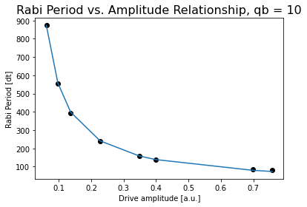
Duration = 608 |  | Pi Amplitude = 0.22758948255048747
Sigma = 80 |  | Period = 238.3875591775931

Pi Amplitude = 0.097382710932777 |  | Pi Amplitude = 0.13678714939787087
Duration = 944 |  | Period = 394.7955048375134
Sigma = 112
 |  | Pi Amplitude = 0.097382710932777
Pi Amplitude = 0.06178245423286615 |  | Period = 556.4960906360539
Duration = 1440
Sigma = 176 |  | Pi Amplitude = 0.06178245423286615
 |  | Period = 873.4096090832659

 |  |  | Conversion constant: 55.96049466992817. Exponent: -0.9863270037625501

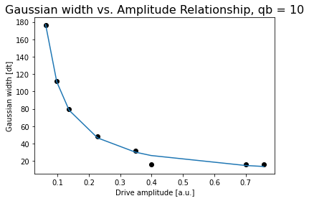

 |  |  | Conversion constant: 10.156982416076294. Exponent: -1.026503852980569

Jojo11
Pi Amplitude = 0.7954296313696497 | ['5ef611fc8cbf9a0012e3d14e', | Pi Amplitude = 0.7954296313696497 | ['5ef6156851390900147ce156',
Duration = 80 | '5ef611fffb7fab0014a7f0c3', | Period = 83.30770008425314 | '5ef6156b7855410012c586a8',
Sigma = 16 | '5ef61201be0e7e00121bd164', |  | '5ef6156e5faf0900143b2a72',
 | '5ef6120384b1b70012375a77', | Pi Amplitude = 0.7510289027921535 | '5ef615715faf0900143b2a73',
Pi Amplitude = 0.7510289027921535 | '5ef6120584b1b70012375a78', | Period = 87.16695947744621 | '5ef61573ddb6500012079639',
Duration = 112 | '5ef612088a74d20012b5d4ec', |  | '5ef6157651390900147ce159',
Sigma = 16 | '5ef6120b5faf0900143b2a4d', | Pi Amplitude = 0.7533025903801482 | '5ef615797855410012c586aa',
 | '5ef6120e51390900147ce13f'] | Period = 86.9233543062518 | '5ef6157d51390900147ce15a']
Pi Amplitude = 0.7533025903801482
Duration = 176 | [[16, 80, 0.7954296313696497], | Pi Amplitude = 0.3828842334412079
Sigma = 16 | [16, 112, 0.7510289027921535], | Period = 157.94942750542037
 | [16, 176, 0.7533025903801482],

Pi Amplitude = 0.3828842334412079 | [32, 256, 0.3828842334412079], | Pi Amplitude = 0.24274065626224897
Duration = 256 | [48, 400, 0.24274065626224897], | Period = 246.7174679725694
Sigma = 32 | [80, 608, 0.07360565026138803],
 | [112, 944, 0.10630839849836803], | Pi Amplitude = 0.14797150226133862
Pi Amplitude = 0.24274065626224897 | [176, 1440, 0.0676895181074665]] | Period = 401.432221018875
Duration = 400
Sigma = 48 |  | Pi Amplitude = 0.10630839849836803
 |  | Period = 558.3096786076211
Pi Amplitude = 0.14797150226133862
Duration = 608 |  | Pi Amplitude = 0.0676895181074665
Sigma = 80 |  | Period = 887.1282321257381

Pi Amplitude = 0.10630839849836803
Duration = 944
Sigma = 112
 |  |  | Conversion constant: 61.0468753438098. Exponent: -0.9919133368276755
Pi Amplitude = 0.0676895181074665

Duration = 1440
Sigma = 176

 |  |  | Conversion constant: 11.929204320355337. Exponent: -0.9990248777026389

Jojo12
Pi Amplitude = 0.7125673595866576 | ['5ef61bccbe0e7e00121bd1bf', | Pi Amplitude = 0.7125673595866576 | ['5ef624e2a2591200133f39ec',
Duration = 80 | '5ef61bcf8cbf9a0012e3d1a9', | Period = 102.46903350626683 | '5ef624e584b1b70012375b17',
Sigma = 16 | '5ef61bd1be0e7e00121bd1c2', |  | '5ef624e8be0e7e00121bd208',
 | '5ef61bd38a74d20012b5d548', | Pi Amplitude = 0.8573628340981987 | '5ef624eb8a74d20012b5d593',
Pi Amplitude = 0.8573628340981987 | '5ef61bd68cbf9a0012e3d1ab', | Period = 87.60563011842729 | '5ef624eeddb65000120796ab',
Duration = 112 | '5ef61bd85faf0900143b2aa4', |  | '5ef624f1fb7fab0014a7f159',
Sigma = 16 | '5ef61bdb7855410012c586db', | Pi Amplitude = 0.7051806819978372 | '5ef624f5be0e7e00121bd209',
 | '5ef61bde8a74d20012b5d54b'] | Period = 103.30358271171241 | '5ef624f9be0e7e00121bd20a']
Pi Amplitude = 0.7051806819978372
Duration = 176 | [[16, 80, 0.7125673595866576], | Pi Amplitude = 0.4480707013281065
Sigma = 16 | [16, 112, 0.8573628340981987], | Period = 152.89598823474347
 | [16, 176, 0.7051806819978372],
Pi Amplitude = 0.4480707013281065 | [32, 256, 0.4480707013281065], | Pi Amplitude = 0.2833993871295863
Duration = 256 | [48, 400, 0.2833993871295863], | Period = 232.57345361657855

Sigma = 32 | [80, 608, 0.16706935608459217],
 | [112, 944, 0.1169316832401407], | Pi Amplitude = 0.16706935608459217
Pi Amplitude = 0.2833993871295863 | [176, 1440, 0.07439068823315236]] | Period = 387.80453573732666
Duration = 400
Sigma = 48 |  | Pi Amplitude = 0.1169316832401407
 |  | Period = 550.6162794344533
Pi Amplitude = 0.16706935608459217
Duration = 608 |  | Pi Amplitude = 0.07439068823315236
Sigma = 80 |  | Period = 867.0317998006063

Pi Amplitude = 0.1169316832401407
Duration = 944
Sigma = 112

Pi Amplitude = 0.07439068823315236
Duration = 1440 |  |  | Conversion constant: 69.53956380480695. Exponent: -0.9688283405688723
Sigma = 176


 |  |  | Conversion constant: 13.41656375569742. Exponent: -0.9910375292741338

Jojo13
Pi Amplitude = 0.7462473378414686 | ['5ef62ca5ddb65000120796e8', | Pi Amplitude = 0.7462473378414686 | ['5ef63b9151390900147ce2a2',
Duration = 80 | '5ef62ca851390900147ce22c', | Period = 77.4963623094325 | '5ef63b945faf0900143b2b8f',
Sigma = 16 | '5ef62caa8a74d20012b5d5cd', |  | '5ef63b968cbf9a0012e3d29a',
 | '5ef62cad8a74d20012b5d5ce', | Pi Amplitude = 0.6737991747500327 | '5ef63b9984b1b70012375bc3',
Pi Amplitude = 0.6737991747500327 | '5ef62caf51390900147ce22d', | Period = 84.34577603427384 | '5ef63b9c84b1b70012375bc5',
Duration = 112 | '5ef62cb1be0e7e00121bd242', |  | '5ef63ba08cbf9a0012e3d29e',
Sigma = 16 | '5ef62cb45faf0900143b2b27', | Pi Amplitude = 0.6483315356998453 | '5ef63ba3fb7fab0014a7f213',
 | '5ef62cb884b1b70012375b5c'] | Period = 87.10002571641554 | '5ef63ba7a2591200133f3aa5']
Pi Amplitude = 0.6483315356998453
Duration = 176 | [[16, 80, 0.7462473378414686], | Pi Amplitude = 0.33902140170158257
Sigma = 16 | [16, 112, 0.6737991747500327], | Period = 152.80963145151418
 | [16, 176, 0.6483315356998453],

Pi Amplitude = 0.33902140170158257 | [32, 256, 0.33902140170158257], | Pi Amplitude = 0.21856708183109472
Duration = 256 | [48, 400, 0.21856708183109472], | Period = 231.2476384820515
Sigma = 32 | [80, 608, 0.12857221359741536],
 | [112, 944, 0.09143531278175902], | Pi Amplitude = 0.12857221359741536
Pi Amplitude = 0.21856708183109472 | [176, 1440, 0.05717709171538155]] | Period = 388.6797401245147
Duration = 400
Sigma = 48 |  | Pi Amplitude = 0.09143531278175902
 |  | Period = 540.0684751735856
Pi Amplitude = 0.12857221359741536
Duration = 608 |  | Pi Amplitude = 0.05717709171538155
Sigma = 80 |  | Period = 870.0433822068977

Pi Amplitude = 0.09143531278175902
Duration = 944
Sigma = 112
 |  |  | Conversion constant: 53.04738616311787. Exponent: -0.9755092917894524
Pi Amplitude = 0.05717709171538155
Duration = 1440

Sigma = 176

 |  |  | Conversion constant: 11.09074144750751. Exponent: -0.9659428057129544

Jojo14
Pi Amplitude = 0.510594990208445 | ['5ef64351ddb6500012079809', | Pi Amplitude = 0.510594990208445 | ['5ef6565984b1b70012375d64',
Duration = 80 | '5ef6435351390900147ce33b', | Period = 71.74912418689289 | '5ef6565b84b1b70012375d65',
Sigma = 16 | '5ef64355be0e7e00121bd35c', |  | '5ef6565e51390900147ce441',
 | '5ef643578cbf9a0012e3d34e', | Pi Amplitude = 0.4740162006318728 | '5ef656608cbf9a0012e3d44b',
Pi Amplitude = 0.4740162006318728 | '5ef64359a2591200133f3b46', | Period = 76.71230081537733 | '5ef65663be0e7e00121bd441',
Duration = 112 | '5ef6435c8cbf9a0012e3d350', |  | '5ef65666ddb65000120798e7',
Sigma = 16 | '5ef6435f7855410012c5886a', | Pi Amplitude = 0.4655173176256431 | '5ef6566a51390900147ce443',
 | '5ef6436351390900147ce33f'] | Period = 77.9087422203134 | '5ef6566eddb65000120798e8']
Pi Amplitude = 0.4655173176256431
Duration = 176 | [[16, 80, 0.510594990208445], | Pi Amplitude = 0.22409967598785624
Sigma = 16 | [16, 112, 0.4740162006318728], | Period = 153.70471507107283

 | [16, 176, 0.4655173176256431],
Pi Amplitude = 0.22409967598785624 | [32, 256, 0.22409967598785624], | Pi Amplitude = 0.1467484200684614
Duration = 256 | [48, 400, 0.1467484200684614], | Period = 232.2316161243709
Sigma = 32 | [80, 608, 0.08751722112116253],
 | [112, 944, 0.06170294050167689], | Pi Amplitude = 0.08751722112116253
Pi Amplitude = 0.1467484200684614 | [176, 1440, 0.038808459648393356]] | Period = 387.6069260229165
Duration = 400
Sigma = 48 |  | Pi Amplitude = 0.06170294050167689
 |  | Period = 550.5909920236437
Pi Amplitude = 0.08751722112116253
Duration = 608 |  | Pi Amplitude = 0.038808459648393356
Sigma = 80 |  | Period = 862.7073348053972

Pi Amplitude = 0.06170294050167689
Duration = 944
Sigma = 112 |  |  | Conversion constant: 35.92255650292224. Exponent: -0.9784188437551748


Pi Amplitude = 0.038808459648393356
Duration = 1440
Sigma = 176

 |  |  | Conversion constant: 7.601093075606327. Exponent: -0.9666488482050365

Jojo15
Pi Amplitude = 1.016485184864977 | ['5ef65bdd7855410012c58992', | Pi Amplitude = 1 | ['5ef6610afb7fab0014a7f3f9',
Duration = 80 | '5ef65bdf5faf0900143b2d4f', | Period = 76.65667016798142 | '5ef6610c5faf0900143b2d81',
Sigma = 16 | '5ef65be184b1b70012375d91', |  | '5ef6610fbe0e7e00121bd494',
 | '5ef65be484b1b70012375d92', | Pi Amplitude = 0.8694664683772594 | '5ef661128a74d20012b5d801',
Pi Amplitude = 0.8694664683772594 | '5ef65be6be0e7e00121bd468', | Period = 86.04501936311694 | '5ef6611584b1b70012375dba',
Duration = 112 | '5ef65be984b1b70012375d93', |  | '5ef661188cbf9a0012e3d4a1',
Sigma = 16 | '5ef65becddb650001207990e', | Pi Amplitude = 0.8787790869659213 | '5ef6611b8cbf9a0012e3d4a2',
 | '5ef65befbe0e7e00121bd469'] | Period = 85.30765459618864 | '5ef661207855410012c589bb']
Pi Amplitude = 0.8787790869659213
Duration = 176 |  | Pi Amplitude = 0.4306437273528574
Sigma = 16 | [[16, 80, 1], | Period = 160.08810552841186
 | [16, 112, 0.8694664683772594],

Pi Amplitude = 0.4306437273528574 | [16, 176, 0.8787790869659213], | Pi Amplitude = 0.28164164823258225
Duration = 256 | [32, 256, 0.4306437273528574], | Period = 235.05430003610692
Sigma = 32 | [48, 400, 0.28164164823258225],
 | [80, 608, 0.18404972375477802], | Pi Amplitude = 0.18404972375477802
Pi Amplitude = 0.28164164823258225 | [112, 944, 0.11706154012714548], | Period = 351.2567061246331
Duration = 400 | [176, 1440, 0.07379884746225539]]
Sigma = 48 |  | Pi Amplitude = 0.11706154012714548
 |  | Period = 550.2498750138275
Pi Amplitude = 0.18404972375477802
Duration = 608 |  | Pi Amplitude = 0.07379884746225539
Sigma = 80 |  | Period = 859.889170821063

Pi Amplitude = 0.11706154012714548
Duration = 944
Sigma = 112
 |  |  | Conversion constant: 70.92519866266184. Exponent: -0.9561175027847064
Pi Amplitude = 0.07379884746225539
Duration = 1440

Sigma = 176

 |  |  | Conversion constant: 15.113382279092622. Exponent: -0.9420720154939807

Jojo16
Pi Amplitude = 0.9255702985634208 | ['5efa3367f3a1b300132cd0f7', | Pi Amplitude = 0.9255702985634208 | ['5efa40fb1c6a20001272eb0a',
Duration = 80 | '5efa33691f31490012fddb76', | Period = 85.60944330663746 | '5efa40fe2aeb6200123d2be1',
Sigma = 16 | '5efa336c20eee10013be430c', |  | '5efa4101f3a1b300132cd1fd',
 | '5efa336e04f6d40013665bca', | Pi Amplitude = 0.9002837456502224 | '5efa41031f31490012fddc55',
Pi Amplitude = 0.9002837456502224 | '5efa337004f6d40013665bcb', | Period = 87.74328452860695 | '5efa4106f3a1b300132cd1fe',
Duration = 112 | '5efa337311d14f0013abecf3', |  | '5efa41091f31490012fddc56',
Sigma = 16 | '5efa337620eee10013be430d', | Pi Amplitude = 0.8125224123005497 | '5efa410d2aeb6200123d2be3',
 | '5efa337920eee10013be430f'] | Period = 95.94887545086506 | '5efa411120eee10013be43ee']
Pi Amplitude = 0.8125224123005497
Duration = 176 | [[16, 80, 0.9255702985634208], | Pi Amplitude = 0.54164904240245
Sigma = 16 | [16, 112, 0.9002837456502224], | Period = 138.82800013054782
 | [16, 176, 0.8125224123005497],

Pi Amplitude = 0.54164904240245 | [32, 256, 0.54164904240245], | Pi Amplitude = 0.3702369874891184
Duration = 256 | [48, 400, 0.3702369874891184], | Period = 197.85084515365193
Sigma = 32 | [80, 608, 0.18186309701223674],
 | [112, 944, 0.12702749286796988], | Pi Amplitude = 0.18186309701223674
Pi Amplitude = 0.3702369874891184 | [176, 1440, 0.08046901719369828]] | Period = 388.3027063078206
Duration = 400
Sigma = 48 |  | Pi Amplitude = 0.12702749286796988
 |  | Period = 547.3716399870816
Pi Amplitude = 0.18186309701223674
Duration = 608 |  | Pi Amplitude = 0.08046901719369828
Sigma = 80 |  | Period = 861.1932667605826

Pi Amplitude = 0.12702749286796988
Duration = 944
Sigma = 112
 |  |  | Conversion constant: 76.16056132506117. Exponent: -0.9607519043146192
Pi Amplitude = 0.08046901719369828

Duration = 1440
Sigma = 176

 |  |  | Conversion constant: 16.434457262102157. Exponent: -0.9389201013042705

Jojo17
Pi Amplitude = 0.8694900512886118 | ['5efa4c291c6a20001272ebb8', | Pi Amplitude = 0.8694900512886118 | ['5efa57ed2aeb6200123d2d9c',
Duration = 80 | '5efa4c2b2aeb6200123d2c69', | Period = 79.94524312025808 | '5efa57f01f31490012fdde08',
Sigma = 16 | '5efa4c2d04f6d40013665d48', |  | '5efa57f32aeb6200123d2d9d',
 | '5efa4c2f6920cd00125239e9', | Pi Amplitude = 0.8674870203693015 | '5efa57f61c6a20001272ece3',
Pi Amplitude = 0.8674870203693015 | '5efa4c317c0d6800137ffda4', | Period = 80.05953915145214 | '5efa57f96920cd0012523b0e',
Duration = 112 | '5efa4c341c6a20001272ebb9', |  | '5efa57fc03510e00123c9b2e',
Sigma = 16 | '5efa4c372aeb6200123d2c6b', | Pi Amplitude = 0.8039648763939761 | '5efa580004f6d40013665e81',
 | '5efa4c3a6920cd00125239ea'] | Period = 85.57704236605974 | '5efa580403510e00123c9b31']
Pi Amplitude = 0.8039648763939761
Duration = 176 | [[16, 80, 0.8694900512886118], | Pi Amplitude = 0.4256695203330245

Sigma = 16 | [16, 112, 0.8674870203693015], | Period = 154.18822787816336
 | [16, 176, 0.8039648763939761],
Pi Amplitude = 0.4256695203330245 | [32, 256, 0.4256695203330245], | Pi Amplitude = 0.2728874688691777
Duration = 256 | [48, 400, 0.2728874688691777], | Period = 233.3159998399876
Sigma = 32 | [80, 608, 0.160775094300207],
 | [112, 944, 0.11266391095916693], | Pi Amplitude = 0.160775094300207
Pi Amplitude = 0.2728874688691777 | [176, 1440, 0.0706996391426449]] | Period = 383.9691696084671
Duration = 400
Sigma = 48 |  | Pi Amplitude = 0.11266391095916693
 |  | Period = 535.0791573074756
Pi Amplitude = 0.160775094300207
Duration = 608 |  | Pi Amplitude = 0.0706996391426449
Sigma = 80 |  | Period = 857.2840535651976

Pi Amplitude = 0.11266391095916693
Duration = 944 |  |  | Conversion constant: 66.61375917115514. Exponent: -0.9620204924453801
Sigma = 112

Pi Amplitude = 0.0706996391426449
Duration = 1440
Sigma = 176

 |  |  | Conversion constant: 13.78818074531042. Exponent: -0.9609761215025634

