GitHub Cheatsheet
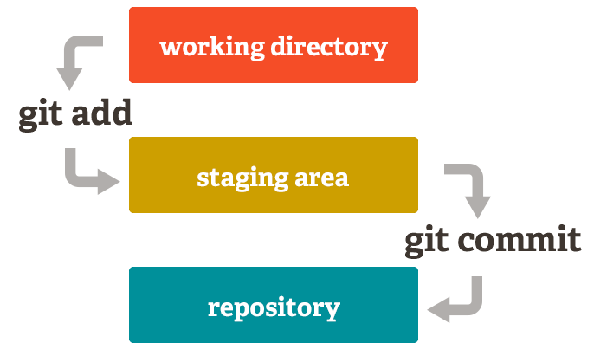
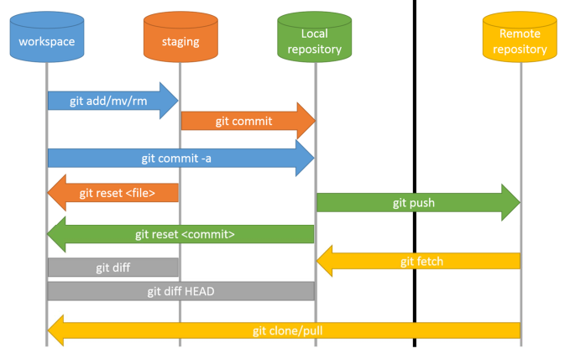
Command | Additional flags/inputs | Description/Notes
git status
git add
git commit
git pull
git push
git reset
git log

