task1_results
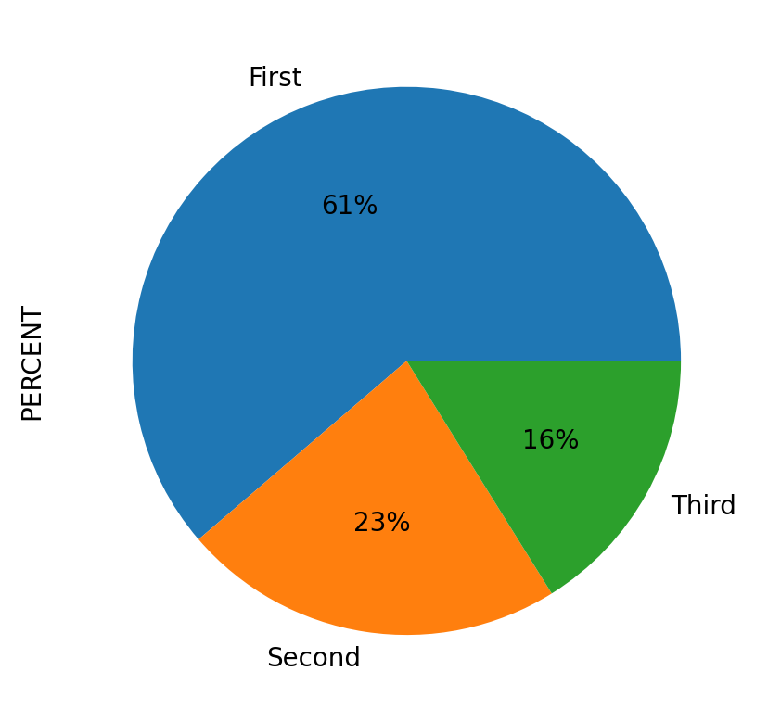
CATEGORY | POLYGON_COUNT | PERCENT
First | 19 | 61.29
Second | 7 | 22.58
Third | 5 | 16.13

