Charts
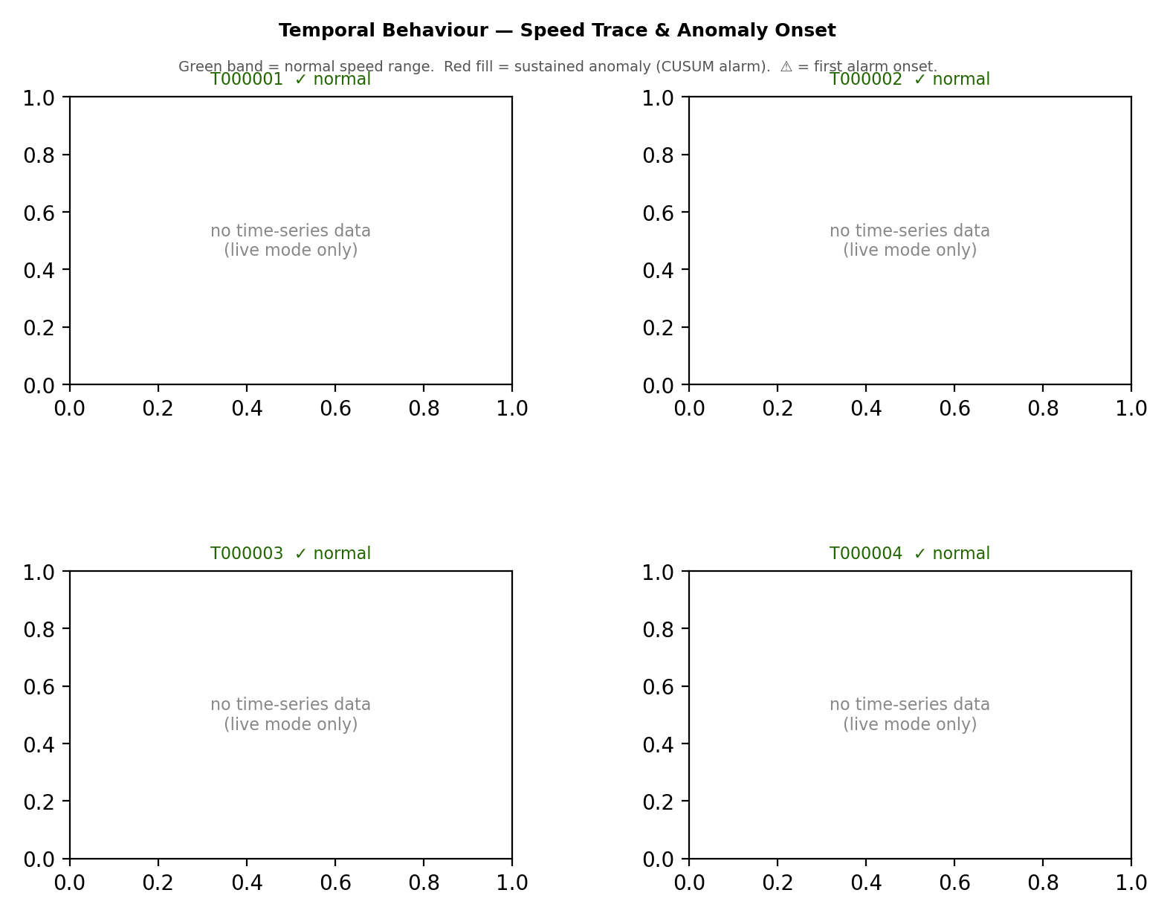
Anomaly Intel Charts | anomaly_report

Z-Score Heatmap
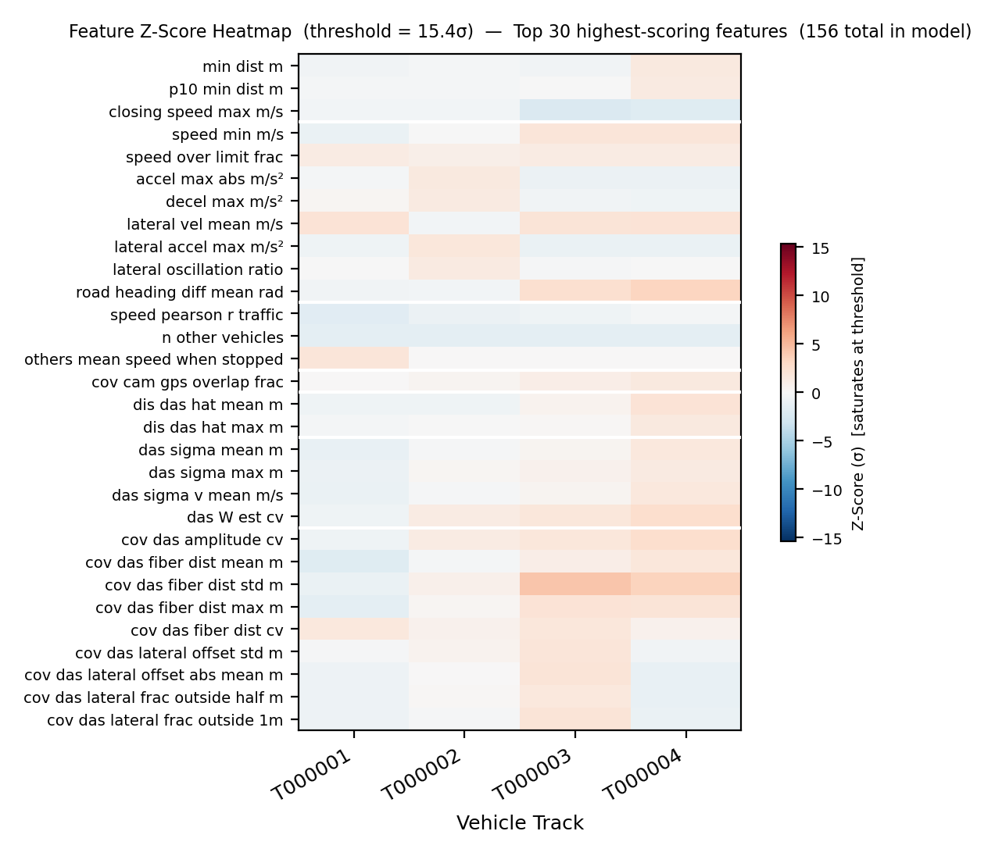

Score Ranking
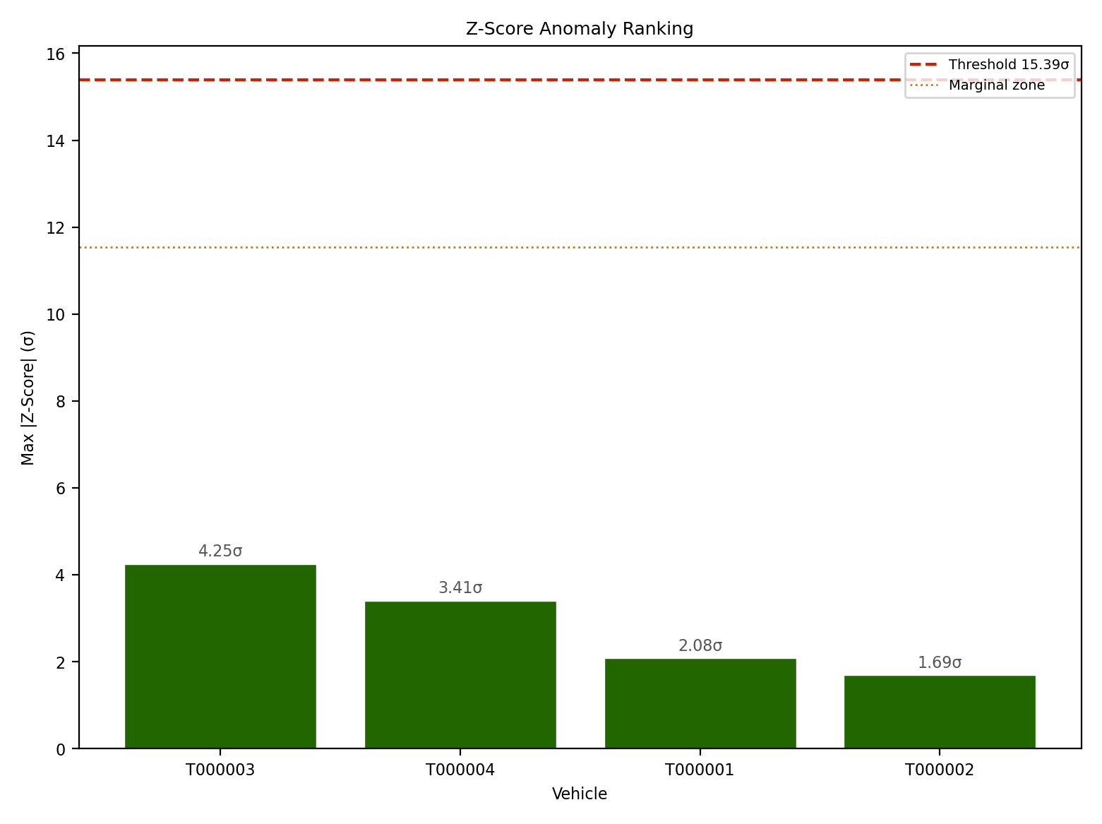

Feature Distributions
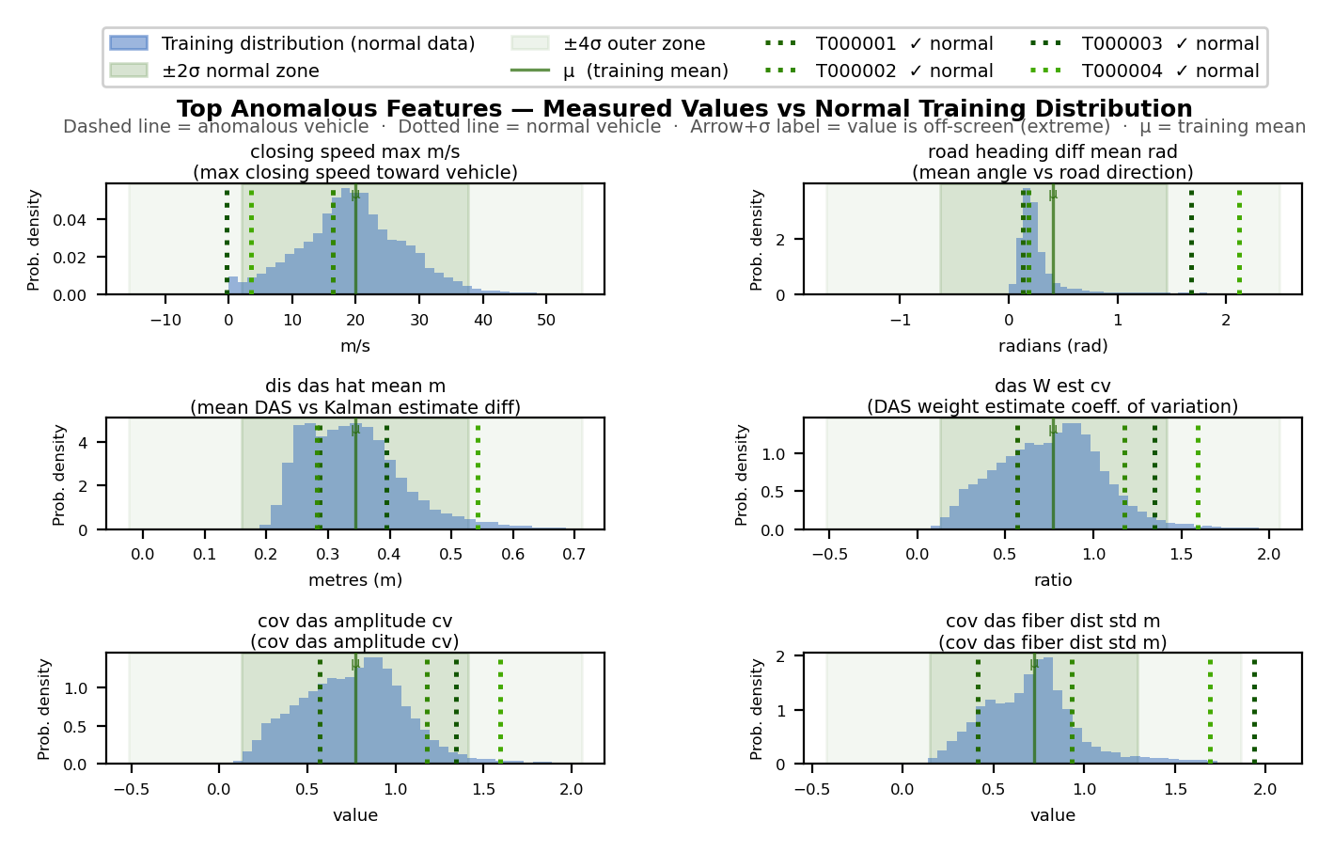

CUSUM Temporal Analysis

