Figures
 |  |  | 2012
NGBS Scoring for New Construction ICC 700-2008 National Green Building Standard™ |  |  | Revised August 21, 2020 | © 2020 Home Innovation Research Labs, Inc. All rights reserved. This document is protected by U.S. copyright law. Requirements from ICC700-2012 National Green Building Standard™ © 2013 National Association of Home Builders of the U.S. - used by permission. Home Innovation authorizes use of this document only by those individuals/organizations participating in Home Innovation's Green Building Certification and solely for purpose of seeking project certification from the Home Innovation Research Labs.
Figure 6(1): Climate Zones

 | See 703.1.1 | See 903.3

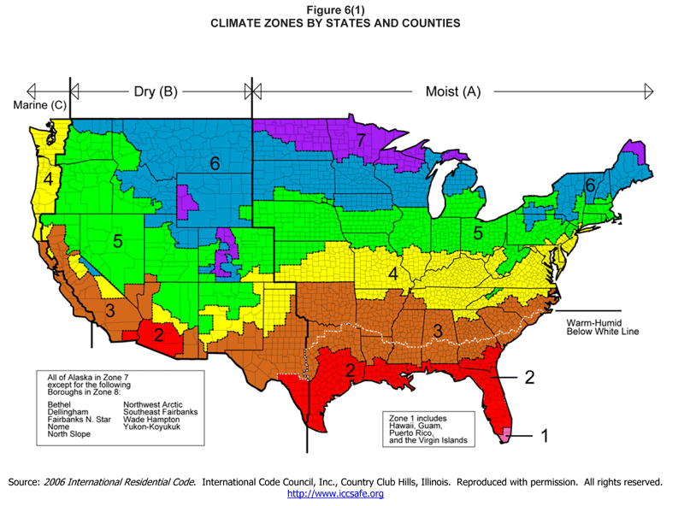

Source: 2006 International Residential Code. International Code Council, Inc., Country Club Hills, Illinois. Reproduced with permission. All rights reserved. http://www.iccsafe.org

Figure 6(2): Average Annual Precipitation

 | See 602.1.12

To see a more detailed map, go to www.nationalatlas.gov, and follow these instructions:
(1) | Click the "Map Maker" link
(2) | Click on "Climate"
(3) | Check the box for "Average Annual Precipitation 1961-1990"
(4) | Click the "Redraw Map" button
(5) | In the dropdown box, select "Zoom to State(s)" option

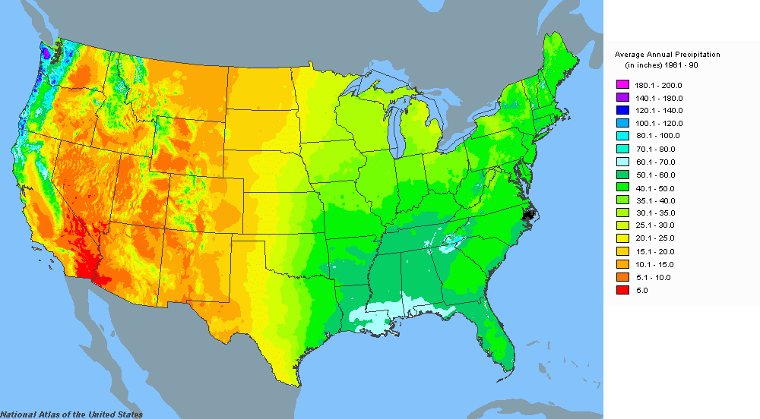

Source: www.nationalatlas.gov

Figure 6(3): Termite Infestation Probability Map

 | See Practice 602.1.5 | See Practice 602.1.6
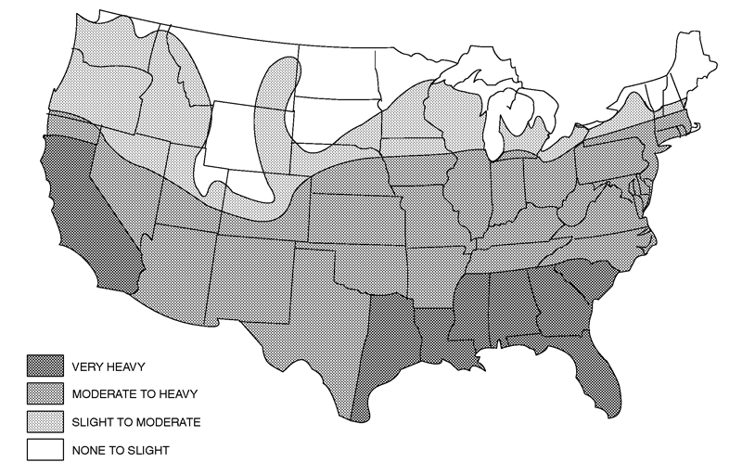

Source: 2006 International Residential Code. International Code Council, Inc., Country Club Hill, Illinois. Reproduced with permission. All rights reserved. www.iccsafe.org

Figure 9(1): EPA Map of Radon Zones
 |  |  |  |  | See Practice 902.3

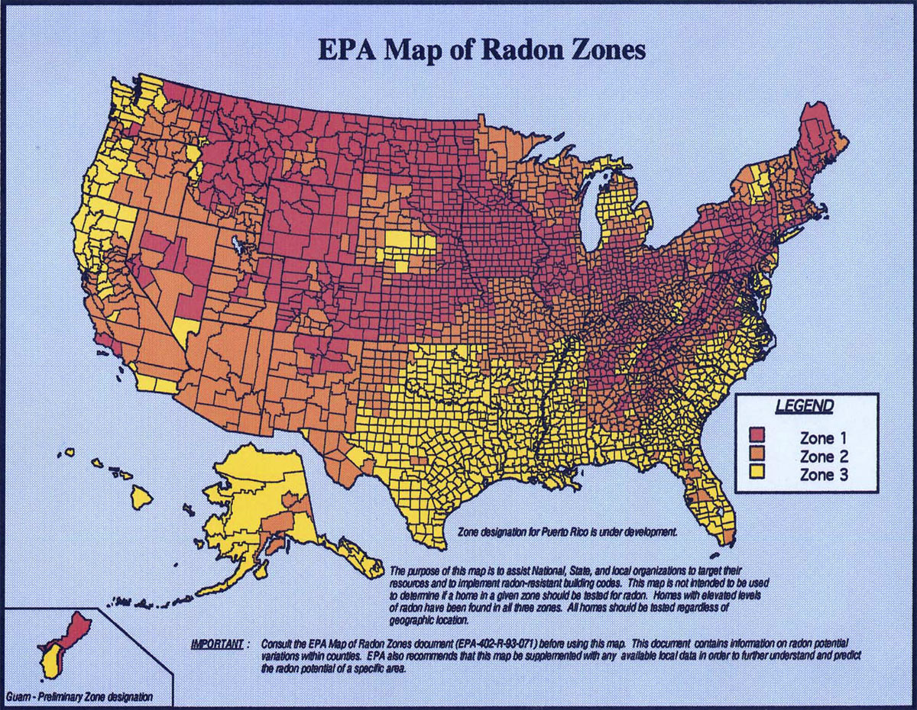

See the EPA Map of Radon Zones to find the level of radon potential for your project area.

