scaleling
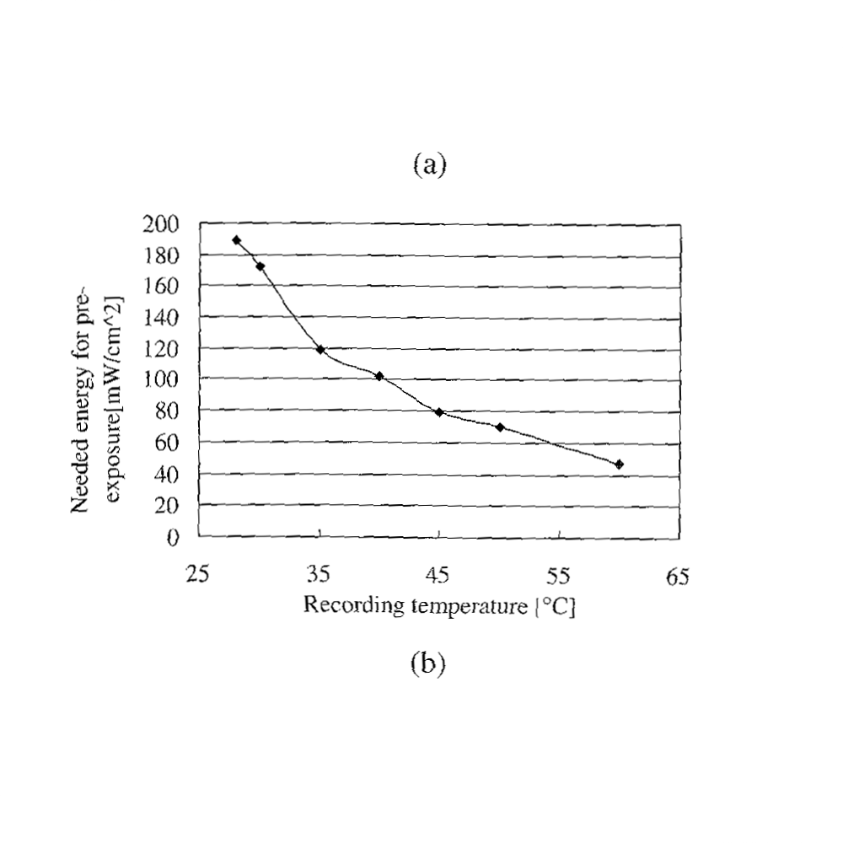
xActual | xPixel-xCoor | xPixel-yCoor | distance between Xcoors
25 | 234 | 634 | 0 | average
35 | 380 | 636 | 146 | 142.75
45 | 520 | 637 | 140 |  | xTransferSlope | 14.275
55 | 662 | 638 | 142 |  | xTransFxn | xPixel = xActual * xTransferSlope - 122.875
65 | 805 | 639 | 143
 |  | 636.8
yActual | yPixel-xCoor | yPixel-yCoor | distance between Ycoors |  | yTransferSlope | -1.85
0 | 234 | 634 | 36 | average
20 | 235 | 598 | 37 | 37
40 | 236 | 561 | 38 |  | yTransFxn | yPixel = yActual * yTransferSlope + 634
60 | 236 | 523 | 38
80 | 236 | 485 | 38
100 | 236 | 447 | 35
120 | 236 | 412 | 37
140 | 236 | 375 | 38 |  |  | get pixelcoors of picture then apply that to transfer function
160 | 236 | 337 | 35
180 | 236 | 302 | 38
200 | 237 | 264 | 0
 | 235.81818182

xPixel | yPixel |  | xActual | yActual
280 | 284 |  | 28.222416813 | 189.18918919
308 | 315 |  | 30.183887916 | 172.43243243
380 | 414 |  | 35.227670753 | 118.91891892
449 | 445 |  | 40.061295972 | 102.16216216
521 | 485 |  | 45.105078809 | 80.540540541
593 | 506 |  | 50.148861646 | 69.189189189
734 | 551 |  | 60.026269702 | 44.864864865

