汇总
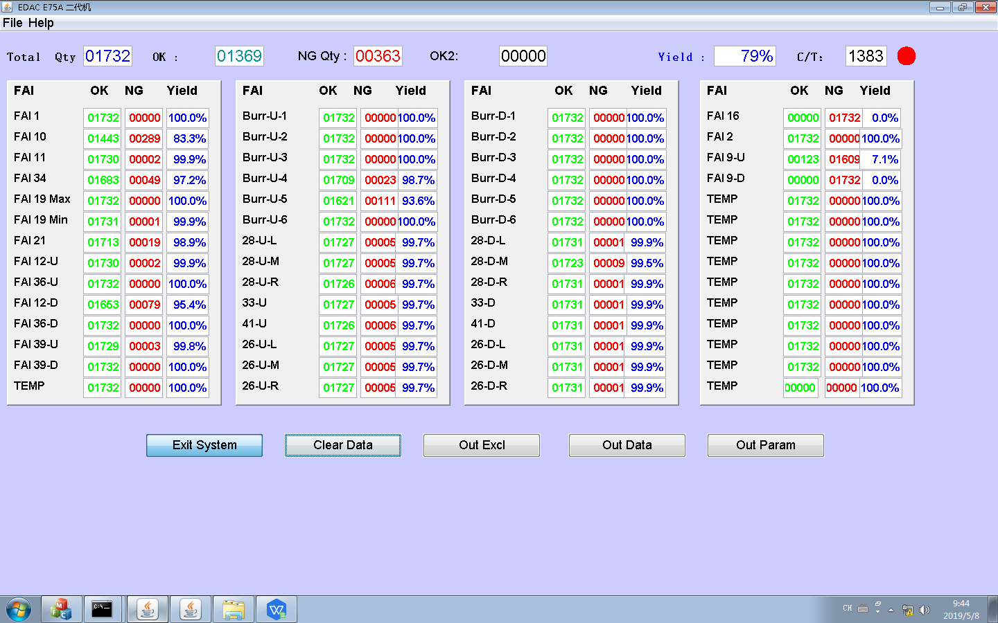
1 | FAI 1 | 1732 | 0 | 100
2 | FAI 10 | 1443 | 289 | 83.31408776
3 | FAI 11 | 1730 | 2 | 99.884526559
4 | FAI 34 | 1683 | 49 | 97.170900693
5 | FAI 19 Max | 1732 | 0 | 100
6 | FAI 19 Min | 1731 | 1 | 99.942263279
7 | FAI 21 | 1713 | 19 | 98.903002309
8 | FAI 12-U | 1730 | 2 | 99.884526559
9 | FAI 36-U | 1732 | 0 | 100
10 | FAI 12-D | 1653 | 79 | 95.438799076
11 | FAI 36-D | 1732 | 0 | 100
12 | FAI 39-U | 1729 | 3 | 99.826789838
13 | FAI 39-D | 1732 | 0 | 100
14 | TEMP | 1732 | 0 | 100
15 | Burr-U-1 | 1732 | 0 | 100
16 | Burr-U-2 | 1732 | 0 | 100
17 | Burr-U-3 | 1732 | 0 | 100
18 | Burr-U-4 | 1709 | 23 | 98.672055427
19 | Burr-U-5 | 1621 | 111 | 93.591224018
20 | Burr-U-6 | 1732 | 0 | 100
21 | 28-U-L | 1727 | 5 | 99.711316397
22 | 28-U-M | 1727 | 5 | 99.711316397
23 | 28-U-R | 1726 | 6 | 99.653579677
24 | 33-U | 1727 | 5 | 99.711316397
25 | 41-U | 1726 | 6 | 99.653579677
26 | 26-U-L | 1727 | 5 | 99.711316397
27 | 26-U-M | 1727 | 5 | 99.711316397
28 | 26-U-R | 1727 | 5 | 99.711316397
29 | Burr-D-1 | 1732 | 0 | 100
30 | Burr-D-2 | 1732 | 0 | 100
31 | Burr-D-3 | 1732 | 0 | 100
32 | Burr-D-4 | 1732 | 0 | 100
33 | Burr-D-5 | 1732 | 0 | 100
34 | Burr-D-6 | 1732 | 0 | 100
35 | 28-D-L | 1731 | 1 | 99.942263279
36 | 28-D-M | 1723 | 9 | 99.480369515
37 | 28-D-R | 1731 | 1 | 99.942263279
38 | 33-D | 1731 | 1 | 99.942263279
39 | 41-D | 1731 | 1 | 99.942263279
40 | 26-D-L | 1731 | 1 | 99.942263279
41 | 26-D-M | 1731 | 1 | 99.942263279
42 | 26-D-R | 1731 | 1 | 99.942263279
43 | FAI 16 | 0 | 1732 | 0
44 | FAI 2 | 1732 | 0 | 100
45 | FAI 9-U | 123 | 1609 | 7.1016166282
46 | FAI 9-D | 0 | 1732 | 0
47 | TEMP | 1732 | 0 | 100
48 | TEMP | 1732 | 0 | 100
49 | TEMP | 1732 | 0 | 100
50 | TEMP | 1732 | 0 | 100
51 | TEMP | 1732 | 0 | 100
52 | TEMP | 1732 | 0 | 100
53 | TEMP | 1732 | 0 | 100
54 | TEMP | 1732 | 0 | 100
55 | TEMP | 1732 | 0 | 100

Sheet3
