limit increase retail
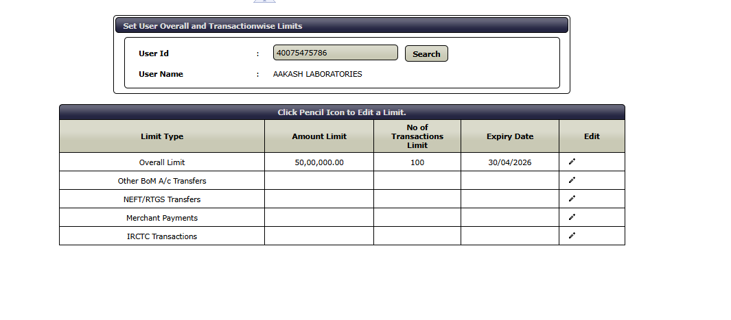
 | Step1

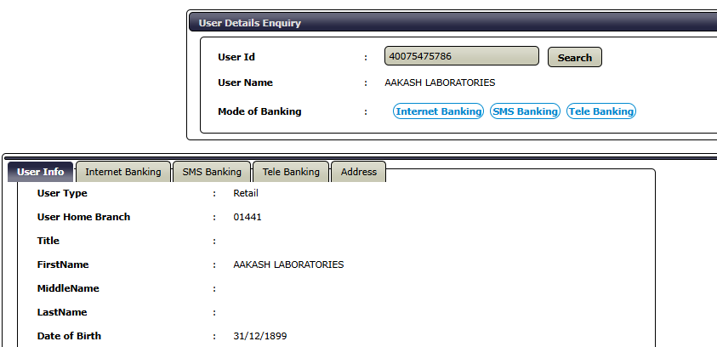

Step 2

limit increase-corporate
Example | Account Number : | 60501808284
 | Name of the Account : | DICABS NEXTGEN SPECIAL ALLOYS PRIVATE LIMITED
 | CIF of the Account : | 40288014541
 | Corporate ID : | diccf00001
 | User ID : mention all user id | kavps00001
 |  | shawk00001
 | Recommending Officer : | VISHALKUMAR DHULA (PF 36283)
 | Required overall limit in Words and Figures : | 20,00,00,000 per day
 |  | Twenty crore per day
 | No of Per day Transaction required : | 500
 | Period of Enhancement | 365 days

 | Resolution
Step 1 | Go to Set overall transaction limit, Punch user id-kavps00001
 | Set Amount limit,no of transaction and expiry date
 | Repeat the steps for other users
Step 2 | Go to Corporate Role update- Punch CIF of the account
 | Check role against user id
Step 3 | Go to matrix configuration- punch CIF of the account
 | Select role and increase the limit

 | Step 1

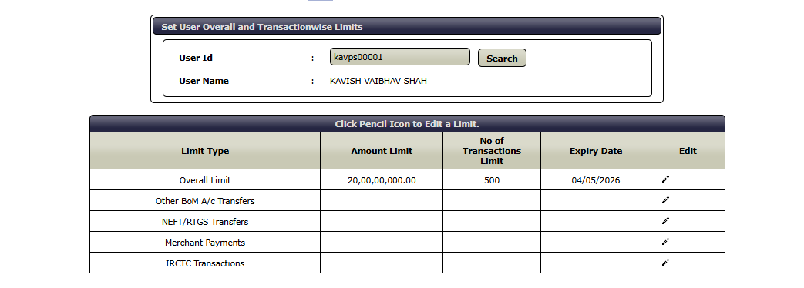

 | Step 2
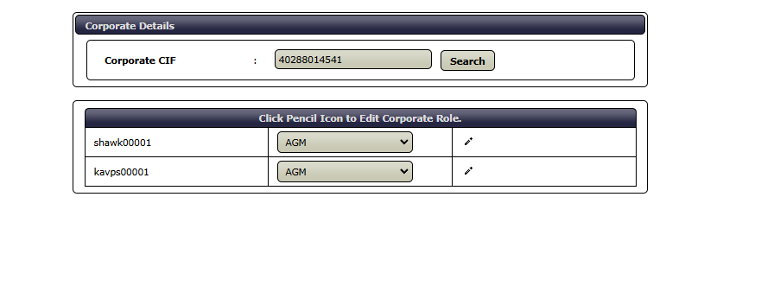

 | Step 3

