Sheet1
 | originator | A&L | 1 | receiver | A&L | -1 | >1 ASSET | <1 LIABILITY | originator | A&L | LOAN.originator | -1 |  | receiver | A&L | LOAN.originator | 1 | receiver | A&L | LOAN.receiver | 1
 | originator | I&E | 1 | receiver | I&E | -1 | >1 INCOME | <1 EXPENSE | originator | A&L | LOAN.other | 1 |  | receiver | A&L | LOAN.other | -1 | receiver | A&L | LOAN.other | -1

 | internal | A&L | 1 | internal | A&L | 1
income | internal | I&E | 1 | internal | A&L | 1
exp | internal | I&E | -1 | internal | A&L | -1
 |  |  |  |  |  |  |  |  | originator | A&L | LOANPAY.originator | -1 |  |  |  |  |  | receiver | A&L | LOANPAY.receiver | 1
 |  |  |  |  |  |  |  |  | originator | A&L | LOANPAY.other | 1 |  |  |  |  |  | receiver | A&L | LOANPAY.other | -1

 | internal | ASSET | 1 | internal | EQUITY | 1
 |  |  |  | internal | LIABILITY | 1
 |  |  |  | internal | ASSET | -1
 |  |  |  | internal | REV | 1
 |  |  |  | internal | EXP | -1
 | internal | ASSET | -1 | internal | EQUITY | -1 |  |  | originator | ASSET | LOAN.originator | -1 |  | receiver | A&L | LOAN.originator | 1 | receiver | ASSET | LOAN.receiver | 1
 |  |  |  | internal | LIABILITY | -1 |  |  | originator | ASSET | LOAN.other | 1 |  | receiver | A&L | LOAN.other | -1 | receiver | LIABILITY | LOAN.other | 1
 |  |  |  | internal | ASSET | 1 |  |  | originator | ASSET | LOANPAY.originator | -1 |  |  |  |  |  | receiver | ASSET | LOANPAY.receiver | 1
 |  |  |  | internal | REV | -1 |  |  | originator | LIABILITY | LOANPAY.other | -1 |  |  |  |  |  | receiver | ASSET | LOANPAY.other | -1
 |  |  |  | internal | EXP | 1

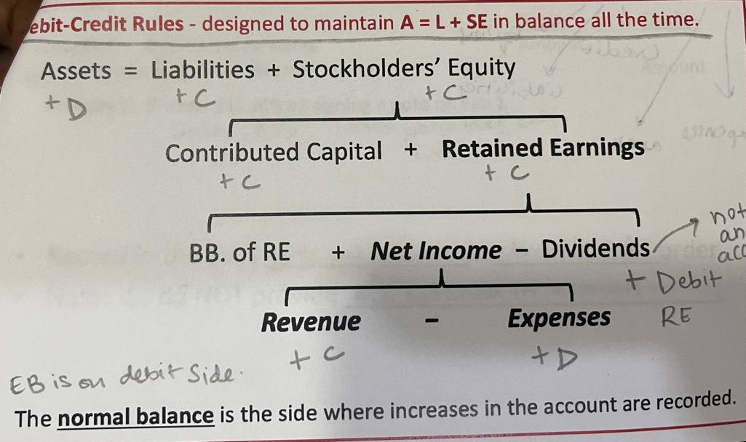
 | ASSETS = EQUITY + LIABILITY |  |  |  |  |  |  |  | originator |  | ASSET | other | 1
 |  |  |  |  |  |  |  |  | receiver |  | LIABILITY | other | 1

 |  |  |  |  |  |  |  |  | originator |  | INCOME | other | 1
 |  |  |  |  |  |  |  |  | originator |  | EXP

 |  | INCOME | 1

rev. on service rendered | internal | ASSET.AR | 1 | internal | REV | 1
adv. Ren | internal | ASSET | 1 | internal | REV-UNEARNED.LIABILITY | 1

