Draw
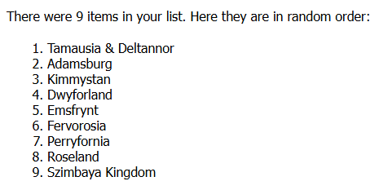
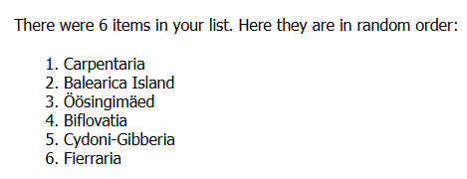
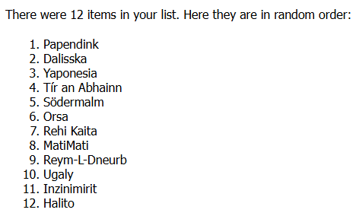
 |  |  |  |  |  |  |  | Semi-Final 1 |  |  |  |  | Semi-Final 2 |  |  |  |  | Grand Final
Pot 1 | Pot 2 | Pot 3 |  | Semi-Final 1 |  | Semi-Final 2 | * | Draw | Nation | Artist | Song | Link | Draw | Nation | Artist | Song | Link | Draw | Nation | Artist | Song | Link
Adamsburg | Balearica Island | Begonia | 1 | Pot 1 Semi-Finalist | 1 | Pot 4 Semi-Finalist |  | 1 | Tamausia & Deltannor | Iniko | Apocalypse | https://www.youtube.com/watch?v=-iLGHDJJeL0 | 1 | Zombira | Caater feat. Hannah | Sinuta | https://www.youtube.com/watch?v=wShcnfx8Qfw | 1 | Fierraria | Monokate x Shepit x MUV DO NAS | Ruta | https://www.youtube.com/watch?v=2rwTkRTIcc8
Dwyforland | Biflovatia | Dalisska | 2 | Pot 2 Semi-Finalist | 2 | Pot 3 Semi-Finalist |  | 2 | Carpentaria | Bismil & Gurnazar | Tu Te Sharab | https://www.youtube.com/watch?v=c1M_gAGjkqA | 2 | Rehi Kaita | James Daltan | Touch Me | https://www.youtube.com/watch?v=AcLPescE-fY | 2 | Tír an Abhainn | Meelik | Särin | https://www.youtube.com/watch?v=FmI1GahLTYA
Emsfrynt | Carpentaria | Halito | 3 | Pot 3 Semi-Finalist | 3 | Pot 2 Semi-Finalist |  | 3 | Papendink | Yolanda Be Cool | Dance and Chant | https://www.youtube.com/watch?v=MG9lFGP5jOw | 3 | Biflovatia | Gladde Paling | Dolfijn | https://www.youtube.com/watch?v=WAJiBfGQt5Q | 3 | Tamausia & Deltannor | Iniko | Apocalypse | https://www.youtube.com/watch?v=-iLGHDJJeL0 | *
Fervorosia | Cydoni-Gibberia | MatiMati | 4 | Pot 5 Semi-Finalist | 4 | Pot 6 Semi-Finalist |  | 4 | Rahasia-Diati | The Baxbys | Goth King | https://www.youtube.com/watch?v=s5KKNSTrPzQ | 4 | Trollheimr | Eye of Melian | Symphonia Arcana | https://www.youtube.com/watch?v=0QsrR5MZEOk | 4 | Svobodnia | Layto | RIPAHEART | https://www.youtube.com/watch?v=Q_NtjqvUIAk
Kimmystan | Fierraria | Orsa | 5 | Pot 1 Semi-Finalist | 5 | Pot 5 Semi-Finalist |  | 5 | Adamsburg | Sylvia Vrethammar | Y Viva España | https://www.youtube.com/watch?v=4Ra9bCL71p8 | 5 | New Acadia | Chasing Abbey | Íorónta | https://www.youtube.com/watch?v=3Sn6njCHCNA | 5 | Rahasia-Diati | The Baxbys | Goth King | https://www.youtube.com/watch?v=s5KKNSTrPzQ
Perryfornia | Öösingimäed | Papendink | 6 | Pot 3 Semi-Finalist | 6 | Pot 1 Semi-Finalist |  | 6 | Dalisska | Mareux, Riki | Ébène Fumé | https://www.youtube.com/watch?v=VcnOSLWOQ78 | 6 | Fervorosia | Javiera Mena | Espada | https://www.youtube.com/watch?v=GqNTdNCU2y8 | 6 | Aimūlli | Amaia | Aralar | https://www.youtube.com/watch?v=PeU5u4cpER8
Roseland | Svobodnia | Rehi Kaita | 7 | Pot 6 Semi-Finalist | 7 | Pot 5 Semi-Finalist |  | 7 | Endórë | Bruno Coulais | Dreaming | https://www.youtube.com/watch?v=MWjyXDo9t4Y | 7 | Grand Duchy of Strenci | my bloody valentine | sometimes | https://www.youtube.com/watch?v=1c8Selr9Aec | 7 | Begonia | Bedford Falls | Macedonia | https://www.youtube.com/watch?v=c2id9lESo7s
Szimbaya Kingdom | Tanoiro | Reym-L-Dneurb | 8 | Pot 4 Semi-Finalist | 8 | Pot 3 Semi-Finalist |  | 8 | Dež Republic | Jeris Johnson | Ode to Metal | https://www.youtube.com/watch?v=gzrcyXCtLa4 | 8 | MatiMati | Nishaiar | Bewatar | https://www.youtube.com/watch?v=GRO6G2l6gYw | 8 | Kordavian Islands | Maryla Rodowicz, Błażej Król, Igor Herbut, Misia Furtak | Niech żyje bal | https://www.youtube.com/watch?v=oHSsMI6UjAU
Tamausia & Deltannor | Waiting Iist of Shelley & Nici | Södermalm | 9 | Pot 4 Semi-Finalist | 9 | Pot 6 Semi-Finalist |  | 9 | Afnia | The Boss Brothers | Harps of Bretagne​ | https://www.youtube.com/watch?v=d0YWnCxAQfw | 9 | Belvist | Lelek x Marin | Tane | https://www.youtube.com/watch?v=XSQaT2mDdbM | 9 | Waiting Iist of Shelley & Nici | Macha Ravel | Pasegoni | https://www.youtube.com/watch?v=r44_CcI7sXI
 |  | Tír an Abhainn |  |  |  |  |  | 10 | Aimūlli | Amaia | Aralar | https://www.youtube.com/watch?v=PeU5u4cpER8 | 10 | Cydoni-Gibberia | Strawberry Guy | Intermission | https://www.youtube.com/watch?v=_obkWtmjYG4 | 10 | Comino | Jamie Cardona | Mandy | https://www.youtube.com/watch?v=11woljgKRbQ
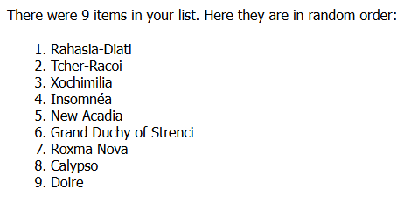
 |  | Ugaly | 10 | Pot 6 Semi-Finalist | 10 | Pot 2 Semi-Finalist |  | 11 | Kimmystan | Requin Chagrin | Parachute | https://www.youtube.com/watch?v=x2joHdSVEFk | 11 | Redwood Republic | Alan Walker | Springseeker | https://www.youtube.com/watch?v=WhdWgPU0SHg | 11 | Insomnéa | KÖFN | Bi' Tek Ben Anlarım | https://www.youtube.com/watch?v=9TSf2k03HPA
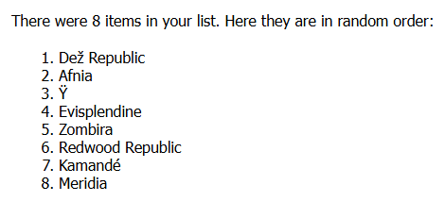
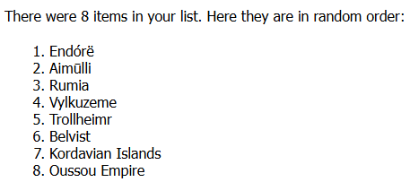
 |  | Yaponesia | 11 | Pot 1 Semi-Finalist | 11 | Pot 4 Semi-Finalist |  | 12 | Yaponesia | Superfly | Beautiful | https://www.youtube.com/watch?v=tfeSwQ-iU0U | 12 | Perryfornia | manifest | Amateur | https://www.youtube.com/watch?v=l6mhoQvoKE8 | 12 | New Acadia | Chasing Abbey | Íorónta | https://www.youtube.com/watch?v=3Sn6njCHCNA
 |  | Ιnzinimirit | 12 | Pot 3 Semi-Finalist | 12 | Pot 1 Semi-Finalist |  | 13 | Rumia | Phendrana | Cathexis | https://www.youtube.com/watch?v=jzoOp5LuFg0 | 13 | Roxma Nova | Kazy Lambist ft. Den Ze | Moda Disko | https://www.youtube.com/watch?v=P5oW1lGq2a8 | 13 | Roxma Nova | Kazy Lambist ft. Den Ze | Moda Disko | https://www.youtube.com/watch?v=P5oW1lGq2a8
 |  |  | 13 | Pot 6 Semi-Finalist | 13 | Pot 5 Semi-Finalist |  | 14 | Ÿ | Vladimir Cauchemar | Anthropology | https://www.youtube.com/watch?v=2X9a0uRj7ww | 14 | Kamandé | Yoo Chae-Yeong | Emotion | https://www.youtube.com/watch?v=nqzPOvt8z3U | 14 | Ÿ | Vladimir Cauchemar | Anthropology | https://www.youtube.com/watch?v=2X9a0uRj7ww
Pot 4 | Pot 5 | Pot 6 | 14 | Pot 4 Semi-Finalist | 14 | Pot 4 Semi-Finalist |  | 15 | Tír an Abhainn | Meelik | Särin | https://www.youtube.com/watch?v=FmI1GahLTYA | 15 | Kordavian Islands | Maryla Rodowicz, Błażej Król, Igor Herbut, Misia Furtak | Niech żyje bal | https://www.youtube.com/watch?v=oHSsMI6UjAU | 15 | Trollheimr | Eye of Melian | Symphonia Arcana | https://www.youtube.com/watch?v=0QsrR5MZEOk
Afnia | Calypso | Aimūlli | 15 | Pot 3 Semi-Finalist | 15 | Pot 6 Semi-Finalist |  | 16 | Balearica Island | Sunbeam | One Minute In Heaven (Future Breeze Remix) | https://www.youtube.com/watch?v=8zT--bGOigs | 16 | Reym-L-Dneurb | Perel | Am Kanal | https://www.youtube.com/watch?v=Y6Pr9VDO4QU | 16 | Inzinimirit | Calexico ft. Gaby Moreno | Mi Burrito Sabanero | https://www.youtube.com/watch?v=tM2H6ZQjkqs
Comino | Doire | Belvist | 16 | Pot 2 Semi-Finalist | 16 | Pot 3 Semi-Finalist |  | 17 | Tcher-Racoi | Haddaway | Lift Your Head Up | https://www.youtube.com/watch?v=97yYjrRv5hE | 17 | Ugaly | Earth Tongue | Dungeon Vision | https://www.youtube.com/watch?v=jGVcw-fQeik | 17 | Marcobia | BYU Noteworthy | Waiting on a Wish | https://www.youtube.com/watch?v=Rr3LnkGhlnY
Dež Republic | Grand Duchy of Strenci | Endórë | 17 | Pot 5 Semi-Finalist | 17 | Pot 3 Semi-Finalist |  | 18 | Dwyforland | oskar med k | I think I'm addicted | https://www.youtube.com/watch?v=YhXjUqWzVzM | 18 | Roseland | Frost Children ft. Kim Petras | Radio | https://www.youtube.com/watch?v=V5vGIz2tT-Q | 18 | Reym-L-Dneurb | Perel | Am Kanal | https://www.youtube.com/watch?v=Y6Pr9VDO4QU
Kamandé | Insomnéa | Kordavian Islands |  |  |  |  |  | 19 | Öösingimäed | Musia Totibadze | Mal’chik | https://www.youtube.com/watch?v=JE0HYa8Xa2Q | 19 | Meridia | sombr | would've been you | https://www.youtube.com/watch?v=06NbjB0q46w | 19 | Yaponesia | Superfly | Beautiful | https://www.youtube.com/watch?v=tfeSwQ-iU0U
Marcobia | New Acadia | Oussou Empire | 18 | Pot 1 Semi-Finalist | 18 | Pot 1 Semi-Finalist |  | 20 | Xochimilia | Nerea López | VIDA ENTERA​ | https://www.youtube.com/watch?v=tEe4R9v9sZ0 | 20 | Calypso | La Luz | Always in Love | https://www.youtube.com/watch?v=UYArMD-hdfM | 20 | Oussou Empire | The East Pointers | Maritime Moonshine | https://www.youtube.com/watch?v=4PtT7PBah7A
Meridia | New Bander State | Rumia | 19 | Pot 2 Semi-Finalist | 19 | Pot 4 Semi-Finalist |  | 21 | Evisplendine | Alice Caymmi | Medusa | https://www.youtube.com/watch?v=38IyoJo9QEs | 21 | Fierraria | Monokate x Shepit x MUV DO NAS | Ruta | https://www.youtube.com/watch?v=2rwTkRTIcc8 | 21 | Belvist | Lelek x Marin | Tane | https://www.youtube.com/watch?v=XSQaT2mDdbM
Redwood Republic | Rahasia-Diati | Sakuralia | 20 | Pot 5 Semi-Finalist | 20 | Pot 5 Semi-Finalist |  | 22 | Vylkuzeme | Salt N' Tales | Irish Stew | https://www.youtube.com/watch?v=mLFrcbDzJH0 | 22 | Inzinimirit | Calexico ft. Gaby Moreno | Mi Burrito Sabanero | https://www.youtube.com/watch?v=tM2H6ZQjkqs | 22 | New Bander State | PAN SAVYAN | TAŃCZ, MAMUSIU, TAŃCZ | https://www.youtube.com/watch?v=HLZk0bsSwgk
United Kingdom of Destrion | Roxma Nova | Trollheimr | 21 | Pot 4 Semi-Finalist | 21 | Pot 2 Semi-Finalist |  | 23 | Insomnéa | KÖFN | Bi' Tek Ben Anlarım | https://www.youtube.com/watch?v=9TSf2k03HPA | 23 | Doire | Tame Impala | Dracula | https://www.youtube.com/watch?v=xnP7qKxwzjg | 23 | Cydoni-Gibberia | Strawberry Guy | Intermission | https://www.youtube.com/watch?v=_obkWtmjYG4
Vermilion | Tcher-Racoi | Vylkuzeme | 22 | Pot 6 Semi-Finalist | 22 | Pot 3 Semi-Finalist |  | 24 | Södermalm | Promenade Cinema | Under Review | https://www.youtube.com/watch?v=98EvcNZGbBk | 24 | Halito | BeardMeatsFood | Grab the Mince Pies | https://www.youtube.com/watch?v=0j3ksk-RRK4 | 24 | Doire | Tame Impala | Dracula | https://www.youtube.com/watch?v=xnP7qKxwzjg
Zombira | Xochimilia |  | 23 | Pot 5 Semi-Finalist | 23 | Pot 5 Semi-Finalist |  | 25 | Orsa | Chiwoniso | Zvichapera | https://www.youtube.com/watch?v=10DOfsLEX7I | 25 | Oussou Empire | The East Pointers | Maritime Moonshine | https://www.youtube.com/watch?v=4PtT7PBah7A | 25 | Dalisska | Mareux, Riki | Ébène Fumé | https://www.youtube.com/watch?v=VcnOSLWOQ78
Evisplendine |  |  | 24 | Pot 3 Semi-Finalist | 24 | Pot 3 Semi-Finalist |  | 26 | Emsfrynt | Ummet Ozcan | Mongolian Jingle Bells | https://www.youtube.com/watch?v=FEu7xIEaXWo | 26 | Szimbaya Kingdom | Danny Saucedo | Dör för dig | https://www.youtube.com/watch?v=yPJQMNFjLZo | 26 | Södermalm | Promenade Cinema | Under Review | https://www.youtube.com/watch?v=98EvcNZGbBk
Ÿ |  | Unallocated | 25 | Pot 3 Semi-Finalist | 25 | Pot 6 Semi-Finalist |  | PQ | Comino | Jamie Cardona | Mandy | https://www.youtube.com/watch?v=11woljgKRbQ | PQ | Begonia | Bedford Falls | Macedonia | https://www.youtube.com/watch?v=c2id9lESo7s | 27 | Kimmystan | Requin Chagrin | Parachute | https://www.youtube.com/watch?v=x2joHdSVEFk
 |  | Evisplendine | 26 | Pot 1 Semi-Finalist | 26 | Pot 1 Semi-Finalist |  | PQ | New Bander State | PAN SAVYAN | TAŃCZ, MAMUSIU, TAŃCZ | https://www.youtube.com/watch?v=HLZk0bsSwgk | PQ | Marcobia | BYU Noteworthy | Waiting on a Wish | https://www.youtube.com/watch?v=Rr3LnkGhlnY | 28 | Endórë | Bruno Coulais | Dreaming | https://www.youtube.com/watch?v=MWjyXDo9t4Y
 |  | Ÿ |  |  |  |  |  | PQ | Svobodnia | Layto | RIPAHEART | https://www.youtube.com/watch?v=Q_NtjqvUIAk | PQ | Waiting Iist of Shelley & Nici | Macha Ravel | Pasegoni | https://www.youtube.com/watch?v=r44_CcI7sXI

