Overview
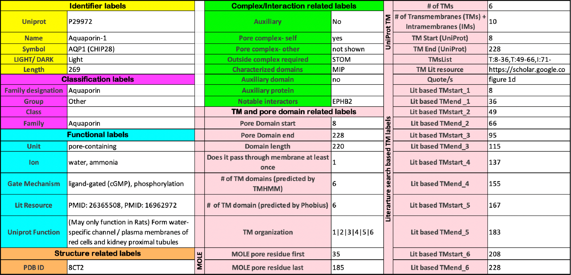
Overview of different columns/labels describing the curated human ion channels.
Annotations were coolected from various sources: Literature, UniProt, other sources. These are mentioned in the next tabl (Column Description)

