Revenue By Category
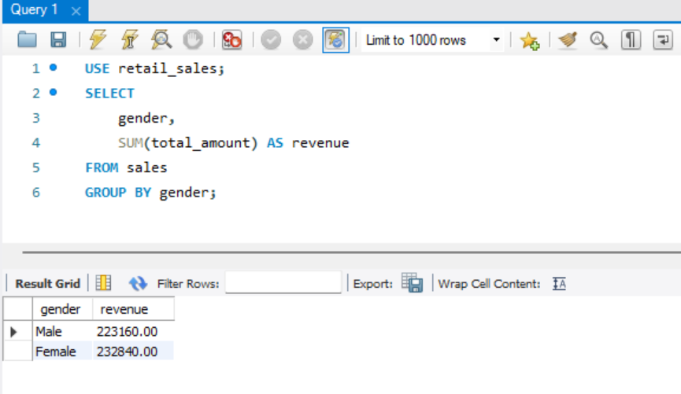
Revenue By Category:
product_category | revenue
Electronics | $156,905
Clothing | $155,580
Beauty | $143,515

Monthly Revenue Trend
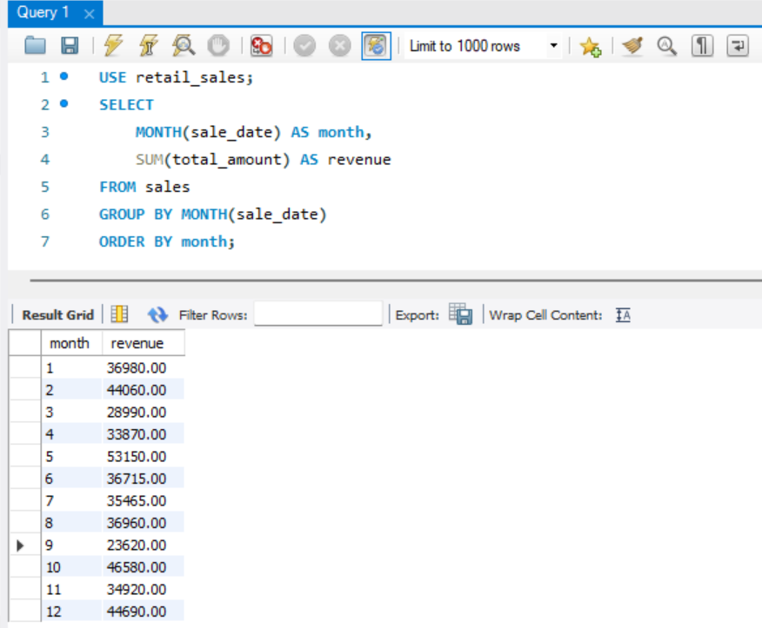
Revenue By Month:
month | revenue
1 | $36,980
2 | $44,060
3 | $28,990
4 | $33,870
5 | $53,150
6 | $36,715
7 | $35,465
8 | $36,960
9 | $23,620
10 | $46,580
11 | $34,920
12 | $44,690

Spending By Gender
Spending By Gender
gender | revenue
Male | 223160
Female | 232840

Average Purchase by Age
Average Purchase by Age
age | avg_purchase
18 | $534.05
19 | $708.10
20 | $411.67
21 | $629.25
22 | $507.41
23 | $342.50
24 | $361.00
25 | $495.00
26 | $635.45
27 | $408.04
28 | $412.86
29 | $410.63
30 | $445.00
31 | $464.55
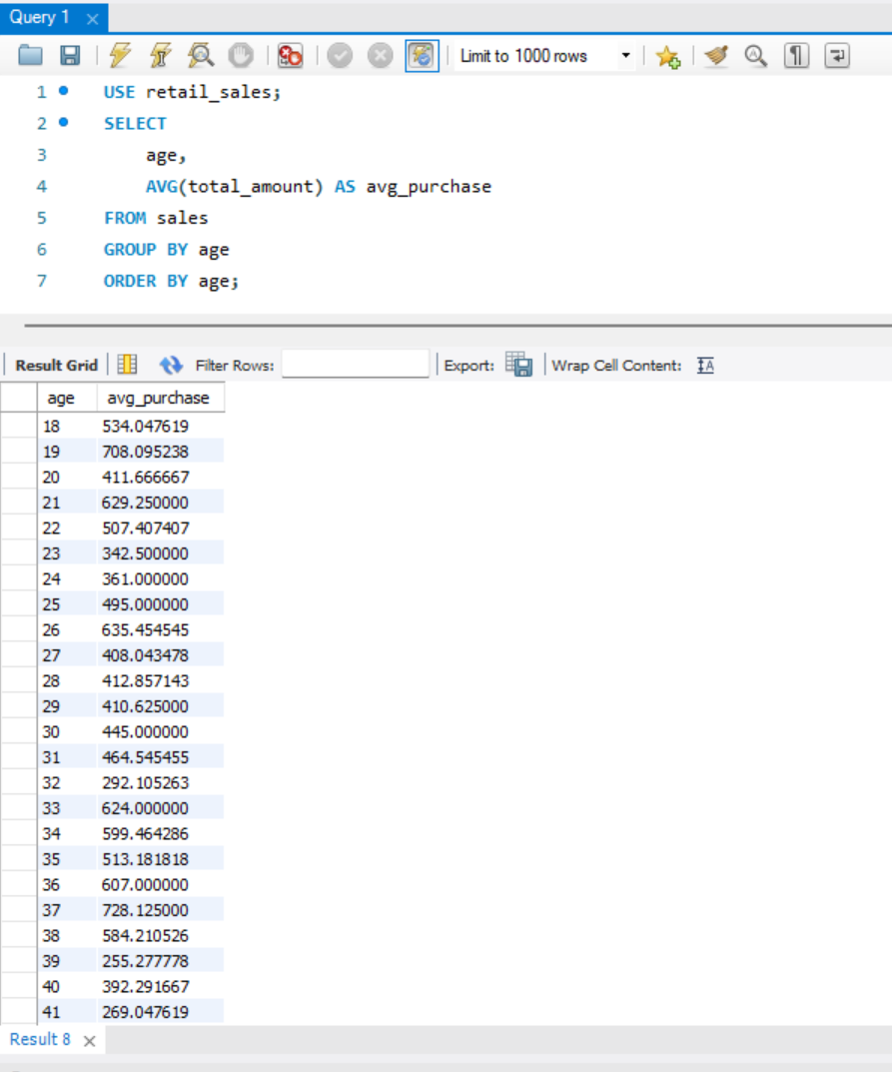
32 | $292.11
33 | $624.00
34 | $599.46
35 | $513.18
36 | $607.00
37 | $728.13
38 | $584.21
39 | $255.28
40 | $392.29
41 | $269.05
42 | $326.92
43 | $579.68
44 | $504.00
45 | $372.06
46 | $523.60
47 | $480.96
48 | $402.22
49 | $268.95
50 | $428.04
51 | $535.50
52 | $320.00
53 | $559.41
54 | $375.18
55 | $465.71
56 | $496.84
57 | $309.67
58 | $528.21
59 | $557.06
60 | $526.82
61 | $373.89
62 | $300.74
63 | $544.12
64 | $294.35

Top Product Categories
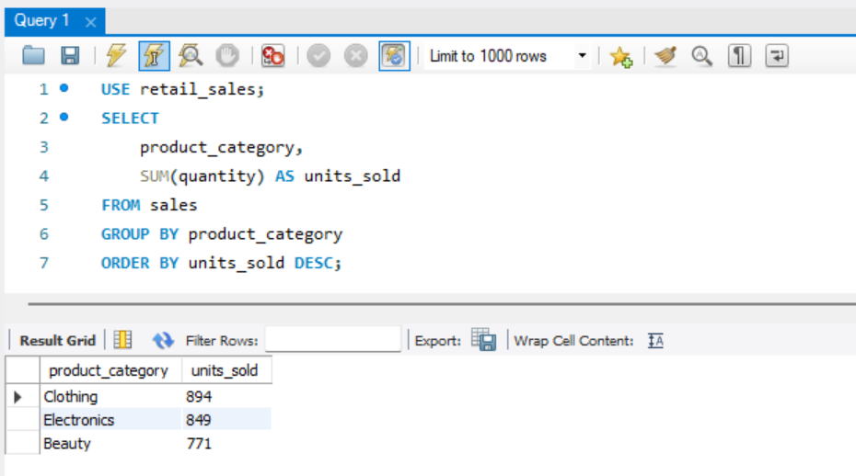
Top Product Categories by Quantity Sold
product_categroy | units_sold
Clothing | 894
Electronics | 849
Beauty | 771

