All Scores
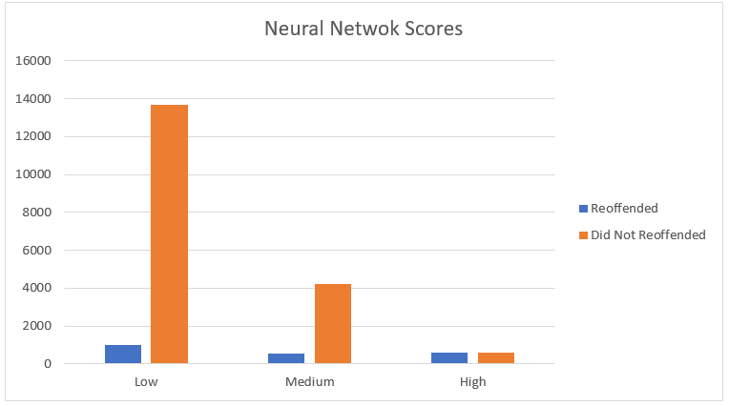
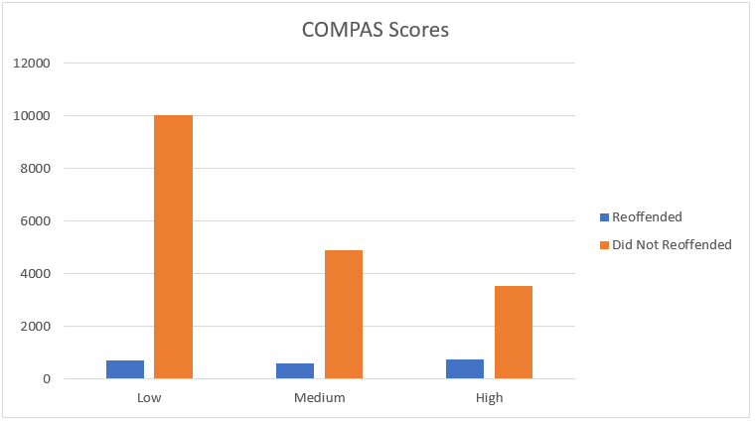
COMPAS
 | Reoffended | Did not Reoffend | Total | % | Misclassification |  | Accuracy
Low | 695 | 10017 | 10712 | 52.20% | Low | 6.49% | 93.51%
Medium | 610 | 4886 | 5496 | 26.78% | Medium | 88.90% | 11.10%
High | 764 | 3550 | 4314 | 21.02% | High | 82.29% | 17.71%
Total | 2069 | 18453 | 20522 | 100.00%

Neural Network
 | Reoffended | Did not Reoffend | Total | % | Misclassification |  | Accuracy
Low | 977 | 13659 | 14636 | 71.26% | Low | 6.68% | 93.32%
Medium | 525 | 4232 | 4757 | 23.16% | Medium | 88.96% | 11.04%
High | 568 | 578 | 1146 | 5.58% | High | 50.44% | 49.56%
Total | 2070 | 18469 | 20539 | 100.00%

African-American Scores
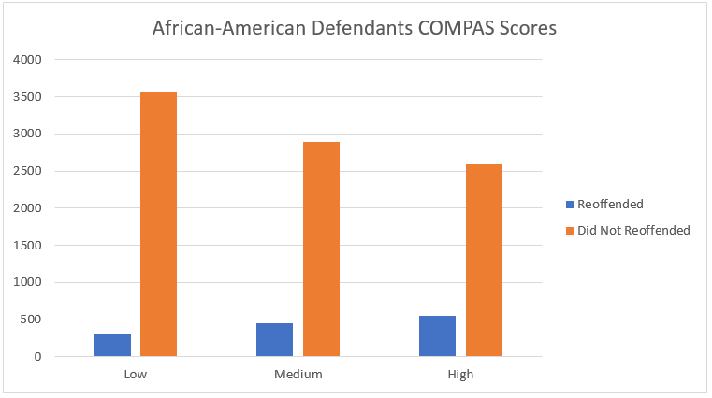
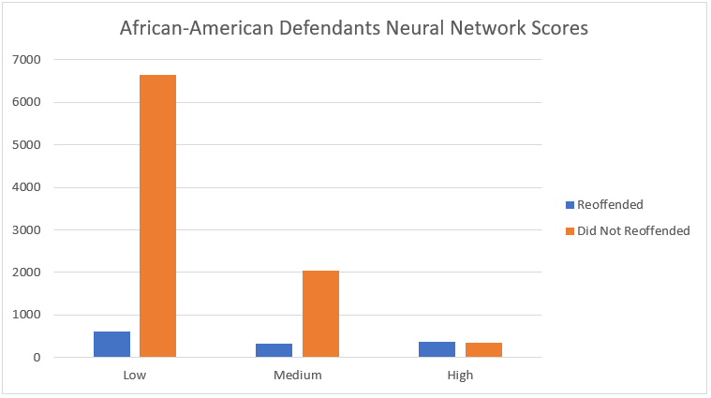
COMPAS
 | Reoffended | Did not Reoffend | Total | % | Misclassification |  | Accuracy
Low | 314 | 3575 | 3889 | 37.52% | Low | 8.07% | 91.93%
Medium | 448 | 2889 | 3337 | 32.19% | Medium | 86.57% | 13.43%
High | 554 | 2586 | 3140 | 30.29% | High | 82.36% | 17.64%
Total | 1316 | 9050 | 10366 | 100.00%

Neural Network
 | Reoffended | Did not Reoffend | Total | % | Misclassification |  | Accuracy
Low | 616 | 6651 | 7267 | 70.10% | Low | 8.48% | 91.52%
Medium | 324 | 2049 | 2373 | 22.89% | Medium | 86.35% | 13.65%
High | 376 | 351 | 727 | 7.01% | High | 48.28% | 51.72%
Total | 1316 | 9051 | 10367 | 100.00%

White Scores
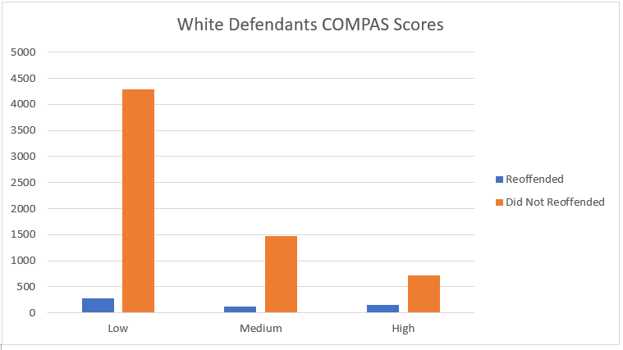
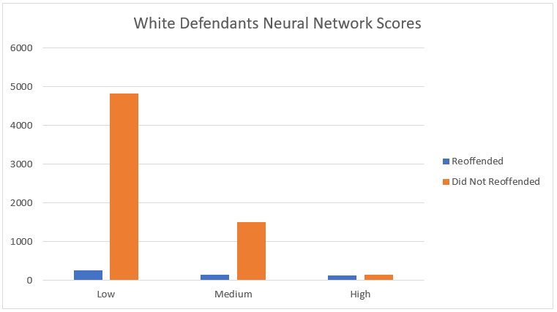
COMPAS
 | Reoffended | Did not Reoffend | Total | % | Misclassification |  | Accuracy
Low | 276 | 4286 | 4562 | 64.95% | Low | 6.05% | 93.95%
Medium | 115 | 1482 | 1597 | 22.74% | Medium | 92.80% | 7.20%
High | 148 | 717 | 865 | 12.31% | High | 82.89% | 17.11%
Total | 539 | 6485 | 7024 | 100.00%

Neural Network
 | Reoffended | Did not Reoffend | Total | % | Misclassification |  | Accuracy
Low | 262 | 4834 | 5096 | 72.42% | Low | 5.14% | 94.86%
Medium | 142 | 1510 | 1652 | 23.48% | Medium | 91.40% | 8.60%
High | 136 | 153 | 289 | 4.11% | High | 52.94% | 47.06%
Total | 540 | 6497 | 7037 | 100.00%

Effect of Marriage
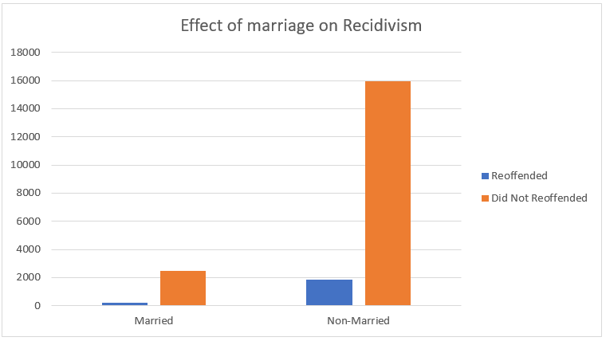
Effect of Marriage on Recidivism
Marital Status | Reoffended | Did Not Reoffended | Total | Recidivism %
Married | 212 | 2502 | 2714 | 7.81%
Non-Married | 1858 | 15967 | 17825 | 10.42%
Total | 2070 | 18469 | 20539 | 18.23%

Difference between the sexes
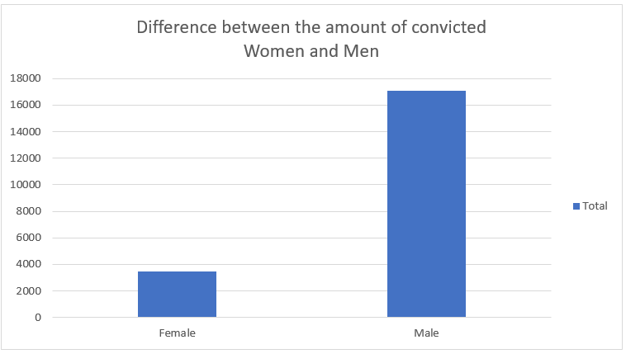
Sex | Amount | %
Female | 3481 | 16.95%
Male | 17060 | 83.05%
Total | 20541 | 100.00%

Age Groups
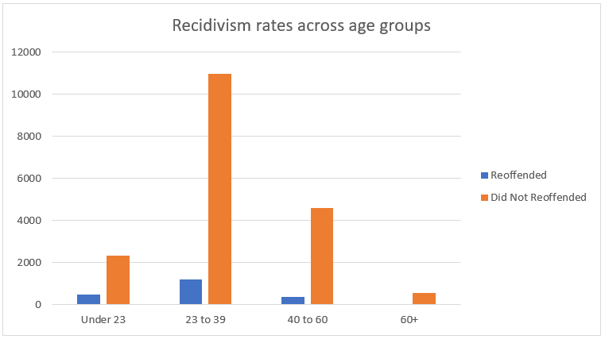
Recidivism Rates across Age Groups
Age Group | Reoffended | Did Not Reoffended | Total | Recidivism %
Under 23 | 480 | 2344 | 2824 | 17.00%
23 to 39 | 1213 | 10975 | 12188 | 9.95%
40 to 60 | 359 | 4599 | 4958 | 7.24%
60+ | 18 | 551 | 569 | 3.16%
Total | 2070 | 18469 | 20539 | 10.08%

Age Groups (No Priors)
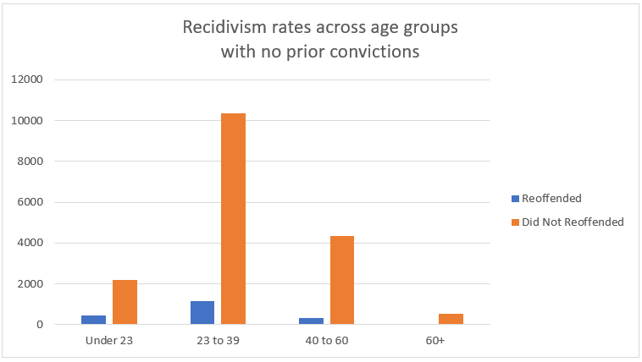
Recidivism Rates across Age Groups (No Juvenile Priors)
Age Group | Reoffended | Did Not Reoffended | Total | Recidivism %
Under 23 | 442 | 2203 | 2645 | 16.71%
23 to 39 | 1151 | 10342 | 11493 | 10.01%
40 to 60 | 337 | 4323 | 4660 | 7.23%
60+ | 18 | 517 | 535 | 3.36%
Total | 1948 | 17385 | 19333 | 10.08%

Age Groups (With Priors)
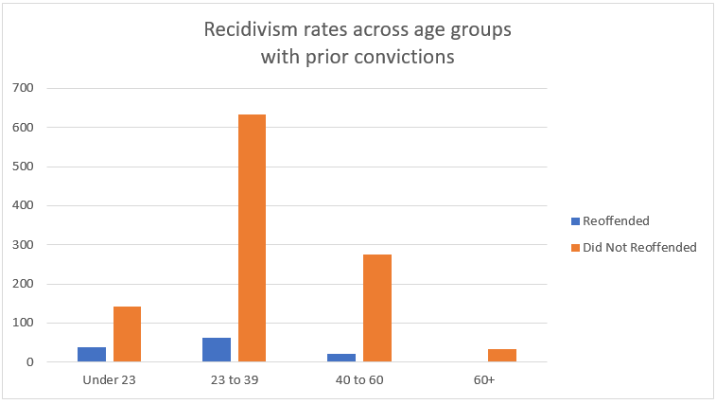
Recidivism Rates across Age Groups (With Juvinile Priors)
Age Group | Reoffended | Did Not Reoffended | Total | Recidivism %
Under 23 | 38 | 141 | 179 | 21.23%
23 to 39 | 62 | 633 | 695 | 8.92%
40 to 60 | 22 | 276 | 298 | 7.38%
60+ | 0 | 34 | 34 | 0.00%
Total | 122 | 1084 | 1206 | 10.12%

Prior Prison or Jail Time
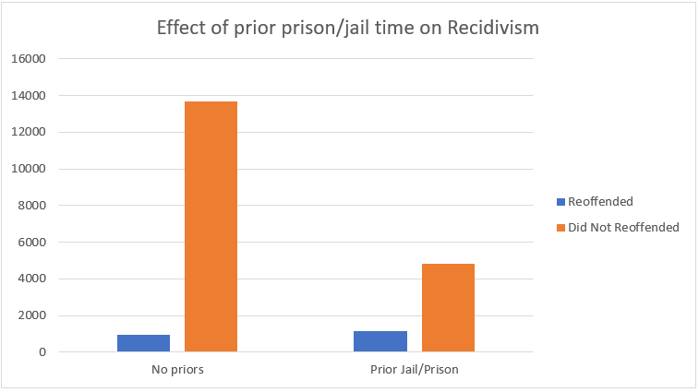
Effect of prior jail/prison time
Priors | Reoffended | Did Not Reoffended | Total | Recidivism %
No priors | 949 | 13670 | 14619 | 6.49%
Prior Jail/Prison | 1121 | 4799 | 5920 | 18.94%
Total | 2070 | 18469 | 20539 | 25.43%

