Gel
Gel Images:
1. Paste the gel picture into the blank area below
2. Crop the image to just the relevent areas
3. Compress the gel picture:
- Select the image: Picture format (ribbon) > Compress Pictures > Use these settings
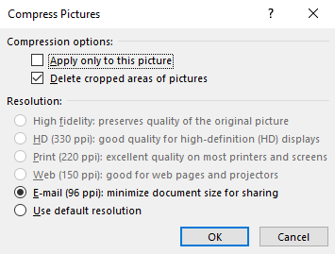

4. Copy list of samples from 'PCR' tab. Paste Special with Transpose if converting from list to rows:
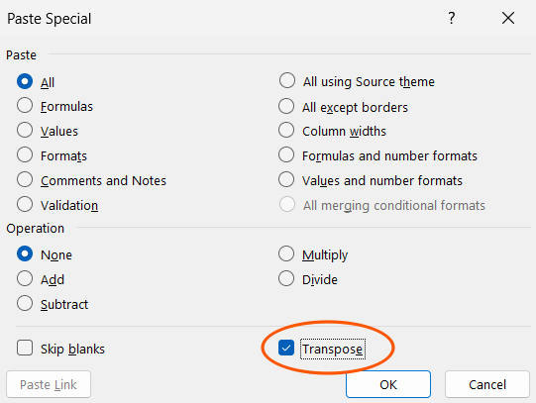

5. Resize column width to the same as the gel image lane width

Reference
Instructions
This template is to be used to record PCR amplification as part of a NOMADS sequencing run.
To prevent inadvertent loss of data, cells are protected from editing, you can only select unlocked cells, use tab to navigate

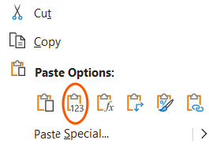
Process
1. Enter all details into the 'Assay' (experiment level) and 'PCR' (reaction level) tabs, ensuring all yellow highlighted cells are complete
- when copying from another worksheet, always right-click and paste VALUES:
2. Paste gel picture into the 'Gel' tab and label lanes
3. Save workbook with the correct filename to the shared Google Drive folder

Reference values (change only if required)
Assumptions |  |  | Look-ups |  |  | User-defined
Description |  |  | DNA Source |  | Assays | User | Initials | Project
Post-PCR clean-up target [DNA] | 30 | ng/ul | sWGA product |  | NOMADS8 | Terence Broad | TB | NOMADS
 |  |  | Extracted DNA |  | NOMADS16 | Person B | PB | Project B
Experiment |  |  |  |  | NOMADS_MVP | Person C | PC | Project C
type | PCR |  | DNA Polymerase |  | Anoph IR
version | 10 |  | KAPA HiFi |  | Anoph Speciation
 |  |  | KAPA HiFi ReadyMix
Changelog from previous version |  |  | Q5
Hidden swga / pcr / seqlib identifiers
Hidden additional tabs |  |  | Sample Type
Combined Instructions into Reference sheet |  |  | Field
 |  |  | Positive
 |  |  | Negative

 |  |  | Selected polymerase
 |  |  | Template max vol (ul) | 8
 |  |  | KAPA HiFi | 0.3
 |  |  | 10mM dNTPs | 0.75
 |  |  | Buffer | 5
 |  |  | Primer pool (10 μM) | 1.5
 |  |  | Water | 16.45

 |  |  | KAPA HiFi
 |  |  | Template max vol (ul) | 8
 |  |  | Components (no water) | 7.55
 |  |  | Rxn volume | 25
 |  |  | KAPA HiFi | 0.3
 |  |  | 10mM dNTPs | 0.75
 |  |  | Buffer | 5
 |  |  | Primer pool (10 μM) | 1.5
 |  |  | Water | 16.45

 |  |  | KAPA HiFI ReadyMix
 |  |  | Template max vol (ul) | 8
 |  |  | Components (no water) | 17
 |  |  | Rxn volume | 25
 |  |  | KAPA HiFI ReadyMix (2x) | 15.5
 |  |  | Primer pool (10 μM) | 1.5
 |  |  | Water | 7.00
 |  |  | -
 |  |  | -

 |  |  | Q5
 |  |  | Template max vol (ul) | 5
 |  |  | Components (no water) | 17
 |  |  | Rxn volume | 25
 |  |  | Q5 Master Mix | 14.5
 |  |  | Primer pool (10 μM) | 2.5
 |  |  | Water | 7
 |  |  | -
 |  |  | -

 |  |  | Selected Primer Set
 |  |  | 93 | ∞ | 0
 |  |  | 93 | 3 min | 0
 |  |  | 98 | 20 sec | x30
 |  |  | 50 | 15 sec | x30
 |  |  | 60 | 6 min | x30
 |  |  | 60 | 10 min | 0
 |  |  | 8 | ∞ | 0

 |  |  | NOMADS8
 |  |  | 93 | ∞
 |  |  | 93 | 3 min
 |  |  | 98 | 20 sec | x30
 |  |  | 50 | 15 sec | x30
 |  |  | 60 | 6 min | x30
 |  |  | 60 | 10 min
 |  |  | 8 | ∞
 |  |  | NOMADS16
 |  |  | 93 | ∞
 |  |  | 93 | 3 min
 |  |  | 98 | 20 sec | x30
 |  |  | 50 | 15 sec | x30
 |  |  | 60 | 6 min | x30
 |  |  | 60 | 10 min
 |  |  | 8 | ∞

 |  |  | NOMADS_MVP
 |  |  | 95 | ∞
 |  |  | 95 | 3 min
 |  |  | 98 | 20 sec | x35
 |  |  | 60 | 3 min | x35
 |  |  | 60 | 10 min
 |  |  | 8 | ∞

 |  |  | Anoph IR
 |  |  | 93 | ∞
 |  |  | 93 | 3 min
 |  |  | 98 | 20 sec | x30
 |  |  | 50 | 15 sec | x30
 |  |  | 60 | 6 min | x30
 |  |  | 60 | 10 min
 |  |  | 8 | ∞
 |  |  | Anoph Speciation
 |  |  | 93 | ∞
 |  |  | 93 | 3 min
 |  |  | 98 | 20 sec | x30
 |  |  | 50 | 15 sec | x30
 |  |  | 60 | 6 min | x30
 |  |  | 60 | 10 min
 |  |  | 8 | ∞

 |  |  | ID for Plate Layout
 |  |  | Sample ID
 |  |  | Extraction ID

