Summary
Step | 1. Original Data |  |  |  | 2. Standardize the data |  |  |  | 3. Calculate Co-variance for all feature combination |  |  |  | 4. Calculating the eigenvalue and eigenvectors |  |  | 5. Multply standardized data with eigenvectors
 | --> Calculate mean and standard deviation |  |  |  | --> (feature - mean)/standard deviation |  |  |  |  |  |  |  | Sort eigenvalues & corresponding eigenvectors
 |  |  |  |  |  |  |  |  |  |  |  |  | in descending order
Making all features to have mean = 0 and Std Dev = 1
Finding linear relationship between features
Dimension reduction
Intuition

 |  |  |  |  |  |  |  |  |  |  |  |  |  |  |  | Standardized data |  |  |  |  | Sorted eigenvector matrix |  |  |  | Principle Components
 |  |  |  |  |  |  |  |  |  |  |  |  | λ | λ | λ |  | feature A | feature B | feature C |  | v | v | v |  | PC1 | PC2 | PC3
Example |  | feature A | feature B | feature C |  | feature A | feature B | feature C | AA | AB | AC |  | 1.52 | 0.48 | 0.00 | Sample 1 | -1.12 | -0.22 | -0.22 |  | 0.42 | 0.91 | 0.00 |  | -0.75 | -0.89 | 0.00
 | sample 1 | 1 | 2 | 4 | Sample 1 | -0.38 | -0.22 | -0.22 | 0.67 | 0.28 | 0.28 |  |  |  |  | sample 2 | 0.32 | -0.87 | -0.87 | X | 0.64 | -0.30 | -0.71 | = | -0.98 | 0.82 | 0.00
 | sample 2 | 4 | 1 | 2 | sample 2 | 1.06 | -0.87 | -0.87 |  |  |  |  | v | v | v | sample 3 | 0.80 | 1.09 | 1.09 |  | 0.64 | -0.30 | 0.71 |  | 1.73 | 0.07 | 0.00
 | sample 3 | 5 | 4 | 8 | sample 3 | 1.54 | 1.09 | 1.09 | BB | BC | CC |  | 0.42 | 0.91 | 0.00
 |  |  |  |  |  |  |  |  | 0.67 | 0.67 | 0.67 |  | 0.64 | -0.30 | -0.71
 | mean | 1.80 | 2.33 | 4.67 | mean | 0.74 | 0.00 | 0.00 |  |  |  |  | 0.64 | -0.30 | 0.71
 | std dev | 2.08 | 1.53 | 3.06 | std dev | 1.00 | 1.00 | 1.00

 |  |  |  |  |  |  |  |  |  | feature A | feature B | feature C
 |  |  |  |  |  |  |  |  | feature A | AA | AB | AC
 |  |  |  |  |  |  |  |  | feature B | AB | BB | BC
 |  |  |  |  |  |  |  |  | feature C | AC | BC | CC

 |  |  |  |  |  |  |  |  |  | feature A | feature B | feature C
 |  |  |  |  |  |  |  |  | feature A | 0.67 | 0.28 | 0.28
 |  |  |  |  |  |  |  |  | feature B | 0.28 | 0.67 | 0.67
 |  |  |  |  |  |  |  |  | feature C | 0.28 | 0.67 | 0.67

Calculate Eigenvalues
Calculate Eigenvalues manually

 |  | feature A | feature B | feature C
 | feature A | 0.67-λ | 0.28 | 0.28
 | feature B | 0.28 | 0.67-λ | 0.67
 | feature C | 0.28 | 0.67 | 0.67-λ

 | 0.67-λ | X | 0.67-λ | 0.67 | - | 0.28 | X | 0.28 | 0.67 | + | 0.28 | X | 0.28 | 0.67-λ
 |  |  | 0.67 | 0.67-λ |  |  |  | 0.28 | 0.67-λ |  |  |  | 0.28 | 0.67

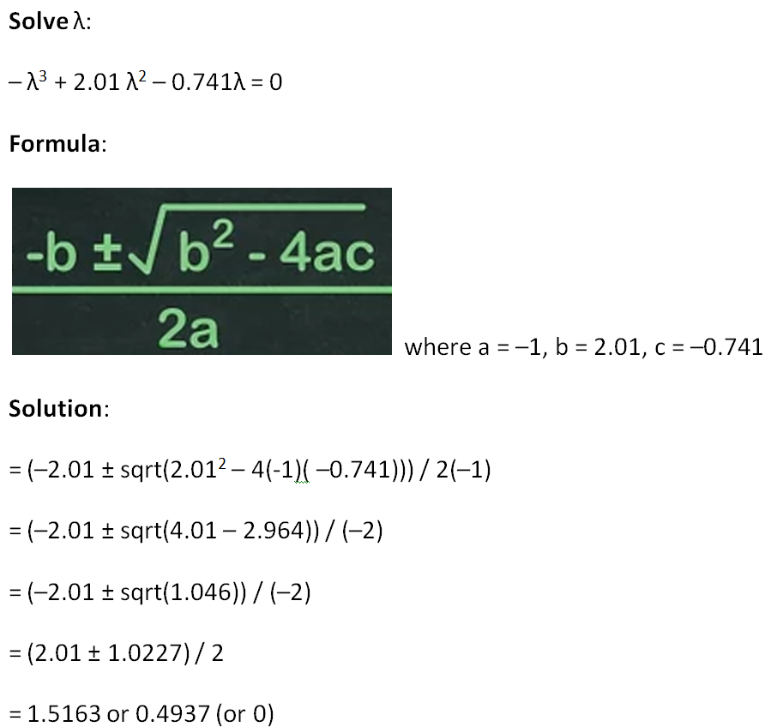

Top websites I explored:
Finding eigenvalues
https://www.mathsisfun.com/algebra/eigenvalue.html
https://www.scss.tcd.ie/Rozenn.Dahyot/CS1BA1/SolutionEigen.pdf

Solving Cubic equation
https://www.wikihow.com/Solve-a-Cubic-Equation

