Sheet1
블록이름 | json | script | 모양 | var code 찾기 | 스크립트 앞 | 스크립트 뒤 | 리턴 코드 작성
digital_pin_on | { "type": "digital_pin_on", "message0": "디지털 %1 번 출력 켜짐", "args0": [ { "type": "field_dropdown", "name": "digital_select", "options": [ [ "0", "0" ], [ "1", "1" ], [ "2", "2" ], [ "3", "3" ], [ "4", "4" ], [ "5", "5" ], [ "6", "6" ], [ "7", "7" ], [ "8", "8" ], [ "9", "9" ], [ "10", "10" ] ] } ], "previousStatement": null, "nextStatement": null, "colour": 225, "tooltip": "", "helpUrl": "" } | Blockly.JavaScript['digital_pin_on'] = function(block) { var dropdown_digital_select = block.getFieldValue('digital_select'); // TODO: Assemble JavaScript into code variable. var code = '...;\n'; return code; }; | 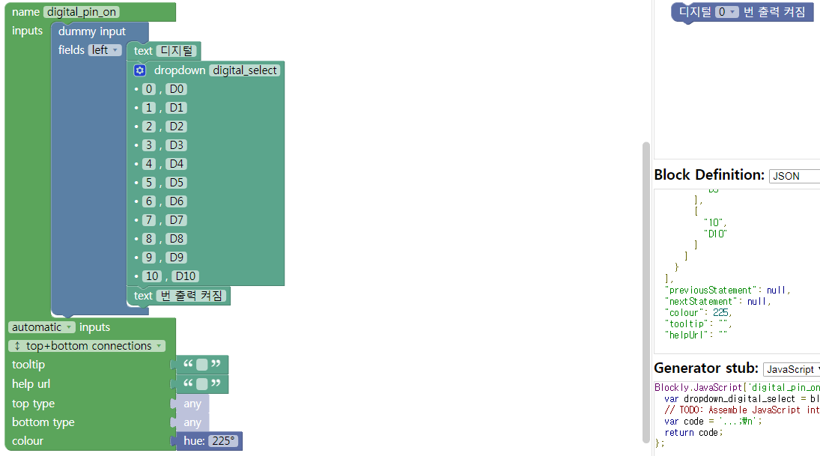 | 182 | Blockly.JavaScript['digital_pin_on'] = function(block) { var dropdown_digital_select = block.getFieldValue('digital_select'); // TODO: Assemble JavaScript into code variable. var code = | return code; }; | "{'digital_on':'" + dropdown_digital_select + "'}"; | "{'digital_on':'" + dropdown_digital_select + "'}";
digital_pin_off | { "type": "digital_pin_off", "message0": "디지털 %1 번 출력 꺼짐", "args0": [ { "type": "field_dropdown", "name": "digital_select", "options": [ [ "0", "0" ], [ "1", "1" ], [ "2", "2" ], [ "3", "3" ], [ "4", "4" ], [ "5", "5" ], [ "6", "6" ], [ "7", "7" ], [ "8", "8" ], [ "9", "9" ], [ "10", "10" ] ] } ], "previousStatement": null, "nextStatement": null, "colour": 225, "tooltip": "", "helpUrl": "" } | Blockly.JavaScript['digital_pin_off'] = function(block) { var dropdown_digital_select = block.getFieldValue('digital_select'); // TODO: Assemble JavaScript into code variable. var code = '...;\n'; return code; }; | 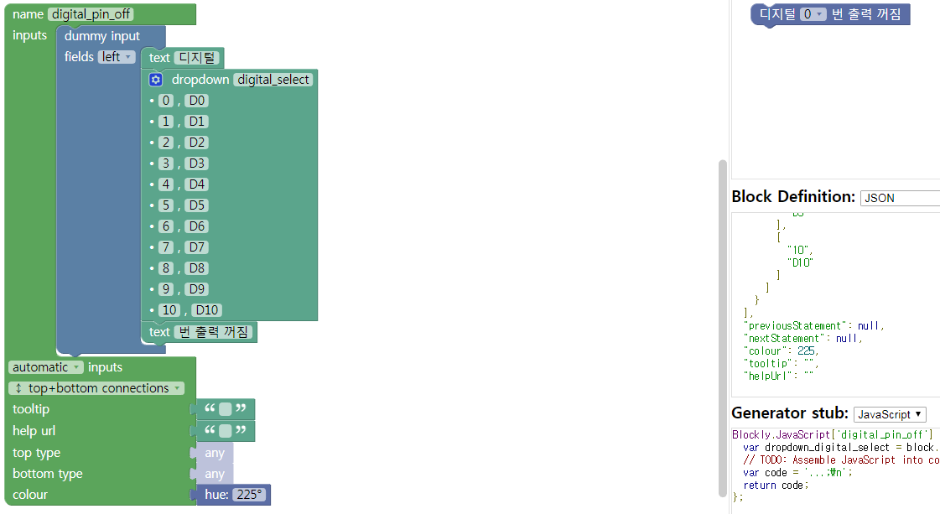 | 183 | Blockly.JavaScript['digital_pin_off'] = function(block) { var dropdown_digital_select = block.getFieldValue('digital_select'); // TODO: Assemble JavaScript into code variable. var code = | return code; };
digital_pin_sensor | { "type": "digital_pin_sensor", "message0": "센서 %1 가 눌려졌는가?", "args0": [ { "type": "field_dropdown", "name": "digital_select", "options": [ [ "0", "0" ], [ "1", "1" ], [ "2", "2" ], [ "3", "3" ], [ "4", "4" ], [ "5", "5" ], [ "6", "6" ], [ "7", "7" ], [ "8", "8" ], [ "9", "9" ], [ "10", "10" ] ] } ], "output": null, "colour": 225, "tooltip": "", "helpUrl": "" } | Blockly.JavaScript['digital_pin_sensor'] = function(block) { var dropdown_digital_select = block.getFieldValue('digital_select'); // TODO: Assemble JavaScript into code variable. var code = '...'; // TODO: Change ORDER_NONE to the correct strength. return [code, Blockly.JavaScript.ORDER_NONE]; }; | 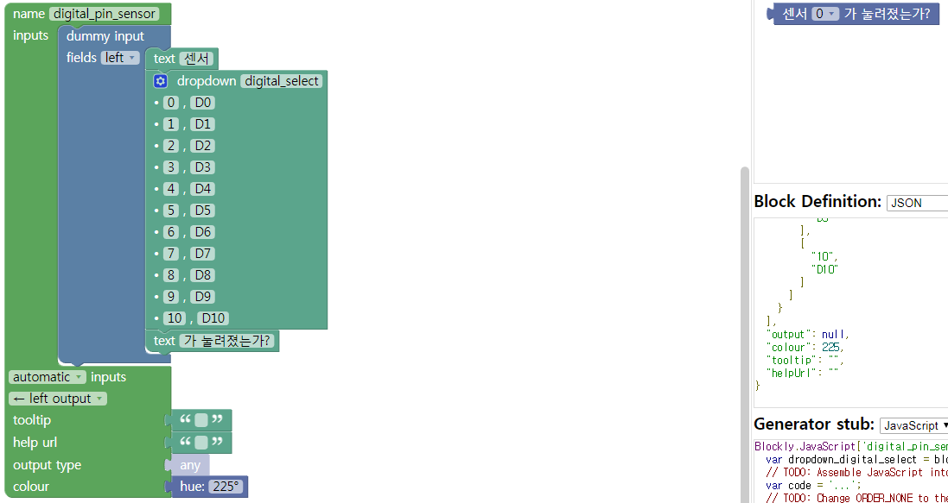 | 186 | Blockly.JavaScript['digital_pin_sensor'] = function(block) { var dropdown_digital_select = block.getFieldValue('digital_select'); // TODO: Assemble JavaScript into code variable. var code = | / TODO: Change ORDER_NONE to the correct strength. return [code, Blockly.JavaScript.ORDER_NONE]; };
digital_pin_sensor_value | { "type": "digital_pin_sensor_value", "message0": "%1 센서의 값", "args0": [ { "type": "field_dropdown", "name": "digital_select", "options": [ [ "아날로그", "-1" ], [ "0", "0" ], [ "1", "1" ], [ "2", "2" ], [ "3", "3" ], [ "4", "4" ], [ "5", "5" ], [ "6", "6" ], [ "7", "7" ], [ "8", "8" ], [ "9", "9" ], [ "10", "10" ] ] } ], "output": null, "colour": 225, "tooltip": "", "helpUrl": "" } | Blockly.JavaScript['digital_pin_sensor_value'] = function(block) { var dropdown_digital_select = block.getFieldValue('digital_select'); // TODO: Assemble JavaScript into code variable. var code = '...'; // TODO: Change ORDER_NONE to the correct strength. return [code, Blockly.JavaScript.ORDER_NONE]; }; | 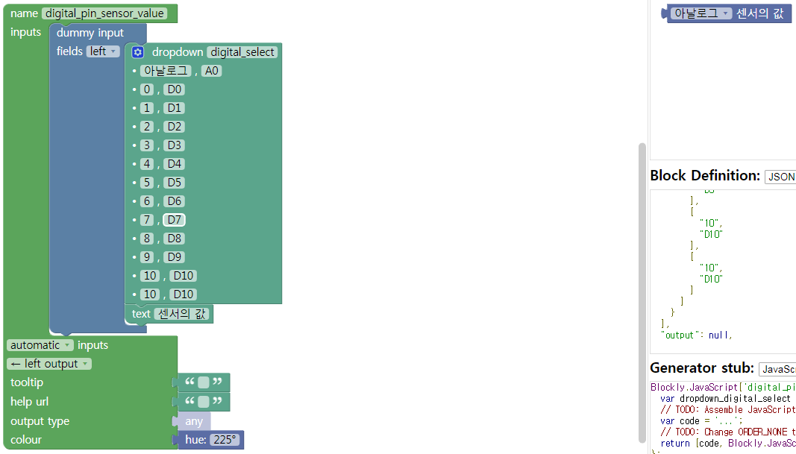 | 192 | Blockly.JavaScript['digital_pin_sensor_value'] = function(block) { var dropdown_digital_select = block.getFieldValue('digital_select'); // TODO: Assemble JavaScript into code variable. var code = | / TODO: Change ORDER_NONE to the correct strength. return [code, Blockly.JavaScript.ORDER_NONE]; };
control_sensor_start | { "type": "control_sensor_start", "message0": "%1 센서 신호가 들어올 때", "args0": [ { "type": "field_dropdown", "name": "digital_select", "options": [ [ "0", "0" ], [ "1", "1" ], [ "2", "2" ], [ "3", "3" ], [ "4", "4" ], [ "5", "5" ], [ "6", "6" ], [ "7", "7" ], [ "8", "8" ], [ "9", "9" ], [ "10", "10" ] ] } ], "nextStatement": null, "colour": 225, "tooltip": "", "helpUrl": "" } | Blockly.JavaScript['control_sensor_start'] = function(block) { var dropdown_digital_select = block.getFieldValue('digital_select'); // TODO: Assemble JavaScript into code variable. var code = '...;\n'; return code; }; | 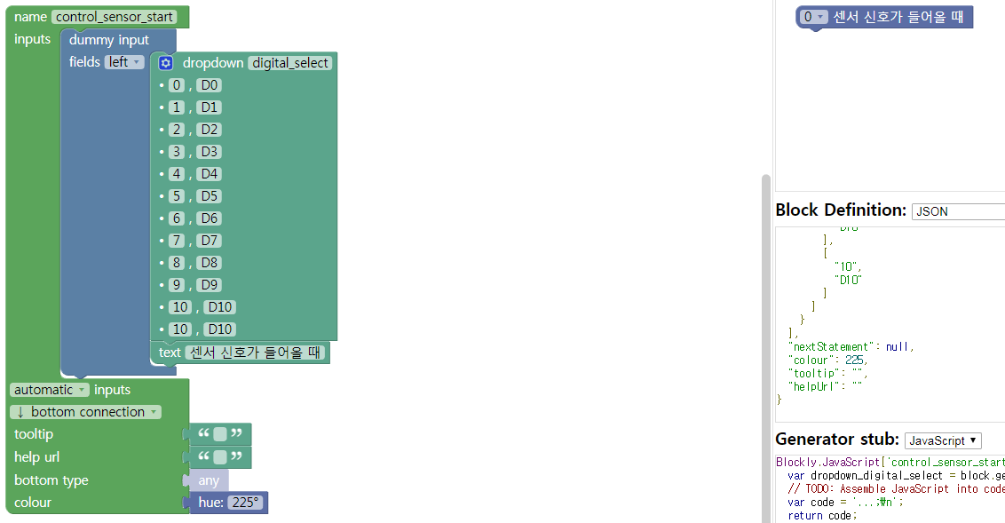 | 188 | Blockly.JavaScript['control_sensor_start'] = function(block) { var dropdown_digital_select = block.getFieldValue('digital_select'); // TODO: Assemble JavaScript into code variable. var code = | return code; };
control_if_start | { "type": "control_if_start", "message0": "만약 %1 맞을 때", "args0": [ { "type": "input_value", "name": "NAME" } ], "nextStatement": null, "colour": 225, "tooltip": "", "helpUrl": "" } | Blockly.JavaScript['control_if_start'] = function(block) { var value_name = Blockly.JavaScript.valueToCode(block, 'NAME', Blockly.JavaScript.ORDER_ATOMIC); // TODO: Assemble JavaScript into code variable. var code = '...;\n'; return code; }; |  | 212 | Blockly.JavaScript['control_if_start'] = function(block) { var value_name = Blockly.JavaScript.valueToCode(block, 'NAME', Blockly.JavaScript.ORDER_ATOMIC); // TODO: Assemble JavaScript into code variable. var code = | return code; };
control_iot_data_start | { "type": "control_iot_data_start", "message0": "통신 데이터 = %1 맞을 때", "args0": [ { "type": "input_value", "name": "NAME" } ], "nextStatement": null, "colour": 225, "tooltip": "", "helpUrl": "" } | Blockly.JavaScript['control_iot_data_start'] = function(block) { var value_name = Blockly.JavaScript.valueToCode(block, 'NAME', Blockly.JavaScript.ORDER_ATOMIC); // TODO: Assemble JavaScript into code variable. var code = '...;\n'; return code; }; |  | 218 | Blockly.JavaScript['control_iot_data_start'] = function(block) { var value_name = Blockly.JavaScript.valueToCode(block, 'NAME', Blockly.JavaScript.ORDER_ATOMIC); // TODO: Assemble JavaScript into code variable. var code = | return code; };
control_button_click_start | { "type": "control_button_click_start", "message0": "버튼 눌렀을 때", "nextStatement": null, "colour": 0, "tooltip": "", "helpUrl": "" } | Blockly.JavaScript['control_button_click_start'] = function(block) { // TODO: Assemble JavaScript into code variable. var code = '...;\n'; return code; }; |  | 123 | Blockly.JavaScript['control_button_click_start'] = function(block) { // TODO: Assemble JavaScript into code variable. var code = | return code; };
control_times_loop | { "type": "control_times_loop", "message0": "반복 %1 회 %2", "args0": [ { "type": "field_number", "name": "loop_time", "value": 0, "min": 0 }, { "type": "input_statement", "name": "NAME" } ], "previousStatement": null, "nextStatement": null, "colour": 45, "tooltip": "", "helpUrl": "" } | Blockly.JavaScript['control_times_loop'] = function(block) { var number_loop_time = block.getFieldValue('loop_time'); var statements_name = Blockly.JavaScript.statementToCode(block, 'NAME'); // TODO: Assemble JavaScript into code variable. var code = '...;\n'; return code; }; | 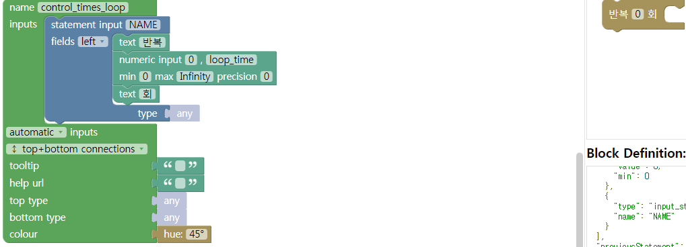 | 249 | Blockly.JavaScript['control_times_loop'] = function(block) { var number_loop_time = block.getFieldValue('loop_time'); var statements_name = Blockly.JavaScript.statementToCode(block, 'NAME'); // TODO: Assemble JavaScript into code variable. var code = | return code; };
control_unlimited_loop | { "type": "control_unlimited_loop", "message0": "무한반복 %1", "args0": [ { "type": "input_statement", "name": "NAME" } ], "previousStatement": null, "nextStatement": null, "colour": 45, "tooltip": "", "helpUrl": "" } | Blockly.JavaScript['control_unlimited_loop'] = function(block) { var statements_name = Blockly.JavaScript.statementToCode(block, 'NAME'); // TODO: Assemble JavaScript into code variable. var code = '...;\n'; return code; }; |  | 194 | Blockly.JavaScript['control_unlimited_loop'] = function(block) { var statements_name = Blockly.JavaScript.statementToCode(block, 'NAME'); // TODO: Assemble JavaScript into code variable. var code = | return code; };
control_while_loop | { "type": "control_while_loop", "message0": "반복 %1 계속 확인 %2 %3", "args0": [ { "type": "input_value", "name": "NAME" }, { "type": "input_dummy" }, { "type": "input_statement", "name": "NAME" } ], "previousStatement": null, "nextStatement": null, "colour": 45, "tooltip": "", "helpUrl": "" } | Blockly.JavaScript['control_while_loop'] = function(block) { var value_name = Blockly.JavaScript.valueToCode(block, 'NAME', Blockly.JavaScript.ORDER_ATOMIC); var statements_name = Blockly.JavaScript.statementToCode(block, 'NAME'); // TODO: Assemble JavaScript into code variable. var code = '...;\n'; return code; }; |  | 289 | Blockly.JavaScript['control_while_loop'] = function(block) { var value_name = Blockly.JavaScript.valueToCode(block, 'NAME', Blockly.JavaScript.ORDER_ATOMIC); var statements_name = Blockly.JavaScript.statementToCode(block, 'NAME'); // TODO: Assemble JavaScript into code variable. var code = | return code; };

