기본 검증 코드
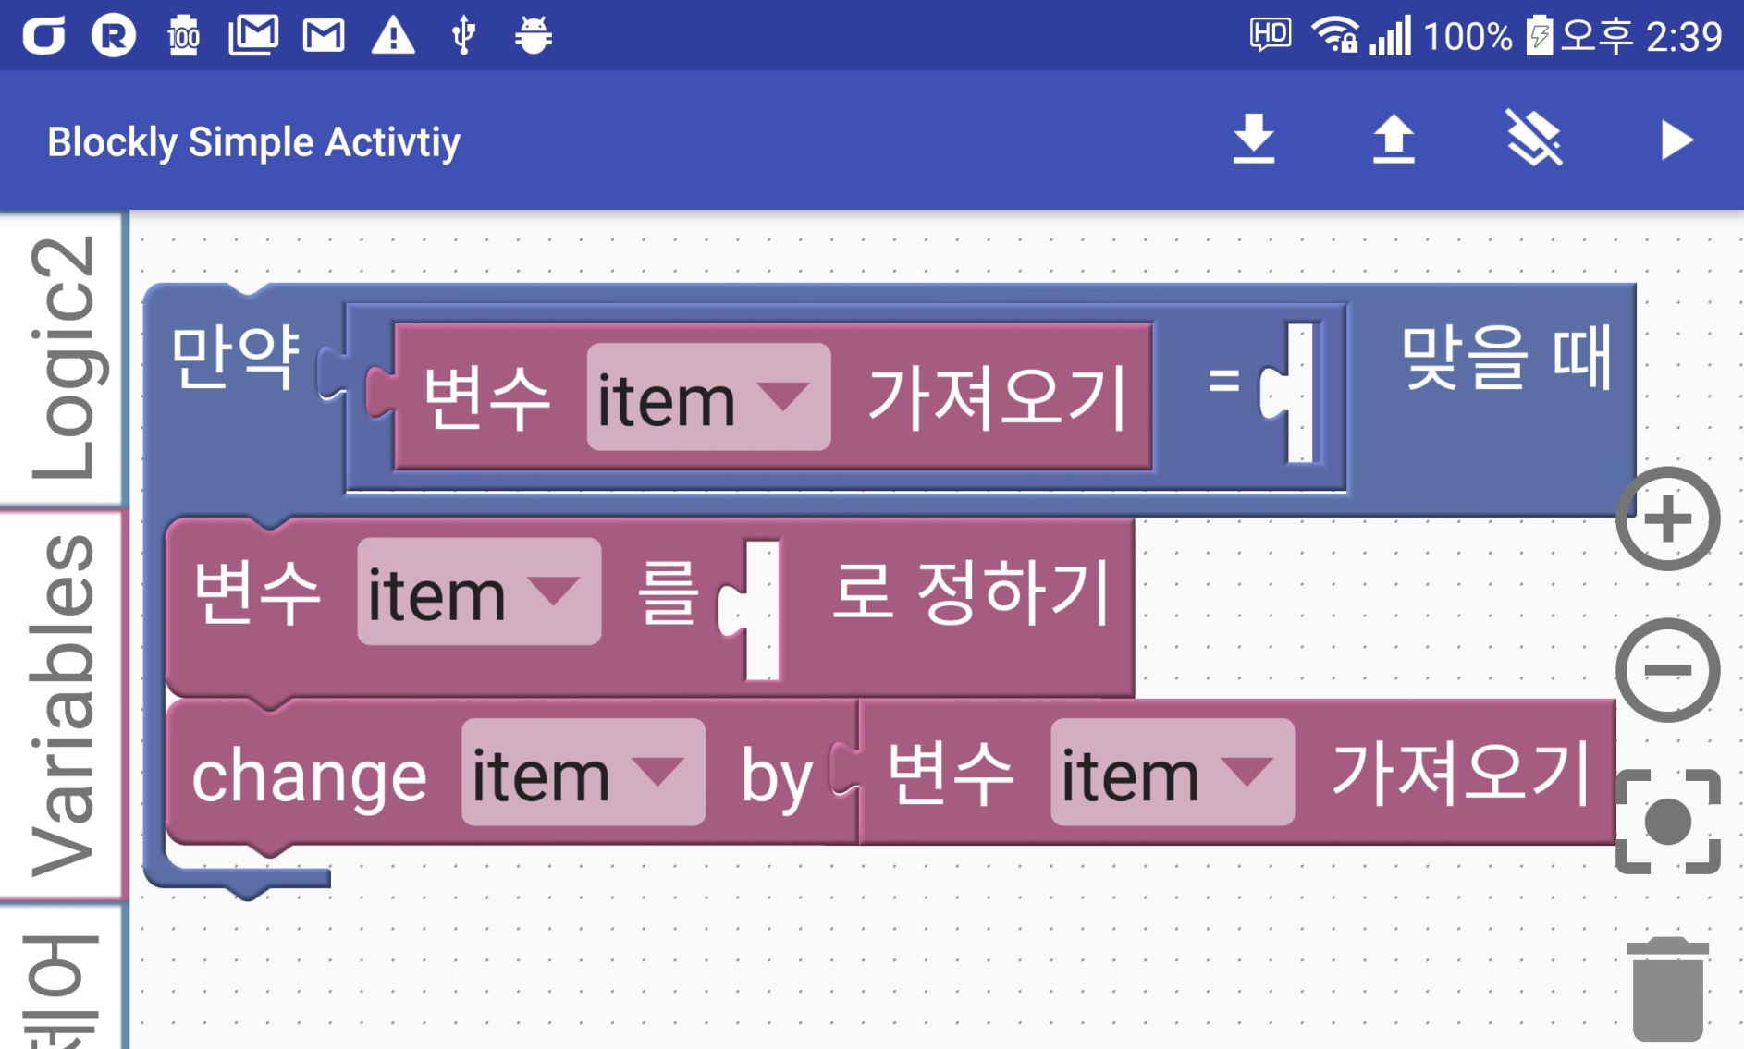
만들어진 코드 | {개수 | }개수
var item; {'if':'[{'validation':'({'equal':[{'item':''}]})'},{'control_type':1},{'contents':' item = 0; item = (typeof item == 'number' ? item : 0) + item; '}]'} | 6 | 6

{시작 되는 개수 = 끝나는 개수가 같아지는 때 까지 길이 찾기-> 한 개 덩어리
처음 '와 다음 '사이의 string 추출 -> if, for, digital_write등 찾기
json parser로 if찾고 다음 내용을 string으로 가져오기
가져온 string을 다시 처음 재귀함수로 넣어서 if, for가 아니면 재귀 멈추기

