Waste_characteristics
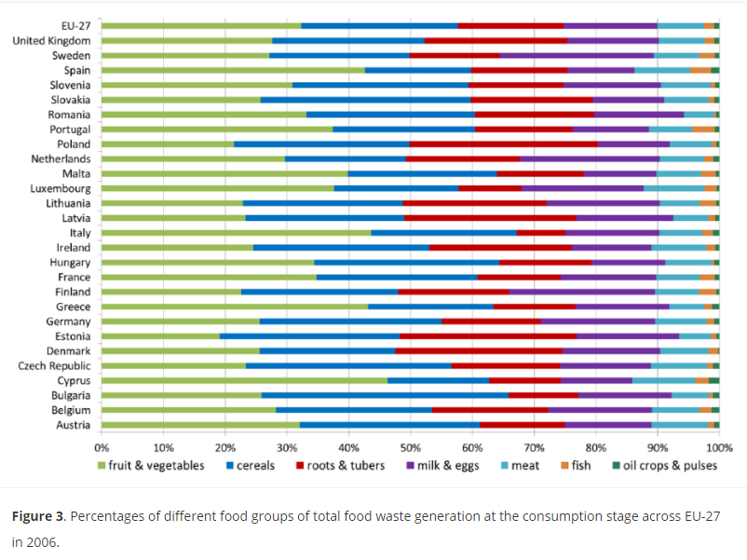
 |  | Unit
Mass | 1 | t
FW | 1 | t
Moisture content, FW | 64% | %FW | 72%
VS, FW | 96% | %TS
VS, FW | 0.35167947246 | t
impurities | 0 | t
Nitrogen content, FW | 3.28% | % of dry mass of FW
Carbon content, FW | 47% | % of dry mass of FW
Phosphorus content, FW | 0.40% | % of dry mass of FW
Potassium content, FW | 1% | % of dry mass of FW

Nitrogen content, FW | 0.011967698248 | t/t of FW
Carbon content, FW | 0.17028313086 | t/t of FW
Phosphorus content, FW | 0.0014671746924 | t/t of FW
Potassium content, FW | 0.011967698248 | t/t of FW

 |  |  |  | https://journals.sagepub.com/doi/full/10.1177/0734242X14545374#bibr26-0734242X14545374

