Waste_characteristics
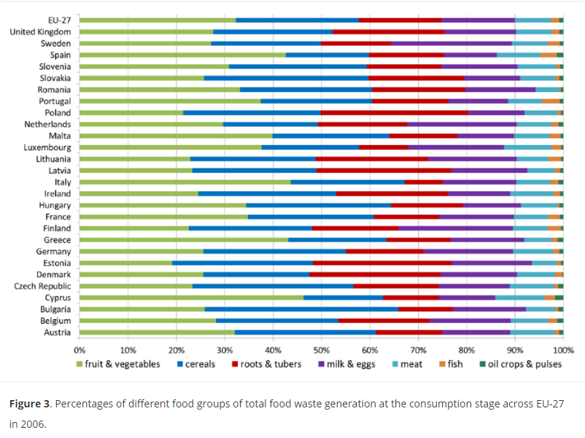
 |  | Unit
Mass | 1 | t
FW | 1 | t
Moisture content, FW | 64% | %FW | 72%
VS, FW | 96% | %TS
VS, FW | 0.35167947246 | t
impurities | 0 | t
Nitrogen content, FW | 3.28% | % of dry mass of FW
Carbon content, FW | 47% | % of dry mass of FW
Phosphorus content, FW | 0.40% | % of dry mass of FW
Potassium content, FW | 1% | % of dry mass of FW

Nitrogen content, FW | 0.011967698248 | t/t of FW
Carbon content, FW | 0.17028313086 | t/t of FW
Phosphorus content, FW | 0.0014671746924 | t/t of FW
Potassium content, FW | 0.011967698248 | t/t of FW

 |  |  |  | https://journals.sagepub.com/doi/full/10.1177/0734242X14545374#bibr26-0734242X14545374

Figures
Total ecosystem quality
 | Composting | On-land emissions from replacement of fertilizers | On-land emissions from replacement of peat | Substitution of fertilizers | Substitution of peat | AD | Substitution of heat | Substitution of natural gas combustion | Substitution of electricity
HC | 35.501522982 | 9.37E+00 | -6.01E+01 | -8.83E+00 | -3.63E+00
IC | 35.594256286 | 2.77E+01 | -4.90E+01 | -6.91E+00 | -2.96E+00
AD-a |  | 1.10E+02 | -1.94E+01 | -3.22E+01 | -1.30E+00 | 11.402318177 | -47.42985126 |  | -41.679429531
AD-b |  | 7.20E+00 | -5.19E+00 | -1.62E+01 | -3.48E-01 | 18.435485579 | -47.42985126 |  | -41.679429531
AD-c |  | 1.10E+02 | -1.94E+01 | -3.22E+01 | -1.30E+00 | 42.911208859 |  | -69.308262559
AD-d |  | 7.20E+00 | -5.19E+00 | -1.62E+01 | -3.48E-01 | 49.944376262 |  | -69.308262559
AD-e |  | 1.10E+02 | -1.94E+01 | -3.22E+01 | -1.30E+00 | 17.646144532 | -85.06440715
AD-f |  | 7.20E+00 | -5.19E+00 | -1.62E+01 | -3.48E-01 | 24.679311934 | -85.06440715
 | Total ecosystem quality
 | HC | IC | AD-a | AD-b | AD-c | AD-d | AD-e | AD-f
Composting | 35.501522982 | 35.594256286
On-land emissions from replacement of fertilizers | 9.37E+00 | 2.77E+01 | 110.20621817 | 7.1951540723 | 110.20621817 | 7.1951540723 | 110.20621817 | 7.1951540723
On-land emissions from replacement of peat | -6.01E+01 | -4.90E+01 | -1.94E+01 | -5.1925501139 | -1.94E+01 | -5.1925501139 | -19.436798743 | -5.1925501139
Substitution of fertilizers | -8.825102909 | -6.91E+00 | -32.190276132 | -16.154098184 | -32.190276132 | -16.154098184 | -32.190276132 | -16.154098184
Substitution of peat | -3.6266209257 | -2.96E+00 | -1.30E+00 | -0.34841973792 | -1.30E+00 | -0.34841973792 | -1.304207793 | -0.34841973792
AD |  |  | 11.402318177 | 18.435485579 | 42.911208859 | 49.944376262 | 17.646144532 | 24.679311934
Substitution of heat |  |  | -47.42985126 | -47.42985126 |  |  | -85.06440715 | -85.06440715
Substitution of natural gas combustion |  |  |  |  | -69.308262559 | -69.308262559
Substitution of electricity |  |  | -41.679429531 | -41.679429531
Total | -27.638343758 | 4.3987681766 | -20.432027113 | -85.173709175 | 30.877881801 | -33.863800261 | -10.143327117 | -74.885009179

 | Total human health
 | HC | IC | AD-a | AD-b | AD-c | AD-d | AD-e | AD-f
Composting | 1.8232373669E-05 | 9.4362939916E-05
On-land emissions from replacement of fertilizers | 6.47E-05 | 5.01E-05 | 0.00076801640589 | 1.4004955713E-05 | 0.00076801640589 | 1.4004955713E-05 | 0.00076801640589 | 1.4004955713E-05
On-land emissions from replacement of peat | 0.00E+00 | 0.00E+00 | 0.00E+00 | 0 | 0.00E+00 | 0 | 0 | 0
Substitution of fertilizers | -5.7171280295E-05 | -4.49E-05 | -0.00021520812358 | -0.00012040685584 | -0.00021520812358 | -0.00012040685584 | -0.00021520812358 | -0.00012040685584
Substitution of peat | -1.9377446471E-05 | -1.58E-05 | -6.97E-06 | -1.8616461327E-06 | -6.97E-06 | -1.8616461327E-06 | -6.9685299937E-06 | -1.8616461327E-06
 | Composting | On-land emissions from replacement of fertilizers | On-land emissions from replacement of peat | Substitution of fertilizers | Substitution of peat | AD | Substitution of heat | Substitution of natural gas combustion | Substitution of electricity
HC | 1.8232373669E-05 | 6.47E-05 | 0.00E+00 | -5.72E-05 | -1.94E-05
IC | 9.4362939916E-05 | 5.01E-05 | 0.00E+00 | -4.49E-05 | -1.58E-05
AD-a |  | 7.68E-04 | 0.00E+00 | -2.15E-04 | -6.97E-06 | 0.00011861315684 | -6.4404849187E-05 |  | -9.5691543788E-05
AD-b |  | 1.40E-05 | 0.00E+00 | -1.20E-04 | -1.86E-06 | 0.00015651162209 | -6.4404849187E-05 |  | -9.5691543788E-05
AD-c |  | 7.68E-04 | 0.00E+00 | -2.15E-04 | -6.97E-06 | 0.00017446025583 |  | -4.5650096385E-05
AD-d |  | 1.40E-05 | 0.00E+00 | -1.20E-04 | -1.86E-06 | 0.00021235872107 |  | -4.5650096385E-05
AD-e |  | 7.68E-04 | 0.00E+00 | -2.15E-04 | -6.97E-06 | 0.00015794659288 | -0.00011550869691
AD-f |  | 1.40E-05 | 0.00E+00 | -1.20E-04 | -1.86E-06 | 0.00019584505812 | -0.00011550869691
AD |  |  | 0.00011861315684 | 0.00015651162209 | 0.00017446025583 | 0.00021235872107 | 0.00015794659288 | 0.00019584505812
Substitution of heat |  |  | -6.4404849187E-05 | -6.4404849187E-05 |  |  | -0.00011550869691 | -0.00011550869691
 | Composting | On-land emissions from replacement of fertilizers | On-land emissions from replacement of peat | Substitution of fertilizers | Substitution of peat | AD | Substitution of heat | Substitution of natural gas combustion | Substitution of electricity
HC | 34.26 | 3.58E+01 | -3.56E+02 | -2.30E+01 | -6.26E+00
IC | 35.42 | 2.71E+01 | -2.91E+02 | -1.81E+01 | -5.11E+00
AD-a |  | 1.90E+01 | -1.15E+02 | -6.03E+01 | -2.25E+00 | 130.89983519 | -152.84659671 |  | -19.064442566
AD-b |  | 3.60E+00 | -3.08E+01 | -2.99E+01 | -6.02E-01 | 115.03586225 | -152.84659671 |  | -19.064442566
AD-c |  | 1.90E+01 | -1.15E+02 | -6.03E+01 | -2.25E+00 | 166.0652802 |  | -357.84584618
AD-d |  | 3.60E+00 | -3.08E+01 | -2.99E+01 | -6.02E-01 | 150.20130727 |  | -357.84584618
AD-e |  | 1.90E+01 | -1.15E+02 | -6.03E+01 | -2.25E+00 | 100.41025697 | -274.12704844
AD-f |  | 3.60E+00 | -3.08E+01 | -2.99E+01 | -6.02E-01 | 64.523122487 | -274.12704844
Substitution of natural gas combustion |  |  |  |  | -4.5650096385E-05 | -4.5650096385E-05
Substitution of electricity |  |  | -9.5691543788E-05 | -9.5691543788E-05
Total | 6.41E-06 | 8.38E-05 | 5.04E-04 | -1.12E-04 | 6.75E-04 | 5.84E-05 | 5.88E-04 | -2.79E-05

 | Carbon footprint
 | HC | IC | AD-a | AD-b | AD-c | AD-d | AD-e | AD-f
Composting | 34.264521044 | 35.42
On-land emissions from replacement of fertilizers | 3.58E+01 | 2.71E+01 | 19.040938705 | 3.6020203115 | 19.040938705 | 3.6020203115 | 19.040938705 | 3.6020203115
On-land emissions from replacement of peat | -3.56E+02 | -2.91E+02 | -1.15E+02 | -30.81632115 | -1.15E+02 | -30.81632115 | -115.35192132 | -30.81632115
Substitution of fertilizers | -22.992325522 | -1.81E+01 | -60.338310785 | -29.873713727 | -60.338310785 | -29.873713727 | -60.338310785 | -29.873713727
Substitution of peat | -6.2610701546 | -5.11E+00 | -2.25E+00 | -0.60151873248 | -2.25E+00 | -0.60151873248 | -2.2516101505 | -0.60151873248
AD |  |  | 130.90 | 115.04 | 166.07 | 150.20 | 100.41 | 64.52
Substitution of heat |  |  | -152.84659671 | -152.84659671 |  |  | -274.12704844 | -274.12704844
Substitution of natural gas combustion |  |  |  |  | -357.84584618 | -357.84584618
Substitution of electricity |  |  | -19.064442566 | -19.064442566
Total | -315.63863738 | -251.78735955 | -199.91210764 | -114.56471032 | -350.68146953 | -265.33407221 | -332.61769503 | -267.29345926

