Sheet1
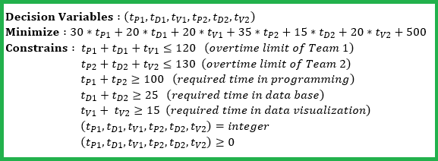
AKV_oo.xlsx
Operation Optimization

Expense ($/hour) | Team 1 | Team 2 |  |  | Total Expense (in $)
Programming | 30 | 35 |  |  | 3675
Data Base | 20 | 15
Data Visualization | 20 | 20

Combination Expense (in $) | 500

 | Required Hours in Each Part
 | Team 1 | Team 2 | Total Hours for Each Step |  | Allowed Total Working Hours
Programming | 100 | 0 | 100 | >= | 100
Data Base | 0 | 25 | 25 | >= | 25
Data Visualization | 8 | 7 | 15 | >= | 15
Total Required Hours | 108 | 32
 | <= | <=
Hours Available for Each Team | 120 | 130

