系动词
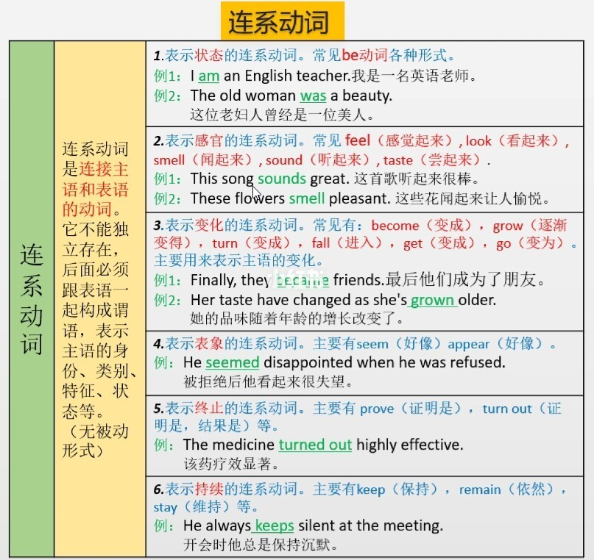
回到首页

助动词
回到首页
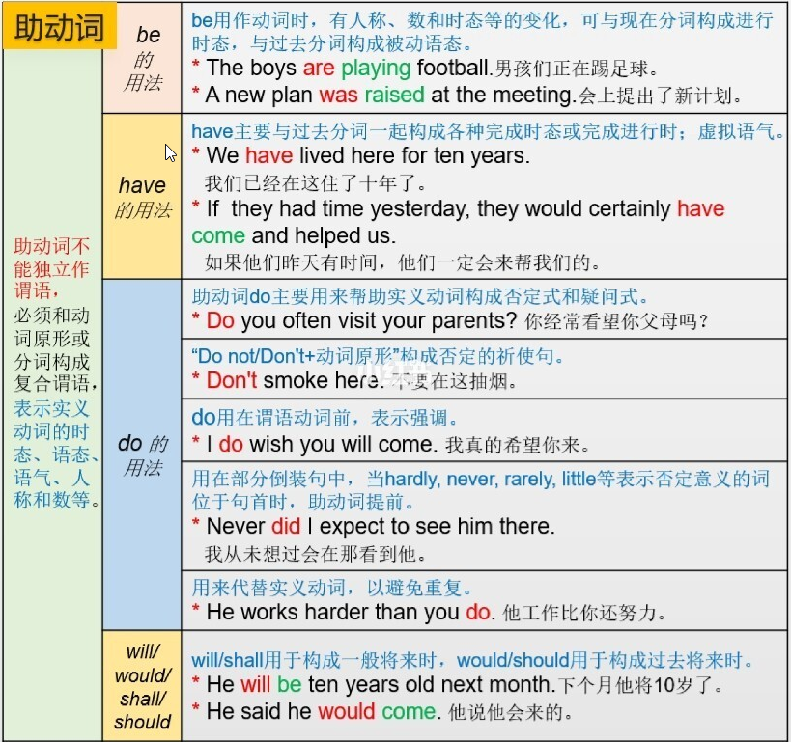
一、助动词有哪些

be（be、am、is、are、was、were、being、been）
have（has、have、havinghad）
do（do、does、did、done）
will（will、would）
shall

二、功能

助动词本身无词义，和别的动词一道构成时态、语态、问句及否定句

表示句子的时态；
表示句子的语态;
构成句子的疑问句式；
构成句子否定句式;
加强句子语气;

三、助动词be的用法

1）am/is/are/was/were+现在分词构成进行时态

例句:
I'm studying at an evening school. （现在进行时）
我在上夜校
Fear of crime is slowly paralyzing American society. (现在进行时)
犯罪恐惧症正逐渐地使美国社会限于瘫痪
We are working. （现在进行时）
我们在工作
I was reading the newspaper when the door bell rang. （过去进行时）
我正在看报，门铃突然响了.
We were talking about our school days. （过去进行时）
我们在谈我们的学生时代.

2）am/is/are/was/were+过去分词构成被动语态

例句:
The road is being repaired.（现在进行时被动语态）
路正在修整
She was brought up by her aunt. （过去时被动语态）
她是她姑姑带大的

3）与不定式构成复合谓语

例句:
You're to be back tomorrow.
你明天得回来
Where are we to meet?
我们将在哪儿碰头

四、助动词have的用法

1）助动词have/has/had+过去分词构成完成时态

例句:
Where have you been? （现在完成时）
你到哪儿去了
She has gone to town.（现在完成时）
她到城里去了
We had never met before. （过去完成时）
以前我们从未见过面

2）助动词have/has/had+been+现在分词构成完成进行时态

例句:
She has been reading a novel. （现在完成进行时）
她一直在看一本小说.
Men have been digging salt out of it for six hundred years, and yet there seems as much left as ever. （现在完成进行时）
人们在这掘盐已六百年，但盐似乎还是那么多.
The telephone had been ringing for three minutes before it was answered. （过去完成进行时）
电话铃响了三分钟才有人接.

五、助动词do的用法

1）do/does/did前置构成疑问句

例句:
How do you like the weather here? （现在时）
你觉得这里天气怎样?
She speaks good English, doesn't she?（现在时）
她英语讲的很好，对吗？
Did you see yesterday's film?（过去时）
昨天的电影你看了吗？

2）do/does/did+not构成否定句

例句:
She does not/doesn't work here.
她不在这里工作
We do not/don't often go there.
我们不常到那里去
He did not/didn't go to the show.
他没有去看演出

3）do/does/did+动词原型 加强语气

例句:
I do think you are right.
我的确认为你是对的
She does feel that way.
她确实有那种感觉
He did tell me to stay.
他的确让我留下的

4）代替前面的动词，避免重复

例句:
Do you know her?--Yes, I do.
你认识她吗？ --认识
I don't like coffee and neither does my wife.
我不喜欢咖啡，我妻子也不喜欢

5）恳求

例句:
Do be quiet!
求你安静点
Do come to the party tonight.
务必今晚来参加晚会

六、助动词shall、will、would的用法

1）will/would/shall/should+动词原型构成将来时态

例句:
Will you be in tomorrow（一般将来时疑问句形式）
你明天在家吗？
We will probably go by train.（一般将来时肯定句形式）
我们可能做火车去
I won't stay here long （一般将来时否定形式）
我不会在这里待很长时间
Shall we stop over in Tokyo?（一般将来时疑问句形式，shall用于第一人称做主语的问句）
我们要不要在东京停留
I told them I would not go with them（过去将来时）
我告诉他们我不和他们一道去

2）助动词will/would+be+现在分词构成将来进行时态

例句:
At ten o'clock tomorrow, she will be working in her office.（将来进行时）
明天十点她会在办公室工作
I thought you'd be sleeping （过去将来进行时）
我以为你在睡觉

3） 助动词will+have/has/had+been+现在分词构成将来完成进行时态

例句：
In another month's time Mr.Henry will have been teaching here for exactly thirty years. （将来完成进行时 ）
再过一个月，亨利先生就将在这里从事教学整30年了.

