Notes
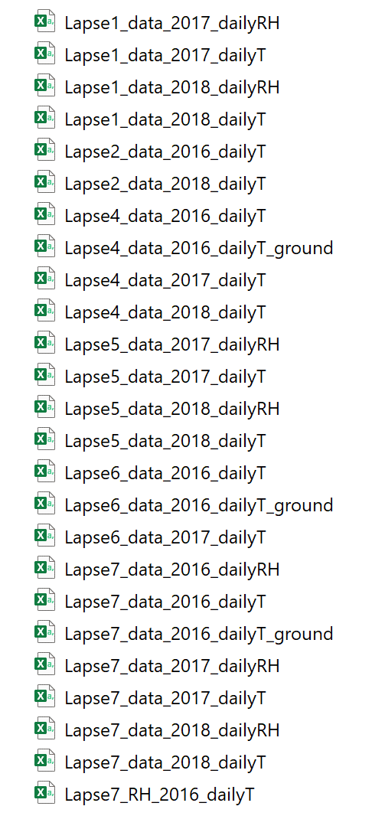
 | LocalDateTime Start | LocalDateTime Start End | csv
DataValues1 | 2015-12-04 | 2016-08-16 | NFN3 Air Temp

