Sheet1
Requirments | Test conditions | Test cases (Test suite) | Bug
1) User story 1 | click search button | TC_001
 | press enter | TC_002 | Bug_001
 | contain the search keyword | TC_003 | Bug_002
 | showing massage when no result | TC_004 | Bug_003
 | search keywords matched exactly one product, it should appear first listed | TC_005
 | product details should be aligned together | TC_006 | Bug_004
2) User story 2 | cart table contain 6 columns | TC_007 | Bug_005
 | quantity is 1 when add 1 product | TC_008
 | quantity is x when add 1 product x times | TC_009
 | quantity is x when add product x times for each product | TC_010
 | total price change according to the quantity | TC_011
 | ability to control the products quantity | TC_012 | Bug_006
 | ability to remove product from cart by clicking X sign | TC_013

Test cases
ID | Test title | Preconditions | Test steps | Test data | Expected result | Actual result | Test environment | Test status
TC_001 | Check that the search button is worked proprely and showing the matched results | 1- using windows operating system 2- setting up chrome browser | 1- navigate to https://www.automationexercise.com/products 2- enter "tshirt" in search field 3- click search button 4- check all related search results should be appear | tshirt | search button is worked related results are appeared | search button is worked related results are appeared | windows OS chrome browser | pass
TC_002 | Check that pressing enter from keyboard is worked proprely and showing the matched results | 1- using windows operating system 2- setting up chrome browser | 1- navigate to https://www.automationexercise.com/products 2- enter "tshirt" in search field 3- press enter from keyboard 4- check all related search results should be appear | tshirt | pressing enter is worked related results are appeared | pressing enter is not worked so no results showed | windows OS chrome browser | Fail
TC_003 | Check that All search result should contain the search keyword | 1- using windows operating system 2- setting up chrome browser | 1- navigate to https://www.automationexercise.com/products 2- enter "dress" in search field 3- click search button 4- check all search results contain the search keyword | dress | all search results contain the search keyword | not all search results contain the search keyword | windows OS chrome browser | Fail
TC_004 | Check that is no results, the user should see a message | 1- using windows operating system 2- setting up chrome browser | 1- navigate to https://www.automationexercise.com/products 2- enter "aaa" in search field 3- click search button 4- check that no results and a massage is showen | aaa | no results are showen and the massage “There is no results related to this search keyword” is showen | no results are showen and no massage is appeared | windows OS chrome browser | Fail
TC_005 | Check that If search keywords matched exactly one product, it should appear first listed | 1- using windows operating system 2- setting up chrome browser | 1- navigate to https://www.automationexercise.com/products 2- enter "top" in search field 3- click search button 4- Check that the first product listed mathced the search keyword | top | that the first product listed mathced the search keyword | that the first product listed mathced the search keyword | windows OS chrome browser | pass
TC_006 | Check that product detailes are aligned together | 1- using windows operating system 2- setting up chrome browser | 1- navigate to https://www.automationexercise.com/products 2- enter "top" in search field 3- click search button 4- click on view product button 5- check that the boxes that contain the product details are aligned together (Same dimensions height and width) | top | the boxes that contain the product details are aligned together | the product details are not the same dimensions | windows OS chrome browser | fail
TC_007 | Check that the cart table contain 6 columns (Item, Description, Price, Quantity, Total, Remove) | 1- using windows operating system 2- setting up chrome browser | 1- navigate to https://www.automationexercise.com/products 2- hover on first product 3- click "Add to cart" button 4- click on "View Cart" link 5- check that the cart table contain 6 columns (Item, Description, Price, Quantity, Total, Remove) | no data used | the cart table contains 6 columns (Item, Description, Price, Quantity, Total, Remove) | the cart table contains 6 columns ,but the "Remove" title is missing | windows OS chrome browser | fail
TC_008 | Check that the quantity is 1 when add 1 product | 1- using windows operating system 2- setting up chrome browser | 1- navigate to https://www.automationexercise.com/products 2- hover on first product 3- click "Add to cart" button 4- click on "View Cart" link 5- check that the quantity is "1" | no data used | the quantity is "1" | the quantity is "1" | windows OS chrome browser | pass
TC_009 | Check that the quantity is x when add 1 product x times | 1- using windows operating system 2- setting up chrome browser | 1- navigate to https://www.automationexercise.com/products 2- hover on first product 3- click "Add to cart" button 4- click on "Continue Shopping" button 5- repeat steps 2,3 6- click on "View Cart" link 7- check that the quantity is "2" | no data used | the quantity is "2" | the quantity is "2" | windows OS chrome browser | pass
TC_010 | Check that the quantity is x when add product x times for each product | 1- using windows operating system 2- setting up chrome browser | 1- navigate to https://www.automationexercise.com/products 2- hover on first product 3- click "Add to cart" button 4- click on "Continue Shopping" button 5- repeat steps 2,3,4 6- hover on second product 7- repeat steps 3,4,6 8- repeat steps 3 9- click on "View Cart" link 10- check that the quantity of first product is "2" 11- check that the quantity of second product is "2" | no data used | the quantity of first product is "2" and the quantity of second product is "2" | the quantity of first product is "2" and the quantity of second product is "2" | windows OS chrome browser | pass
TC_011 | Check that the total price change according to the quantity | 1- using windows operating system 2- setting up chrome browser | 1- navigate to https://www.automationexercise.com/products 2- hover on first product 3- click "Add to cart" button 4- click on "Continue Shopping" button 5- repeat steps 2,3 6- click on "View Cart" link 7- check that the total price equal the multiplication of price and quantity | no data used | the total price of the product is price * quantity which is "Rs. 1000" | the total price of the product is price * quantity which is "Rs. 1000" | windows OS chrome browser | pass
TC_012 | Check that the ability to control the products quantity | 1- using windows operating system 2- setting up chrome browser | 1- navigate to https://www.automationexercise.com/products 2- hover on first product 3- click "Add to cart" button 4- click on "Continue Shopping" button 5- repeat steps 2,3 6- click on "View Cart" link 7- change the product quantity from "2" to "3" | no data used | the product quantity is changed from "2" to "3" | the product quantity is "2" | windows OS chrome browser | fail
TC_013 | Check that the ability to remove product from cart by clicking X sign | 1- using windows operating system 2- setting up chrome browser | 1- navigate to https://www.automationexercise.com/products 2- hover on first product 3- click "Add to cart" button 4- click on "View Cart" link 5- click on X sign 6- check that the product is removed | no data used | the product is removed | the product is removed | windows OS chrome browser | pass

Bug report
ID | Bug title | Preconditions | Steps to reproduce the bug | Expected results | Actual results | Test environment | Bug severity | Bug priority | Screenshot evidence
Bug_001 | no react when pressing enter from keyboard in search field | 1- using windows operating system 2- setting up chrome browser | 1- navigate to https://www.automationexercise.com/products 2- enter "tshirt" in search field 3- press enter from keyboard 4- check the system behavior | pressing enter is worked related results are appeared | pressing enter is not worked so no results showed | windows OS chrome browser | major severity | medium priority | 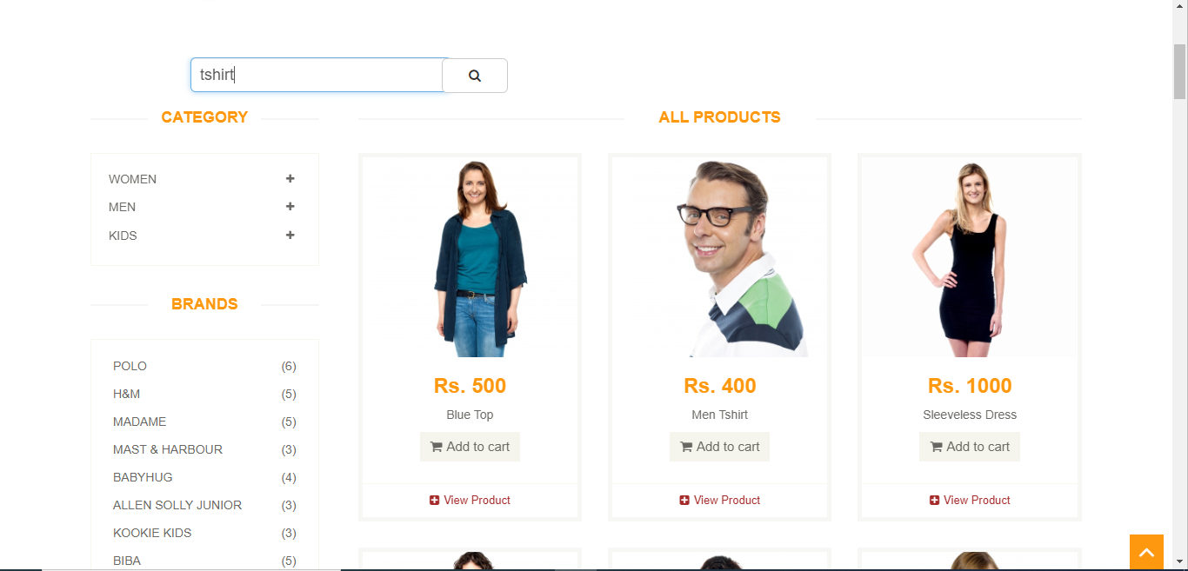
Bug_002 | some search results not contain the search keyword | 1- using windows operating system 2- setting up chrome browser | 1- navigate to https://www.automationexercise.com/products 2- enter "dress" in search field 3- click search button 4- check all search results contain the search keyword | all search results contain the search keyword | not all search results contain the search keyword | windows OS chrome browser | major severity | medium priority | 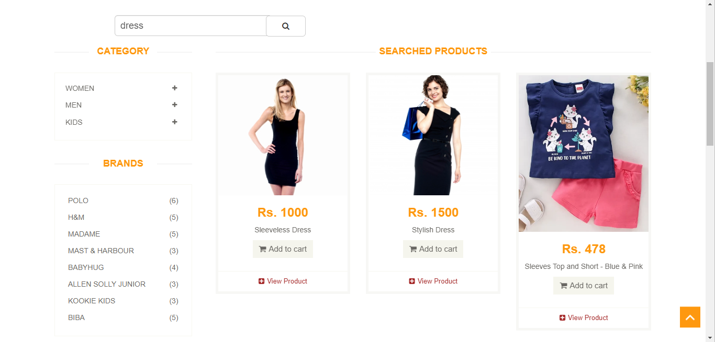
Bug_003 | no massage is showen when there are no results | 1- using windows operating system 2- setting up chrome browser | 1- navigate to https://www.automationexercise.com/products 2- enter "aaa" in search field 3- click search button 4- check that no results and a massage is showen | no results are showen and the massage “There is no results related to this search keyword” is showen | no results are showen and no massage is appeared | windows OS chrome browser | low severity | lowest priority | 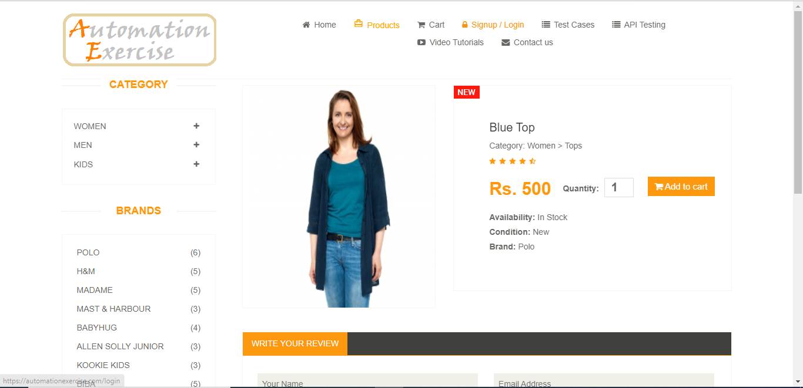
Bug_004 | product details are not aligned together (not the same dimensions) | 1- using windows operating system 2- setting up chrome browser | 1- navigate to https://www.automationexercise.com/products 2- enter "top" in search field 3- click search button 4- click on view product button 5- check that the boxes that contain the product details are aligned together (Same dimensions height and width) | the product detailes should be aligned together | the product details are not aligned together | windows OS chrome browser | low severity | lowest priority | 
Bug_005 | "Remove" title is missing from cart table | 1- using windows operating system 2- setting up chrome browser | 1- navigate to https://www.automationexercise.com/products 2- hover on first product 3- click "Add to cart" button 4- click on "View Cart" link 5- check that the cart table contain 6 columns (Item, Description, Price, Quantity, Total, Remove) | the cart table contains 6 columns (Item, Description, Price, Quantity, Total, Remove) | the cart table contains 6 columns ,but the "Remove" title is missing | windows OS chrome browser | low severity | lowest priority | 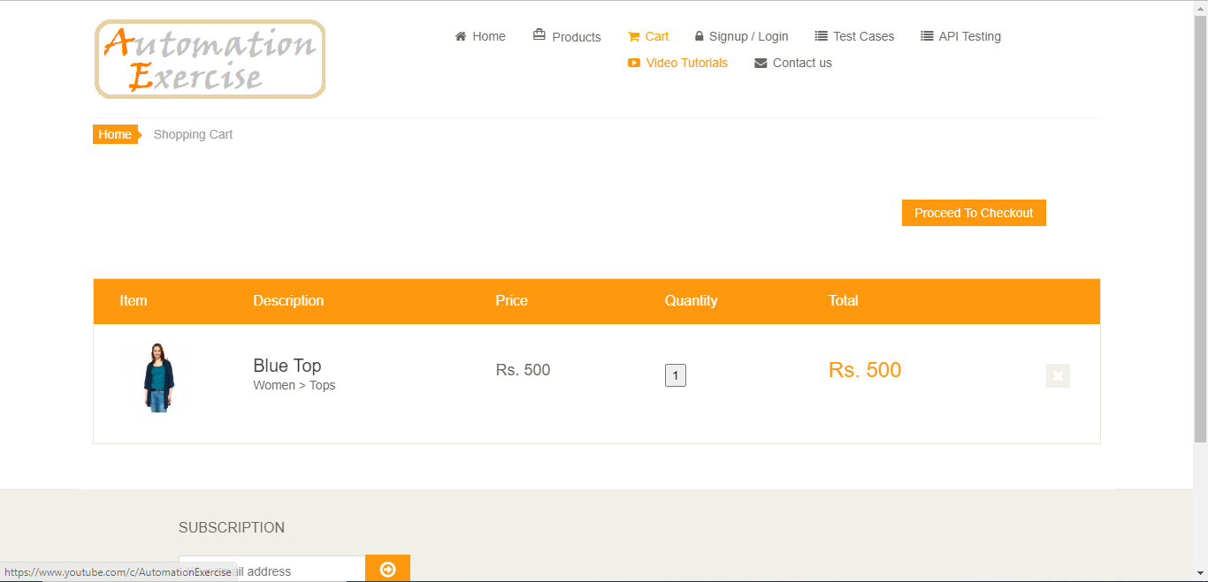
Bug_006 | can't change the product quantity | 1- using windows operating system 2- setting up chrome browser | 1- navigate to https://www.automationexercise.com/products 2- hover on first product 3- click "Add to cart" button 4- click on "Continue Shopping" button 5- repeat steps 2,3 6- click on "View Cart" link 7- change the product quantity from "2" to "3" | the product quantity is changed from "2" to "3 | the product quantity is "2" | windows OS chrome browser | low severity | major priorty | 