Notes
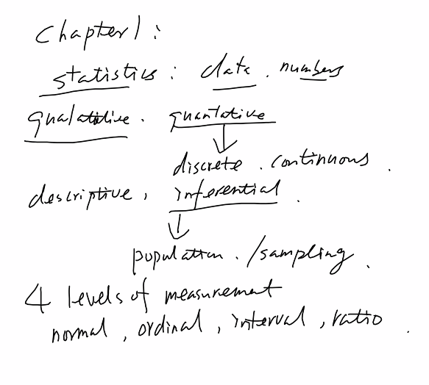

1-13
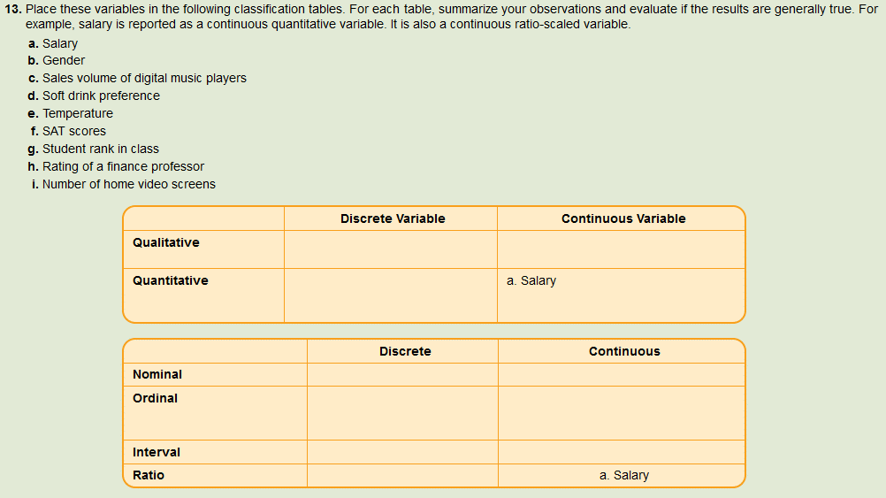
 |  |  | A qualitative variable is nonnumeric
 |  |  |  | Usually we are interested in the number of percent of the observations in each category
 |  |  |  | Qualitative data usually are summarized in graphs and bar charts

 |  |  | There are two types of quantitative variables and they are usually numerically.
 |  |  |  | Discrete variables can assume only certain values and there are usually gaps between values.
 |  |  |  | A continuous variable can assume any value within a specified range.

 |  |  | Nominal | qualitative
 |  |  | Ordinal | qualitative
 |  |  | Interval | Ordinal & | represented as labels or names. They have no order. They can only be classified and counted.
 |  |  | Ratio |  | based on a relative ranking of items based on a defined attribute or qualitative variable. Variables based on this level of measurement are only ranked or counted.
 |  |  |  |  | the interval or distance between values is meaningful. Based on a scale with a known unit of measurement
 |  |  | Why is temperature interval and not ratio? |  | based on a scale with a known unit of measurement and a meaningful interpretation of zero on the scale
 |  |  |  | 0 degrees does not mean the absence of heat or cold.
 |  |  |  | cannot say that 20 degrees F is twice as warm as 10 degrees.

 |  |  | Why is Salary ratio and not interval?
 |  |  |  | $0 does mean the absence of salary
 |  |  |  | can say that $200k is twice as much salary as $100k

 | Discrete Variable | Continuous Variable
Qualitative | b. Gender
 | d. Soft drink preference
 | h. Rating of a finance professor
 | g. Student rank in class
Quantitative | c. Sales volume of digital music players | a. Salary
 | f. SAT scores | e. Temperature
 | i. Number of home video screens

 | Discrete | Continuous
Nominal | b. Gender
Ordinal | d. Soft drink preference
 | g. Student rank in class
Interval | f. SAT scores | e. Temperature
Ratio | c. Sales volume of digital music players | a. Salary
 | i. Number of home video screens

1-17
 |  |  |  |  |  |  |  |  |  |  |  |  | Rank | Manufacturer | 2017 | 2018 | Change | Percent Change
 |  |  |  |  |  |  |  |  |  |  |  |  | 1 | GM (Est.) | 2,691,493 | 2,654,568 | (36,925) | -1.4%
 |  |  |  |  |  |  |  |  |  |  |  |  | 2 | Ford | 2,334,290 | 2,265,590 | (68,700) | -2.9%
 |  |  |  |  |  |  |  |  |  |  |  |  | 3 | Toyota | 2,211,533 | 2,205,762 | (5,771) | -0.3%
 |  |  |  |  |  |  |  |  |  |  |  |  | 4 | Fiat Chrysler | 1,887,430 | 2,038,684 | 151,254 | 8.0%
 |  |  |  |  |  |  |  |  |  |  |  |  | 5 | Honda | 1,492,112 | 1,449,713 | (42,399) | -2.8%
 |  |  |  |  |  |  |  |  |  |  |  |  | 6 | Nissan | 1,455,238 | 1,345,157 | (110,081) | -7.6%
 |  |  |  |  |  |  |  |  |  |  |  |  | 7 | Subaru | 584,614 | 615,594 | 30,980 | 5.3%
 |  |  |  |  |  |  |  |  |  |  |  |  | 8 | Hyundai | 621,961 | 612,225 | (9,736) | -1.6%
 |  |  |  |  |  |  |  |  |  |  |  |  | 9 | Kia | 546,629 | 542,245 | (4,384) | -0.8%
 |  |  |  |  |  |  |  |  |  |  |  |  | 10 | VW | 309,395 | 322,017 | 12,622 | 4.1%
 |  |  |  |  |  |  |  |  |  |  |  |  | 11 | Mercedes (inc Sprinter) | 332,990 | 318,012 | (14,978) | -4.5%
 |  |  |  |  |  |  |  |  |  |  |  |  | 12 | BMW | 271,432 | 276,657 | 5,225 | 1.9%
 |  |  |  |  |  |  |  |  |  |  |  |  | 13 | Mazda | 262,577 | 274,455 | 11,878 | 4.5%
 |  |  |  |  |  |  |  |  |  |  |  |  | 14 | Audi | 199,534 | 200,558 | 1,024 | 0.5%
 |  |  |  |  |  |  |  |  |  |  |  |  | 15 | Mitsubishi | 95,185 | 109,088 | 13,903 | 14.6%
 |  |  |  |  |  |  |  |  |  |  |  |  | 16 | Tesla (Est.) | 40,320 | 106,050 | 65,730 | 163.0%
 |  |  |  |  |  |  |  |  |  |  |  |  | 17 | Volvo | 71,828 | 89,437 | 17,609 | 24.5%
a. | 2018 Sales Increased over 2017 Sales |  |  |  |  | 2018 Sales Decreased from 2017 Sales |  |  |  |  |  |  | 18 | Land Rover | 66,759 | 81,526 | 14,767 | 22.1%
 | Manufacturer | 2017 | 2018 | Change | Percent Change | Manufacturer | 2017 | 2018 | Change | Percent Change |  |  | 19 | Porsche | 51,507 | 53,116 | 1,609 | 3.1%
 | Fiat Chrysler | 1,887,430 | 2,038,684 | 151,254 | 8.0% | Nissan | 1,455,238 | 1,345,157 | (110,081) | -7.6% |  |  | 20 | MINI | 42,494 | 40,887 | (1,607) | -3.8%
 | Tesla (Est.) | 40,320 | 106,050 | 65,730 | 163.0% | Ford | 2,334,290 | 2,265,590 | (68,700) | -2.9% |  |  | 21 | Jaguar | 36,180 | 27,021 | (9,159) | -25.3%
 | Subaru | 584,614 | 615,594 | 30,980 | 5.3% | Honda | 1,492,112 | 1,449,713 | (42,399) | -2.8% |  |  | 22 | Others | 18,901 | 17,251 | (1,650) | -8.7%
 | Volvo | 71,828 | 89,437 | 17,609 | 24.5% | GM (Est.) | 2,691,493 | 2,654,568 | (36,925) | -1.4% |  |  | 23 | smart | 2,905 | 1,154 | (1,751) | -60.3%
 | Land Rover | 66,759 | 81,526 | 14,767 | 22.1% | Mercedes (inc Sprinter) | 332,990 | 318,012 | (14,978) | -4.5%
 | Mitsubishi | 95,185 | 109,088 | 13,903 | 14.6% | Hyundai | 621,961 | 612,225 | (9,736) | -1.6%
 | VW | 309,395 | 322,017 | 12,622 | 4.1% | Jaguar | 36,180 | 27,021 | (9,159) | -25.3%
 | Mazda | 262,577 | 274,455 | 11,878 | 4.5% | Toyota | 2,211,533 | 2,205,762 | (5,771) | -0.3%
 | BMW | 271,432 | 276,657 | 5,225 | 1.9% | Kia | 546,629 | 542,245 | (4,384) | -0.8%
 | Porsche | 51,507 | 53,116 | 1,609 | 3.1% | smart | 2,905 | 1,154 | (1,751) | -60.3%
 | Audi | 199,534 | 200,558 | 1,024 | 0.5% | Others | 18,901 | 17,251 | (1,650) | -8.7%
 |  |  |  |  |  | MINI | 42,494 | 40,887 | (1,607) | -3.8%

b. | 2018 Sales Ranked by Percent Change over 2017 Sales |  |  |  |  | Top 5 2018 Sales Ranked by Percent Change over 2017 Sales |  |  |  |  | Bottom 5 2018 Sales Ranked by Percent Change over 2017 Sales
 | Manufacturer | 2017 | 2018 | Change | Percent Change | Manufacturer | 2017 | 2018 | Change | Percent Change | Manufacturer | 2017 | 2018 | Change | Percent Change
 | Tesla (Est.) | 40,320 | 106,050 | 65,730 | 163.0% | Tesla (Est.) | 40,320 | 106,050 | 65,730 | 163.0% | Mercedes (inc Sprinter) | 332,990 | 318,012 | (14,978) | -4.5%
 | Volvo | 71,828 | 89,437 | 17,609 | 24.5% | Volvo | 71,828 | 89,437 | 17,609 | 24.5% | Nissan | 1,455,238 | 1,345,157 | (110,081) | -7.6%
 | Land Rover | 66,759 | 81,526 | 14,767 | 22.1% | Land Rover | 66,759 | 81,526 | 14,767 | 22.1% | Others | 18,901 | 17,251 | (1,650) | -8.7%
 | Mitsubishi | 95,185 | 109,088 | 13,903 | 14.6% | Mitsubishi | 95,185 | 109,088 | 13,903 | 14.6% | Jaguar | 36,180 | 27,021 | (9,159) | -25.3%
 | Fiat Chrysler | 1,887,430 | 2,038,684 | 151,254 | 8.0% | Fiat Chrysler | 1,887,430 | 2,038,684 | 151,254 | 8.0% | smart | 2,905 | 1,154 | (1,751) | -60.3%
 | Subaru | 584,614 | 615,594 | 30,980 | 5.3%
 | Mazda | 262,577 | 274,455 | 11,878 | 4.5%
 | VW | 309,395 | 322,017 | 12,622 | 4.1%
 | Porsche | 51,507 | 53,116 | 1,609 | 3.1%
 | BMW | 271,432 | 276,657 | 5,225 | 1.9%
 | Audi | 199,534 | 200,558 | 1,024 | 0.5%
 | Toyota | 2,211,533 | 2,205,762 | (5,771) | -0.3%
 | Kia | 546,629 | 542,245 | (4,384) | -0.8%
 | GM (Est.) | 2,691,493 | 2,654,568 | (36,925) | -1.4%
 | Hyundai | 621,961 | 612,225 | (9,736) | -1.6%
 | Honda | 1,492,112 | 1,449,713 | (42,399) | -2.8%
 | Ford | 2,334,290 | 2,265,590 | (68,700) | -2.9%
 | MINI | 42,494 | 40,887 | (1,607) | -3.8%
 | Mercedes (inc Sprinter) | 332,990 | 318,012 | (14,978) | -4.5%
 | Nissan | 1,455,238 | 1,345,157 | (110,081) | -7.6%
 | Others | 18,901 | 17,251 | (1,650) | -8.7%
 | Jaguar | 36,180 | 27,021 | (9,159) | -25.3%
 | smart | 2,905 | 1,154 | (1,751) | -60.3%

Top Ten Manufacturer Sales
Top Ten Manufacturer Sales (Percent Change)
c. |  |  |  |  |  |  |  |  |  |  |  | Summary Report
 |  |  |  |  |  |  |  |  |  |  |  | The relative ranking of the top ten auto manufacturers stayed largely unchanged from 2017 to 2018. However there are a couple notable changes. 1) Fiat Chrysler realized a significant percentage increase in sales in 2018 relative to the prior year. 2) Nissan saw a significant percentage decrease in sales over the same period.

c

2-5
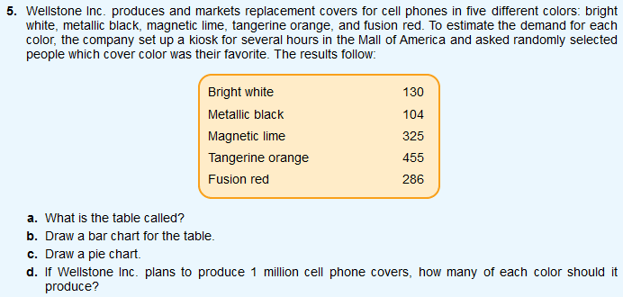

a. | a frequency table |  | Color | Responses | % of total
b. |  |  | Metallic black | 104 | 8%
 |  |  | Bright white | 130 | 10%
 |  |  | Fusion red | 286 | 22%
 |  |  | Magnetic lime | 325 | 25%
 |  |  | Tangerine orange | 455 | 35%
 |  |  |  | 1300 | 100%

c.
 |  | d. | Metallic black | 80,000
 |  |  | Bright white | 100,000
 |  |  | Fusion red | 220,000
 |  |  | Magnetic lime | 250,000
 |  |  | Tangerine orange | 350,000
 |  |  |  | 1,000,000

2-11
 |  |  |  |  |  | Step 4: | Tally the daily units produced into the classes and determine the number of observations in each class.

 |  |  |  |  |  | d. | Class # | Lower Limit | Upper Limit | Class Label | Count | Relative Frequency | Found By
 |  |  |  |  |  |  | 1 | 24.0 | 25.5 | 24.0 up to 25.5 | 2 | 0.143 | 2/14
 |  |  |  |  |  |  | 2 | 25.5 | 27.0 | 25.5 up to 27.0 | 4 | 0.286 | 4/14
 |  |  |  |  |  |  | 3 | 27.0 | 28.5 | 27.0 up to 28.5 | 8 | 0.571 | 8/14
 |  |  |  |  |  |  | 4 | 28.5 | 30.0 | 28.5 up to 30.0 | 0 | 0.000 | 0/14
 |  |  |  |  |  |  | 5 | 30.0 | 31.5 | 30.0 up to 31.5 | 2 | 0.143 | 2/14
 |  |  |  |  |  |  |  |  |  |  | 14 | 1.000
Daily Units Produced

Day | Units produced | Step 1: | Decide on the number of classes (k)
1 | 27 |  | k | 2^k
2 | 27 |  | 0 | 1
3 | 27 |  | 1 | 2
4 | 28 |  | 2 | 4
5 | 27 |  | 3 | 8
6 | 25 |  | 4 | 16
7 | 25 |  | 5 | 32
8 | 28 |  | 6 | 64
9 | 26 |  | 7 | 128
10 | 28 |  | 8 | 256
11 | 26 |  | 9 | 512
12 | 28 |  | 10 | 1024
13 | 31 |  | 11 | 2048 |  | e. | The shape of the distribution is right-tailed since most observations of daily unit production land on the low end of the range.
14 | 30 |  | 12 | 4096
15 | 26 |  | 13 | 8192
16 | 26 |  | k | 5
 |  | a. | We will use 5 classes
Min | 25 | Step 2: | Determine the class interval (i)
Max | 31 |  | Range / k | 1.2
Range | 6 |  | i | 1.5
Observations | 16 | b. | I would suggest an interval of 1.5
 |  | Step 3: | Set the individual class limits
 |  |  | Class | Lower Limit | Upper Limit
 |  |  | 1 | 24 | 25.5
 |  |  | 2 | 25.5 | 27
 |  |  | 3 | 27 | 28.5
 |  |  | 4 | 28.5 | 30
 |  |  | 5 | 30 | 31.5

 |  | c. | I would recommend a lower limit of 24 for the first class.

2-17
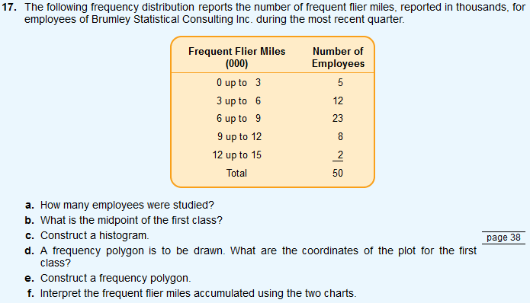
 |  |  |  |  |  | a. | 50
 |  |  |  |  |  | b. | 1500 mi
 |  |  |  |  |  | c.

 |  |  |  |  |  | d. | (1.5, 5)

 |  |  |  |  |  | e.

Lower | Upper | Frequent Flier Miles (000) | Midpoint | Number of Employees | Relative Frequency
0 | 3 | 0 up to 3 | 1.5 | 5 | 10.000
3 | 6 | 3 up to 6 | 4.5 | 12 | 24.000
6 | 9 | 6 up to 9 | 7.5 | 23 | 46.000
9 | 12 | 9 up to 12 | 10.5 | 8 | 16.000
12 | 15 | 12 up to 15 | 13.5 | 2 | 4.000
 |  | Total |  | 50 | 100.000

k | 5
i | 3
units | 1000

 |  |  |  |  |  | f. | The majority of employees have from 3,000 up to 12,000 frequent flier miles. Almost half have from 6,000 up to 9,000 miles. In general the frequent flier mile balances for these employees appears to be more or less normally distributed.

2-21
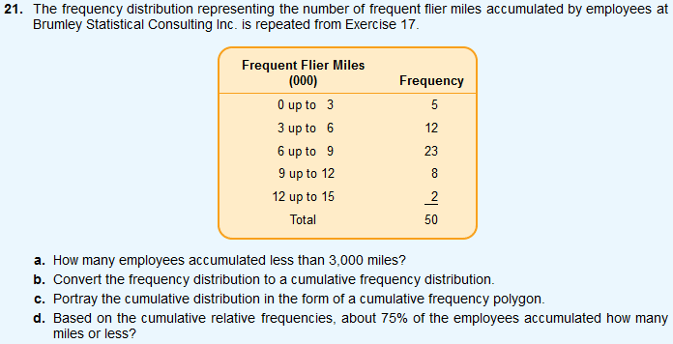
 |  |  |  |  |  | a. | 5
 |  |  |  |  |  | b. | Miles |  | CF | CRF
 |  |  |  |  |  |  |  | 0 | 0 | 0%
 |  |  |  |  |  |  | less than | 3 | 5 | 10%
 |  |  |  |  |  |  | less than | 6 | 17 | 34%
 |  |  |  |  |  |  | less than | 9 | 40 | 80%
 |  |  |  |  |  |  | less than | 12 | 48 | 96%
 |  |  |  |  |  |  | less than | 15 | 50 | 100%
 |  |  |  |  |  | c.

Lower | Upper | Frequent Flier Miles (000) | Midpoint | Number of Employees | Relative Frequency
0 | 3 | 0 up to 3 | 1.5 | 5 | 10.000
3 | 6 | 3 up to 6 | 4.5 | 12 | 24.000
6 | 9 | 6 up to 9 | 7.5 | 23 | 46.000
9 | 12 | 9 up to 12 | 10.5 | 8 | 16.000 | d. | about 75% of the employees accumulated 8,500 miles or less.
12 | 15 | 12 up to 15 | 13.5 | 2 | 4.000
 |  | Total |  | 50 | 100.000

k | 5
i | 3
units | 1000

2-29
 |  |  |  |  |  |  |  | Observation | Commute Time (min)
 |  |  |  |  |  |  |  | 1 | 28
 |  |  |  |  |  |  |  | 2 | 25
 |  |  |  |  |  |  |  | 3 | 48
 |  |  |  |  |  |  |  | 4 | 37
 |  |  |  |  |  |  |  | 5 | 41
 |  |  |  |  |  |  |  | 6 | 19
 |  |  |  |  |  |  |  | 7 | 32
 |  |  |  |  |  |  |  | 8 | 26
 |  |  |  |  |  |  |  | 9 | 16
 |  |  |  |  |  |  |  | 10 | 23
 |  |  |  |  |  |  |  | 11 | 23
Observations | 25 |  | Class# | Lower | Upper | Commute Time | Frequency | 12 | 29
Min | 16 |  | 1 | 15 | 22 | 15 up to 22 | 3 | 13 | 36
Max | 48 |  | 2 | 22 | 29 | 22 up to 29 | 8 | 14 | 31
Range | 32 |  | 3 | 29 | 36 | 29 up to 36 | 7 | 15 | 26
Class Count (k) | 5 |  | 4 | 36 | 43 | 36 up to 43 | 5 | 16 | 21
Interval (i) | 7 |  | 5 | 43 | 50 | 43 up to 50 | 2 | 17 | 32
 |  |  |  |  |  |  | 25 | 18 | 25
Step 1: | Decide on the number of classes (k) |  |  |  |  |  |  | 19 | 31
 | k | 2^k | d. |  |  |  |  | 20 | 43
 | 0 | 1 |  |  |  |  |  | 21 | 35
 | 1 | 2 |  |  |  |  |  | 22 | 42
 | 2 | 4 |  |  |  |  |  | 23 | 38
 | 3 | 8 |  |  |  |  |  | 24 | 33
 | 4 | 16 |  |  |  |  |  | 25 | 28
 | 5 | 32
 | 6 | 64
 | 7 | 128
 | 8 | 256
 | 9 | 512
 | 10 | 1024
 | 11 | 2048
 | 12 | 4096
 | 13 | 8192
a. | k | 5
Step 2: | Determine the class interval (i)
 | Range / k - 1 | 8 | e. | The histogram is somewhat normally distributed with most employees reporting commute times from 22 up to 36 minutes.
b. | i | 7
c. | 15

2-31
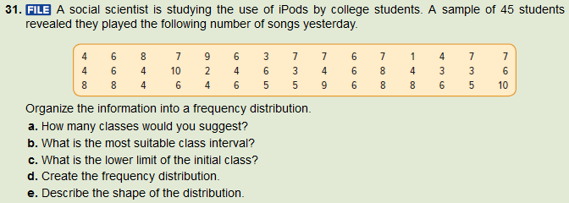
 |  |  |  |  |  |  | Class# | Lower | Upper | Class | Frequency | Relative Frequency
 |  |  |  |  |  |  | 1 | 0 | 2 | 0.0 up to 2.0 | 1 | 0.022
 |  |  |  |  |  |  | 2 | 2 | 4 | 2.0 up to 4.0 | 5 | 0.111
 |  |  |  |  |  |  | 3 | 4 | 6 | 4.0 up to 6.0 | 12 | 0.267
 |  |  |  |  |  |  | 4 | 6 | 8 | 6.0 up to 8.0 | 17 | 0.378
 |  |  |  |  |  |  | 5 | 8 | 10 | 8.0 up to 10.0 | 8 | 0.178
 |  |  |  |  |  |  | 6 | 10 | 12 | 10.0 up to 12.0 | 2 | 0.044
 |  |  |  |  |  |  |  |  |  |  | 45 | 1.000

observation | song_plays | observations (n) | 45 |  | a. | 6
1 | 4 | min | 1 |  | b. | 2
2 | 6 | max | 10 |  | c. | 0
3 | 8 | range | 9 |  | d.
4 | 7 | class count (k) | 6
5 | 9 | interval (i) | 2
6 | 6
7 | 3 | k | 2^k | 2^k >= n
8 | 7 | 0 | 1 | FALSE
9 | 7 | 1 | 2 | FALSE
10 | 6 | 2 | 4 | FALSE
11 | 7 | 3 | 8 | FALSE
12 | 1 | 4 | 16 | FALSE
13 | 4 | 5 | 32 | FALSE
14 | 7 | 6 | 64 | TRUE
15 | 7 | 7 | 128 | TRUE
16 | 4 | 8 | 256 | TRUE
17 | 6 | 9 | 512 | TRUE
18 | 4 | 10 | 1024 | TRUE
19 | 10 | 11 | 2048 | TRUE
20 | 2 | 12 | 4096 | TRUE
21 | 4 | 13 | 8192 | TRUE | e. | The frequency distribution is more or less symetrical with a high degree of consolidation in data points from 4 up to 8 plays.
22 | 6
23 | 3
24 | 4
25 | 6
26 | 8
27 | 4
28 | 3
29 | 3
30 | 6
31 | 8
32 | 8
33 | 4
34 | 6
35 | 4
36 | 6
37 | 5
38 | 5
39 | 9
40 | 6
41 | 8
42 | 8
43 | 6
44 | 5
45 | 10

2-37
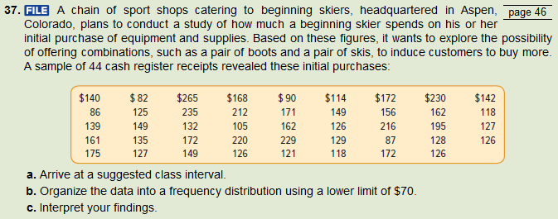
 |  |  |  |  |  |  | Class# | Lower | Upper | Class | Frequency | Relative Frequency | CF | RCF
 |  |  |  |  |  |  | 1 | 70 | 105 | $70.00 up to $105.00 | 4 | 0.091 | 4 | #DIV/0!
 |  |  |  |  |  |  | 2 | 105 | 140 | $105.00 up to $140.00 | 17 | 0.386 | 21 | #DIV/0!
 |  |  |  |  |  |  | 3 | 140 | 175 | $140.00 up to $175.00 | 14 | 0.318 | 35 | #DIV/0!
 |  |  |  |  |  |  | 4 | 175 | 210 | $175.00 up to $210.00 | 2 | 0.045 | 37 | #DIV/0!
 |  |  |  |  |  |  | 5 | 210 | 245 | $210.00 up to $245.00 | 6 | 0.136 | 43 | #DIV/0!
 |  |  |  |  |  |  | 6 | 245 | 280 | $245.00 up to $280.00 | 1 | 0.023 | 44 | #DIV/0!

 |  |  |  |  |  |  |  |  |  |  | 44 | 1.000

Transaction | Purchased ($) | observations (n) | 44 |  | a. | 35
1 | 140 | min | 82 |  | b.
2 | 82 | max | 265
3 | 265 | range | 183
4 | 168 | class count (k) | 7
5 | 90 | interval (i) | 35 | 26.142857143
6 | 114
7 | 172 | k | 2^k | 2^k >= n
8 | 230 | 0 | 1 | FALSE
9 | 142 | 1 | 2 | FALSE
10 | 86 | 2 | 4 | FALSE
11 | 125 | 3 | 8 | FALSE
12 | 235 | 4 | 16 | FALSE
13 | 212 | 5 | 32 | FALSE
14 | 171 | 6 | 64 | TRUE
15 | 149 | 7 | 128 | TRUE
16 | 156 | 8 | 256 | TRUE
17 | 162 | 9 | 512 | TRUE
18 | 118 | 10 | 1024 | TRUE
19 | 139 | 11 | 2048 | TRUE | c. | The distribution of initial purchases appears to be right-tailed with over half of the puchases totalling less than $175.
20 | 149 | 12 | 4096 | TRUE
21 | 132 | 13 | 8192 | TRUE
22 | 105
23 | 162
24 | 126
25 | 216
26 | 195
27 | 127
28 | 161
29 | 135
30 | 172
31 | 220
32 | 220
33 | 129
34 | 87
35 | 128
36 | 126
37 | 175
38 | 127
39 | 149
40 | 126
41 | 126
42 | 118
43 | 172
44 | 126

2-45
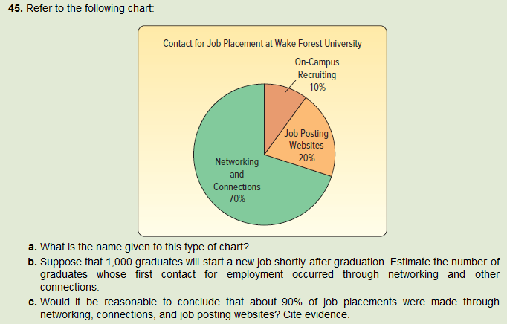

a. | Pie Chart
b. | 700
c. | Per the pie chart, 70% and 20% of contact for job placement is made through Networking and Connections and Job Posting Websites. While that does indicate that 90% of contact about job placements comes through these channels, we have no evidence to conclude that these channels ultimately account for 90% of actual placements.

