Notes
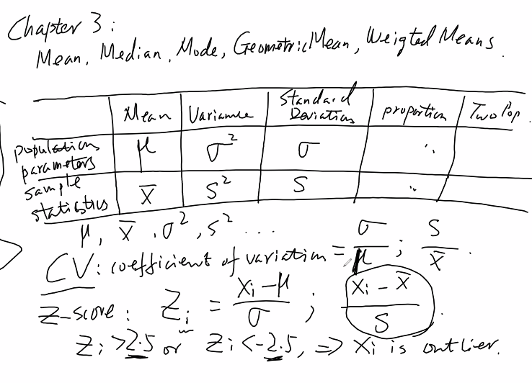

3.77
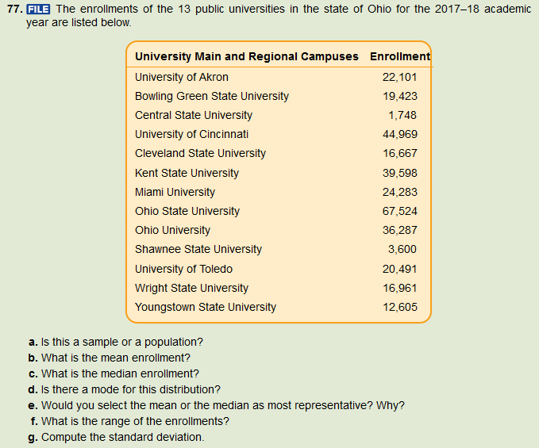
 |  |  |  | College | Enrollment | Each Val - Mean | Sq. Deviation
 |  |  |  | University of Akron | 22,101 | (2,996) | 8,974,172
 |  |  |  | Bowling Green State University | 19,423 | (5,674) | 32,190,784
 |  |  |  | Central State University | 1,748 | (23,349) | 545,161,432
 |  |  |  | University of Cincinnati | 44,969 | 19,872 | 394,908,613
 |  |  |  | Cleveland State University | 16,667 | (8,430) | 71,059,712
 |  |  |  | Kent State University | 39,598 | 14,501 | 210,287,925
 |  |  |  | Miami University | 24,283 | (814) | 662,095
 |  |  |  | Ohio State University | 67,524 | 42,427 | 1,800,076,438
 |  |  |  | Ohio University | 36,287 | 11,190 | 125,222,986
 |  |  |  | Shawnee State University | 3,600 | (21,497) | 462,107,780
 |  |  |  | University of Toledo | 20,491 | (4,606) | 21,212,402
 |  |  |  | Wright State University | 16,961 | (8,136) | 66,189,489
 |  |  |  | Youngstown State University | 12,605 | (12,492) | 156,042,377
 |  |  |  |  |  | Sum of Sq. Deviation | 3,894,096,207
 |  |  |  |  |  | Population Variance | 299,545,862

a. | population
b. | 25,097
c. | 20,491
d. | No Mode
e. | I would use the median because of the existence of significant outliers in the data.
f. | 65,776
g. | 17,307.39 | or | 17,307.39

