4.25
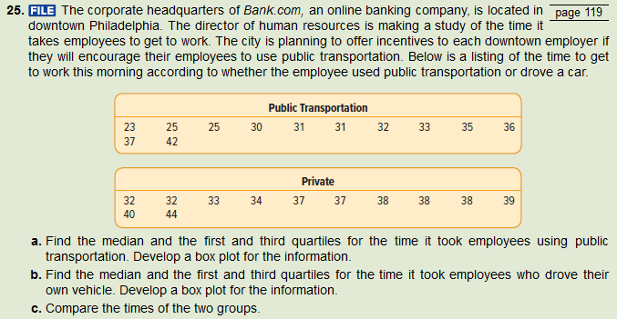

 |  |  |  | a | b
public | private | Quartiles |  | public | private
23 | 32 | 0 | min | 23 | 32
25 | 32 | 1 | first | 28.75 | 33.75
25 | 33 | 2 | median | 31.5 | 37.5
30 | 34 | 3 | third | 35.25 | 38.25
31 | 37 | 4 | max | 42 | 44
31 | 37
32 | 38 | c | Public transport appears to have a wider variariability to it but in general seems to result in shorter commute times. Private transport, while more consistent seems to take longer. Our data for public transport is positively skewed while private transport data is negatively skewed.
33 | 38
35 | 38
36 | 39
37 | 40
42 | 44

4.29
 |  |  |  | a |  |  |  | b |  |  |  | c

Shape | Size (carats) | Price | Cut Grade
Princess | 5.03 | $44,312 | Ideal cut |  |  |  |  |  |  |  |  |  | There is a direct association between price and size.
Round | 2.35 | $20,413 | Premium cut
Round | 2.03 | $13,080 | Ideal cut |  |  |  |  |  |  |  |  | d | Count of Size (carats) | Column Labels
Round | 1.56 | $13,925 | Ideal cut |  |  |  |  |  |  |  |  |  | Row Labels | Average cut | Good cut | Ideal cut | Premium cut | Ultra ideal cut | Grand Total
Round | 1.21 | $7,382 | Ultra ideal cut |  |  |  |  |  |  |  |  |  | Oval |  |  |  | 1 |  | 1
Round | 1.21 | $5,154 | Average cut |  |  |  |  |  |  |  |  |  | Emerald |  |  | 1 |  |  | 1
Round | 1.19 | $5,339 | Premium cut |  |  |  |  |  |  |  |  |  | Marquise |  | 2 |  | 1 |  | 3
Emerald | 1.16 | $5,161 | Ideal cut |  |  |  |  |  |  |  |  |  | Princess | 1 |  | 2 | 2 |  | 5
Round | 1.08 | $8,775 | Ultra ideal cut |  |  |  |  |  |  |  |  |  | Round | 1 | 3 | 3 | 13 | 3 | 23
Round | 1.02 | $4,282 | Premium cut |  |  |  |  |  |  |  |  |  | Grand Total | 2 | 5 | 6 | 17 | 3 | 33
Round | 1.02 | $6,943 | Ideal cut |  |  |  |  |  |  |  |  |  | Most common
Marquise | 1.01 | $7,038 | Good cut |  |  |  |  |  |  |  |  |  | cut | Premium
Princess | 1.00 | $4,868 | Premium cut |  |  |  |  |  |  |  |  |  | shape | Round
Round | 0.91 | $5,106 | Premium cut |  |  |  |  |  |  |  |  |  | combo | Round Premium
Round | 0.90 | $3,921 | Good cut
Round | 0.90 | $3,733 | Premium cut
Round | 0.84 | $2,621 | Premium cut
Round | 0.77 | $2,828 | Ultra ideal cut
Oval | 0.76 | $3,808 | Premium cut
Princess | 0.71 | $2,327 | Premium cut
Marquise | 0.71 | $2,732 | Good cut
Round | 0.70 | $1,915 | Premium cut
Round | 0.66 | $1,885 | Premium cut
Round | 0.62 | $1,397 | Good cut
Round | 0.52 | $2,555 | Premium cut
Princess | 0.51 | $1,337 | Ideal cut
Round | 0.51 | $1,558 | Premium cut |  | Outliers | $13,136 | Yes |  | Outliers | 2.02 | Yes
Round | 0.45 | $1,191 | Premium cut |  | Median | $3,733 |  |  | Median | 0.84
Princess | 0.44 | $1,319 | Average cut |  | First | $1,478 |  |  | First | 0.52
Marquise | 0.44 | $1,319 | Premium cut |  | Third | $6,141 |  |  | Third | 1.12
Round | 0.40 | $1,133 | Premium cut
Round | 0.35 | $1,354 | Good cut
Round | 0.32 | $896 | Premium cut

