5.21
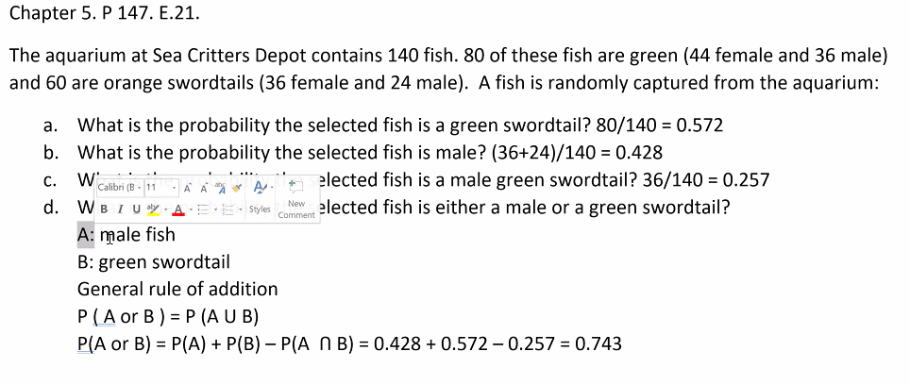
 |  | female | male
 | green | 44 | 36 | 80
 | orange | 36 | 24 | 60
 |  | 80 | 60 | 140
a | 0.5714
b | 0.4286
c | 0.2571
d | 0.7429

5.43
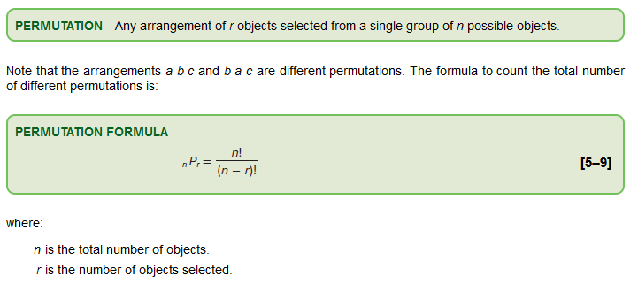
n | 5
r | 5

 | 120

5.62
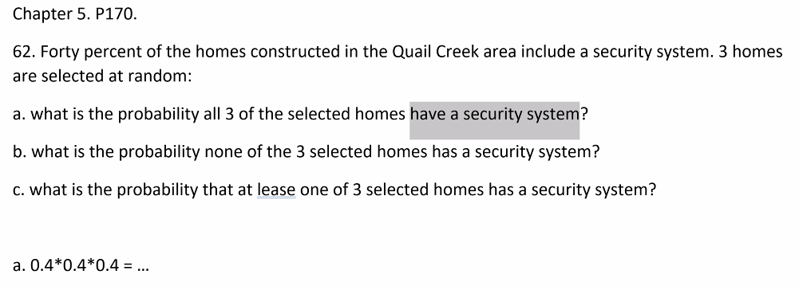

a | 0.064
b | 0.216
c | 0.784

5.63
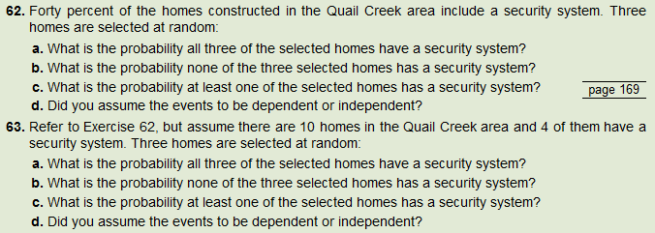

 | have sec sys
 | yes | 4 | 0.4
 | no | 6 | 0.6
 |  | 10

a | 0.0333 | P(S1 and S2 and S3) = P(S1)*P(S2|S1)*P(S3|S1 and S2)
 |  | 4 | 3 | 2
 |  | 10 | 9 | 8
 |  | 0.4 | 0.33333333333 | 0.25 | 0.033333333333
b | 0.1667 | P(N1 and N2 and N3) = P(N1)*P(N2|N1)*P(N3|N1 and N2)
 |  | 6 | 5 | 4
 |  | 10 | 9 | 8
 |  | 0.6 | 0.55555555556 | 0.5 | 0.16666666667
c | 0.8333 | 1 - P(N1 and N2 and N3)
d | dependent

Lecture Example2
