Main sheet
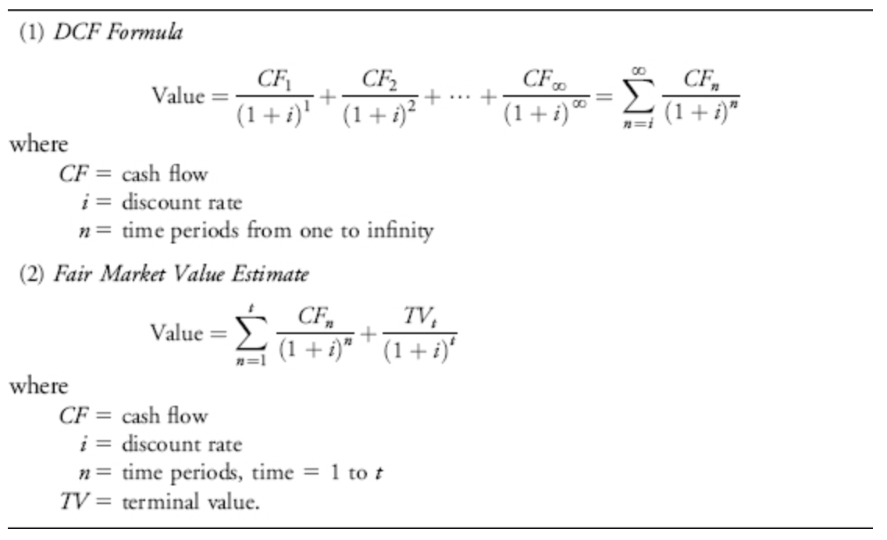
Learning Finance
 |  |  | REMEMBER:
DCF Template |  |  | Write ONLY in the cells with this color
 |  |  | When you type ''1'' it means 1 Billion

 |  |  | Remembers: Copy & Paste special : Values and Number formatting
 |  |  | Step 1: Find the historical data
 |  |  | Step 2: Find the forecast from websites
 |  |  | Step3: Predict the growth rate in cell O46,O47
 |  |  | Step4: Predict the Net Margins using the AVG from J36 as guide in E48 to L48
 |  |  | Step5: Predict the FCF to Net Income using the AVG from J37 as guide in E49 to L49
Ticker Symbol | APPL |  | Step6: Copy the FCF(Equity) from E50 to L50 >>>> G59 to N59
 |  |  | Step 7 : Input number of shares in F63
 |  |  | Step 8: Make change of the growth in cell O46 and O47 >>> copy the FCF for bull and bear case to the scenarios

 | (HISTORICAL)

 | 2016 | 2017 | 2018 | 2019 | 2020
Operating CF | 65,824 | 63,598 | 77,434 | 69,391 | 80,674
CAPEX | -13,548 | -12,795 | -13,313 | -10,495 | -7,309
FCF (Equity) | 52276 | 50803 | 64121 | 58896 | 73365

Revenue | 215,639 | 229,234 | 265,595 | 260,174 | 274,515
Net Income | 45,687 | 48,351 | 59,531 | 55,256 | 57,411
 |  |  |  |  |  | AVG
Net Income Margin | 21.19% | 21.09% | 22.41% | 21.24% | 20.91% | 21.37%
FCF/Net Income | 114.42% | 105.07% | 107.71% | 106.59% | 127.79% | 112.32%
Revenue Growth |  | 6.30% | 15.86% | -2.04% | 5.51% | 6.41%

 | (FORECAST)

 | 2021E | 2022E | 2023E | 2024E | 2025E | 2026E | 2027E | 2028E |  |  | Growth rate normal case
Revenue | 315690.000 | 332690.000 | 365959.000 | 402554.900 | 442810.390 | 473807.117 | 506973.616 | 542461.769 |  | 2023-2025 | 10%
Net Income | 67459.876 | 71092.611 | 78201.872 | 86022.059 | 94624.265 | 101247.963 | 108335.321 | 115918.793 |  | 2025-2028 | 7%
Net Margins | 21.37% | 21.37% | 21.37% | 21.37% | 21.37% | 21.37% | 21.37% | 21.37%
FCF/Net Income | 112.32% | 112.32% | 112.32% | 112.32% | 112.32% | 112.32% | 112.32% | 112.32%
FCF (Equity) | 75768.259 | 79848.403 | 87833.243 | 96616.567 | 106278.224 | 113717.700 | 121677.939 | 130195.394

Normal Case
 |  | Discounted Free Cash Flow Valuation |  |  |  |  |  |  |  |  |  | Requirements
 |  | Today | 2021E | 2022E | 2023E | 2024E | 2025E | 2026E | 2027E | 2028E | Terminal value | Rate of return | 8.5%
 |  |  |  |  |  |  |  |  |  |  |  | Perpetual Growth | 2.50%
Free cash flow |  |  | 75768.259 | 79848.403 | 90228.695 | 101958.425 | 115213.021 | 126734.323 | 139407.755 | 153348.530 | 2619704.062
Discount factor |  |  | 1.0416333328 | 1.1301721661 | 1.2262368002 | 1.3304669282 | 1.4435566171 | 1.5662589296 | 1.6993909386 | 1.8438391684 | 1.8438391684
PV of futures cash flow |  |  | 72739.856767 | 70651.5388 | 73581.786953 | 76633.566135 | 79811.916804 | 80915.307359 | 82033.952161 | 83168.062099 | 1420787.7275
Today's company value |  | 2040323.715
Total shares outstanding |  | 16820.000
Fair Value |  | $121.30

Bull Case
 |  | Discounted Free Cash Flow Valuation |  |  |  |  |  |  |  |  |  | Requirements
 |  | Today | 2021E | 2022E | 2023E | 2024E | 2025E | 2026E | 2027E | 2028E | Terminal value | Rate of return | 8.5%
 |  |  |  |  |  |  |  |  |  |  |  | Perpetual Growth | 2.50%
Free cash flow |  |  | 75768.259 | 79848.403 | 91825.663 | 105599.512 | 121439.439 | 134797.778 | 149625.533 | 166084.342 | 2837274.174
Discount factor |  |  | 1.0416333328 | 1.1301721661 | 1.2262368002 | 1.3304669282 | 1.4435566171 | 1.5662589296 | 1.6993909386 | 1.8438391684 | 1.8438391684
PV of futures cash flow |  |  | 72739.856767 | 70651.5388 | 74884.119465 | 79370.264871 | 84125.165531 | 86063.533401 | 88046.564124 | 90075.2868 | 1538786.1495
Today's company value |  | 2184742.479
Total shares outstanding |  | 16820.000
Fair Value |  | $129.89

Bear Case
 |  | Discounted Free Cash Flow Valuation |  |  |  |  |  |  |  |  |  | Requirements
 |  | Today | 2021E | 2022E | 2023E | 2024E | 2025E | 2026E | 2027E | 2028E | Terminal value | Rate of return | 8.5%
 |  |  |  |  |  |  |  |  |  |  |  | Perpetual Growth | 2.50%
Free cash flow |  |  | 75768.259 | 79848.403 | 87833.243 | 96616.567 | 106278.224 | 113717.700 | 121677.939 | 130195.394 | 2224171.319
Discount factor |  |  | 1.0416333328 | 1.1301721661 | 1.2262368002 | 1.3304669282 | 1.4435566171 | 1.5662589296 | 1.6993909386 | 1.8438391684 | 1.8438391684
PV of futures cash flow |  |  | 72739.856767 | 70651.5388 | 71628.288184 | 72618.541016 | 73622.48398 | 72604.66162 | 71600.910538 | 70611.036199 | 1206271.8684
Today's company value |  | 1782349.186
Total shares outstanding |  | 16820.000
Fair Value |  | $105.97

 | Probability | Fair Price
Normal | 0.6 | $121.30
Bull | 0.2 | $129.89
Bear | 0.2 | $105.97
 | 1

Average Fair Price | $119.95

step1
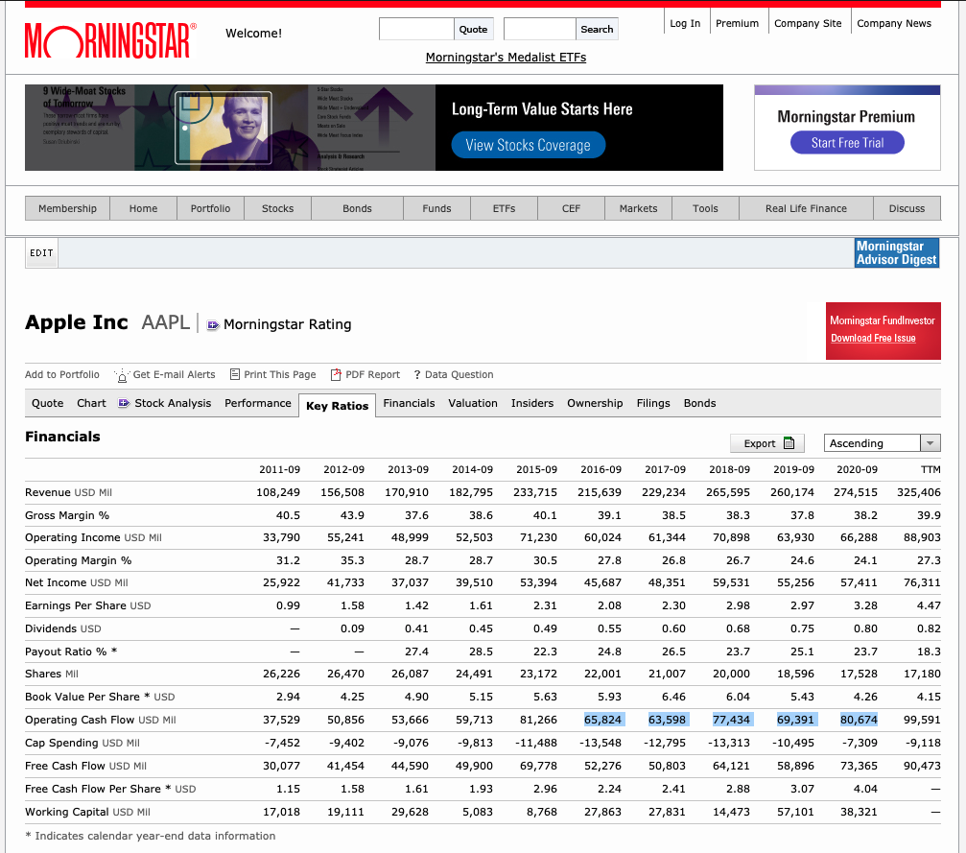
Step 1: find the historical data
http://financials.morningstar.com/ratios/r.html?t=AAPL&region=usa&culture=en-US

step2
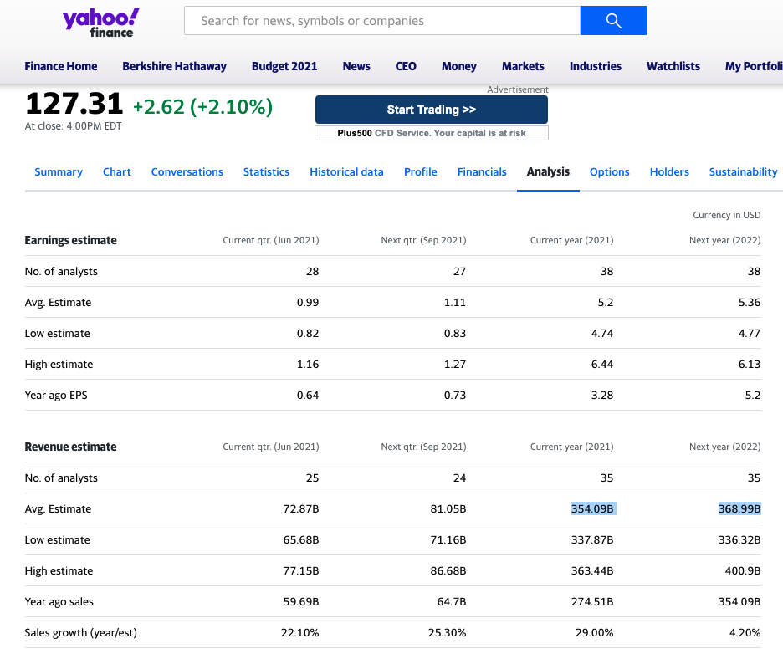
Step 2: find the analyst forecast
we can have more than one website here
https://sg.finance.yahoo.com/quote/AAPL/analysis?p=AAPL

step7
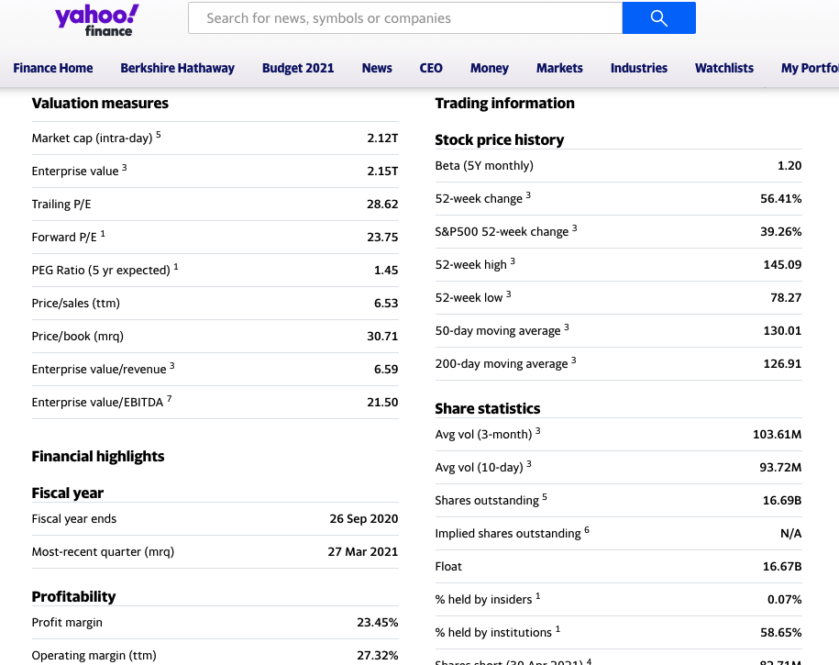
Get share outstanding

