Summary
 | # DYN | LambdaV | MCS | slope (pixel^2/MCS) | intersection | R^2 | start idx | end idx
1 | 24 | 5 | 1.00E+06 | 0.0554193748079717 | 39,002.5732875658 | 0.993 | 1006 | 7281
2 | 24 | 5 | 1.00E+06 | 0.0542235346376380 | 13,419.1944076764 | 0.997 | 749 | 9749
3 | 24 | 5 | 1.00E+06 | 0.0648026482790558 | 30,278.1041219277 | 0.992 | 1737 | 4737
4 | 1 | 5 | 1.00E+06 | 0.0279860485119249 | 89.6797491254764 | 0.984 | 0 | 3000
5 | 1 | 5 | 1.00E+06 | 0.204284092638034 | 12,569.0703799539 | 0.984 | 132 | 3636
6 | 1 | 100 | 2.50E+05 | 0.00126590736925518 | -14.1844358609295 | 0.988 | 0 | 2349
7 | 1 | 20 | 2.50E+05 | 0.0423160998241342 | -323.307792683305 | 0.994 | 0 | 2000
8 | 24 | 20 | 2.50E+05 | 0.0766816556623618 | 14,436.1689117639 | 0.896 | 120 | 2500

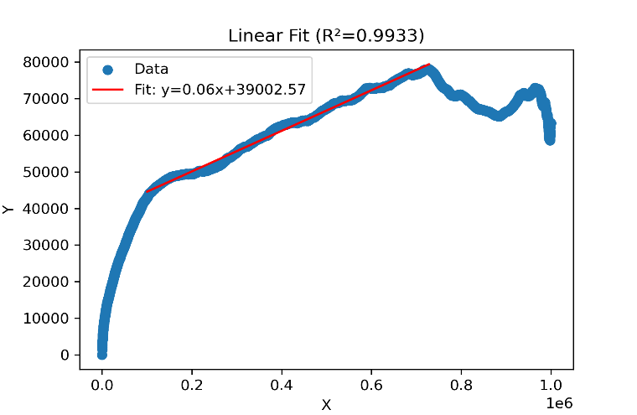
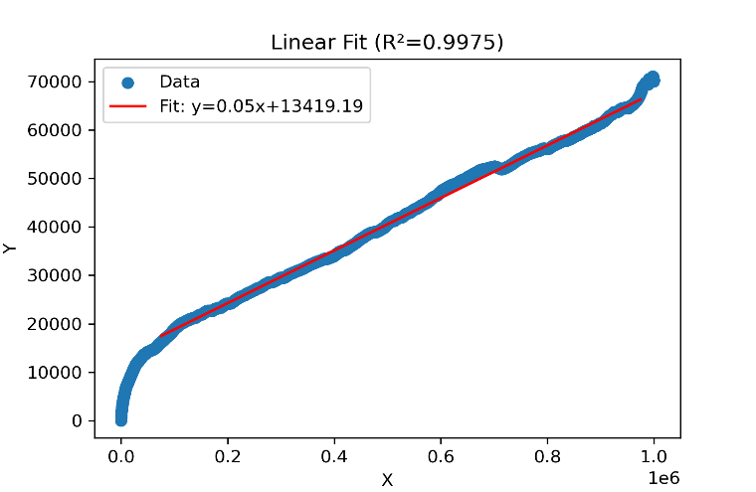
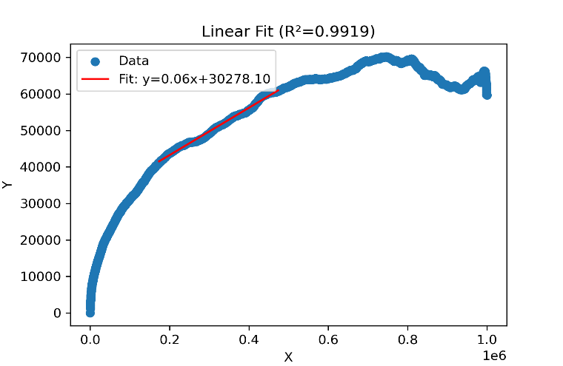
1 |  |  |  |  | 2 |  |  |  | 3

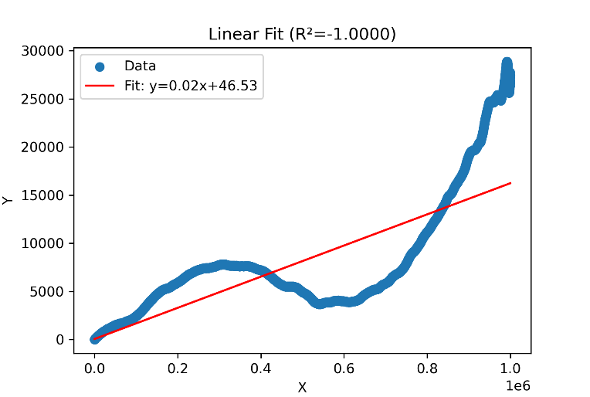
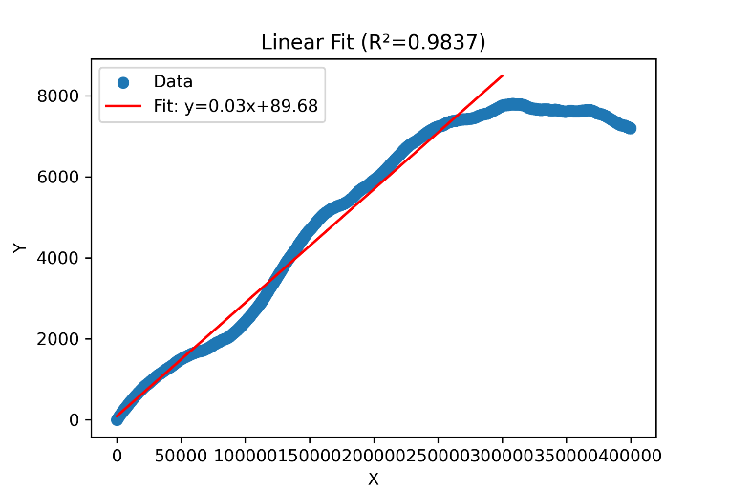
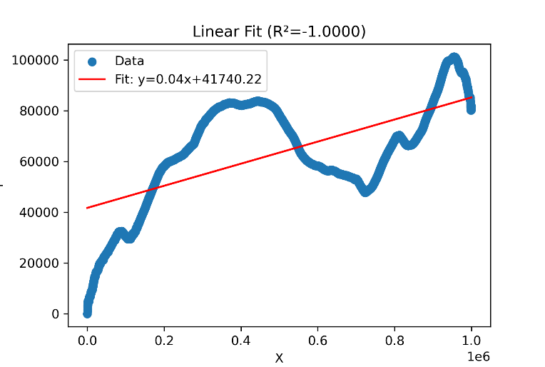
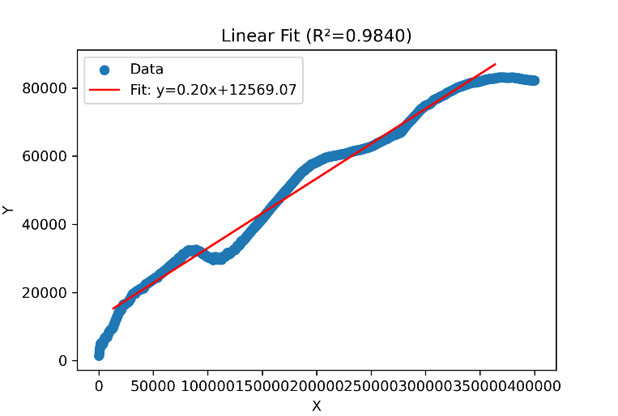
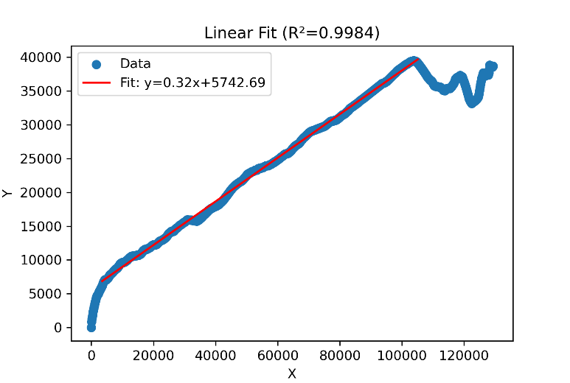
4 |  |  |  |  |  |  |  | 5

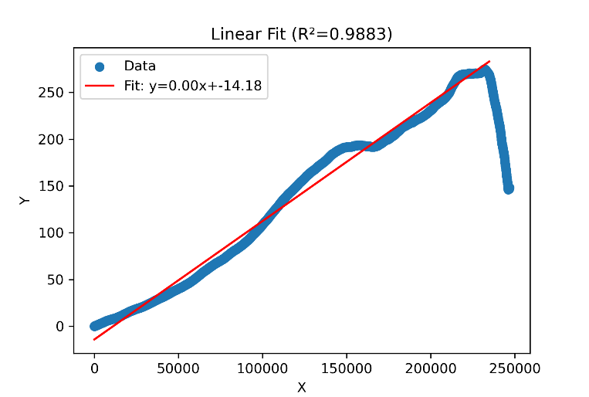
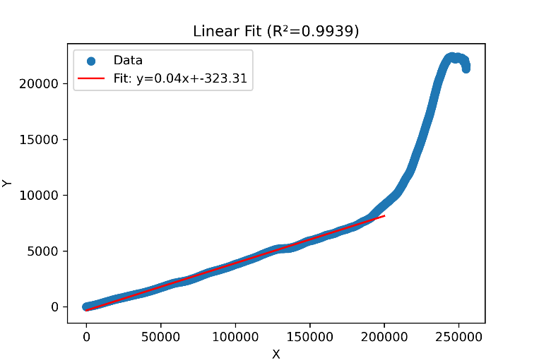
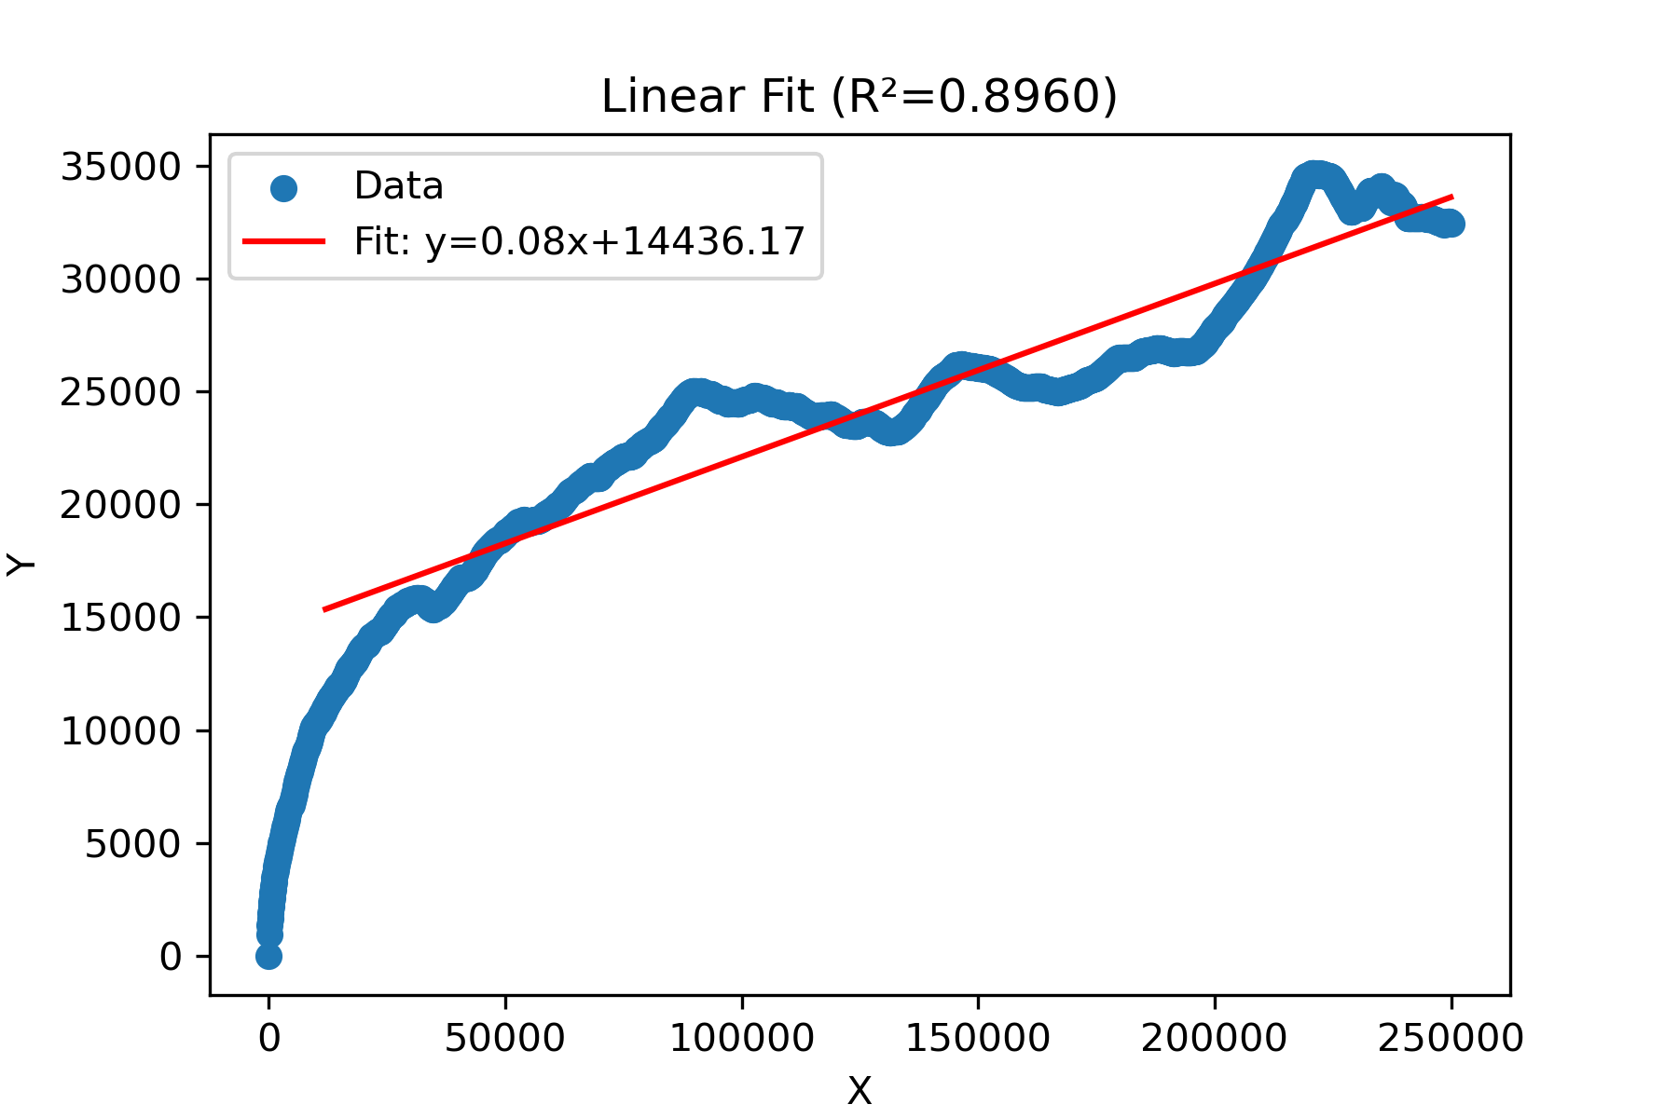
6 |  |  |  |  | 7 |  |  |  | 8

