Summary
 | # DYN | LambdaV | MCS | slope (pixel^2/MCS) | intersection | R^2 | start idx | end idx | Truncated | # DYN | LambdaV | MCS | slope (pixel^2/MCS) | intersection | R^2 | start idx | end idx
1 | 24 | 5 | 1.00E+06 | 0.0554193748079717 | 39,002.5732875658 | 0.993 | 1006 | 7281 | 1 | 24 | 5 | 1.00E+06 | 0.0579780979788938 | 38239.4955119905 | 0.984 | 942 | 5000
2 | 24 | 5 | 1.00E+06 | 0.0542235346376380 | 13,419.1944076764 | 0.997 | 749 | 9749 | 2 | 24 | 5 | 1.00E+06 | 0.0515078293584532 | 14,020.9319451874 | 0.998 | 960 | 4960
3 | 24 | 5 | 1.00E+06 | 0.0648026482790558 | 30,278.1041219277 | 0.992 | 1737 | 4737 | 3 | 24 | 5 | 1.00E+06 | 0.0713388034150334 | 27,769.2190179514 | 0.981 | 1000 | 5000
4 | 1 | 5 | 1.00E+06 | 0.0279860485119249 | 89.6797491254764 | 0.984 | 0 | 3000 | 4 | 1 | 5 | 1.00E+06 | 0.0210552536227806 | 904.8790689833940 | 0.903 | 0 | 4000
5 | 1 | 5 | 1.00E+06 | 0.204284092638034 | 12,569.0703799539 | 0.984 | 132 | 3636 | 5 | 1 | 5 | 1.00E+06 | 0.197866292850770 | 12,912.9714244885 | 0.977 | 2 | 4002
6 | 1 | 100 | 2.50E+05 | 0.00126590736925518 | -14.1844358609295 | 0.988 | 0 | 2349 | 6 | 1 | 100 | 2.50E+05 | 0.00126950118854726 | -16.9814433260245 | 0.97 | 50 | 1250
7 | 1 | 20 | 2.50E+05 | 0.0423160998241342 | -323.307792683305 | 0.994 | 0 | 2000 | 7 | 1 | 20 | 2.50E+05 | 0.0399182394381728 | -183.5778702581170 | 0.995 | 0 | 1250
8 | 24 | 20 | 2.50E+05 | 0.0766816556623618 | 14,436.1689117639 | 0.896 | 120 | 2500 | 8 | 24 | 20 | 2.50E+05 | 0.1550203354009020 | 10,585.0992253188 | 0.992 | 155 | 955

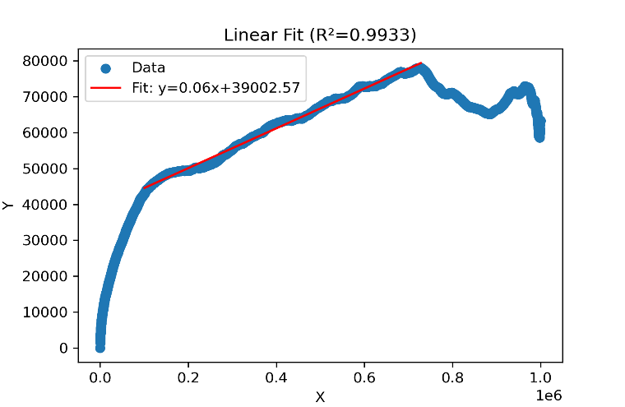
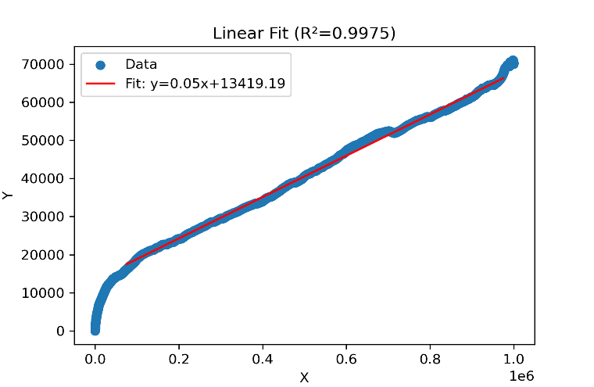
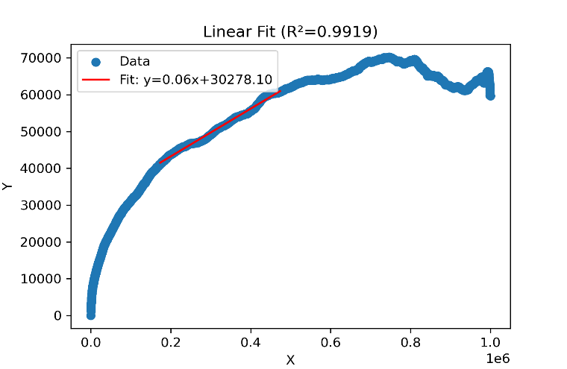
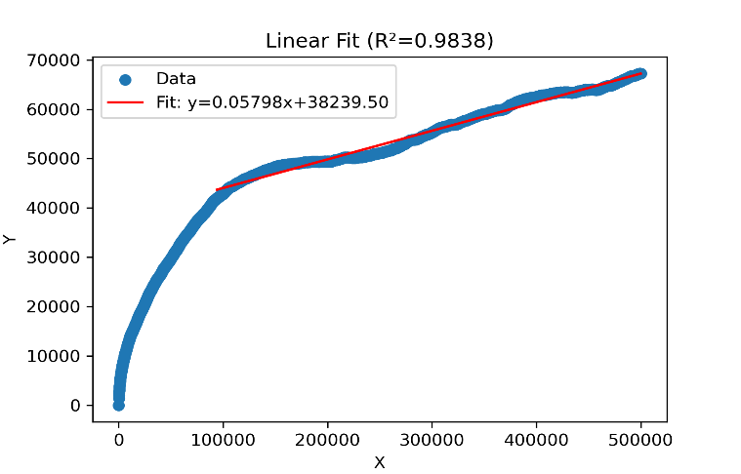
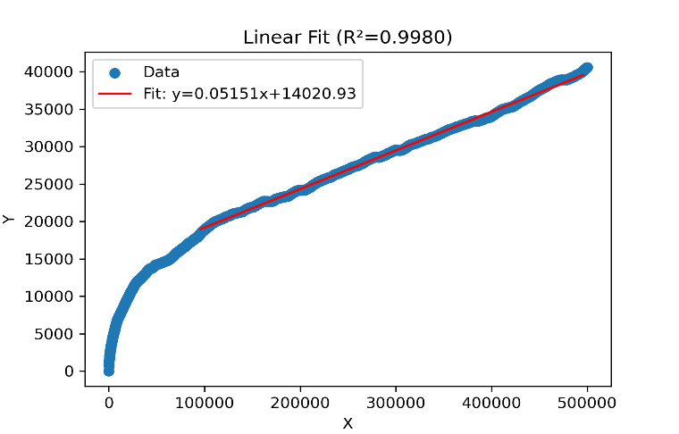
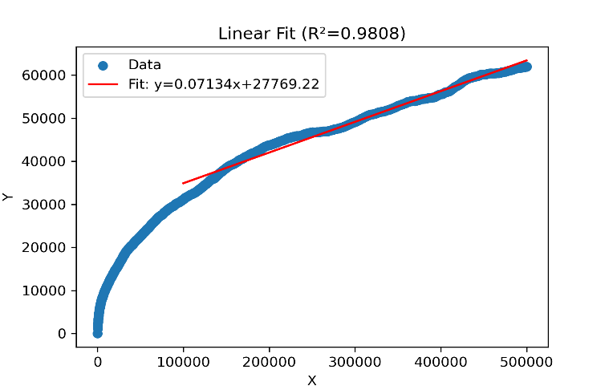
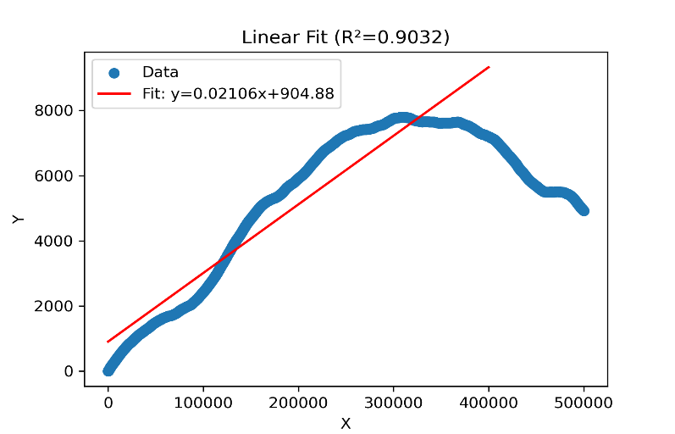
1 |  |  |  |  | 2 |  |  |  |  | 3 |  |  |  |  | Truncated 1 |  |  |  | Truncated 2 |  | Truncated 3 |  | Truncated 4

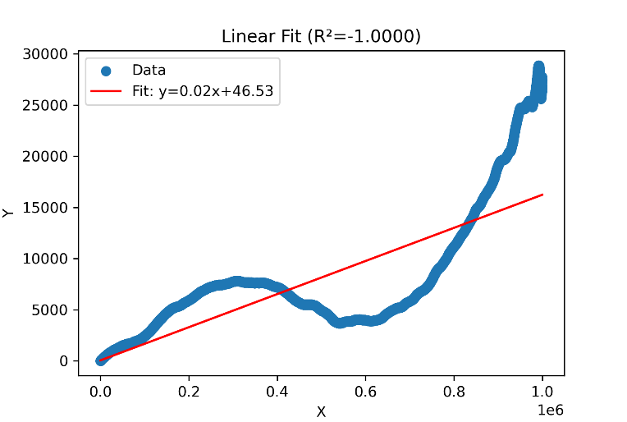
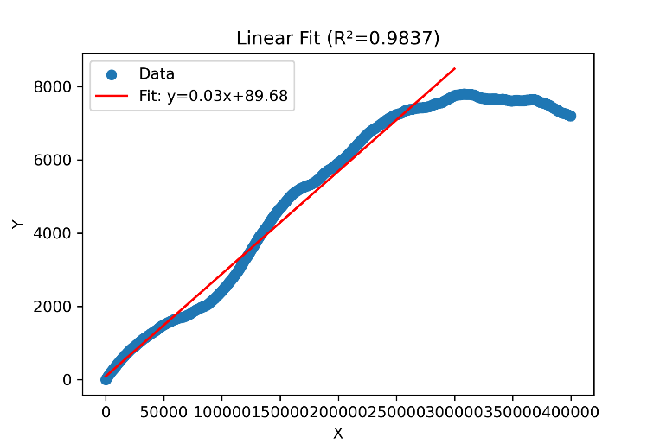
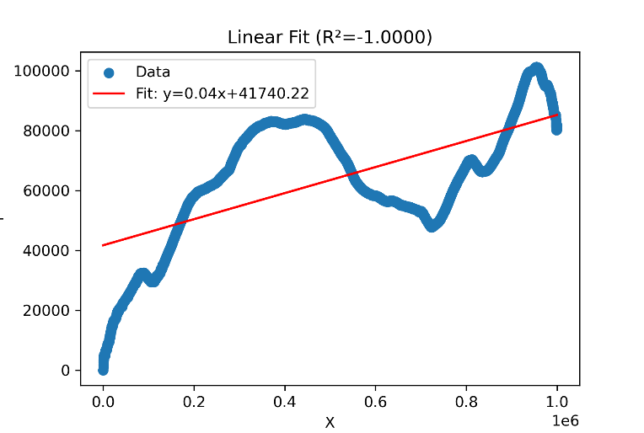
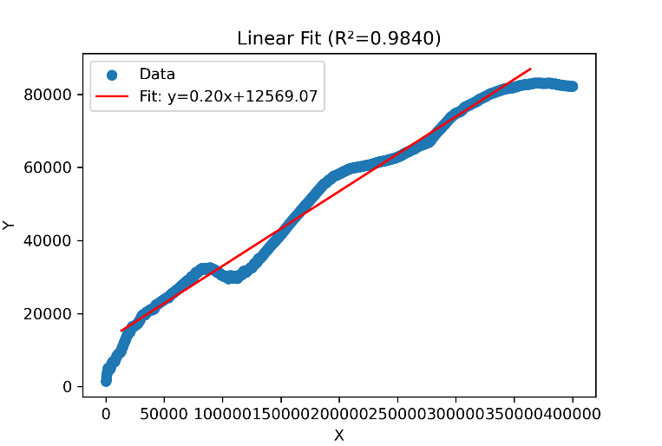
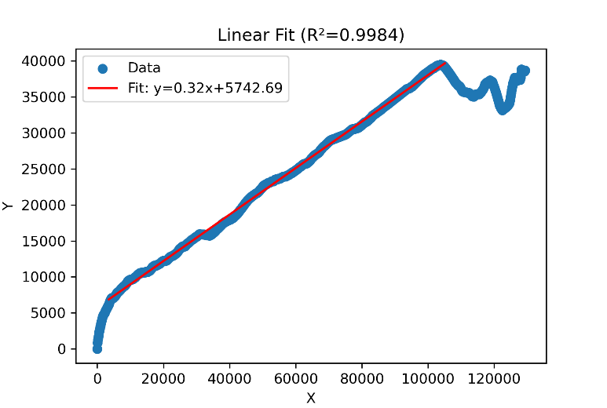
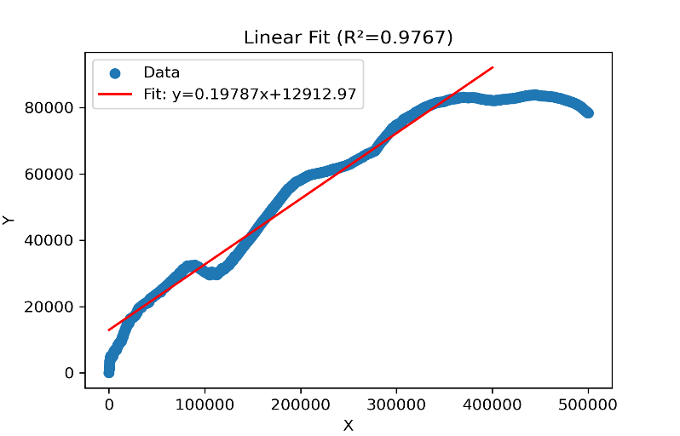
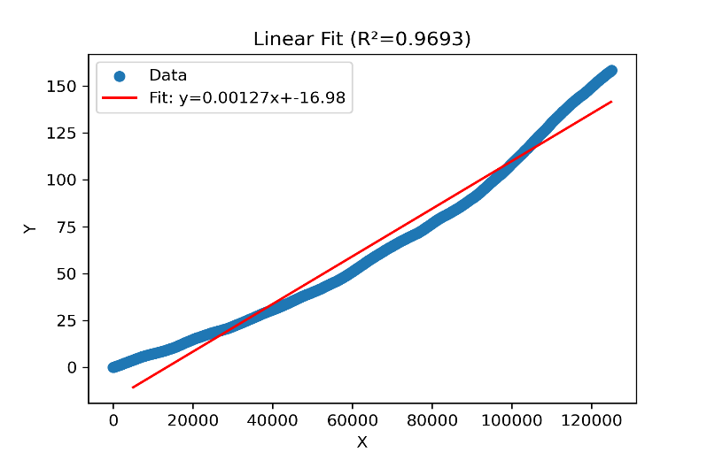
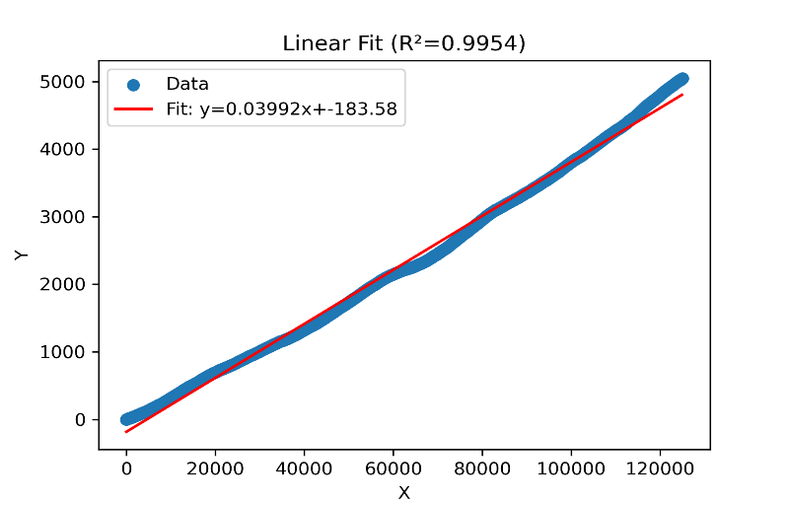
4 |  |  |  |  |  |  |  | 5 |  |  |  |  |  |  |  |  |  | Truncated 5 |  | Truncated 6 |  | Truncated 7

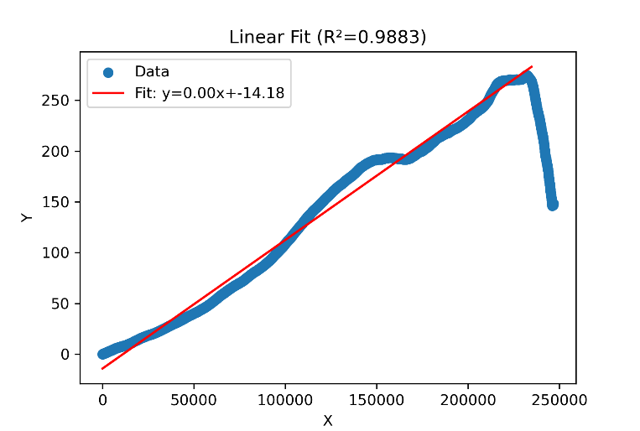
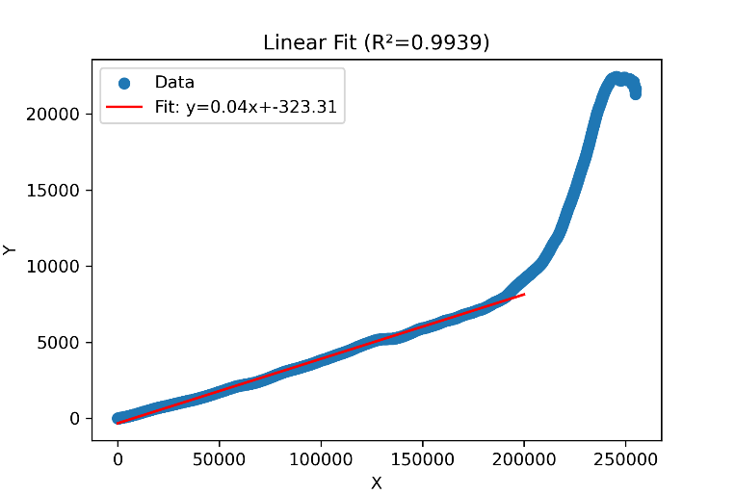
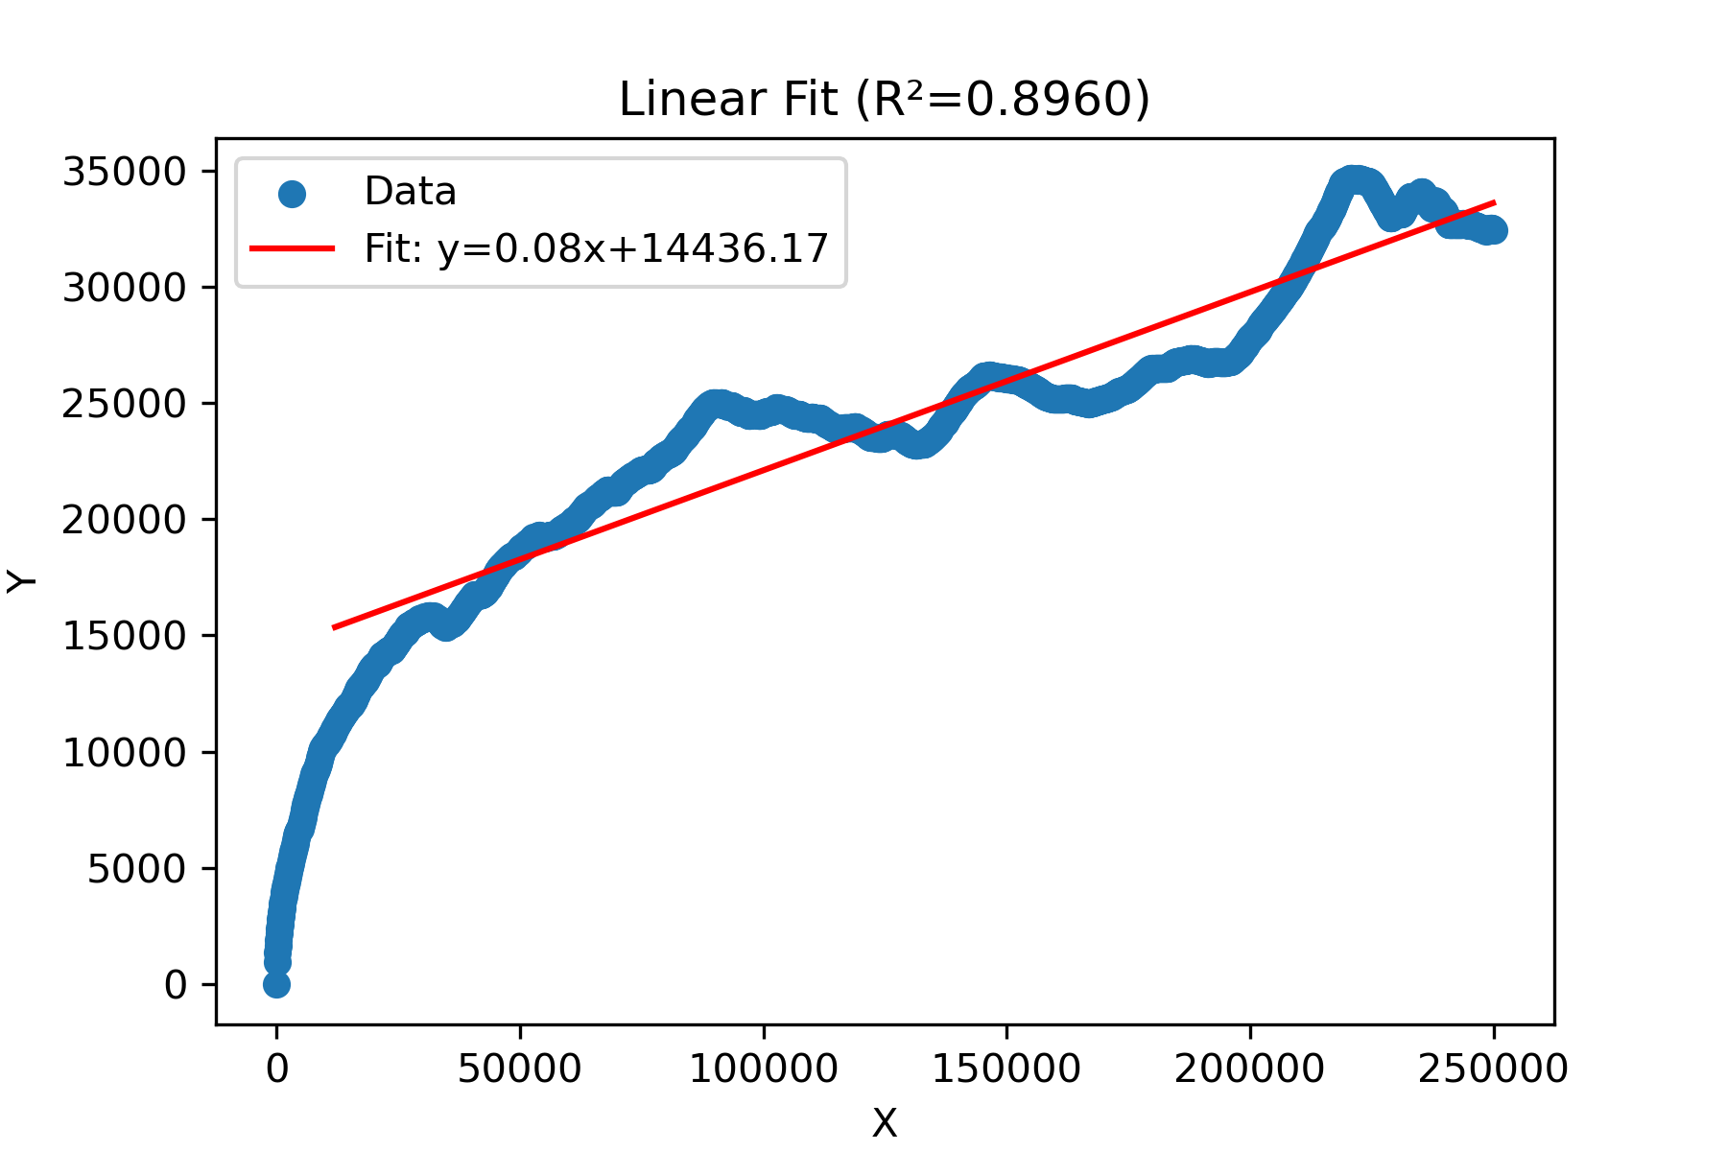
6 |  |  |  |  | 7 |  |  |  |  | 8

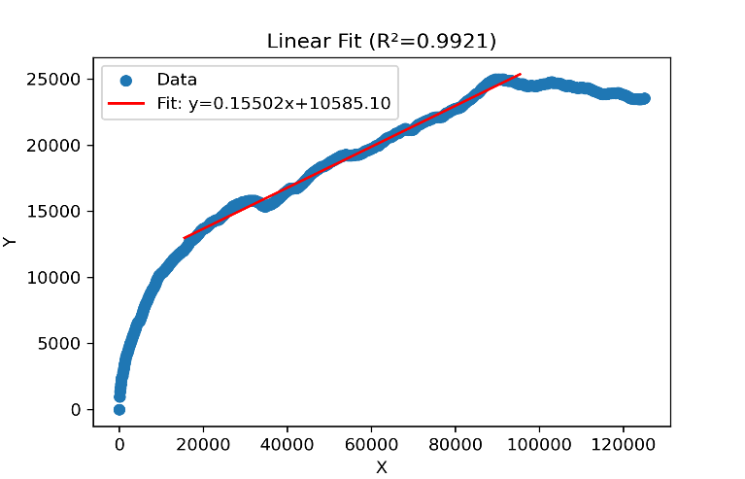
 |  |  |  |  |  |  |  |  |  |  |  |  |  |  |  |  |  | Truncated 8

