Stats dashboard
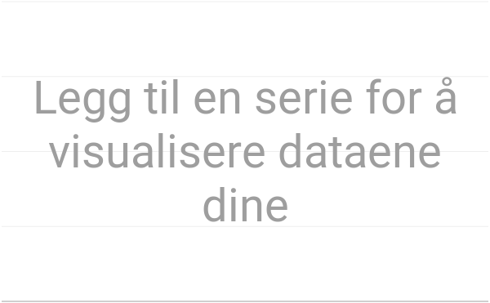
Antall bøker etter språk

hvilken sjanger vi har mest av

Antall bøker etter forfatter
Bøker etter forfatter

Bøker etter forfatter

Bøker etter forfatter

Antall bøker
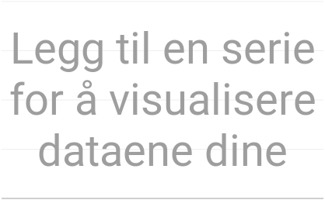

Bøker lest (Sara)
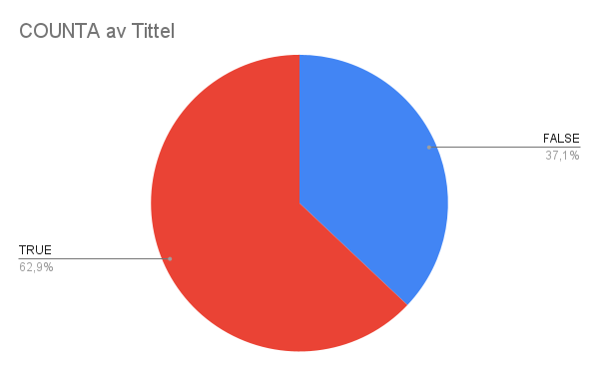
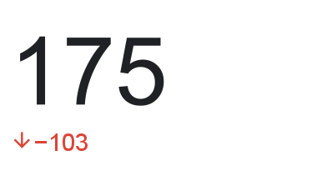
Totalt prosentandel lest=

Antall bøker etter språk
Antall bøker etter språk

