AccuracyAssessmentStatistics
User Class \ Sample;Water;Buildings/Urban;Agricultural;Forest/Scrub;Edge;Roads/Railroad;Sum; | Classification Accuracy
Water;1;0;0;0;0;0;1 | Confusion Matrix
Buildings/Urban;0;20;2;1;0;0;23 | Sample Class | Water | Buildings/Urban | Agricultural | Forest/Scrub | Edge | Roads/RR | Sum
Agricultural;0;0;69;2;0;2;73 | Water | 1 | 0 | 0 | 0 | 0 | 0 | 1
Forest/Scrub;1;3;12;222;0;6;244 | Buildings/Urban | 0 | 20 | 2 | 1 | 0 | 0 | 23
Edge;0;0;0;0;0;0;0 | Agricultural | 0 | 0 | 69 | 2 | 0 | 2 | 73
Roads/Railroad;0;0;0;4;0;11;15 | Forest/Scrub | 1 | 3 | 12 | 222 | 0 | 6 | 244
Sum;2;23;83;229;0;19 | Edge | 0 | 0 | 0 | 0 | 0 | 0 | 0
 | Roads/Railroad | 0 | 0 | 0 | 4 | 0 | 11 | 15
Producer;0.5;0.869565217391304;0.831325301204819;0.96943231441048;undefined;0.578947368421053 | Sum | 2 | 23 | 83 | 229 | 0 | 19
User;1;0.869565217391304;0.945205479452055;0.909836065573771;undefined;0.733333333333333
Hellden;0.666666666666667;0.869565217391304;0.884615384615385;0.938689217758985;undefined;0.647058823529412 | Accuracy Metrics
Short;0.5;0.769230769230769;0.793103448275862;0.884462151394422;undefined;0.478260869565217 | Metric | Water | Buildings/Urban | Agricultural | Forest/Scrub | Edge | Roads/RR
Kappa Per Class;0.498591549295775;0.860556208382295;0.787815573247052;0.902838427947598;undefined;0.56042599166538 | Producer | 0.5 | 0.8696 | 0.8313 | 0.9694 | -nan(ind) | 0.5789
Overall Accuracy;0.907303370786517 | User | 1 | 0.8696 | 0.9452 | 0.9098 | -nan(ind) | 0.7333
Kappa;0.816394467453309 | Hellden | 0.6667 | 0.8696 | 0.8846 | 0.9387 | -nan(ind) | 0.6471
 | Short | 0.5 | 0.7692 | 0.7931 | 0.8845 | -nan(ind) | 0.4783
 | Kappa Per Class | 0.4986 | 0.8606 | 0.7878 | 0.9028 | -nan(ind) | 0.5604
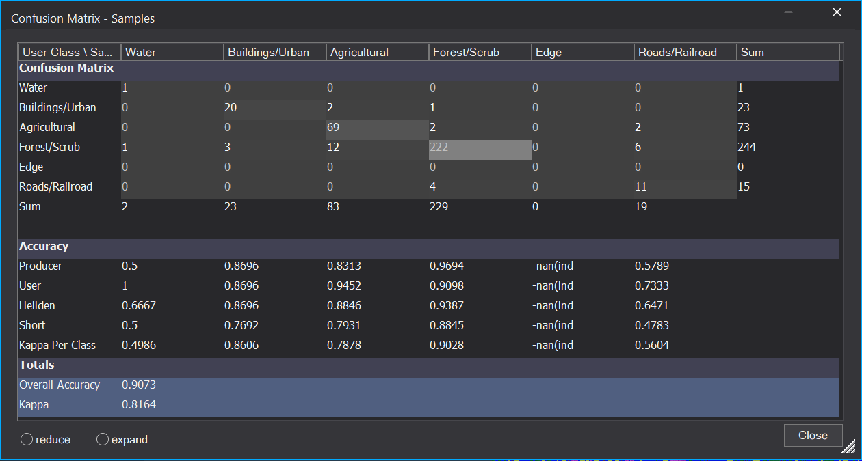
 | Totals
 | Metric | Value
 | Overall Accuracy | 0.9073
 | Kappa | 0.8164

