PAC Sphere Approver
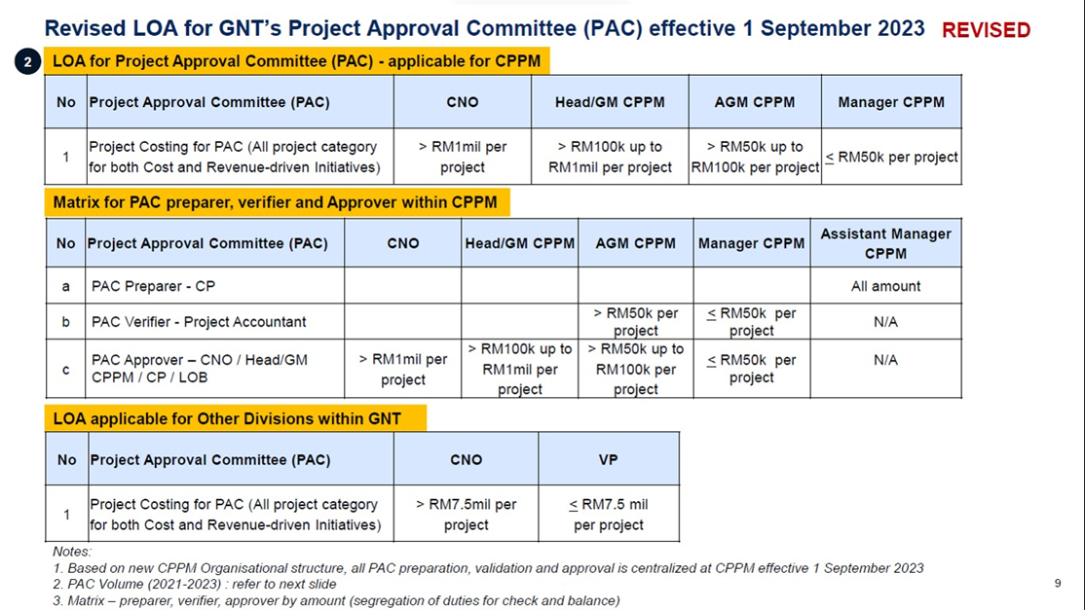
 | Preparer* |  | Recommender |  |  |  |  |  |  |  |  |  |  |  |  |  |  |  |  | Approver
 |  |  | LOBS (All Value / When Required) |  |  | CPM < RM 50K |  |  |  |  |  |  |  | CPM > RM 50K |  |  |  | CPA (all project, based on value) |  | CPPM (all project, based on value)
State | < RM 50k | >= RM 50k | Unifi | TMG | TMOne | CPM Waiters | CPM Unifi SRR | CPM MY Gov | CPM NRP TM One | CPM TMG NRP | CPM TMG 5G | CPM TMG Borneo Resti | CPM Internal GNT Project | CPM Unifi | CPM Tm One | CPM TMG | CPM Internal GNT Project | <RM 50k | >= RM 50k | <RM 50k | RM 50k - RM 100k | RM 100k - RM1M | > RM 1Mil
 | CP Asst. Manager | CP Manager | Manager Finance region | Head TMGlobal state? | Head TMOne state? | CPM Mgr | CPM Mgr | CPM Mgr | CPM Mgr | CPM Mgr | CPM Mgr | CPM Mgr | CPM Mgr | CPM Mgr | CPM Mgr | CPM Mgr | CPM Mgr | CPA - Manager | CPA - AGM | CP - Manager | CP - AGM | CPPM - GM | CNO
Junction Fiber Easter-Northern | Suhanizar Bin Sekeri | Zulhelmi Bin Abu Hasan |  |  |  | Fazri | Ain Khalid CP1/ Fauzana CP2 | Rafidah Abdul Aziz | Jamil CP1/Maisyatinil CP2 | Ezzati CP1 / Rosmaini CP2 | Ahmad Azam CP1 / Param CP2 | Ezzati | Juliana Bt Mat Yaacob / Ts. Noor Fadlee Bin Muhammad Hairi | Norafeezah | Mohd Rizal | Zunaidi | Ts. Sayyid Sabiq Bin Mohd. Anuar | Ravi Chandran a/l Karup Panan | Ahmad Farid Bin Noor Affandi | Zulhelmi Bin Abu Hasan | Ts. Sayyid Sabiq Bin Mohd. Anuar | Mohamad Hidzir Bin Musa | Mohamed Tajul Bin Mohamed Sultan
Junction Fiber Central-Southern | Radeen Harris Bin Mohamad Zakaria |  |  |  |  |  |  |  |  |  |  |  |  |  |  |  |  | Ravi Chandran a/l Karup Panan |  | Zulhelmi Bin Abu Hasan
Junction Fiber Sabah-Sarawak | Zulhelmi Bin Abu Hasan |  |  |  |  |  |  |  |  |  |  |  |  |  |  |  |  | Ravi Chandran a/l Karup Panan |  | Zulhelmi Bin Abu Hasan
Facilities Central-Northern | Mohd Hasrul Bin Abu Hassan | Muhammad Ashraf bin Abdull Rahim |  |  |  |  |  |  |  |  |  |  |  |  |  |  |  | Hazalina Binti Yahaya |  | Muhammad Ashraf bin Abdull Rahim
Facilities Southern-Eastern | K Kavilan a/l A Karuppiah |  |  |  |  |  |  |  |  |  |  |  |  |  |  |  |  | Hazalina Binti Yahaya |  | Muhammad Ashraf bin Abdull Rahim
Facilities Sabah Sarawak | Muhammad Ashraf bin Abdull Rahim |  |  |  |  |  |  |  |  |  |  |  |  |  |  |  |  | Hazalina Binti Yahaya |  | Muhammad Ashraf bin Abdull Rahim
Access KL | Mohd Syahmi Bin Chik | Ahmad Idrus Bin Abdul Talib |  |  |  |  |  |  |  |  |  |  |  |  |  |  |  | Ravi Chandran a/l Karup Panan |  | Ahmad Idrus Bin Abdul Talib
Access MSC | Nor Alia Binti Ismail Khafidz |  |  |  |  |  |  |  |  |  |  |  |  |  |  |  |  | Ravi Chandran a/l Karup Panan |  | Ahmad Idrus Bin Abdul Talib
Access Petaling Jaya | Mohd Nurazam Bin Mazlan |  |  |  |  |  |  |  |  |  |  |  |  |  |  |  |  | Ravi Chandran a/l Karup Panan |  | Ahmad Idrus Bin Abdul Talib
Access Sarawak | Khairunnisa Bte Muhamad Noor / Ilman Afif Bin Zulkifli | Khairul Ikmal Bin Abdul Halim |  |  |  |  |  |  |  |  |  |  |  |  |  |  |  | Hazalina Binti Yahaya |  | Khairul Ikmal Bin Abdul Halim
Access Johor Selatan | Mohamad Azrai Bin A.Aziz Muhammad Imran Bin Azid | Muhammad Hafizzuddin Bin Mohd Noor |  |  |  |  |  |  |  |  |  |  |  |  |  |  |  | Hazalina Binti Yahaya |  | Muhammad Hafizzuddin Bin Mohd Noor
Access Johor Utara | Mahmud Bin Zakaria |  |  |  |  |  |  |  |  |  |  |  |  |  |  |  |  | Hazalina Binti Yahaya |  | Muhammad Hafizzuddin Bin Mohd Noor
Access Melaka | Nur Fauziah Binti Abdullah Shuhaimy | Nor Aizee Masyitah Binti Kamal Bahrin |  |  |  |  |  |  |  |  |  |  |  |  |  |  |  | Hazalina Binti Yahaya |  | Nor Aizee Masyitah Binti Kamal Bahrin
Access Negeri Sembilan | Norizuwan Bin Che Hamid |  |  |  |  |  |  |  |  |  |  |  |  |  |  |  |  | Hazalina Binti Yahaya |  | Nor Aizee Masyitah Binti Kamal Bahrin
Access Selangor Timur | Mohd Nasharulhisham Bin Mohd Nasir / Zubaidah Binti Ya | Muhammad Nur Haimi Bin Amdan |  |  |  |  |  |  |  |  |  |  |  |  |  |  |  | Ravi Chandran a/l Karup Panan |  | Muhammad Nur Haimi Bin Amdan | Ts. Badruz Nasrin Bin Basri
Access Selangor Barat | Mohd Shahfre Bin Sa'afie |  |  |  |  |  |  |  |  |  |  |  |  |  |  |  |  | Ravi Chandran a/l Karup Panan |  | Muhammad Nur Haimi Bin Amdan
Access Kedah Perlis | Mohd Azrul Nizam Bin Aziz | Ahmad Zaki Bin Haris |  |  |  |  |  |  |  |  |  |  |  |  |  |  |  | Ravi Chandran a/l Karup Panan |  | Ahmad Zaki Bin Haris
Access Pulau Pinang | Ts. Khairul Amilin Bin Mohamed Yusof |  |  |  |  |  |  |  |  |  |  |  |  |  |  |  |  | Ravi Chandran a/l Karup Panan |  | Ahmad Zaki Bin Haris
Access Perak | Yuhaniz Binti Baidzawi |  |  |  |  |  |  |  |  |  |  |  |  |  |  |  |  | Ravi Chandran a/l Karup Panan |  | Ahmad Zaki Bin Haris
Access Pahang | Hasrul Nizam Bin Othman | Muhamad Zaini Bin Mahamad Sarip |  |  |  |  |  |  |  |  |  |  |  |  |  |  |  | Ravi Chandran a/l Karup Panan |  | Muhamad Zaini Bin Mahamad Sarip
Access Kelantan | Nurul Huda Binti Umran |  |  |  |  |  |  |  |  |  |  |  |  |  |  |  |  | Ravi Chandran a/l Karup Panan |  | Muhamad Zaini Bin Mahamad Sarip
Access Terengganu | Mahzura Binti Ramli | Nurul Ridhwan Bin Sulaiman |  |  |  |  |  |  |  |  |  |  |  |  |  |  |  | Ravi Chandran a/l Karup Panan |  | Nurul Ridhwan Bin Sulaiman
Access Sabah | Amran Bin Ramli |  |  |  |  |  |  |  |  |  |  |  |  |  |  |  |  | Ravi Chandran a/l Karup Panan |  | Nurul Ridhwan Bin Sulaiman
OLT | Nur Syarina Binti Mohamad Resad | Hazrin Bin Mohamaed |  |  |  |  |  |  |  |  |  |  |  |  |  |  |  | Hazalina Binti Yahaya |  | Hazrin Bin Mohammad
 | *PAC Will be Prepared by AND Untll 1st Oct 2023

