Sheet1
Cosine Similarity

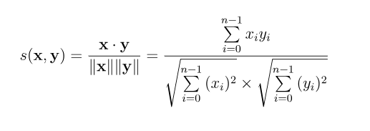
 | A | B | C | D
HP1 | 4 | 5
HP2 |  | 5 |  | 3
HP3 |  | 4
TW | 5 |  | 2
SW1 | 1 |  | 4
SW2 |  |  | 5
SW3 |  |  |  | 3

Calculation of Cosine Similarity
 | Proxy for "how many movies have I watched"
 | ||A|| | ||B|| | ||C|| | ||D|| | A*B | A*C
 | 16 | 25 | 0 | 0 | 20 | 0
 | 0 | 25 | 0 | 9 | 0 | 0
 | 0 | 16 | 0 | 0 | 0 | 0
 | 25 | 0 | 4 | 0 | 0 | 10
 | 1 | 0 | 16 | 0 | 0 | 4
 | 0 | 0 | 25 | 0 | 0 | 0
 | 0 | 0 | 0 | 9 | 0 | 0

 | 6.4807406984 | 8.1240384046 | 6.7082039325 | 4.2426406871 | 20 | 14

 | s(A, B): | 0.3798685882
 | s(A, C): | 0.32203059436

Calculation of Normalized Cosine Similarity

 | A | B | C | D
HP1 | 4 | 5
HP2 |  | 5 |  | 3
HP3 |  | 4
TW | 5 |  | 2
SW1 | 1 |  | 4
SW2 |  |  | 5
SW3 |  |  |  | 3

Avg | 3.3333333333 | 4.6666666667 | 3.6666666667 | 3

Normalized Values are:
 | A | B | C | D
 | 0.66666666667 | 0.33333333333
 |  | 0.33333333333 |  | 0
 |  | -0.66666666667
 | 1.6666666667 |  | -1.6666666667
 | -2.3333333333 |  | 0.33333333333
 |  |  | 1.3333333333
 |  |  |  | 0

 | ||A|| | ||B|| | ||C|| | ||D|| | A*B | A*C
 | 0.44444444444 | 0.11111111111 | 0 | 0 | 0.22222222222 | 0
 | 0 | 0.11111111111 | 0 | 0 | 0 | 0
 | 0 | 0.44444444444 | 0 | 0 | 0 | 0
 | 2.7777777778 | 0 | 2.7777777778 | 0 | 0 | -2.7777777778
 | 5.4444444444 | 0 | 0.11111111111 | 0 | 0 | -0.77777777778
 | 0 | 0 | 1.7777777778 | 0 | 0 | 0
 | 0 | 0 | 0 | 0 | 0 | 0

 | 2.9439202888 | 0.81649658093 | 2.1602468995 | 0 | 0.22222222222 | -3.5555555556

 | s(A, B): | 0.092450032704
 | s(A, C): | -0.55908524625

