10000 - BofA CHK 1020
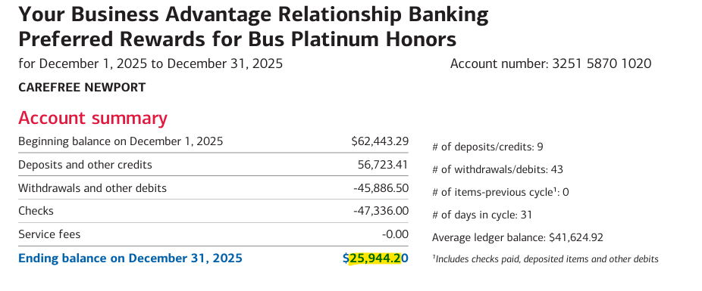
10000 - Bank of America Checking 1020 | **add screenshot of bank stmt

Beginning Balance | 62,443.29

Checks & Payments | (93,222.50)

Deposits & Credits | 56,723.41

Service Charges | -

Statement Balance | 25,944.20

Uncleared Transactions | -

Cleared Balance Uncleared Transactions Checks and Payments - 0 items

Total Checks and Payments
Total Uncleared Transactions
Expand for detail

Book Balance | 25,944.20

11600 - Prepaid Expenses
GL Date | Name | Amount | Period | Total Amortized | Dec-23 | Jan-24 | Feb-24 | Mar-24 | Apr-24 | May-24 | Jun-24 | Jul-24 | Aug-24 | Sep-24 | Oct-24 | Nov-24 | Dec-24 | Jan-25 | Feb-25 | Mar-25 | Apr-25 | May-25 | Jun-25 | Jul-25 | Aug-25 | Sep-25 | Oct-25 | Nov-25 | Dec-25 | Jan-26 | Feb-26 | Mar-26 | Apr-26 | May-26 | Jun-26 | Jul-26 | Aug-26 | Sep-26 | Oct-26 | Nov-26 | Dec-26 | remaining
2024-12-01 | First Insurance | 39,809.21 | 1/1/25-12/31-2025 | 39,809.21 |  |  |  |  |  |  |  |  |  |  |  |  |  | 3,317.43 | 3,317.43 | 3,317.43 | 3,317.43 | 3,317.43 | 3,317.43 | 3,317.43 | 3,317.43 | 3,317.43 | 3,317.43 | 3,317.43 | 3,317.43 |  |  |  |  |  |  |  |  |  |  |  |  | -
2025-07-26 | GoDaddy Renewal | 1,159.06 | 2025-08-01 | 241.47 |  |  |  |  |  |  |  |  |  |  |  |  |  |  |  |  |  |  |  |  | 48.29 | 48.29 | 48.29 | 48.29 | 48.29 | 48.29 | 48.29 | 48.29 | 48.29 | 48.29 | 48.29 | 48.29 | 48.29 | 48.29 | 48.29 | 48.29 | 48.29 | 917.59
2025-08-04 | STATE COMP INSURANCE | 1,402.46 | 2025-09-01 | 1,402.46 |  |  |  |  |  |  |  |  |  |  |  |  |  |  |  |  |  |  |  |  |  | 288.43 | 288.43 | 599.60 | 226.00 |  |  |  |  |  |  |  |  |  |  |  |  | -
2025-10-31 | First Insurance (Adjustment) | (1,942.60) | 10/1/25-12/31/25 | (1,942.60) |  |  |  |  |  |  |  |  |  |  |  |  |  |  |  |  |  |  |  |  |  |  | (647.53) | (647.53) | (647.53) |  |  |  |  |  |  |  |  |  |  |  |  | 0.00
2025-11-30 | First Insurance | 38,908.98 | 1/1/26-12/31-2026 | - |  |  |  |  |  |  |  |  |  |  |  |  |  |  |  |  |  |  |  |  |  |  |  |  |  | 3,242.42 | 3,242.42 | 3,242.42 | 3,242.42 | 3,242.42 | 3,242.42 | 3,242.42 | 3,242.42 | 3,242.42 | 3,242.42 | 3,242.42 | 3,242.42 | 38,908.98
 |  | 79,337.12 |  | 39,510.54 | - | - | - | - | - | - | - | - | - | - | - | - | - | 3,317.43 | 3,317.43 | 3,317.43 | 3,317.43 | 3,317.43 | 3,317.43 | 3,317.43 | 3,365.73 | 3,654.16 | 3,006.62 | 3,317.79 | 2,944.19 | 3,290.71 | 3,290.71 | 3,290.71 | 3,290.71 | 3,290.71 | 3,290.71 | 3,290.71 | 3,290.71 | 3,290.71 | 3,290.71 | 3,290.71 | 3,290.71 | 39,826.57

 |  |  |  |  |  |  |  |  |  |  |  |  |  |  |  |  |  |  |  |  |  |  | The balance is now a payable - paid this on 12/30/25.
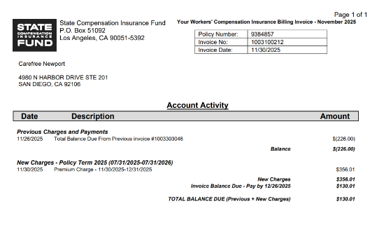

 |  |  | Total Prepaid | $39,826.57
 |  |  | Sitting in G/L | 39,826.57
 |  |  | Difference | $0.00

 |  |  |  |  |  |  |  |  |  |  |  |  |  |  |  |  |  |  |  |  |  |  | Expense prior payroll journal matches premium premium charge of $356.01

23500 - Insurance Payable
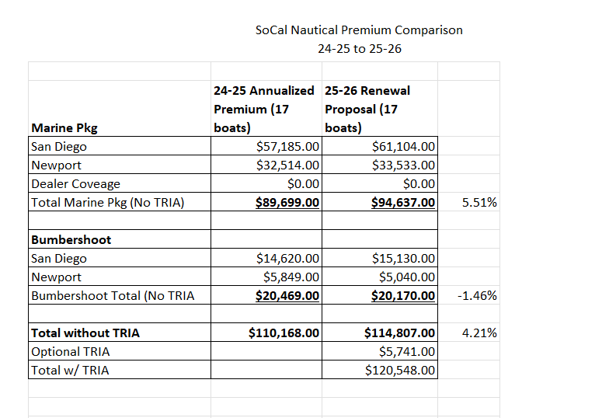
First Insurance Policy |  |  | Agency Fees
 | Total Policy Amount | Per Entity | 1,000.00 |  | Total Amount Per Entity
OMO0038329 | 94,637.00 | 76,234.00 | 66% | 664.02 | 76,898.02
XLO0034678 | 20,170.00 | 38,573.00 | 34% | 335.98 | 38,908.98
AGENCY FEE | 1,000.00
 | 115,807.00 | 114,807.00

 |  |  |  |  |  |  |  |  |  | 115,807.00
Socal(SD) Portion 70% | 76,898.02 |  | Carefreee(Newport) Portion 30% | 38,908.98 |  |  |  |  | Socal Insurance Liability | 76,898.02
Amortization | 6,408.17 |  | Amortization | 3,242.42 |  |  |  |  | Carefree Insurance Liabilty | 38,908.98

January | 6,408.17 |  | January | 3,242.42 |  |  |  |  |  | Downpayment | Fees | DOWNPAYMENT PER ENTITY
February | 6,408.17 |  | February | 3,242.42 |  |  |  |  | Down payment | 23,161.40 | 752.75
March | 6,408.17 |  | March | 3,242.42 |  |  |  |  | Socal Portion | 15,379.60 | 499.84 | 15,879.44
April | 6,408.17 |  | April | 3,242.42 |  |  |  |  | Carefree Portion | 7,781.80 | 252.91 | 8,034.71
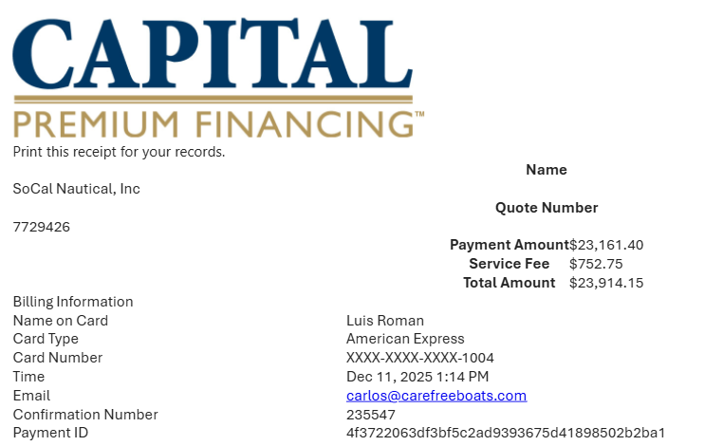
May | 6,408.17 |  | May | 3,242.42
June | 6,408.17 |  | June | 3,242.42
July | 6,408.17 |  | July | 3,242.42
August | 6,408.17 |  | August | 3,242.42
September | 6,408.17 |  | September | 3,242.42
October | 6,408.17 |  | October | 3,242.42
November | 6,408.17 |  | November | 3,242.42
December | 6,408.17 |  | December | 3,242.42

 | 76,898.02 |  |  | 38,908.98

92645.6
10.52%
9,717.11
 |  | 7,155.16
 |  |  |  |  | Ending Balance |  |  |  |  |  |  |  |  |  | SoCal | Carefree
 | PAYMENT | PRINCIPAL | INTEREST |  | 92,645.60 | SOCAL PORTION | SOCAL PORTION | ADJUSTMENT | SOCAL END BALANCE | CAREFREE PORTION | CAREFREE PORTION | ADJUSTMENT | CAREFREE END BALANCE |  | 66% | 34%
2025-11-30 |  |  |  |  |  |  |  |  | 61,518.41 |  |  |  | 31,127.19
2025-12-31 |  |  |  |  | 92,645.60 |  |  |  | 61,518.41 |  |  |  | 31,127.19
2026-01-31 | 9,717.11 | 8,904.92 | 812.19 |  | 83,740.68 | 5,913.03 | 539.31 |  | 55,605.38 | 2,991.89 | 272.88 |  | 28,135.30 | Over-Payment Late Fee | - | -
2026-02-28 | 9,717.11 | 8,982.98 | 734.13 |  | 74,757.70 | 5,964.87 | 487.47 |  | 49,640.51 | 3,018.11 | 246.65 |  | 25,117.19 | Security & Delivery Fee | - | -
2026-03-31 | 9,717.11 | 9,061.73 | 655.38 |  | 65,695.97 | 6,017.16 | 435.18 |  | 43,623.35 | 3,044.57 | 220.19 |  | 22,072.61
2026-04-30 | 9,717.11 | 9,141.18 | 575.93 |  | 56,554.79 | 6,069.91 | 382.43 |  | 37,553.44 | 3,071.26 | 193.50 |  | 19,001.35 |  | - | -
2026-05-31 | 9,717.11 | 9,221.31 | 495.80 |  | 47,333.48 | 6,123.12 | 329.22 |  | 31,430.32 | 3,098.19 | 166.58 |  | 15,903.16
2026-06-30 | 9,717.11 | 9,302.15 | 414.96 |  | 38,031.32 | 6,176.80 | 275.54 |  | 25,253.51 | 3,125.35 | 139.42 |  | 12,777.81
2026-07-31 | 9,717.11 | 9,383.70 | 333.41 |  | 28,647.62 | 6,230.95 | 221.39 |  | 19,022.56 | 3,152.75 | 112.02 |  | 9,625.06
2026-08-31 | 9,717.11 | 9,465.97 | 251.14 |  | 19,181.66 | 6,285.58 | 166.76 |  | 12,736.98 | 3,180.39 | 84.38 |  | 6,444.68
2026-09-30 | 9,717.11 | 9,548.95 | 168.16 |  | 9,632.71 | 6,340.68 | 111.66 |  | 6,396.30 | 3,208.27 | 56.50 |  | 3,236.41
2026-10-31 | 9,717.11 | 9,632.66 | 84.45 |  | 0.04 | 6,396.27 | 56.07 |  | 0.03 | 3,236.39 | 28.37 |  | 0.01

