10010 - CWB CK
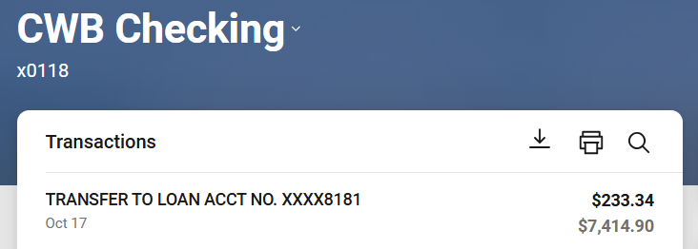
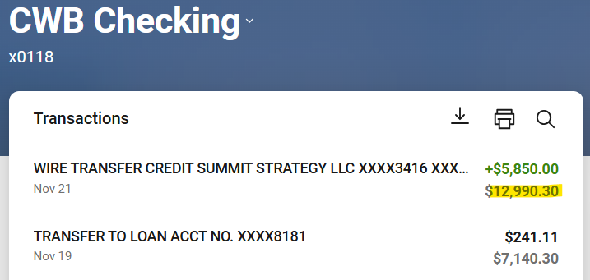
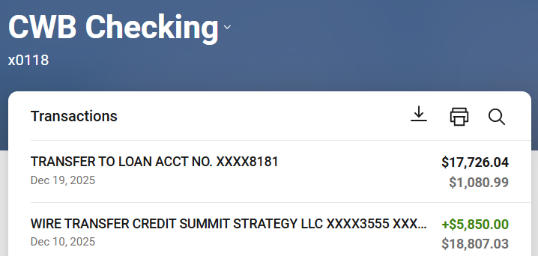
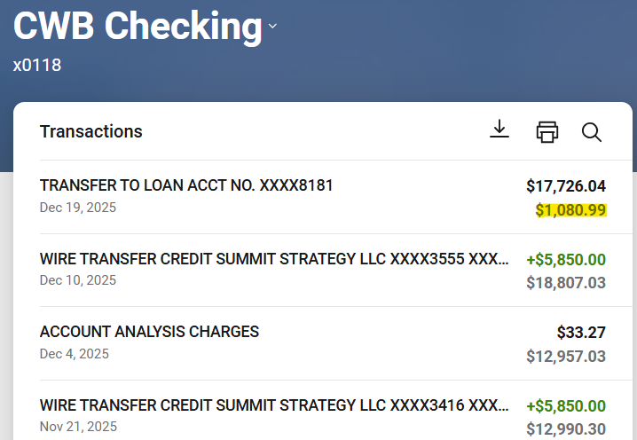
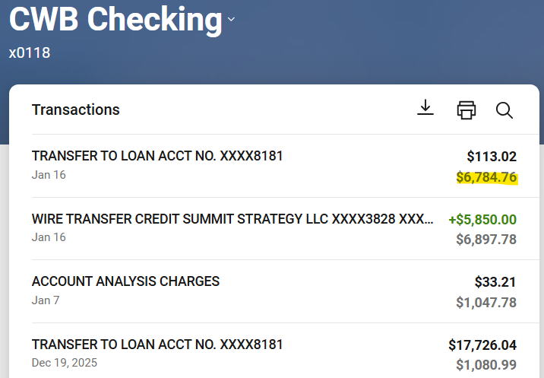
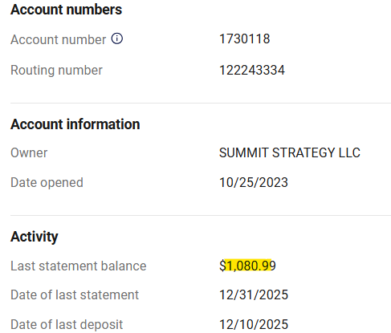
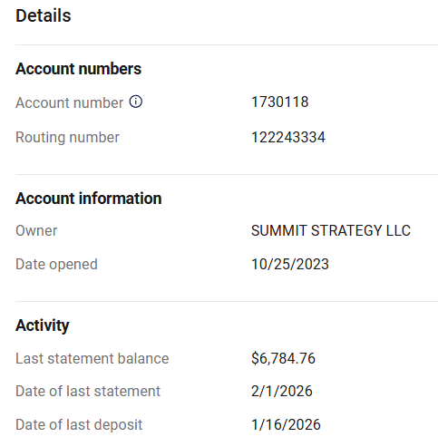
10010 - Commerce West Checking

Beginning Balance | 1,080.99

Checks & Payments | (113.02)

Deposits & Credits | 5,850.00

Service Charges | (33.21)

Statement Balance | 6,784.76

Uncleared Transactions | -

Expand for detail

GL Balance | $6,784.76

10020 - Paypal CK
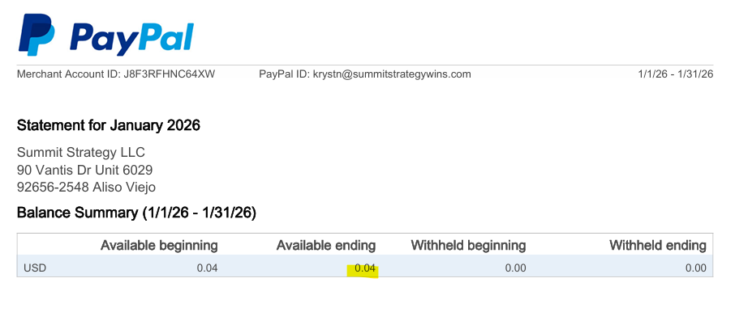
10020 - Paypal
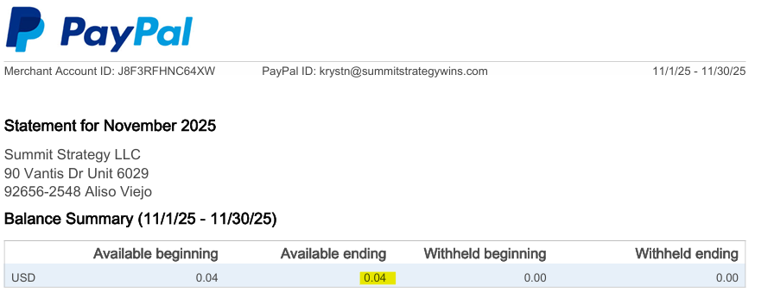
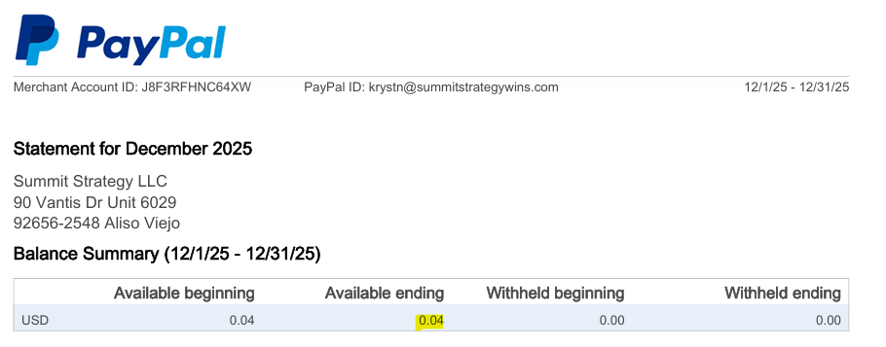

Beginning Balance | 0.04

Checks & Payments | -

Deposits & Credits | -

Service Charges | -

Statement Balance | 0.04

Uncleared Transactions | -

Expand for detail

GL Balance | $0.04

10030 - CWB Savings CLOSED
10030 - CWB Savings

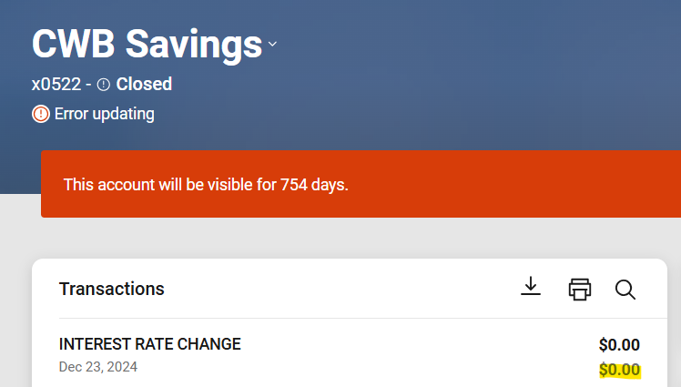
Ending Balance | -

10040 - Live Oak
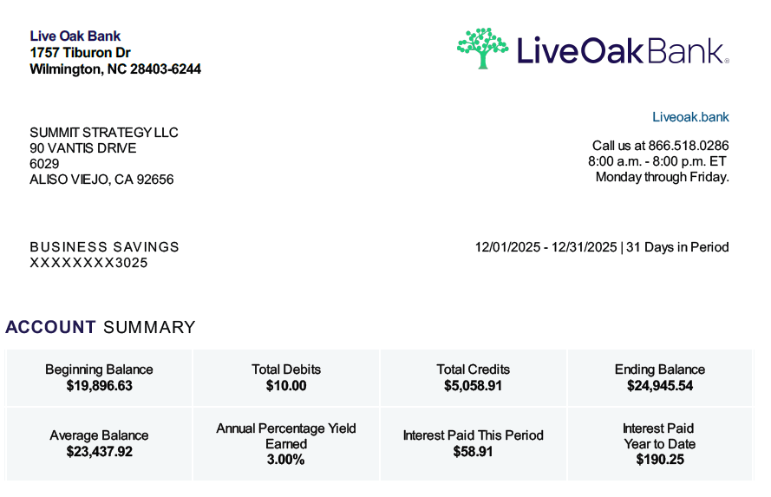
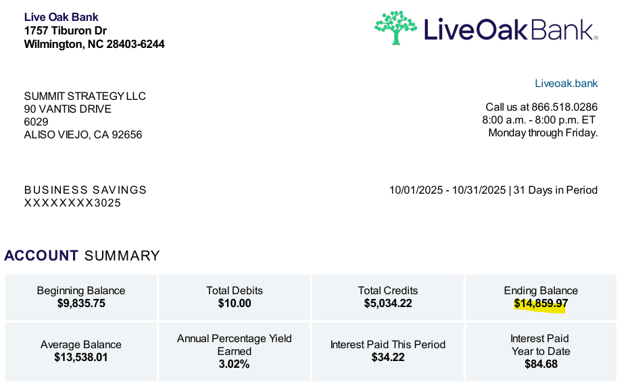
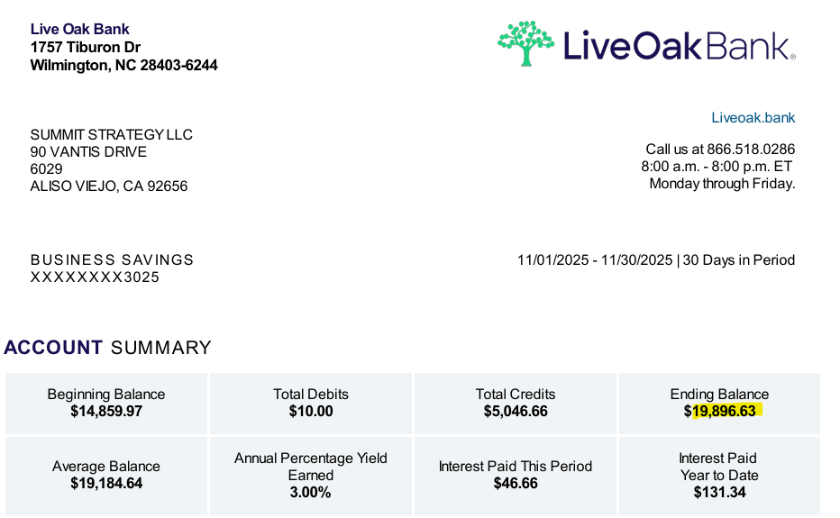
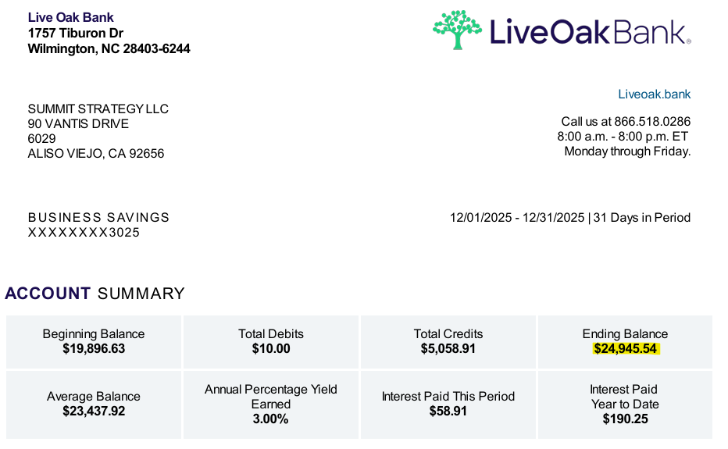
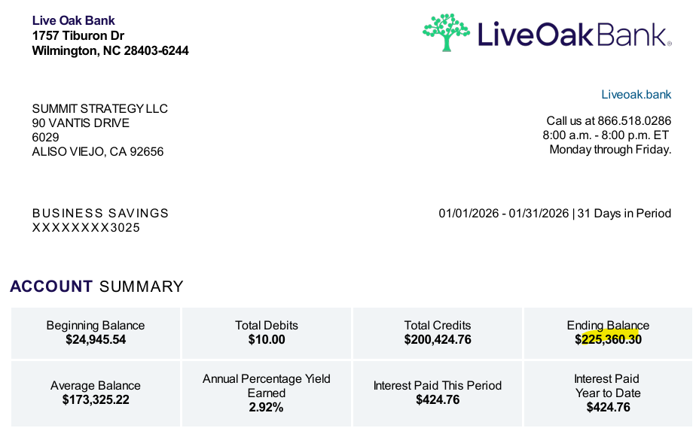
10040 - Live Oak Savings

Beginning Balance | 24,945.54

Checks & Payments | (10.00)

Deposits & Credits | 200,424.76

Service Charges

Statement Balance | 225,360.30

Uncleared Transactions | -
Expand for detail

Book Balance | 225,360.30

10050 - BeachCities
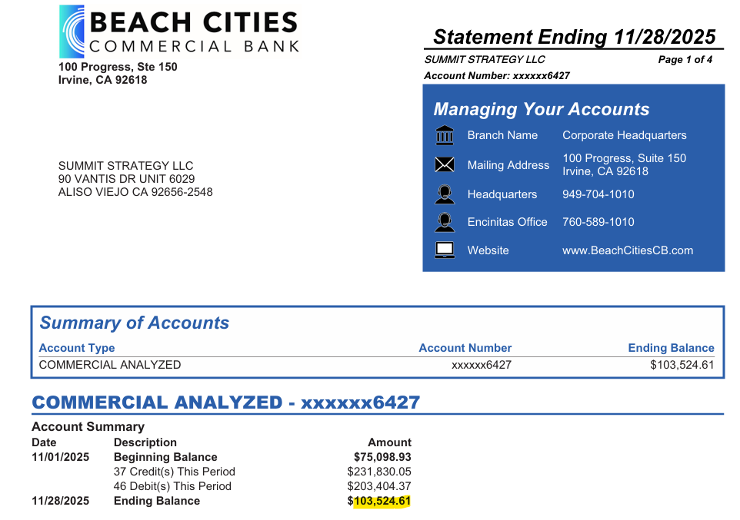
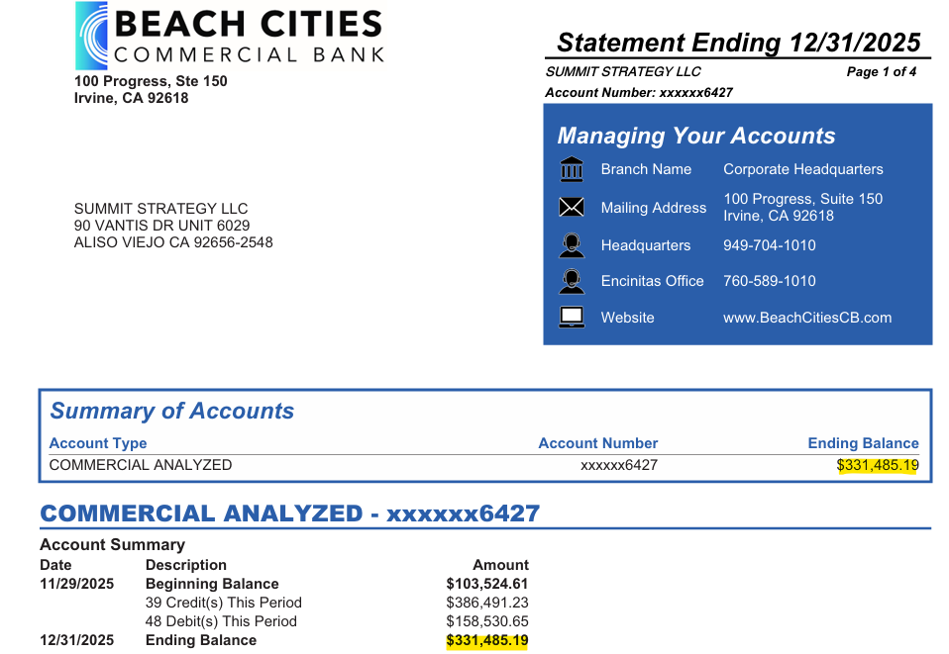
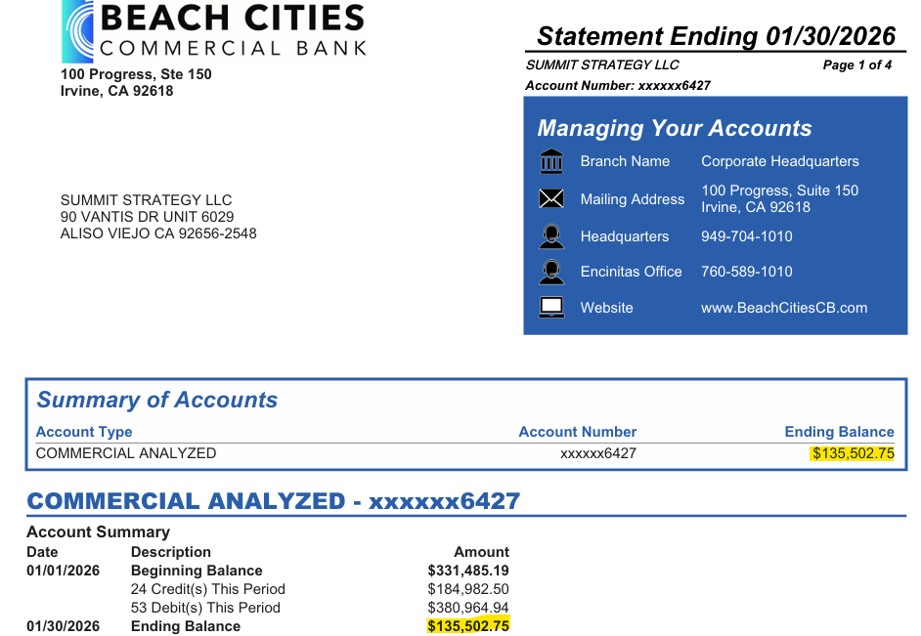
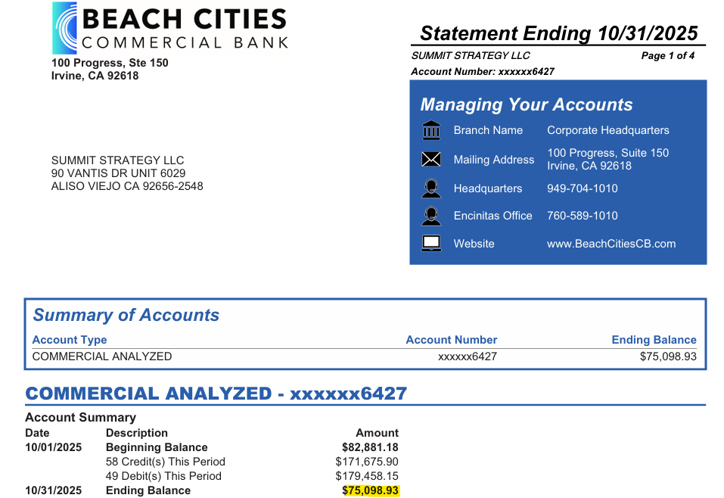
10040 - Beach Cities

Beginning Balance | 331,485.19

Checks & Payments | (380,964.94)

Deposits & Credits | 184,982.50

Service Charges

Statement Balance | 135,502.75

Uncleared Transactions | -
Expand for detail

Book Balance | 135,502.75

For Client's Confirmation:
Balance Per Book, 1/31/2026 | 119,886.61
Add: 1/2/2026 Gusto Journal Entry | 9,710.94
1/2/2026 Gusto Journal Entry | 5,905.20
Should be Balance per Book, 1/31/2026 | 135,502.75

21010 - Capital One
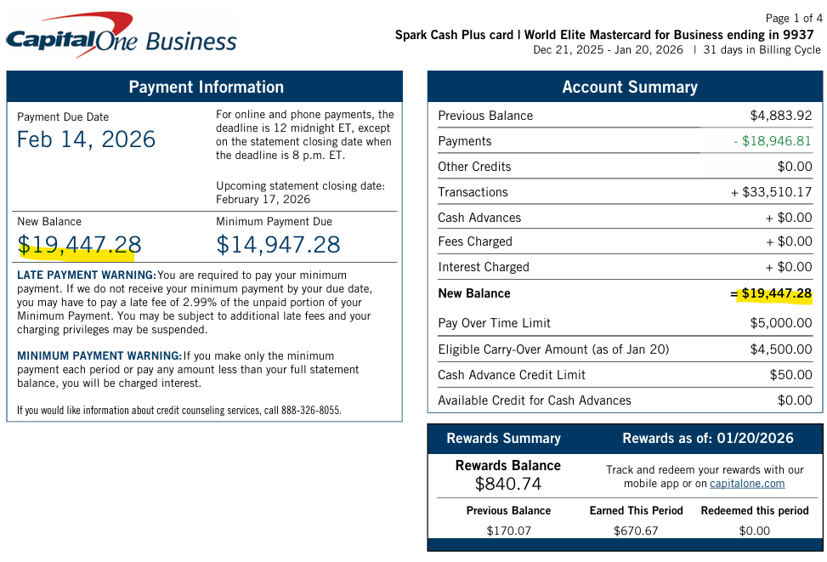
Transaction Date | Posted Date | Card No. | Description | Category | Debit | Credit | Balance
 |  |  |  |  |  |  | 137.98
2025-12-30 | 2025-12-31 | 9937 | CORPORATE FILINGS LLC | Other Services | 125.00 |  | 262.98
2025-12-30 | 2025-12-31 | 9937 | LinkedIn Recruiter P10 | Other Services | 169.99 |  | 432.97
2026-01-02 | 2026-01-02 | 9937 | ANTHEM BLUE INDIVIDUAL | Insurance | 79.50 |  | 512.47
2026-01-02 | 2026-01-02 | 9937 | ANTHEM BLUE INDIVIDUAL | Insurance | 48.75 |  | 561.22
2025-12-31 | 2026-01-02 | 9937 | BLUE SHIELD CALIFORNIA | Insurance | 2,021.18 |  | 2,582.40
2026-01-02 | 2026-01-03 | 9937 | HARVEST | Merchandise | 6,048.00 |  | 8,630.40
2026-01-02 | 2026-01-03 | 9937 | RAZOR TECHNOLOGY LLC | Internet | 1,115.00 |  | 9,745.40
2026-01-03 | 2026-01-05 | 9937 | CYBERPOLICY, INC. | Insurance | 3,720.00 |  | 13,465.40
2026-01-03 | 2026-01-05 | 9937 | BN CLEANERS | Other Services | 21.49 |  | 13,486.89
2026-01-03 | 2026-01-05 | 9937 | INTUIT *QBooks Payroll | Merchandise | 158.00 |  | 13,644.89
2026-01-09 | 2026-01-09 | 5207 | CAPITAL ONE ONLINE PYMT | Payment/Credit |  | 13,644.89 | -
2026-01-09 | 2026-01-10 | 9937 | RHINO SQUAD VA SERVICE | Entertainment | 1,386.67 |  | 1,386.67
2026-01-09 | 2026-01-10 | 9937 | KC VISIBILITY | Other Services | 500.00 |  | 1,886.67
2026-01-09 | 2026-01-10 | 9937 | DARK HORSE CPAS | Professional Services | 8,073.00 |  | 9,959.67
2026-01-11 | 2026-01-12 | 9937 | ASANA.COM | Merchandise | 8,996.40 |  | 18,956.07
2026-01-13 | 2026-01-14 | 9937 | DEDUPELY | Merchandise | 40.00 |  | 18,996.07
2026-01-14 | 2026-01-15 | 9937 | STATE FARM INSURANCE | Insurance | 316.28 |  | 19,312.35
2026-01-16 | 2026-01-16 | 9937 | BASE | Health Care | 30.00 |  | 19,342.35
2026-01-17 | 2026-01-19 | 9937 | BN CLEANERS | Other Services | 34.97 |  | 19,377.32
2026-01-18 | 2026-01-19 | 9937 | SXM*SIRIUSXM.COM/ACCT | Phone/Cable | 49.96 |  | 19,427.28
2026-01-19 | 2026-01-20 | 9937 | EOSONE.COM | Other Services | 20.00 |  | 19,447.28 | STATEMENT BALANCE
2026-01-20 | 2026-01-21 | 9937 | STREAMYARD.COM | Merchandise | 431.88 |  | 19,879.16
2026-01-27 | 2026-01-27 | 9937 | LinkedIn JOB P10742287 | Other Services | 94.00 |  | 19,973.16
2026-01-26 | 2026-01-27 | 9937 | SOCIETY OF AMERICAN MI | Other | 600.00 |  | 20,573.16
2026-01-28 | 2026-01-28 | 9937 | LinkedIn JOB P10763010 | Other Services | 150.00 |  | 20,723.16
2026-01-28 | 2026-01-28 | 9937 | LinkedIn JOB P10762175 | Other Services | 640.00 |  | 21,363.16
2026-01-26 | 2026-01-28 | 9937 | NATIONAL VETERAN SMALL | Other | 575.00 |  | 21,938.16
2026-01-29 | 2026-01-29 | 9937 | LinkedIn JOB P10791153 | Other Services | 94.00 |  | 22,032.16
2026-01-28 | 2026-01-29 | 9937 | RAZOR TECHNOLOGY LLC | Internet | 57.97 |  | 22,090.13
2026-01-29 | 2026-01-29 | 9937 | LinkedIn JOB P10790046 | Other Services | 540.80 |  | 22,630.93
2026-01-30 | 2026-01-30 | 9937 | LinkedIn JOB P10811916 | Other Services | 184.60 |  | 22,815.53
2026-01-29 | 2026-01-30 | 9937 | ZAPIER.COM/CHARGE | Merchandise | 29.99 |  | 22,845.52
2026-01-30 | 2026-01-30 | 9937 | LinkedIn Recruiter P10 | Other Services | 169.99 |  | 23,015.51 | ENDING BALANCE

21020 AMEX Amazon 1006
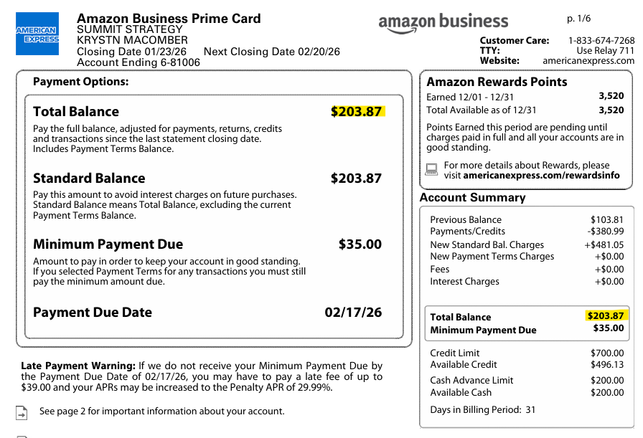
Transaction Details | Amazon Business Prime Card / Jan 01, 2026 to Jan 31, 2026
Prepared for
KRYSTN MACOMBER
Account Number
XXXX-XXXXXX-81006

Date | Description | Amount | Balance
 | 12/31/2025 |  | 325.33
01/03/2026 | AMAZON MARKETPLACE NAMZN.COM/BILL WA | -42.02 | 283.31
01/04/2026 | AMAZON MARKEPLACE NA PA | 20.46 | 303.77
01/06/2026 | AMAZON MARKETPLACE NAMZN.COM/BILL WA | -20.46 | 283.31
01/09/2026 | ONLINE PAYMENT - THANK YOU | -283.31 | -
01/16/2026 | AMAZON MARKEPLACE NA PA | 16.15 | 16.15
01/17/2026 | AMAZON MARKEPLACE NA PA | 26.93 | 43.08
01/18/2026 | AMAZON MARKETPLACE PAMZN.COM/BILL WA | 10.76 | 53.84
01/18/2026 | AMAZON SHOP WITH POINTS CREDIT | -24.44 | 29.40
01/18/2026 | AMAZON SHOP WITH POINTS CREDIT | -10.76 | 18.64
01/19/2026 | AMAZON MARKEPLACE NA PA | 9.69 | 28.33
01/19/2026 | AMAZON MARKEPLACE NA PA | 11.10 | 39.43
01/19/2026 | AMAZON MARKETPLACE PAMZN.COM/BILL WA | 24.44 | 63.87
01/22/2026 | AMAZON MARKEPLACE NA PA | 140.00 | 203.87 | STATEMENT BALANCE
01/24/2026 | AMAZON MARKEPLACE NA PA | 10.76 | 214.63
01/24/2026 | AMAZON MARKEPLACE NA PA | 252.75 | 467.38
01/27/2026 | AMAZON.COM AMZN.COM/BILL WA | 215.49 | 682.87 | ENDING BALANCE

21030 - AmEx Bus Blue 1001
21040 - Credit Cards:AmEx Delta - 31001
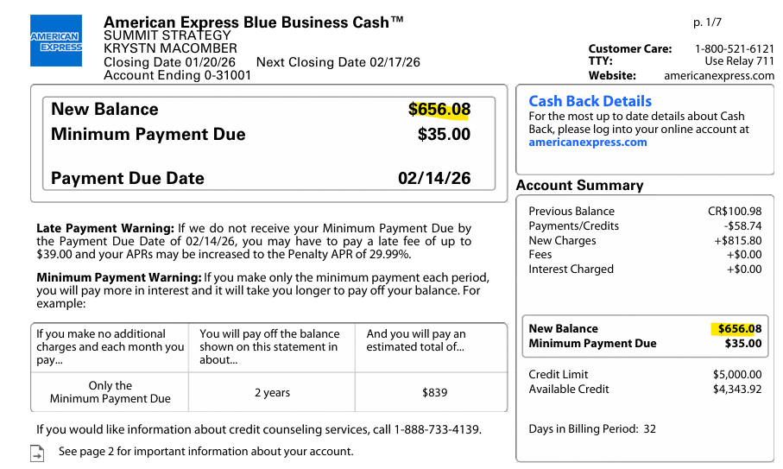
Date | Description | Amount | Balance
 | 12/31/2025 |  | -62.02
01/05/2026 | APPLE.COM/BILL INTERNET CHARGE CA | 19.95 | -42.07
01/07/2026 | INC. AND FAST COMPANNEW YORK CITY NY | 395.00 | 352.93
01/14/2026 | UBER | 24.25 | 377.18
01/14/2026 | BLACK CANYON SAINT PAUL MN | 11.35 | 388.53
01/14/2026 | CNN NEWS ST939 939 SANTA ANA CA | 5.04 | 393.57
01/14/2026 | TST* THE MAYO HOTEL TULSA OK | 10.07 | 403.64
01/15/2026 | AplPay Southwest AirDALLAS TX | 60.00 | 463.64
01/15/2026 | AplPay UBER EATS help.uber.com CA | 19.45 | 483.09
01/15/2026 | TST* THE MAYO HOTEL TULSA OK | 6.10 | 489.19
01/16/2026 | AplPay STARBUCKS 800-782-7282 WA | 25.00 | 514.19
01/16/2026 | AplPay UBER EATS help.uber.com CA | 39.29 | 553.48
01/16/2026 | UBER | 7.18 | 560.66
01/16/2026 | UBER | 28.70 | 589.36
01/16/2026 | TULSA AIRPORT TULSA OK | 20.24 | 609.60
01/18/2026 | AplPay UBER EATS help.uber.com CA | -39.29 | 570.31
01/18/2026 | AplPay UBER EATS help.uber.com CA | -19.45 | 550.86
01/18/2026 | UBER EATS help.uber.com CA | 7.91 | 558.77
01/18/2026 | UBER EATS help.uber.com CA | 16.34 | 575.11
01/18/2026 | UBER EATS help.uber.com CA | 19.45 | 594.56
01/18/2026 | UBER EATS help.uber.com CA | 22.23 | 616.79
01/18/2026 | UBER EATS help.uber.com CA | 39.29 | 656.08 | STATEMENT BALANCE
01/24/2026 | GAYLORD OPRYLAND RESNASHVILLE TN | 343.25 | 999.33
01/27/2026 | APPLE.COM/BILL INTERNET CHARGE CA | 2.99 | 1,002.32
01/27/2026 | APPLE.COM/BILL INTERNET CHARGE CA | 9.99 | 1,012.31
01/28/2026 | UBER | 46.48 | 1,058.79
01/30/2026 | APPLE.COM/BILL INTERNET CHARGE CA | 25.98 | 1,084.77
01/30/2026 | AplPay BT*PRIV, INC.LOS ANGELES CA | 265.20 | 1,349.97
01/31/2026 | AplPay UBER EATS help.uber.com CA | 71.85 | 1,421.82 | ENDING BALANCE

21040 - AmEx Delta 1008
21040 - Credit Cards:AmEx Delta

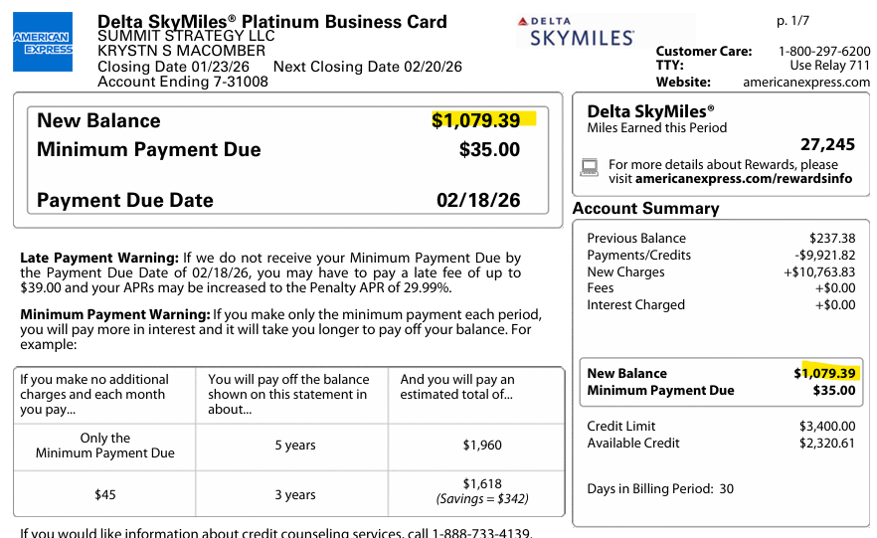
Date | Description | Card Member | Account # | Amount | Balance
 |  | 12/31/2025 |  |  | 9,880.39
01/02/2026 | THE UPS STORE ALISO VIEJO CA | KRYSTN S MACOMBER | -31008 | 30.00 | 9,910.39
01/06/2026 | THNKS* GR#3769376 FRANKLIN TN | CORYNNE KASKELA | -31032 | 11.43 | 9,921.82
01/08/2026 | THNKS* GR#3774182 FRANKLIN TN | CORYNNE KASKELA | -31032 | 11.43 | 9,933.25
01/09/2026 | HANDWRYTTEN 888-284-5197 AZ | KRYSTN S MACOMBER | -31008 | 4.82 | 9,938.07
01/09/2026 | ONLINE PAYMENT - THANK YOU | KRYSTN S MACOMBER | -31008 | -9,921.82 | 16.25
01/09/2026 | OPENAI *CHATGPT SUBSSAN FRANCISCO CA | KRYSTN S MACOMBER | -31008 | 20.00 | 36.25
01/12/2026 | KAJABI NEWPORT BEACH CA | KRYSTN S MACOMBER | -31008 | 179.00 | 215.25
01/13/2026 | AplPay Southwest AirDALLAS TX | KRYSTN S MACOMBER | -31008 | 55.55 | 270.80
01/13/2026 | AplPay Southwest AirDALLAS TX | KRYSTN S MACOMBER | -31008 | 77.00 | 347.80
01/13/2026 | HANDWRYTTEN 888-284-5197 AZ | KRYSTN S MACOMBER | -31008 | 4.82 | 352.62
01/15/2026 | AFCEA INTERNATIONAL FAIRFAX VA | KRYSTN S MACOMBER | -31008 | 75.00 | 427.62
01/15/2026 | AplPay Southwest AirDALLAS TX | KRYSTN S MACOMBER | -31008 | 97.00 | 524.62
01/15/2026 | DNH*GODADDY#39931332Tempe AZ | KRYSTN S MACOMBER | -31008 | 42.18 | 566.80
01/18/2026 | STREAMYARD.COM NEW YORK NY | CORYNNE KASKELA | -31032 | 44.99 | 611.79
01/19/2026 | BAYMATS AB SOLNA SO | KRYSTN S MACOMBER | -31008 | 8.00 | 619.79
01/19/2026 | KAJABI NEWPORT BEACH CA | KRYSTN S MACOMBER | -31008 | 54.35 | 674.14
01/19/2026 | THNKS* GR#3785093 FRANKLIN TN | CORYNNE KASKELA | -31032 | 1.90 | 676.04
01/20/2026 | LINKEDIN SN P7649018MOUNTAIN VIEW | KRYSTN S MACOMBER | -31008 | 99.99 | 776.03
01/22/2026 | AT&T | KRYSTN S MACOMBER | -31008 | 238.36 | 1,014.39
01/22/2026 | DESCRIPT SAN FRANCISCO CA | KRYSTN S MACOMBER | -31008 | 30.00 | 1,044.39
01/22/2026 | DESCRIPT SAN FRANCISCO CA | KRYSTN S MACOMBER | -31008 | 35.00 | 1,079.39 | STATEMENT BALANCE
01/24/2026 | DELTA AIR LINES | KRYSTN S MACOMBER | -31008 | 501.46 | 1,580.85
01/24/2026 | LINKEDIN P770761496 SAN FRANCISCO | KRYSTN S MACOMBER | -31008 | 101.88 | 1,682.73
01/25/2026 | AUNTIE ANNE'S T1 MSPST. PAUL MN | KRYSTN S MACOMBER | -31008 | 4.98 | 1,687.71
01/25/2026 | AplPay STARBUCKS 800-782-7282 WA | KRYSTN S MACOMBER | -31008 | 25.00 | 1,712.71
01/25/2026 | PARADIES LAGARDERE @ATLANTA GA | KRYSTN S MACOMBER | -31008 | 10.13 | 1,722.84
01/26/2026 | UBER | KRYSTN S MACOMBER | -31008 | 16.91 | 1,739.75
01/26/2026 | GIFTSHOPDELTANECESSINASHVILLE TN | KRYSTN S MACOMBER | -31008 | 22.53 | 1,762.28
01/26/2026 | Gaylord Opryland ResNashville TN | KRYSTN S MACOMBER | -31008 | 13.63 | 1,775.91
01/26/2026 | HANDWRYTTEN 888-284-5197 AZ | KRYSTN S MACOMBER | -31008 | 4.82 | 1,780.73
01/26/2026 | LINKEDIN P772930876 SAN FRANCISCO | KRYSTN S MACOMBER | -31008 | 150.10 | 1,930.83
01/27/2026 | AUNTIE ANNE'S/CINNABNASHVILLE TN | KRYSTN S MACOMBER | -31008 | 8.31 | 1,939.14
01/27/2026 | GIFTSHOPDELTANECESSINASHVILLE TN | KRYSTN S MACOMBER | -31008 | 5.87 | 1,945.01
01/27/2026 | Gaylord Opryland ResNashville TN | KRYSTN S MACOMBER | -31008 | 14.05 | 1,959.06
01/27/2026 | LINKEDIN P774582286 SAN FRANCISCO | KRYSTN S MACOMBER | -31008 | 102.64 | 2,061.70
01/27/2026 | LINKEDIN P774639416 SAN FRANCISCO | KRYSTN S MACOMBER | -31008 | 131.52 | 2,193.22
01/28/2026 | AplPay STARBUCKS 800-782-7282 WA | KRYSTN S MACOMBER | -31008 | 25.00 | 2,218.22
01/28/2026 | UBER | KRYSTN S MACOMBER | -31008 | 47.01 | 2,265.23
01/28/2026 | CENTRALPOINTEMKTST21SALT LAKE CIT UT | KRYSTN S MACOMBER | -31008 | 16.75 | 2,281.98
01/28/2026 | KURA REVOLVING SUSHIIrvine CA | KRYSTN S MACOMBER | -31008 | 78.11 | 2,360.09
01/29/2026 | GAYLORD OPRYLAND RESNASHVILLE TN | KRYSTN S MACOMBER | -31008 | 1,352.08 | 3,712.17
01/29/2026 | HANDWRYTTEN 888-284-5197 AZ | KRYSTN S MACOMBER | -31008 | 4.82 | 3,716.99
01/30/2026 | CALENDLY BUFORD GA | KRYSTN S MACOMBER | -31008 | 120.00 | 3,836.99
01/30/2026 | LINKEDIN P780532606 SAN FRANCISCO | KRYSTN S MACOMBER | -31008 | 119.95 | 3,956.94 | ENDING BALANCE

24020 - Commerce West Loan
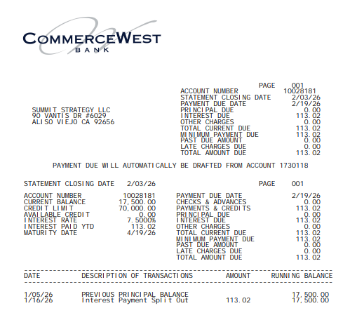
24020 - Commerce West Loan |  |  | TB Match'!A1
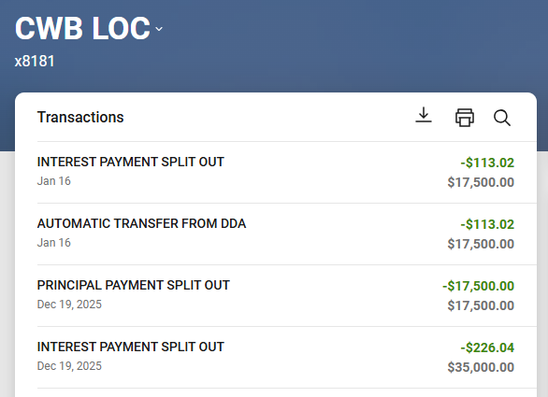
 | GL Total | 17,500.00
 | 2026-01-31

24030 - Headway Capital
24030 - Headway Capital |  |  | TB Match'!A1

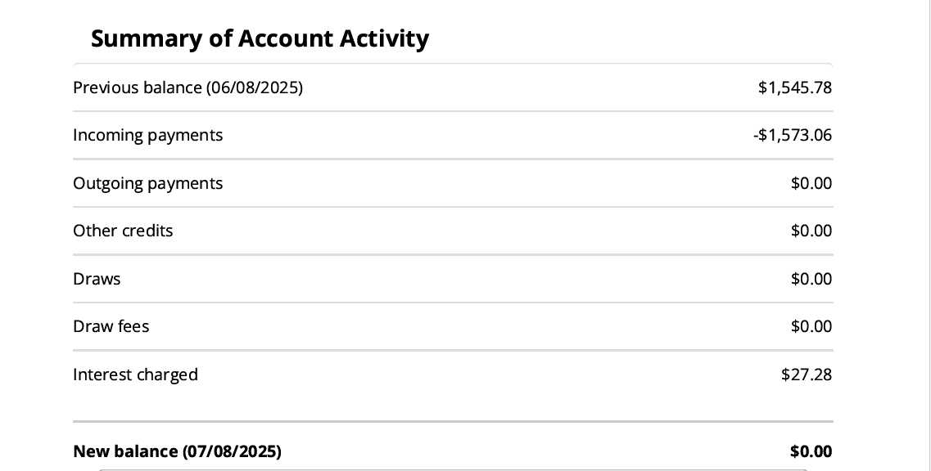
 | GL Total | 0
 | 2025-07-31

